191 Accounts
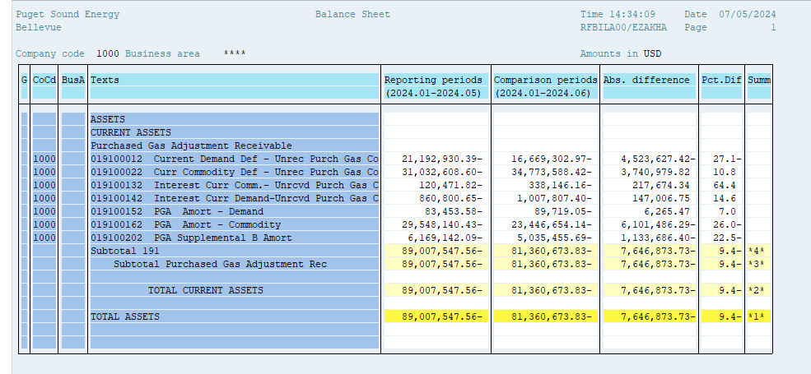
PUGET SOUND ENERGY
PGA 191 Account Balances
June
2024

 |  | Acct No. | Jun-24

Surcharge/Refund Amortization Accounts:
PGA Refund/Surcharge Amortization (Demand) |  | 19100152
 | Beginning |  | $(83,453.58)
 | Transfer Deferral Amounts to Surcharge/Refund Account
 | Surcharge/Refund Amortization |  | 2,453.00
 | Migration Credit
 | Interest |  | (8,718.47)
 | Total Month |  | (6,265.47)
 | Ending |  | $(89,719.05)

PGA Refund/Surcharge Amortization (Commodity) - 106 |  | 19100162
 | Beginning |  | $(29,548,140.43)
 | Transfer Deferral Amounts to Surcharge/Refund Account
 | Surcharge/Refund Amortization |  | 6,234,627.00
 | Migration Credit
 | Interest |  | (133,140.71)
 | Total Month |  | 6,101,486.29
 | Ending |  | $(23,446,654.14)

PGA Supplemental Amortization (Demand) - 106B |  | 19100202
 | Beginning |  | $(6,169,142.09)
 | Transfer Deferral Amounts to Surcharge/Refund Account
 | Surcharge/Refund Amortization |  | 1,208,415.00
 | Migration Credit
 | Interest |  | (74,728.60)
 | Total Month |  | 1,133,686.40
 | Ending |  | $(5,035,455.69)

NWP Refund for Gas (Demand) |  | 19100212
 | Beginning |  | $-
 | Rcrd Northwest Pipeline Refund Alloc to Gas Book
 | Reclass to PLNG
 | Transfer Deferral Amounts to Surcharge/Refund Account |  | $-
 | Surcharge/Refund Amortization
 | Interest
 | Total Month |  | -
 | Ending |  | $-

Current Demand Deferral |  | 19100012
 | Beginning |  | $(21,192,930.39)
 | Transfer Deferral Amounts to Surcharge/Refund Account
 | Deferral |  | 4,523,627.42
 | Total Month |  | 4,523,627.42
 | Ending |  | $(16,669,302.97)

Current Commodity Deferral |  | 19100022
 | Beginning |  | $(31,032,608.60)
 | Transfer Deferral Amounts to Surcharge/Refund Account
 | PGA Deferral Commd Vlntr RNG CR Tru-up 12/21-05/22
 | Deferral |  | (3,740,979.82)
 | Total Month |  | (3,740,979.82)
 | Ending |  | $(34,773,588.42)

Interest on Demand Deferral |  | 19100142
 | Beginning |  | $(860,800.65)
 | Transfer Interest Amounts to Surcharge/Refund Account
 | Interest |  | (147,006.75)
 | Total Month |  | (147,006.75)
 | Ending |  | $(1,007,807.40)

Interest on Commodity Deferral |  | 19100132
 | Beginning |  | $(120,471.82)
 | Transfer Interest Amounts to Surcharge/Refund Account
 | Interest |  | (217,674.34)
 | Total Month |  | (217,674.34)
 | Ending |  | $(338,146.16)

Total 191
 | Beginning |  | $(89,007,547.56)
 | Total Month |  | 7,646,873.73
 | Ending |  | $(81,360,673.83)
Less: Acct. being Amortized |  |  | (28,571,828.88)
Current Period Under/(Over) Recovered |  |  | $(52,788,844.95)

