191
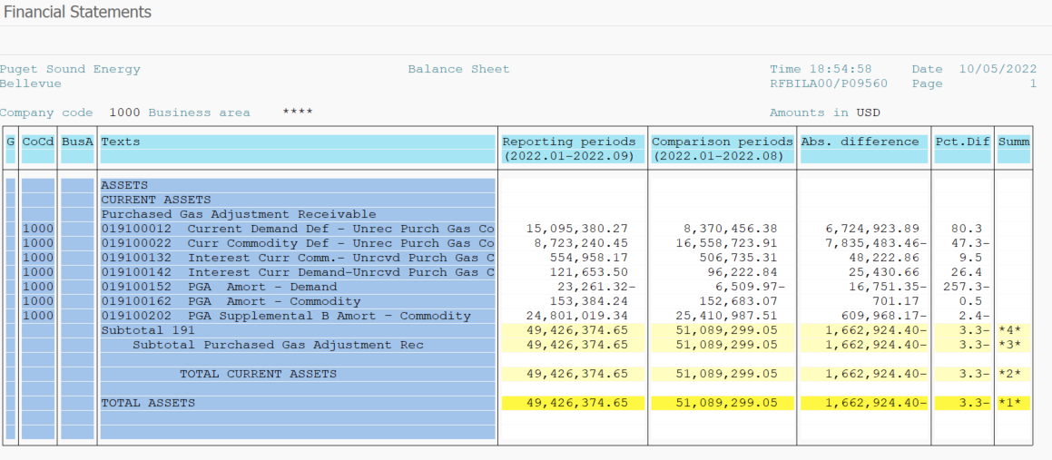
PUGET SOUND ENERGY
PGA 191 Account Balances
September
2022

 |  | Acct No. | Sep-22

Surcharge/Refund Amortization Accounts:
PGA Refund/Surcharge Amortization (Demand) |  | 19100152
 | Beginning |  | $(6,509.97)
 | Transfer Deferral Amounts to Surcharge/Refund Account
 | Surcharge/Refund Amortization |  | (12,564.00)
 | Migration Credit |  | (231.29)
 | Interest |  | (3,956.06)
 | Total Month |  | (16,751.35)
 | Ending |  | $(23,261.32)

PGA Refund/Surcharge Amortization (Commodity) - 106 |  | 19100162
 | Beginning |  | $152,683.07
 | Transfer Deferral Amounts to Surcharge/Refund Account
 | Surcharge/Refund Amortization |  | (19,019.00)
 | Migration Credit |  | 7,151.97
 | Interest |  | 12,568.20
 | Total Month |  | 701.17
 | Ending |  | $153,384.24

PGA Supplemental Amortization (Commodity) - 106A |  | 19100192
 | Beginning |  | $-
 | Transfer Deferral Amounts to Surcharge/Refund Account |  | -
 | Surcharge/Refund Amortization |  | -
 | Migration Credit |  | -
 | Interest |  | -
 | Total Month |  | -
 | Ending |  | $-

PGA Supplemental Amortization (Commodity) - 106B |  | 19100202
 | Beginning |  | $25,410,987.51
 | Transfer Deferral Amounts to Surcharge/Refund Account
 | Surcharge/Refund Amortization |  | (666,277.00)
 | Migration Credit
 | Interest |  | 56,308.83
 | Total Month |  | (609,968.17)
 | Ending |  | $24,801,019.34

Current Demand Deferral |  | 19100012
 | Beginning |  | $8,370,456.38
 | Transfer Deferral Amounts to Surcharge/Refund Account
 | Deferral |  | 6,724,923.89
 | Total Month |  | 6,724,923.89
 | Ending |  | $15,095,380.27

Current Commodity Deferral |  | 19100022
 | Beginning |  | $16,558,723.91
 | Transfer Deferral Amounts to Surcharge/Refund Account
 | PGA Deferral Commd Vlntr RNG CR Tru-up 12/21-05/22
 | Deferral |  | (7,835,483.46)
 | Total Month |  | (7,835,483.46)
 | Ending |  | $8,723,240.45

Interest on Demand Deferral |  | 19100142
 | Beginning |  | $96,222.84
 | Transfer Interest Amounts to Surcharge/Refund Account
 | Interest |  | 25,430.66
 | Total Month |  | 25,430.66
 | Ending |  | $121,653.50

Interest on Commodity Deferral |  | 19100132
 | Beginning |  | $506,735.31
 | Transfer Interest Amounts to Surcharge/Refund Account
 | Interest |  | 48,222.86
 | Total Month |  | 48,222.86
 | Ending |  | $554,958.17

Total 191
 | Beginning |  | $51,089,299.05
 | Total Month |  | (1,662,924.40)
 | Ending |  | $49,426,374.65
Less: Acct. being Amortized |  |  | 24,931,142.26
Current Period Under/(Over) Recovered |  |  | $24,495,232.39

