Summary Page
PMSA Data Request 176
Individual Detail of Distributions to Pilots
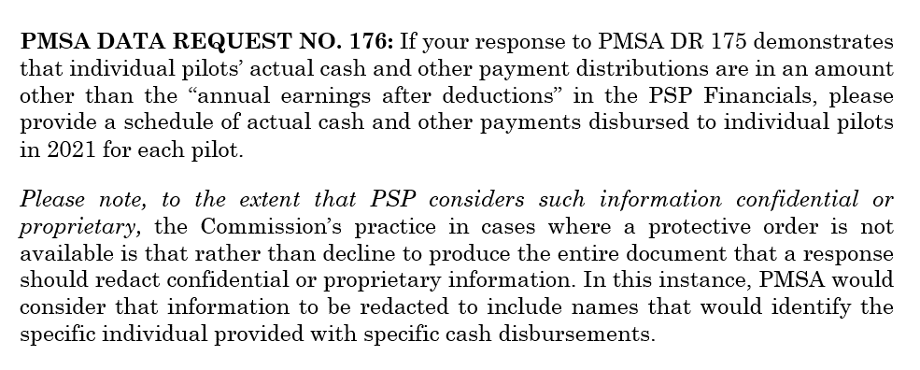

See following tabs by month

