Chelan O&M budgets (R)
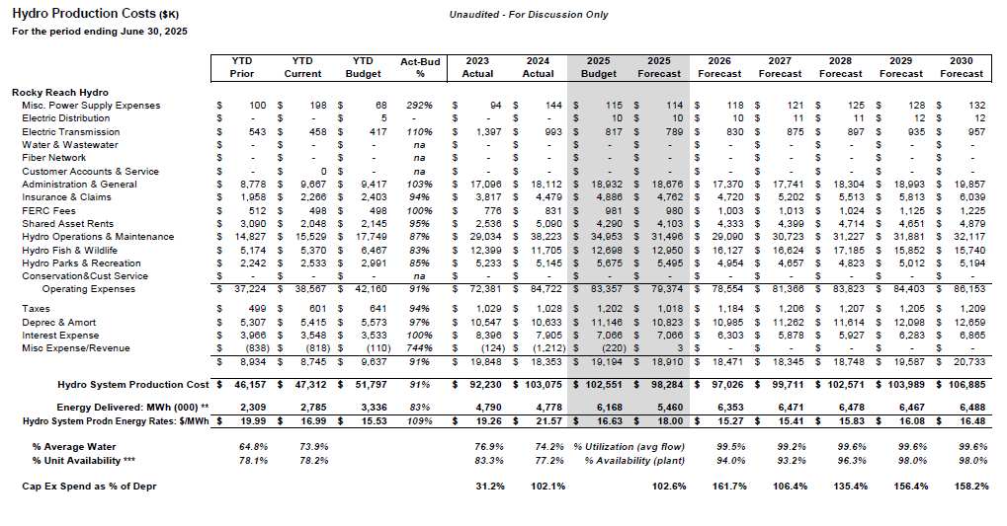
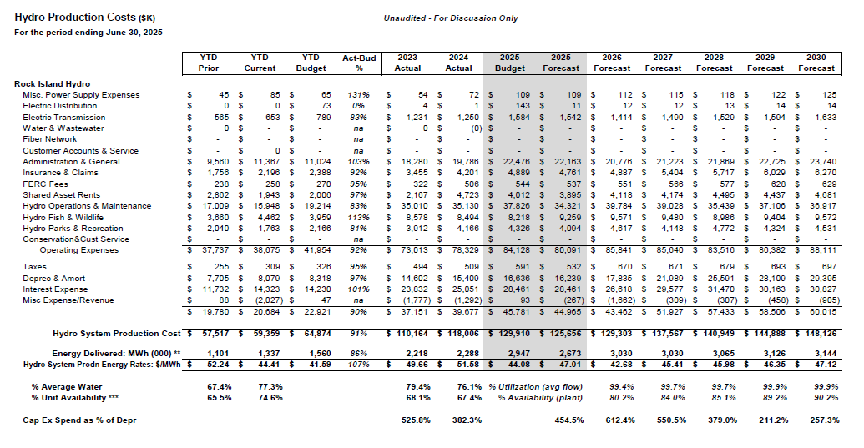
REDACTED VERSION

Puget Sound Energy
2026 Power Cost update workpapers
Mid C Chelan Contract Costs
O&M budgets from Chelan PUD

 | Forecast from Chelan PUD received October 23, 2024 |  |  |  |  |  |  |  |  | 2.5% annual O&M escalation
 | 2021 | 2022 | 2023 | 2024 | 2025 | 2026 | 2027 | 2028 | 2029 | 2030 | 2031
Operating expenses
Taxes
Misc Expense/Revenue
Rock Island O&M forecast
Operating expenses
Taxes
Misc Expense/Revenue
Rocky Reach O&M forecast

Future debt service (R)
REDACTED VERSION

Puget Sound Energy
2026 Power Cost update workpapers
Mid C Chelan Contract Costs
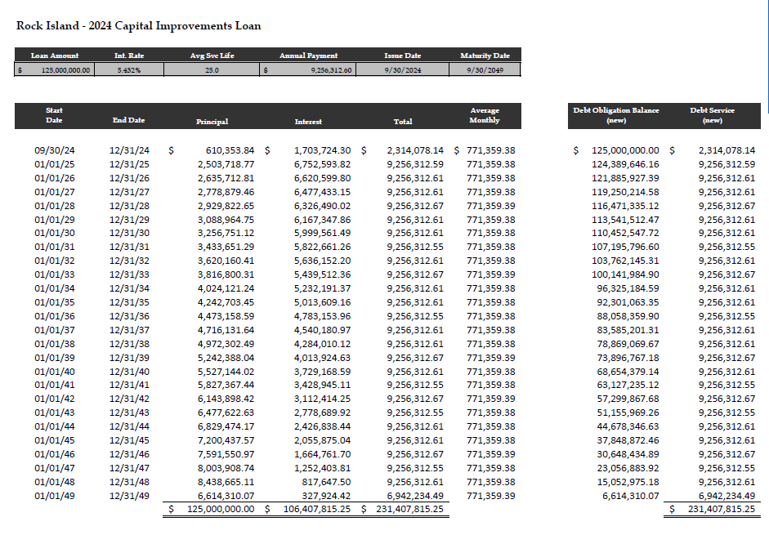
Repayment schedules for debt issued after contract start date

 |  |  |  |  |  |  | 2019 Rock Island Financing |  |  |  |  |  | 2021 Rock Island Financing |  |  |  |  |  | 2023 Rock Island Financing |  |  |  |  |  | 2024 Rock Island Financing
 |  |  |  |  |  |  | Loan Amount | In-Service Date | Int. Rate | Avg Svc Life | Payment |  | Loan Amount | In-Service Date | Int. Rate | Avg Svc Life | Payment |  | Loan Amount | In-Service Date | Int. Rate | Avg Svc Life | Payment |  | Loan Amount | In-Service Date | Int. Rate | Avg Svc Life | Payment

 | Rock Island
 | Beginning Balance | Principal | Interest | Total Debt Service | Ending Balance |  | Beginning Balance | Principal | Interest | Total Debt Service | Ending Balance |  | Beginning Balance | Principal | Interest | Total Debt Service | Ending Balance |  | Beginning Balance | Principal | Interest | Total Debt Service | Ending Balance |  | Beginning Balance | Principal | Interest | Total Debt Service | Ending Balance
2011 | 0 | 0 | 0 | 0 | 0 | 2011 |  |  |  |  |  | 2011 |  |  |  |  |  | 2011 |  |  |  |  |  | 2011
2012 | 0 | 0 | 0 | 0 | 0 | 2012 |  |  |  |  |  | 2012 |  |  |  |  |  | 2012 |  |  |  |  |  | 2012
2013 | 0 | 0 | 0 | 0 | 0 | 2013 |  |  |  |  |  | 2013 |  |  |  |  |  | 2013 |  |  |  |  |  | 2013
2014 | 0 | 0 | 0 | 0 | 0 | 2014 |  |  |  |  |  | 2014 |  |  |  |  |  | 2014 |  |  |  |  |  | 2014
2015 | 0 | 0 | 0 | 0 | 0 | 2015 |  |  |  |  |  | 2015 |  |  |  |  |  | 2015 |  |  |  |  |  | 2015
2016 | 0 | 0 | 0 | 0 | 0 | 2016 |  |  |  |  |  | 2016 |  |  |  |  |  | 2016 |  |  |  |  |  | 2016
2017 | 0 | 0 | 0 | 0 | 0 | 2017 |  |  |  |  |  | 2017 |  |  |  |  |  | 2017 |  |  |  |  |  | 2017
2018 | 0 | 0 | 0 | 0 | 0 | 2018 |  |  |  |  |  | 2018 |  |  |  |  |  | 2018 |  |  |  |  |  | 2018
2019 |  |  |  |  |  | 2019 |  |  |  |  |  | 2019 |  |  |  |  |  | 2019 |  |  |  |  |  | 2019
2020 |  |  |  |  |  | 2020 |  |  |  |  |  | 2020 |  |  |  |  |  | 2020 |  |  |  |  |  | 2020
2021 |  |  |  |  |  | 2021 |  |  |  |  |  | 2021 |  |  |  |  |  | 2021 |  |  |  |  |  | 2021
2022 |  |  |  |  |  | 2022 |  |  |  |  |  | 2022 |  |  |  |  |  | 2022 |  |  |  |  |  | 2022
2023 |  |  |  |  |  | 2023 |  |  |  |  |  | 2023 |  |  |  |  |  | 2023 |  |  |  |  |  | 2023
2024 |  |  |  |  |  | 2024 |  |  |  |  |  | 2024 |  |  |  |  |  | 2024 |  |  |  |  |  | 2024
2025 |  |  |  |  |  | 2025 |  |  |  |  |  | 2025 |  |  |  |  |  | 2025 |  |  |  |  |  | 2025
2026 |  |  |  |  |  | 2026 |  |  |  |  |  | 2026 |  |  |  |  |  | 2026 |  |  |  |  |  | 2026
2027 |  |  |  |  |  | 2027 |  |  |  |  |  | 2027 |  |  |  |  |  | 2027 |  |  |  |  |  | 2027
2028 |  |  |  |  |  | 2028 |  |  |  |  |  | 2028 |  |  |  |  |  | 2028 |  |  |  |  |  | 2028
2029 |  |  |  |  |  | 2029 |  |  |  |  |  | 2029 |  |  |  |  |  | 2029 |  |  |  |  |  | 2029
2030 |  |  |  |  |  | 2030 |  |  |  |  |  | 2030 |  |  |  |  |  | 2030 |  |  |  |  |  | 2030
2031 |  |  |  |  |  | 2031 |  |  |  |  |  | 2031 |  |  |  |  |  | 2031 |  |  |  |  |  | 2031
 |  |  |  |  |  |  |  |  |  |  |  | 2032 | $36,035,173 |  |  |  |  | 2032 | $59,826,142 |  |  |  |  |  | 103,762,145
 |  |  |  |  |  |  | 2019 Rocky Reach Financing |  |  |  |  |  | 2021 Rocky Reach Financing |  |  |  |  |  | 2023 Rocky Reach Financing
 |  |  |  |  |  |  | Loan Amount | In-Service Date | Int. Rate | Avg Svc Life | Payment |  | Loan Amount | In-Service Date | Int. Rate | Avg Svc Life | Payment |  | Loan Amount | In-Service Date | Int. Rate | Avg Svc Life | Payment
 |  |  |  |  |  |  | $- | n/a | 0.000% | 25.0 | $0.00
 | Rocky Reach
 | Beginning Balance | Principal | Interest | Total Debt Service | Ending Balance |  | Beginning Balance | Principal | Interest | Total Debt Service | Ending Balance |  | Beginning Balance | Principal | Interest | Total Debt Service | Ending Balance |  | Beginning Balance | Principal | Interest | Total Debt Service | Ending Balance
2011 | 0 | 0 | 0 | 0 | 0 | 2011 | 0 | 0 | 0 | 0 | 0 | 2011 |  |  |  |  |  | 2011
2012 | 0 | 0 | 0 | 0 | 0 | 2012 | 0 | 0 | 0 | 0 | 0 | 2012 | 0 | 0 | 0 | 0 | 0 | 2012
2013 | 0 | 0 | 0 | 0 | 0 | 2013 | 0 | 0 | 0 | 0 | 0 | 2013 | 0 | 0 | 0 | 0 | 0 | 2013
2014 | 0 | 0 | 0 | 0 | 0 | 2014 | 0 | 0 | 0 | 0 | 0 | 2014 | 0 | 0 | 0 | 0 | 0 | 2014
2015 | 0 | 0 | 0 | 0 | 0 | 2015 | 0 | 0 | 0 | 0 | 0 | 2015 | 0 | 0 | 0 | 0 | 0 | 2015
2016 | 0 | 0 | 0 | 0 | 0 | 2016 | 0 | 0 | 0 | 0 | 0 | 2016 | 0 | 0 | 0 | 0 | 0 | 2016
2017 | 0 | 0 | 0 | 0 | 0 | 2017 | 0 | 0 | 0 | 0 | 0 | 2017 | 0 | 0 | 0 | 0 | 0 | 2017
2018 | 0 | 0 | 0 | 0 | 0 | 2018 | 0 | 0 | 0 | 0 | 0 | 2018 | 0 | 0 | 0 | 0 | 0 | 2018
2019 | 0 | 0 | 0 | 0 | 0 | 2019 | 0 | 0 | 0 | 0 | 0 | 2019 | 0 | 0 | 0 | 0 | 0 | 2019
2020 | 0 | 0 | 0 | 0 | 0 | 2020 | 0 | 0 | 0 | 0 | 0 | 2020 | 0 | 0 | 0 | 0 | 0 | 2020
2021 |  |  |  |  |  | 2021 | 0 | 0 | 0 | 0 | 0 | 2021 |  |  |  |  |  | 2021
2022 |  |  |  |  |  | 2022 | 0 | 0 | 0 | 0 | 0 | 2022 |  |  |  |  |  | 2022
2023 |  |  |  |  |  | 2023 | 0 | 0 | 0 | 0 | 0 | 2023 |  |  |  |  |  | 2023
2024 |  |  |  |  |  | 2024 | 0 | 0 | 0 | 0 | 0 | 2024 |  |  |  |  |  | 2024
2025 |  |  |  |  |  | 2025 | 0 | 0 | 0 | 0 | 0 | 2025 |  |  |  |  |  | 2025
2026 |  |  |  |  |  | 2026 | 0 | 0 | 0 | 0 | 0 | 2026 |  |  |  |  |  | 2026
2027 |  |  |  |  |  | 2027 | 0 | 0 | 0 | 0 | 0 | 2027 |  |  |  |  |  | 2027
2028 |  |  |  |  |  | 2028 | 0 | 0 | 0 | 0 | 0 | 2028 |  |  |  |  |  | 2028
2029 |  |  |  |  |  | 2029 | 0 | 0 | 0 | 0 | 0 | 2029 |  |  |  |  |  | 2029
2030 |  |  |  |  |  | 2030 | 0 | 0 | 0 | 0 | 0 | 2030 |  |  |  |  |  | 2030
2031 |  |  |  |  |  | 2031 | 0 | 0 | 0 | 0 | 0 | 2031 |  |  |  |  |  | 2031
 |  |  |  |  |  |  |  |  |  |  |  | 2032 | $24,023,449 |  |  |  |  | 2032 | $15,953,638

