191
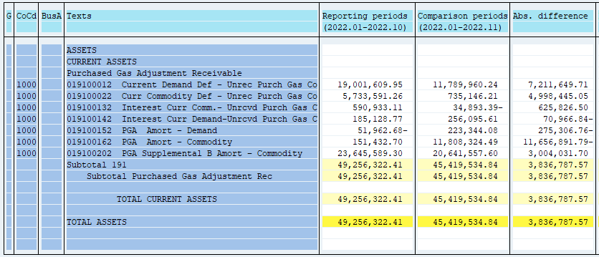
PUGET SOUND ENERGY
PGA 191 Account Balances
November
2022

 |  | Acct No. | Nov-22

Surcharge/Refund Amortization Accounts:
PGA Refund/Surcharge Amortization (Demand) |  | 19100152
 | Beginning |  | $(51,962.68)
 | Transfer Deferral Amounts to Surcharge/Refund Account |  | 315,631.54
 | Surcharge/Refund Amortization |  | (37,251.00)
 | Migration Credit |  | 1,242.69
 | Interest |  | (4,316.47)
 | Total Month |  | 275,306.76
 | Ending |  | $223,344.08

PGA Refund/Surcharge Amortization (Commodity) - 106 |  | 19100162
 | Beginning |  | $151,432.70
 | Transfer Deferral Amounts to Surcharge/Refund Account |  | 13,292,420.12
 | Surcharge/Refund Amortization |  | (1,721,843.00)
 | Migration Credit |  | 19,295.81
 | Interest |  | 67,018.86
 | Total Month |  | 11,656,891.79
 | Ending |  | $11,808,324.49

PGA Supplemental Amortization (Commodity) - 106A |  | 19100192
 | Beginning |  | $-
 | Transfer Deferral Amounts to Surcharge/Refund Account |  | -
 | Surcharge/Refund Amortization |  | -
 | Migration Credit |  | -
 | Interest |  | -
 | Total Month |  | -
 | Ending |  | $-

PGA Supplemental Amortization (Commodity) - 106B |  | 19100202
 | Beginning |  | $23,645,589.30
 | Transfer Deferral Amounts to Surcharge/Refund Account
 | Surcharge/Refund Amortization |  | (3,068,006.00)
 | Migration Credit
 | Interest |  | 63,974.30
 | Total Month |  | (3,004,031.70)
 | Ending |  | $20,641,557.60

Current Demand Deferral |  | 19100012
 | Beginning |  | $19,001,609.95
 | Transfer Deferral Amounts to Surcharge/Refund Account |  | (312,102.83)
 | Deferral |  | (6,899,546.88)
 | Total Month |  | (7,211,649.71)
 | Ending |  | $11,789,960.24

Current Commodity Deferral |  | 19100022
 | Beginning |  | $5,733,591.26
 | Transfer Deferral Amounts to Surcharge/Refund Account |  | (12,693,646.57)
 | PGA Deferral Commd Vlntr RNG CR Tru-up 12/21-05/22
 | Deferral |  | 7,695,201.52
 | Total Month |  | (4,998,445.05)
 | Ending |  | $735,146.21

Interest on Demand Deferral |  | 19100142
 | Beginning |  | $185,128.77
 | Transfer Interest Amounts to Surcharge/Refund Account |  | (3,528.71)
 | Interest |  | 74,495.55
 | Total Month |  | 70,966.84
 | Ending |  | $256,095.61

Interest on Commodity Deferral |  | 19100132
 | Beginning |  | $590,933.11
 | Transfer Interest Amounts to Surcharge/Refund Account |  | (598,773.55)
 | Interest |  | (27,052.95)
 | Total Month |  | (625,826.50)
 | Ending |  | $(34,893.39)

Total 191
 | Beginning |  | $49,256,322.41
 | Total Month |  | (3,836,787.57)
 | Ending |  | $45,419,534.84
Less: Acct. being Amortized |  |  | 32,673,226.17
Current Period Under/(Over) Recovered |  |  | $12,746,308.67

