CY2022 YTD
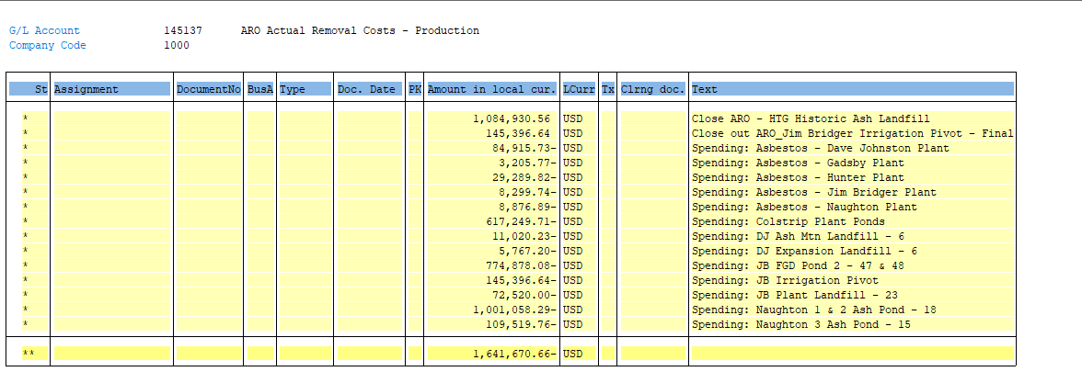
CY2022 Removal Costs
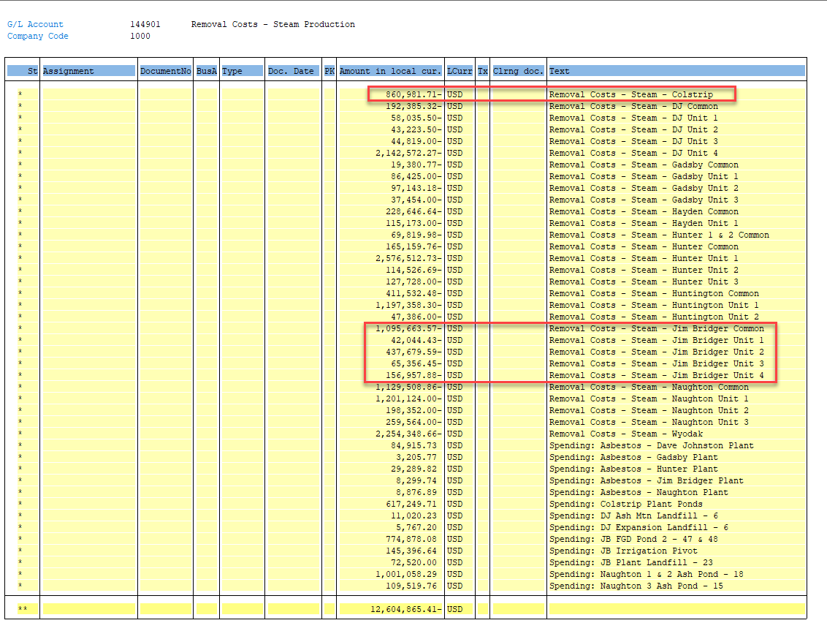
Jim Bridger

Beg Balance | Accrual | Spend | End Balance
(38,444,651) | (26,337,691) | 1,652,305 | (63,130,036)

 | D&R Spend: | 8,299.74 | Asbestos - Jim Bridger Plant
 |  | 774,878.08 | Jim Bridger Ponds
 |  | 145,396.64 | Jim Bridger Irrigation Pivot
 |  | 72,520.00 | Jim Bridger Landfill

 |  | 1,001,094

 | Interim Spend: | 796,607
 |  | 1,797,701.92
 |  | (145,396.64) | check - okay - close out entry that is not spend

Colstrip

Beg Balance | Accrual | Spend | End Balance
(825,766) | (8,454,637) | 860,982 | (8,419,421)

 | D&R Spend: | 617,249.71 | Colstrip Plant Ponds

 | Interim Spend: | 243,732
 |  | 860,981.71
 |  | - | ck

 |  |  |  | D&R Spend (i.e. AROs)

Account data
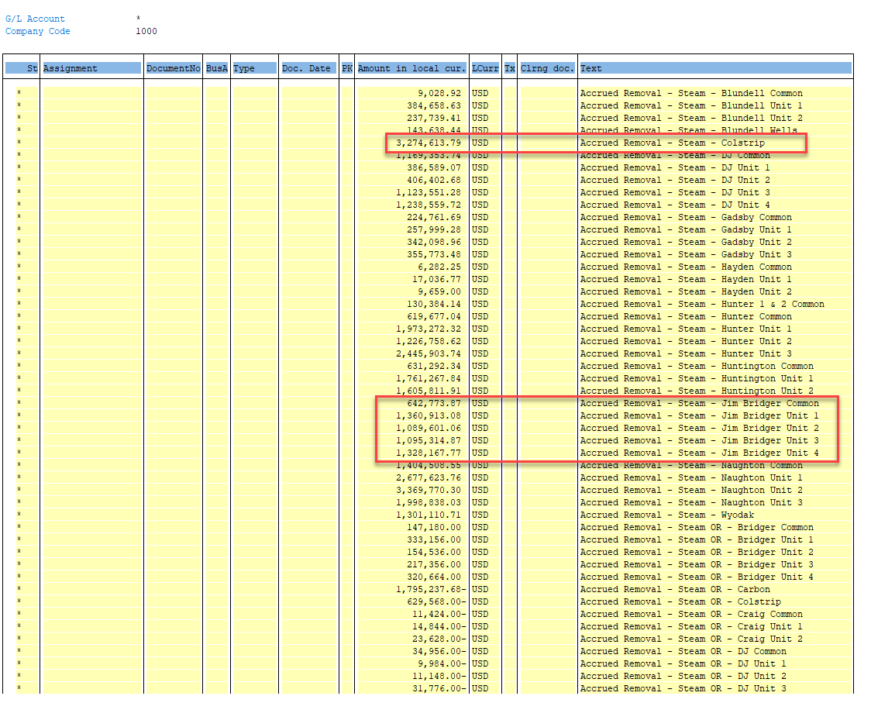
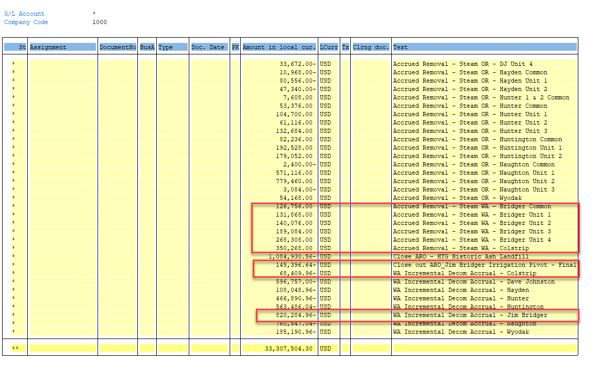
 |  |  | 2019 | 2020 | Decom
 |  | SG | 0.07672 | 0.08127 | 0.07863

PLANT |  | Account | 2021-12-31 | Jan | Feb | Mar | Apr | May | Jun | Jul | Aug | Sep | Oct | Nov | Dec | 2022-12-31
JIM BRIDGER | Spend | 144901 | (30,853,549.43) | - | (219.90) | (43,468.28) | (6,561.00) | (69,318.35) | (353,744.86) | (119,339.99) | (57,542.16) | (47,475.61) | (99,198.31) | (4,898.82) | 5,159.82 | (31,650,156.89)
 |  |  |  |  |  |  |  |  |  |  |  |  |  |  |  |  | YTD Accr | WA Alloc
 | Accrual | 144911 | 50,409,348.44 | 458,603.31 | 458,628.57 | 458,628.57 | 458,693.25 | 458,920.51 | 459,503.76 | 459,957.62 | 460,543.74 | 460,698.17 | 460,872.46 | 460,936.36 | 412,197.69 | 55,877,532.45 | 5,468,184.01
 | Accrual | 144911 | 9,589,222.18 | 877,841.03 | 877,841.03 | 877,841.03 | 877,841.03 | 877,841.03 | 877,841.03 | 877,841.03 | 877,841.03 | 877,841.03 | 877,841.03 | 877,841.03 | 877,841.03 | 20,123,314.58 | 10,534,092.39 | 856,092.00
 |  |  | 59,998,570.62 | 1,336,444.34 | 1,336,469.60 | 1,336,469.60 | 1,336,534.28 | 1,336,761.54 | 1,337,344.79 | 1,337,798.65 | 1,338,384.77 | 1,338,539.20 | 1,338,713.49 | 1,338,777.39 | 1,290,038.72 | 76,000,847.03

 | Spend | 145137 | (21,458,255.76) | (64,099.27) | (61,642.68) | (69,837.16) | (66,322.90) | (67,854.83) | (55,875.80) | (91,897.92) | (94,307.33) | (152,050.27) | (139,653.67) | (65,521.94) | 73,365.95 | (22,313,953.58)
 | Accrual | 145138 | 20,325,661.00 | - | - | - | - | - | - | - | - | - | - | - | (96,810.00) | 20,228,851.00 | (96,810.00)

 | Accrual | 288365 | (10,432,224.43) | (869,352.04) | (869,352.04) | (869,352.04) | (869,352.04) | (869,352.04) | (869,352.04) | (869,352.04) | (869,352.04) | (869,352.04) | (869,352.04) | (869,352.04) | (869,352.04) | (20,864,448.86) | (10,432,224.43) | (820,284.96)

 |  |  |  | Beg Balance | Spend | Accrual | End Balance
TOTAL JIM BRIDGER |  |  |  | (38,444,650.86) | 1,652,305.28 | (26,337,690.84) | (63,130,036.42)
 |  |  |  |  |  |  | - | ck

 |  | Account | 2021-12-31 | Jan | Feb | Mar | Apr | May | Jun | Jul | Aug | Sep | Oct | Nov | Dec | 2022-12-31
COLSTRIP |  | 144901 | (340,303.09) | - | - | - | - | (161,824.15) | 9,547.15 | - | (39,615.00) | - | (51,840.00) | - | - | (584,035.09)
 |  |  |  |  |  |  |  |  |  |  |  |  |  |  |  |  | YTD Accr | WA Alloc
 |  | 144911 | (782,351.35) | 269,655.80 | 271,669.51 | 271,669.51 | 271,684.32 | 272,521.32 | 271,927.13 | 271,925.10 | 272,634.26 | 273,632.04 | 273,704.25 | 273,860.95 | 279,729.60 | 2,492,262.44 | 3,274,613.79
 |  | 144911 | 3,588,226.12 | 359,166.56 | 359,166.56 | 359,166.56 | 359,166.56 | 359,166.56 | 359,166.56 | 359,166.56 | 359,166.56 | 359,166.56 | 359,166.56 | 359,166.56 | 359,166.56 | 7,898,224.90 | 4,309,998.78 | 350,268.00
 |  |  | 2,805,874.77 | 628,822.36 | 630,836.07 | 630,836.07 | 630,850.88 | 631,687.88 | 631,093.69 | 631,091.66 | 631,800.82 | 632,798.60 | 632,870.81 | 633,027.51 | 638,896.16 | 10,390,487.34

 |  | 145137 | (2,778,193.79) | (159,415.70) | (5,401.16) | (30,291.43) | (61,712.17) | (134,800.54) | (86,090.44) | (41,814.09) | (38,610.21) | (43,722.42) | (533.56) | (4,800.48) | (10,057.51) | (3,395,443.50)
 |  | 145138 | 268,363.25 | - | - | - | - | - | - | - | - | - | - | - | - | 268,363.25 | -

 |  | 288365 | (870,024.55) | (72,502.05) | (72,502.05) | (72,502.05) | (72,502.05) | (72,502.05) | (72,502.05) | (72,502.05) | (72,502.05) | (72,502.05) | (72,502.05) | (72,502.05) | (72,502.05) | (1,740,049.11) | (870,024.55) | (68,409.96)

 |  |  |  | Beg Balance | Spend | Accrual | End Balance
TOTAL COLSTRIP |  |  |  | (825,765.70) | 860,981.71 | (8,454,637.12) | (8,419,421.11)
 |  |  |  |  |  |  | - | ck

 |  |  |  | FBL3N - GL 144911, 145138, 288365

