Typical Residential Notice
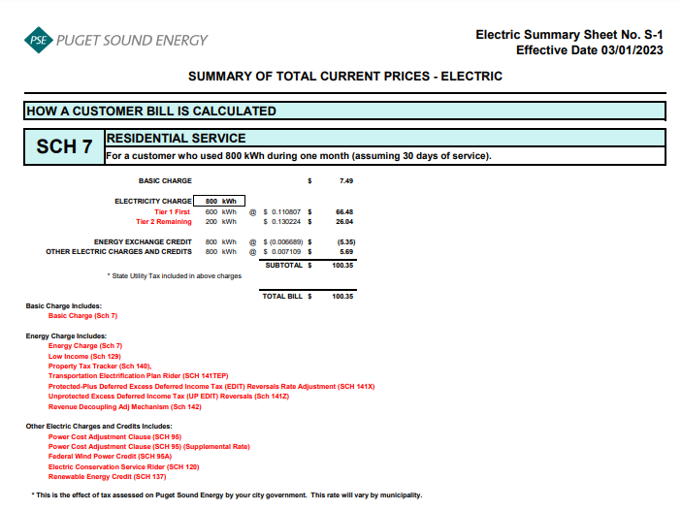
Puget Sound Energy
Residential Customer Impacts
Forecasted Test-Year Ended April 30, 2024
Proposed Rate Effective May 1, 2023

 |  | Current Customer Bill in Notice |  |  |  |  | Proposed Customer Bill in Notice
Month | kWh | Basic Charge | First 600 kWh | Over 600 kWh | Bill |  | Basic Charge | First 600 kWh | Over 600 kWh | Bill | $ Difference | % Difference
January | 707 | $7.49 | $66.74 | $13.98 | $88.21 |  | $7.49 | $66.62 | $13.96 | $88.07 | $(0.14) | -0.16%
February | 641 | $7.49 | $66.74 | $5.36 | $79.59 |  | $7.49 | $66.62 | $5.35 | $79.46 | $(0.13) | -0.16%
March | 660 | $7.49 | $66.74 | $7.84 | $82.07 |  | $7.49 | $66.62 | $7.83 | $81.94 | $(0.13) | -0.16%
April | 673 | $7.49 | $66.74 | $9.54 | $83.77 |  | $7.49 | $66.62 | $9.52 | $83.63 | $(0.14) | -0.17%
May | 640 | $7.49 | $66.74 | $5.23 | $79.46 |  | $7.49 | $66.62 | $5.22 | $79.33 | $(0.13) | -0.16%
June | 759 | $7.49 | $66.74 | $20.77 | $95.00 |  | $7.49 | $66.62 | $20.74 | $94.85 | $(0.15) | -0.16%
July | 971 | $7.49 | $66.74 | $48.47 | $122.70 |  | $7.49 | $66.62 | $48.40 | $122.51 | $(0.19) | -0.15%
August | 1,079 | $7.49 | $66.74 | $62.58 | $136.81 |  | $7.49 | $66.62 | $62.49 | $136.60 | $(0.21) | -0.15%
September | 1,093 | $7.49 | $66.74 | $64.41 | $138.64 |  | $7.49 | $66.62 | $64.32 | $138.43 | $(0.21) | -0.15%
October | 957 | $7.49 | $66.74 | $46.64 | $120.87 |  | $7.49 | $66.62 | $46.57 | $120.68 | $(0.19) | -0.16%
November | 944 | $7.49 | $66.74 | $44.94 | $119.17 |  | $7.49 | $66.62 | $44.88 | $118.99 | $(0.18) | -0.15%
December | 842 | $7.49 | $66.74 | $31.62 | $105.85 |  | $7.49 | $66.62 | $31.57 | $105.68 | $(0.17) | -0.16%

Annual Total | 9,966 | $89.88 | $800.88 | $361.38 | $1,252.14 |  | $89.88 | $799.44 | $360.85 | $1,250.17 | $(1.97) | -0.16%

Typical Residential | 800 | $7.49 | $66.74 | $26.13 | $100.36 |  | $7.49 | $66.62 | $26.09 | $100.20 | $(0.16) | -0.16%
Typical Residential | 1,000 | $7.49 | $66.74 | $52.26 | $126.49 |  | $7.49 | $66.62 | $52.18 | $126.29 | $(0.20) | -0.16%

Residential Schedule 7 Rates |  |  |  | Present Rates Effective 03/01/2023 | Proposed Rates Effective 05/01/2023
Customer Monthly Charge:
One Phase Basic Charge |  |  |  | $7.490000 | $7.490000 | per Month
Subtotal Base Monthly Charge |  |  |  | $7.490000 | $7.490000
Energy Charge:
Schedule 7 first 600 kWh |  |  |  | $0.089437 | $0.089437 | $ / kWh
Schedule 129 - Low Income |  |  |  | $0.002687 | $0.002687 | $ / kWh
Schedule 140 - Property Tax Rider |  |  |  | $0.002798 | $0.002612 | $ / kWh
Schedule 141A - Energy Charge Credit Recovery Adjustment |  |  |  | $0.001828 | $0.001828 | $ / kWh
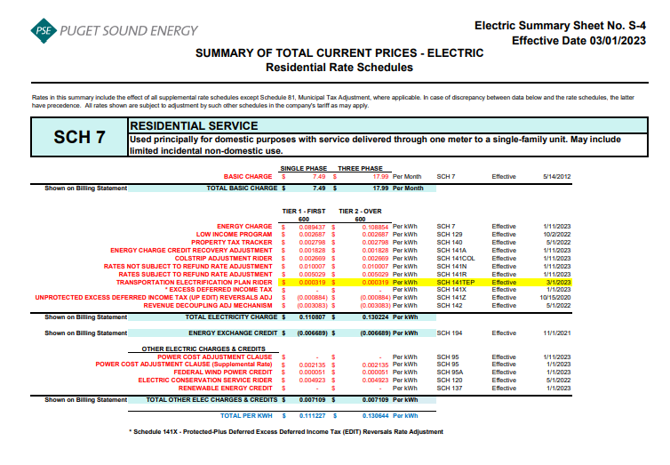
Schedule 141COL - Colstrip Adjustment Rider |  |  |  | $0.002669 | $0.002669 | $ / kWh
Schedule 141N - Rates Not Subject to Refund Rate Adjustment |  |  |  | $0.010007 | $0.010007 | $ / kWh
Schedule 141R - Rates Subject to Refund Rate Adjustment |  |  |  | $0.005029 | $0.005029 | $ / kWh
Schedule 141TEP - TEP Rider |  |  |  | $0.000319 | $0.000319 | $ / kWh
Schedule 141Z - EDIT Rider |  |  |  | $(0.000884) | $(0.000884) | $ / kWh
Schedule 142 - Decoupling Rider |  |  |  | $(0.003083) | $(0.003083) | $ / kWh
Schedule 142 - Decoupling Rider - Supplemental |  |  |  | $- | $- | $ / kWh
Subtotal Base First 600 kWh Charge |  |  |  | $0.110807 | $0.110621 | $ / kWh

Schedule 7 over 600 kWh |  |  |  | $0.108854 | $0.108854 | $ / kWh
Schedule 129 - Low Income |  |  |  | $0.002687 | $0.002687 | $ / kWh
Schedule 140 - Property Tax Rider |  |  |  | $0.002798 | $0.002612 | $ / kWh
Schedule 141A - Energy Charge Credit Recovery Adjustment |  |  |  | $0.001828 | $0.001828 | $ / kWh
Schedule 141COL - Colstrip Adjustment Rider |  |  |  | $0.002669 | $0.002669 | $ / kWh
Schedule 141N - Rates Not Subject to Refund Rate Adjustment |  |  |  | $0.010007 | $0.010007 | $ / kWh
Schedule 141R - Rates Subject to Refund Rate Adjustment |  |  |  | $0.005029 | $0.005029 | $ / kWh
Schedule 141TEP - TEP Rider |  |  |  | $0.000319 | $0.000319 | $ / kWh
Schedule 141Z - EDIT Rider |  |  |  | $(0.000884) | $(0.000884) | $ / kWh
Schedule 142 - Decoupling Rider |  |  |  | $(0.003083) | $(0.003083) | $ / kWh
Schedule 142 - Decoupling Rider - Supplemental |  |  |  | $- | $- | $ / kWh
Subtotal Base Over 600 kWh Charge |  |  |  | $0.130224 | $0.130038 | $ / kWh

Schedule 194 - BPA Exchange Credit |  |  |  | $(0.006689) | $(0.006689) | $ / kWh

Other Electric Charges and Credits |  |  |  |  |  | $ / kWh
Schedule 95 - Power Cost Adjustment Clause |  |  |  | $- | $- | $ / kWh
Schedule 95 - Power Cost Adjustment Clause-Supplemental |  |  |  | $0.002135 | $0.002135 | $ / kWh
Schedule 95A - Wind Power Production Credit |  |  |  | $0.000051 | $0.000051 | $ / kWh
Schedule 120 - Conservation Rider |  |  |  | $0.004923 | $0.004923 | $ / kWh
Subtotal Other Charges |  |  |  | $0.007109 | $0.007109 | $ / kWh

Total Block 1 Energy Charge |  |  |  | $0.111227 | $0.111041 | $ / kWh
Total Block 2 Energy Charge |  |  |  | $0.130644 | $0.130458 | $ / kWh

Average Residential Usage Test Year Ended April 30, 2024
Year | Month No. | Forecast kWh | Forecast Customer Count | Average Use per Customer
2023 | 5 | 762,205,840 | 1,078,331 | 707
2023 | 6 | 692,093,105 | 1,079,181 | 641
2023 | 7 | 712,672,916 | 1,080,031 | 660
2023 | 8 | 727,762,417 | 1,081,402 | 673
2023 | 9 | 693,121,227 | 1,082,774 | 640
2023 | 10 | 823,006,711 | 1,084,145 | 759
2023 | 11 | 1,054,156,796 | 1,085,695 | 971
2023 | 12 | 1,172,740,018 | 1,087,245 | 1,079
2024 | 1 | 1,189,980,818 | 1,088,795 | 1,093
2024 | 2 | 1,042,972,545 | 1,089,809 | 957
2024 | 3 | 1,030,097,129 | 1,090,822 | 944
2024 | 4 | 919,123,703 | 1,091,836 | 842
 | Total | 10,819,933,224 | 13,020,066 | 9,966

 | Average |  |  | 831

Prior TY Rate Design
Schedule 140 Rate Design
Eff. 5-1-2022
UE-220234
Puget Sound Energy
Calculation of Proposed Schedule 140 Property Tax Rider Rate
Effective May 1, 2022

Line No. | Voltage Level | Schedule | Adjusted Electric Cost of Service PTDGP.T Allocation Factor Docket No. UE-190529 | Percent of Total | Revenue Requirement Property Tax - Current | Revenue Requirement Property Tax - Deferral | Revenue Requirement Property Tax - Total | F2022 kWh May 2022 to April 2023 | Proposed Schedule 140 Property Tax Rider - Current Effective 5-1-22 | Proposed Schedule 140 Property Tax Rider - Deferred Effective 5-1-22 | Proposed Schedule 140 Property Tax Rider Effective 5-1-22 | Check Difference due to Rounding | Sch 140 Tariff Reference | Notes
 |  |  | (a) | (b)= (a) / ∑ (a) | (c) = (b) * A | (d) = (b) * B | (e) = (c + d) | (f) | (g) = (c) / (f) | (h) = (d) / (f) | (i) = (g) + (h) | (j) = (i * f) - (e)
1 | Residential
2 | Residential | 7 | $6,327,012,748 | 59.25% | $22,185,065 | $7,962,847 | $30,147,912 | 10,772,500,000 | $0.002059 | $0.000739 | $0.002798 | $(6,457) | Sheet No. 140-B
3 | Total Residential |  | $6,327,012,748 | 59.25% | $22,185,065 | $7,962,847 | $30,147,912 | 10,772,500,000 | $0.002059 | $0.000739 | $0.002798 | $(6,457)
4
5 | Secondary Voltage
6 | Demand <= 50 kW | 8 & 24 | $1,342,620,657 | 12.57% | $4,707,771 | $1,689,752 | $6,397,523 | 2,721,620,000 | $0.001730 | $0.000621 | $0.002351 | $1,006 | Sheet No. 140-B
7 | Demand > 50 kW but <= 350 kW | 7A, 11, 25 & 29 | $1,318,719,088 | 12.35% | $4,623,962 | $1,659,671 | $6,283,633 | 2,904,653,000 | $0.001592 | $0.000571 | $0.002163 | $(869) | Sheet No. 140-B
8 | Demand > 350 kW | 12 & 26 | $733,876,905 | 6.87% | $2,573,269 | $923,619 | $3,496,888 | 1,824,302,000 | $0.001411 | $0.000506 | $0.001917 | $299 | Sheet No. 140-B
9 | Total Secondary Voltage |  | $3,395,216,649 | 31.80% | $11,905,002 | $4,273,042 | $16,178,044 | 7,450,575,000 | $0.001598 | $0.000574 | $0.002172 | $436
10
11 | Primary Voltage
12 | General Service | 10, 31 & 35 | $542,139,448 | 5.08% | $1,900,960 | $682,308 | $2,583,268 | 1,333,989,000 | $0.001425 | $0.000511 | $0.001936 | $(666) | Sheet No. 140-B
13 | Interruptible Total Electric Schools | 43 | $63,939,436 | 0.60% | $224,198 | $80,471 | $304,668 | 119,574,000 | $0.001875 | $0.000673 | $0.002548 | $6 | Sheet No. 140-C
14 | Total Primary Voltage |  | $606,078,885 | 5.68% | $2,125,158 | $762,779 | $2,887,937 | 1,453,563,000 | $0.001462 | $0.000525 | $0.001987 | $(660)
15
16 | Special Contract | SC | $44,346,799 | 0.42% | $155,498 | $55,813 | $211,310 | 289,426,000 | $0.000537 | $0.000193 | $0.000730 | $(29) | Sheet No. 140-B | *Delete references of Sch. 40 from tariff sheet.
17
18 | High Voltage | 46 & 49 | $183,018,785 | 1.71% | $641,738 | $230,338 | $872,076 | 602,098,000 | $0.001066 | $0.000383 | $0.001449 | $364 | Sheet No. 140-C
19
20 | Lighting | 50-59 | $110,970,703 | 1.04% | $389,108 | $139,662 | $528,770 | 63,800,000 | $0.006099 | $0.002189 | $0.008288 | $4 | See tab "Sch 140 Street & Area Lighting"
21
22 | Total Choice /Retail Wheeling | 449 & 459 | $8,095,586 | 0.08% | $28,386 | $10,189 | $38,575 | 1,959,816,000 | $0.000014 | $0.000005 | $0.000019 | $(1,339) | See tab "Sch 449-459 Rate Design" for kVa rates.
23
24 | Total Jurisdictional Retail Sales |  | $10,674,740,155 | 99.97% | $37,429,955 | $13,434,669 | $50,864,624 | 22,591,778,000 | $0.001657 | $0.000595 | $0.002252 | $(7,680)
25
26 | Total Firm Resale |  | $3,513,759 | 0.03% | $12,321 | $4,422 | $16,743 | 7,101,000
27
28 | Total Sales to Customers |  | $10,678,253,913 | 100.00% | $37,442,276 | $13,439,092 | $50,881,367 | 22,598,879,000 | $0.001657 | $0.000595 | $0.002252 | $(7,680)
29
30 | Property Tax Revenue Requirement |  |  |  | $37,442,276 | $13,439,092 | $50,881,367
 |  |  |  |  | A | B

