Typical Residential Bill
Puget Sound Energy
Residential Customer Impacts
Test Year Ended October 31, 2022

 |  | Current Customer Bill in Notice |  |  |  |  | Proposed Customer Bill in Notice
Month | kWh | Basic Charge | First 600 kWh | Over 600 kWh | Bill |  | Basic Charge | First 600 kWh | Over 600 kWh | Bill | $ Difference | % Difference
January | 1,203 | $7.49 | $56.34 | $68.80 | $132.63 |  | $7.49 | $56.76 | $69.22 | $133.47 | $0.84 | 0.63%
February | 978 | $7.49 | $56.34 | $43.13 | $106.96 |  | $7.49 | $56.76 | $43.39 | $107.64 | $0.68 | 0.64%
March | 1,016 | $7.49 | $56.34 | $47.47 | $111.30 |  | $7.49 | $56.76 | $47.76 | $112.01 | $0.71 | 0.64%
April | 802 | $7.49 | $56.34 | $23.05 | $86.88 |  | $7.49 | $56.76 | $23.19 | $87.44 | $0.56 | 0.64%
May | 728 | $7.49 | $56.34 | $14.61 | $78.44 |  | $7.49 | $56.76 | $14.69 | $78.94 | $0.50 | 0.64%
June | 636 | $7.49 | $56.34 | $4.11 | $67.94 |  | $7.49 | $56.76 | $4.13 | $68.38 | $0.44 | 0.65%
July | 636 | $7.49 | $56.34 | $4.11 | $67.94 |  | $7.49 | $56.76 | $4.13 | $68.38 | $0.44 | 0.65%
August | 656 | $7.49 | $56.34 | $6.39 | $70.22 |  | $7.49 | $56.76 | $6.43 | $70.68 | $0.46 | 0.66%
September | 620 | $7.49 | $56.34 | $2.28 | $66.11 |  | $7.49 | $56.76 | $2.30 | $66.55 | $0.44 | 0.67%
October | 779 | $7.49 | $56.34 | $20.42 | $84.25 |  | $7.49 | $56.76 | $20.55 | $84.80 | $0.55 | 0.65%
November | 988 | $7.49 | $56.34 | $44.27 | $108.10 |  | $7.49 | $56.76 | $44.54 | $108.79 | $0.69 | 0.64%
December | 1,178 | $7.49 | $56.34 | $65.95 | $129.78 |  | $7.49 | $56.76 | $66.35 | $130.60 | $0.82 | 0.63%

Annual Total | 10,220 | $89.88 | $676.08 | $344.59 | $1,110.55 |  | $89.88 | $681.12 | $346.68 | $1,117.68 | $7.13 | 0.64%

Typical Residential | 900 | $7.49 | $56.34 | $34.23 | $98.06 |  | $7.49 | $56.76 | $34.44 | $98.69 | $0.63 | 0.64%
Typical Residential | 1,000 | $7.49 | $56.34 | $45.64 | $109.47 |  | $7.49 | $56.76 | $45.92 | $110.17 | $0.70 | 0.64%

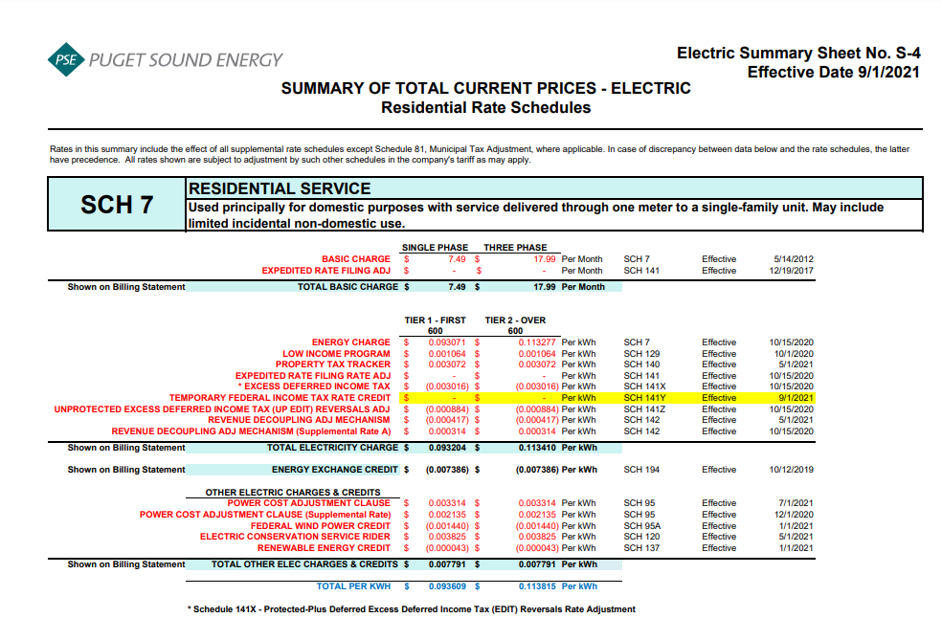
Residential Schedule 7 Rates |  |  |  | Present Rates Effective 10/30/2021 | Proposed Rates Effective 11/01/2021
Customer Monthly Charge:
One Phase Basic Charge |  |  |  | $7.490000 | $7.490000 | per Month
Subtotal Base Monthly Charge |  |  |  | $7.490000 | $7.490000
Energy Charge:
Schedule 7 first 600 kWh |  |  |  | $0.093071 | $0.093071 | $ / kWh
Schedule 129 - Low Income |  |  |  | $0.001352 | $0.001352 | $ / kWh
Schedule 140 - Property Tax Rider |  |  |  | $0.003072 | $0.003072 | $ / kWh
Schedule 141X EDIT Rider - First 600 kWh |  |  |  | $(0.003016) | $(0.003016) | $ / kWh
Schedule 141Y - Tax Over Collection Rider |  |  |  | $- | $- | $ / kWh
Schedule 141Z - EDIT Rider |  |  |  | $(0.000884) | $(0.000884) | $ / kWh
Schedule 142 - Decoupling Rider |  |  |  | $(0.000417) | $(0.000417) | $ / kWh
Schedule 142 - Decoupling Rider - Supplemental |  |  |  | $0.000314 | $0.000314 | $ / kWh
Subtotal Base First 600 kWh Charge |  |  |  | $0.093492 | $0.093492 | $ / kWh

Schedule 7 over 600 kWh |  |  |  | $0.113277 | $0.113277 | $ / kWh
Schedule 129 - Low Income |  |  |  | $0.001352 | $0.001352 | $ / kWh
Schedule 140 - Property Tax Rider |  |  |  | $0.003072 | $0.003072 | $ / kWh
Schedule 141X EDIT Rider - Over 600 kWh |  |  |  | $(0.003016) | $(0.003016) | $ / kWh
Schedule 141Y - Tax Over Collection Rider |  |  |  | $- | $- | $ / kWh
Schedule 141Z - EDIT Rider |  |  |  | $(0.000884) | $(0.000884) | $ / kWh
Schedule 142 - Decoupling Rider |  |  |  | $(0.000417) | $(0.000417) | $ / kWh
Schedule 142 - Decoupling Rider - Supplemental |  |  |  | $0.000314 | $0.000314 | $ / kWh
Subtotal Base Over 600 kWh Charge |  |  |  | $0.113698 | $0.113698 | $ / kWh

Schedule 194 - BPA Exchange Credit |  |  |  | $(0.007386) | $(0.006689) | $ / kWh

Other Electric Charges and Credits |  |  |  |  |  | $ / kWh
Schedule 95 - Power Cost Adjustment Clause |  |  |  | $0.003314 | $0.003314 | $ / kWh
Schedule 95 - Power Cost Adjustment Clause-Supplemental |  |  |  | $0.002135 | $0.002135 | $ / kWh
Schedule 95A - Wind Power Production Credit |  |  |  | $(0.001440) | $(0.001440) | $ / kWh
Schedule 120 - Conservation Rider |  |  |  | $0.003825 | $0.003825 | $ / kWh
Schedule 137 - Renewable Energy Credit |  |  |  | $(0.000043) | $(0.000043) | $ / kWh
Subtotal Other Charges |  |  |  | $0.007791 | $0.007791 | $ / kWh

Total Block 1 Energy Charge |  |  |  | $0.093897 | $0.094594 | $ / kWh
Total Block 2 Energy Charge |  |  |  | $0.114103 | $0.114800 | $ / kWh

Average Residential Usage Test Year Ended October 31, 2022
Year | Month No. | Forecast kWh | Forecast Customer Count | Average Use per Customer
2022 | 1 | 1,277,861,912 | 1,062,183 | 1,203
2022 | 2 | 1,039,620,394 | 1,063,052 | 978
2022 | 3 | 1,081,049,071 | 1,063,921 | 1,016
2022 | 4 | 854,063,060 | 1,064,789 | 802
2022 | 5 | 775,896,708 | 1,065,579 | 728
2022 | 6 | 678,627,395 | 1,066,368 | 636
2022 | 7 | 678,654,283 | 1,067,157 | 636
2022 | 8 | 701,212,241 | 1,068,497 | 656
2022 | 9 | 663,086,014 | 1,069,836 | 620
2022 | 10 | 834,227,471 | 1,071,175 | 779
2021 | 11 | 1,046,685,188 | 1,059,028 | 988
2021 | 12 | 1,249,425,675 | 1,060,605 | 1,178
 | Total | 10,880,409,412 | 12,782,191 | 10,220

 | Average |  |  | 852

186 - 253 Balance
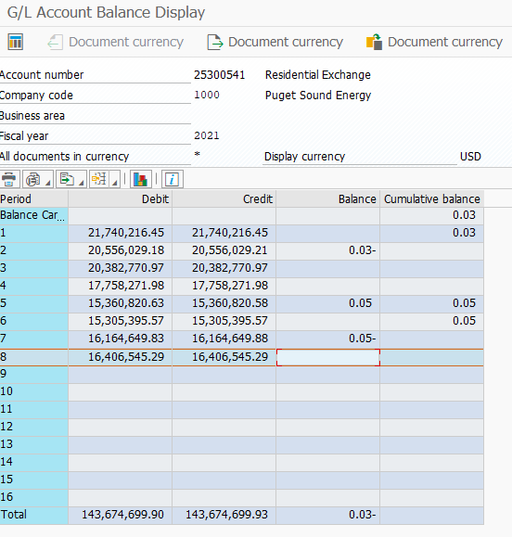
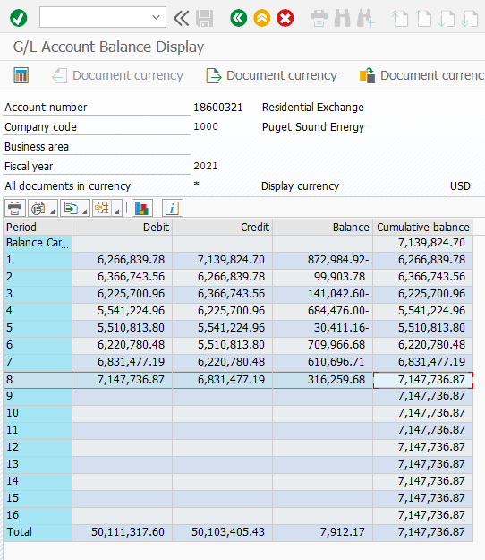
Puget Sound Energy
BPA Residential and Farm Energy Exchange Benefits
Forecast Account 18600321 (25300541) Balance
2021-08-31

 |  | Account 18600321/(25300541)
Line No. | Month | Balance
(A) | (B) | (C) = (I + N)

1 | Account 18600321 Balance | $7,147,736.87
2 | Account 25300541 Balance | $-
3 | TOTAL Balance @ 8-31-21 | $7,147,737
4
5 | Divide by 2 (number of years to recover in rates) | $3,573,868

