Manual Clearing
ZO12 Orders: Actual 12 Month Ended
 |  |  |  |  |  |  |  |  |  |  |  |  |  |  | 41710062 | 1412 - Incentive Clearing - Common
 | Total Test Year Incentive Manual Clearing |  |  |  |  |  |  |  |  |  |  |  |  |  | 54600140 | 9800 - Incentive Clearing - Electric
 |  |  |  |  |  |  |  |  |  |  |  |  |  |  | 56000140 | 9800 - Incentive Clearing - Electric
 |  |  |  |  |  |  |  |  |  |  |  |  |  |  | 58000140 | 9800 - Incentive Clearing - Electric
 | New Orders Beginning Jan 2017 |  |  |  |  |  |  |  |  |  |  |  |  |  | 88000140 | 9800 - Incentive Clearing - Gas
 | Orders | 12 Months | Dec-18 | Nov-18 | Oct-18 | Sep-18 | Aug-18 | Jul-18 | Jun-18 | May-18 | Apr-18 | Mar-18 | Feb-18 | Jan-18 | 92006494 | 9800 - Incentive Clearing - Common
 | 41710062 1412 - Incentive Clearing - Common | (10,017) | (7,300) | 986 | 7,546 | (4,216) | (3,432) | (6,455) | 257 | 1,513 | 1,133 | (50) | - | -
 | 54600140 9800 - Incentive Clearing - Electric | (179,699) | (125,229) | 16,873 | 131,269 | (75,146) | (61,492) | (115,397) | 4,556 | 26,806 | 19,454 | (1,394) | - | -
 | 56000140 9800 - Incentive Clearing - Electric | (52,218) | (40,165) | 5,531 | 42,501 | (23,534) | (19,050) | (36,219) | 1,458 | 8,884 | 6,603 | 1,774 | - | -
 | 58000140 9800 - Incentive Clearing - Electric | (128,545) | (98,774) | 16,493 | 127,099 | (70,954) | (58,863) | (112,590) | 4,465 | 27,647 | 21,022 | 15,912 | - | -
 | 88000140 9800 - Incentive Clearing - Gas | (175,841) | (131,586) | 17,548 | 135,661 | (75,813) | (62,593) | (117,736) | 4,695 | 29,056 | 21,839 | 3,087 | - | -
 | 92006494 9800 - Incentive Clearing - Common | (425,433) | (291,756) | 38,995 | 303,459 | (171,091) | (140,741) | (268,459) | 10,662 | 60,960 | 47,622 | (15,082) | - | -
 | Debit | (971,752.80) | (694,810.24) | 96,424.74 | 747,534.15 | (420,755.10) | (346,170.54) | (656,855) | 26,093 | 154,865 | 117,673 | 4,248 | - | -

 | Total 12ME June 2017 | (971,752.80) | (694,810.24) | 96,424.74 | 747,534.15 | (420,755.10) | (346,170.54) | (656,855.43) | 26,093.03 | 154,865.13 | 117,673.15 | 4,248.31 | - | -

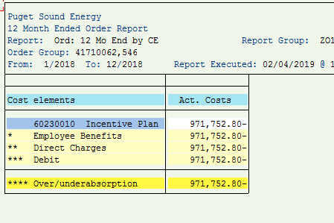
 |  | Test Year Utilities Incentives Manual Clearing
 |  |  |  |  | Allocation of Common
 |  | Total | Less | Use in | Electric | Gas | Total
 |  |  | Non-Utility | Adjustment | 69.14% | 30.86%
 | Electric | (360,462) |  | (360,462) | (294,144) |  | (654,606)
 | Gas | (175,841) |  | (175,841) |  | (131,289) | (307,130)
 | Common | (425,433) |  | (425,433) | 294,144 | 131,289 | -
 | Total Utility | (961,735) | - | (961,735) | - | - | (961,735)
 | Add Non-Utility, 41710062 - Common | (10,017) | 10,017 | - |  |  | -
 | Total Utility plus non Utility | (971,753) | 10,017 | (961,735) | - | - | (961,735)

 | From the Incentive Pay Overhead Analysis report | (971,753)
 | The difference | - | <==before correction:

