191 Accounts
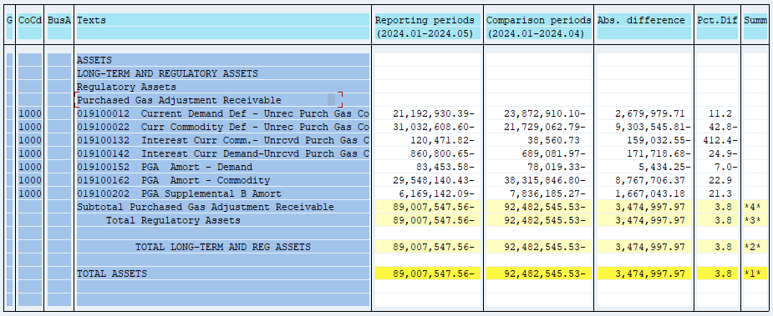
PUGET SOUND ENERGY
PGA 191 Account Balances
May
2024

 |  | Acct No. | May-24

Surcharge/Refund Amortization Accounts:
PGA Refund/Surcharge Amortization (Demand) |  | 19100152
 | Beginning |  | $(78,019.33)
 | Transfer Deferral Amounts to Surcharge/Refund Account
 | Surcharge/Refund Amortization |  | 3,596.00
 | Migration Credit
 | Interest |  | (9,030.25)
 | Total Month |  | (5,434.25)
 | Ending |  | $(83,453.58)

PGA Refund/Surcharge Amortization (Commodity) - 106 |  | 19100162
 | Beginning |  | $(38,315,846.80)
 | Transfer Deferral Amounts to Surcharge/Refund Account
 | Surcharge/Refund Amortization |  | 8,958,497.00
 | Migration Credit
 | Interest |  | (190,790.63)
 | Total Month |  | 8,767,706.37
 | Ending |  | $(29,548,140.43)

PGA Supplemental Amortization (Demand) - 106B |  | 19100202
 | Beginning |  | $(7,836,185.27)
 | Transfer Deferral Amounts to Surcharge/Refund Account
 | Surcharge/Refund Amortization |  | 1,754,636.00
 | Migration Credit
 | Interest |  | (87,592.82)
 | Total Month |  | 1,667,043.18
 | Ending |  | $(6,169,142.09)

NWP Refund for Gas (Demand) |  | 19100212
 | Beginning |  | $-
 | Rcrd Northwest Pipeline Refund Alloc to Gas Book
 | Reclass to PLNG
 | Transfer Deferral Amounts to Surcharge/Refund Account |  | $-
 | Surcharge/Refund Amortization
 | Interest
 | Total Month |  | -
 | Ending |  | $-

Current Demand Deferral |  | 19100012
 | Beginning |  | $(23,872,910.10)
 | Transfer Deferral Amounts to Surcharge/Refund Account
 | Deferral |  | 2,679,979.71
 | Total Month |  | 2,679,979.71
 | Ending |  | $(21,192,930.39)

Current Commodity Deferral |  | 19100022
 | Beginning |  | $(21,729,062.79)
 | Transfer Deferral Amounts to Surcharge/Refund Account
 | PGA Deferral Commd Vlntr RNG CR Tru-up 12/21-05/22
 | Deferral |  | (9,303,545.81)
 | Total Month |  | (9,303,545.81)
 | Ending |  | $(31,032,608.60)

Interest on Demand Deferral |  | 19100142
 | Beginning |  | $(689,081.97)
 | Transfer Interest Amounts to Surcharge/Refund Account
 | Interest |  | (171,718.68)
 | Total Month |  | (171,718.68)
 | Ending |  | $(860,800.65)

Interest on Commodity Deferral |  | 19100132
 | Beginning |  | $38,560.73
 | Transfer Interest Amounts to Surcharge/Refund Account
 | Interest |  | (159,032.55)
 | Total Month |  | (159,032.55)
 | Ending |  | $(120,471.82)

Total 191
 | Beginning |  | $(92,482,545.53)
 | Total Month |  | 3,474,997.97
 | Ending |  | $(89,007,547.56)
Less: Acct. being Amortized |  |  | (35,800,736.10)
Current Period Under/(Over) Recovered |  |  | $(53,206,811.46)

