Exh. SEF-4 p 2 Fixed Costs
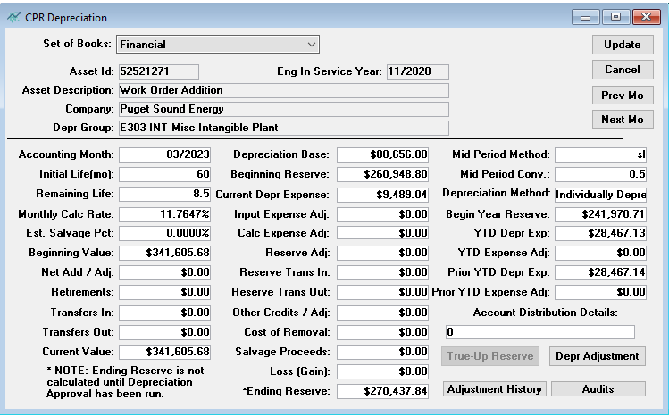
Reporting for the Treatment of the Schedule 139, Voluntary Long Term Renewable
Energy Purchase Rider (“Green Direct Program”)
2022 Fixed Costs

 | Employee Labor | $19,449.01
 | Depreciation | $113,868

 | Labor
 | Work Order | WBS | Description | Jan-21 | Feb-21 | Mar-21 | Apr-21 | May-21 | Jun-21 | Jul-21 | Aug-21 | Sep-21 | Oct-21 | Nov-21 | Dec-21 | Totals
 | 92001233 | C.99999.03.37.01 | Admin | $0.00 | $0.00 | $3,322.13 | $6,090.51 | $4,983.15 | $5,536.83 | $0.00 | -$8,443.61 | $0.00 | $0.00 | $0.00 | $0.00 | $11,489.01
 | 92301153 | C.99999.03.37.01 | Outside Services | $0.00 | $0.00 | $7,960.00 | $0.00 | $0.00 | $0.00 | $0.00 | $0.00 | $0.00 | $0.00 | $0.00 | $0.00 | $7,960.00
 |  |  |  |  |  |  |  |  |  |  |  |  |  |  |  | $19,449.01

 | Depreciation | $9,489 | $113,868

Exh. SEF-4 p 3 Liq Damages
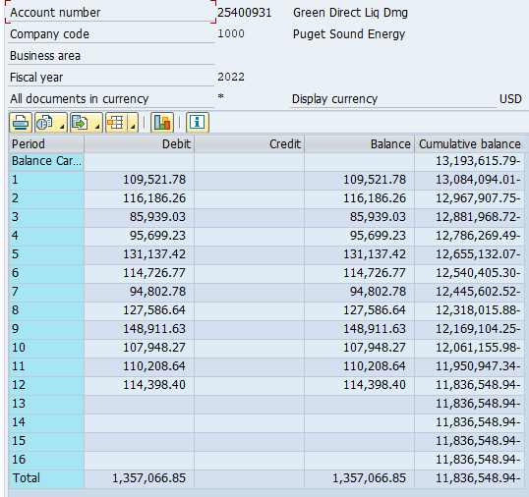
Reporting for the Treatment of the Schedule 139, Voluntary Long Term Renewable Energy Purchase Rider (“Green Direct Program”)
2022 Liquidated Damages Activity

 | Period | Beginning Balance | Liquidated Damages Additons | Liquidated Damages Usage | Ending Balance
 | Balance |  |  |  | (13,193,615.79)
 | January | 109,522 |  | 109,522 | (13,084,094.01)
 | February | 116,186 |  | 116,186 | (12,967,907.75)
 | March | 85,939 |  | 85,939 | (12,881,968.72)
 | April | 95,699 |  | 95,699 | (12,786,269.49)
 | May | 131,137 |  | 131,137 | (12,655,132.07)
 | June | 114,727 |  | 114,727 | (12,540,405.30)
 | July | 94,803 |  | 94,803 | (12,445,602.52)
 | August | 127,587 |  | 127,587 | (12,318,015.88)
 | September | 148,912 |  | 148,912 | (12,169,104.25)
 | October | 107,948 |  | 107,948 | (12,061,155.98)
 | November | 110,209 |  | 110,209 | (11,950,947.34)
 | December | 114,398 |  | 114,398 | (11,836,548.94)

