191
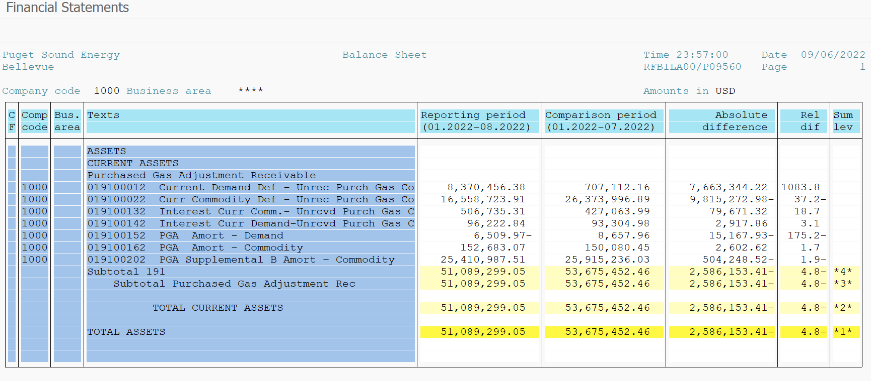
PUGET SOUND ENERGY
PGA 191 Account Balances
August
2022

 |  | Acct No. | Aug-22

Surcharge/Refund Amortization Accounts:
PGA Refund/Surcharge Amortization (Demand) |  | 19100152
 | Beginning |  | $8,657.96
 | Transfer Deferral Amounts to Surcharge/Refund Account
 | Surcharge/Refund Amortization |  | (10,589.00)
 | Migration Credit |  | (527.22)
 | Interest |  | (4,051.71)
 | Total Month |  | (15,167.93)
 | Ending |  | $(6,509.97)

PGA Refund/Surcharge Amortization (Commodity) - 106 |  | 19100162
 | Beginning |  | $150,080.45
 | Transfer Deferral Amounts to Surcharge/Refund Account
 | Surcharge/Refund Amortization |  | (16,110.00)
 | Migration Credit |  | 5,691.75
 | Interest |  | 13,020.87
 | Total Month |  | 2,602.62
 | Ending |  | $152,683.07

PGA Supplemental Amortization (Commodity) - 106A |  | 19100192
 | Beginning |  | $-
 | Transfer Deferral Amounts to Surcharge/Refund Account |  | -
 | Surcharge/Refund Amortization |  | -
 | Migration Credit |  | -
 | Interest |  | -
 | Total Month |  | -
 | Ending |  | $-

PGA Supplemental Amortization (Commodity) - 106B |  | 19100202
 | Beginning |  | $25,915,236.03
 | Transfer Deferral Amounts to Surcharge/Refund Account
 | Surcharge/Refund Amortization |  | (564,300.00)
 | Migration Credit
 | Interest |  | 60,051.48
 | Total Month |  | (504,248.52)
 | Ending |  | $25,410,987.51

Current Demand Deferral |  | 19100012
 | Beginning |  | $707,112.16
 | Transfer Deferral Amounts to Surcharge/Refund Account
 | Deferral |  | 7,663,344.22
 | Total Month |  | 7,663,344.22
 | Ending |  | $8,370,456.38

Current Commodity Deferral |  | 19100022
 | Beginning |  | $26,373,996.89
 | Transfer Deferral Amounts to Surcharge/Refund Account
 | PGA Deferral Commd Vlntr RNG CR Tru-up 12/21-05/22
 | Deferral |  | (9,815,272.98)
 | Total Month |  | (9,815,272.98)
 | Ending |  | $16,558,723.91

Interest on Demand Deferral |  | 19100142
 | Beginning |  | $93,304.98
 | Transfer Interest Amounts to Surcharge/Refund Account
 | Interest |  | 2,917.86
 | Total Month |  | 2,917.86
 | Ending |  | $96,222.84

Interest on Commodity Deferral |  | 19100132
 | Beginning |  | $427,063.99
 | Transfer Interest Amounts to Surcharge/Refund Account
 | Interest |  | 79,671.32
 | Total Month |  | 79,671.32
 | Ending |  | $506,735.31

Total 191
 | Beginning |  | $53,675,452.46
 | Total Month |  | (2,586,153.41)
 | Ending |  | $51,089,299.05
Less: Acct. being Amortized |  |  | 25,557,160.61
Current Period Under/(Over) Recovered |  |  | $25,532,138.44

