6-2020 PGA Balance
 | Projected
Month | Amortization* | Balance

2020-03-31 |  | $80,470,576
2020-04-30 | $(4,723,617) | 75,746,959
2020-05-31 | (3,018,474) | 72,728,485
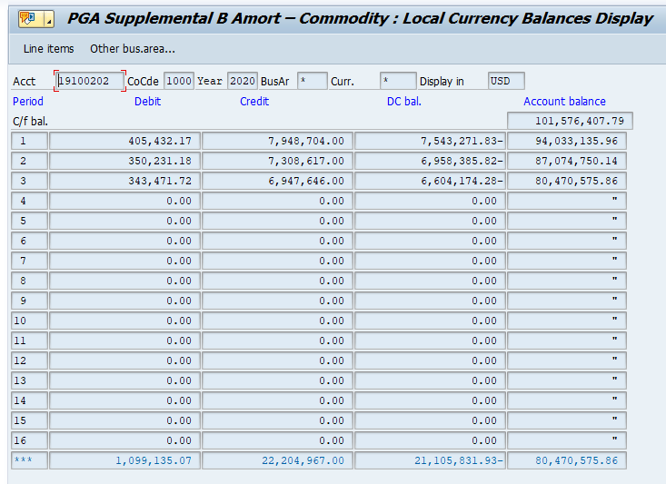
2020-06-30 | (2,128,335) | 70,600,150
2020-07-31 | (1,621,536) | 68,978,614
2020-08-31 | (1,584,860) | 67,393,754
2020-09-30 | (2,054,412) | 65,339,342
2020-10-31 | (4,137,017) | 61,202,325
2020-11-30 | (6,877,469) | 54,324,856
2020-12-31 | (8,817,044) | 45,507,812
2021-01-31 | (8,296,444) | 37,211,368
2021-02-28 | (7,114,274) | 30,097,094
2021-03-31 | (6,436,508) | 23,660,587
2021-04-30 | (4,756,326) | 18,904,260
2021-05-31 | (3,038,094) | 15,866,166
2021-06-30 | (2,141,708) | 13,724,458
2021-07-31 | (1,631,096) | 12,093,361
2021-08-31 | (1,594,252) | 10,499,109
2021-09-30 | (2,067,067) | 8,432,041
2021-10-31 | (4,164,518) | 4,267,523

* Using F20 Beta

