Gas
Puget Sound Energy
GAS ENVIRONMENTAL REMEDIATION
Amortization starts Dec 19, 2017 and ends Dec 2022 (60 months)

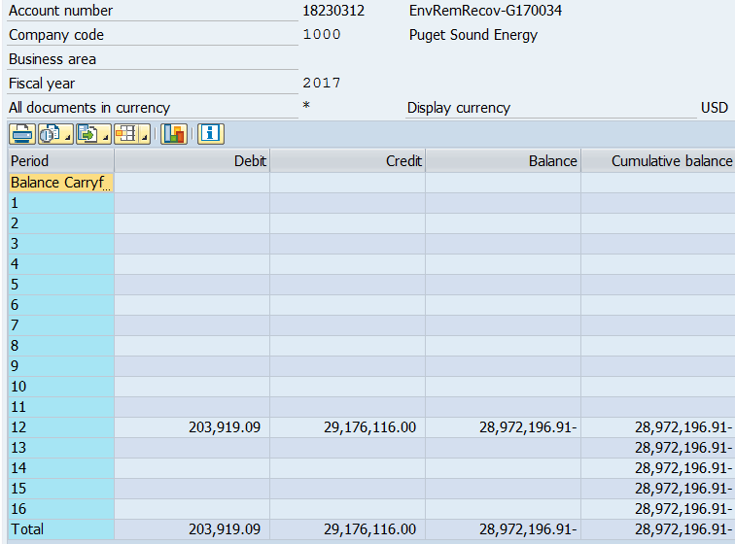
 |  | Ins. Proceeds |  |  | Ins. Proceeds | Accumulated | Balance Net | AMA
Month/Period | Deferred Costs | & 3rd Parties Pymt |  | Deferred Costs | & 3rd Parties Pymt | Amortization | of Accum Amort | Net Balance
 | Balance | Balance | Balance | Amort. beg Dec 19, 2017 | Amort. beg Dec 19, 2017 | prior mo - (d) | (b) + (e) = (f) | (c)
 | #18239042 | #18230312 |  | #18239042 (Order #40730302) | #18230312 (Order #40730303) | = (e)
Beg Bal Sept '16 | $72,192,483 | $(29,176,116) | $43,016,368 | $- | $- | $- | $43,016,368 | $-
Oct-16 | $72,192,483 | $(29,176,116) | $43,016,368 | $- | $- | $- | $43,016,368 | $-
Nov-16 | $72,192,483 | $(29,176,116) | $43,016,368 | $- | $- | $- | $43,016,368 | $-
Dec-16 | $72,192,483 | $(29,176,116) | $43,016,368 | $- | $- | $- | $43,016,368 | $-
Jan-17 | $72,192,483 | $(29,176,116) | $43,016,368 | $- | $- | $- | $43,016,368 | $-
Feb-17 | $72,192,483 | $(29,176,116) | $43,016,368 | $- | $- | $- | $43,016,368 | $-
Mar-17 | $72,192,483 | $(29,176,116) | $43,016,368 | $- | $- | $- | $43,016,368 | $-
Apr-17 | $72,192,483 | $(29,176,116) | $43,016,368 | $- | $- | $- | $43,016,368 | $-
May-17 | $72,192,483 | $(29,176,116) | $43,016,368 | $- | $- | $- | $43,016,368 | $-
Jun-17 | $72,192,483 | $(29,176,116) | $43,016,368 | $- | $- | $- | $43,016,368 | $-
Jul-17 | $72,192,483 | $(29,176,116) | $43,016,368 | $- | $- | $- | $43,016,368 | $-
Aug-17 | $72,192,483 | $(29,176,116) | $43,016,368 | $- | $- | $- | $43,016,368 | $-
Sep-17 | $72,192,483 | $(29,176,116) | $43,016,368 | $- | $- | $- | $43,016,368 | $43,016,368
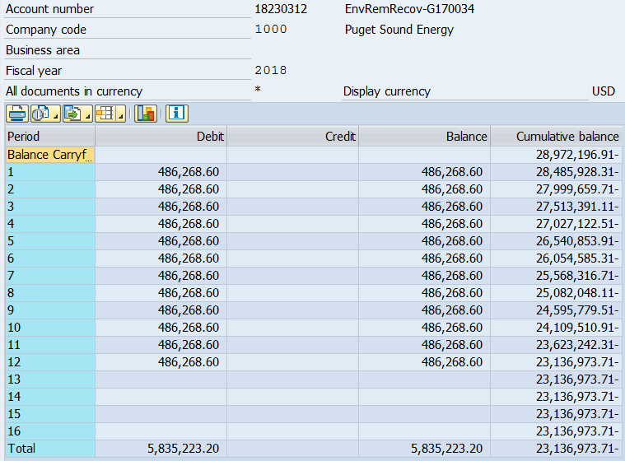
Oct-17 | $72,192,483 | $(29,176,116) | $43,016,368 | $- | $- | $- | $43,016,368 | $43,016,368
Nov-17 | $72,192,483 | $(29,176,116) | $43,016,368 | $- | $- | $- | $43,016,368 | $43,016,368
Dec-17 | $72,192,483 | $(29,176,116) | $43,016,368 | $(504,571) | $203,919 | $300,652 | $42,715,716 | $43,003,840
Jan-18 | $72,192,483 | $(29,176,116) | $43,016,368 | $(1,203,208) | $486,269 | $1,017,591 | $41,998,776 | $42,948,914
Feb-18 | $72,192,483 | $(29,176,116) | $43,016,368 | $(1,203,208) | $486,269 | $1,734,531 | $41,281,837 | $42,834,242
Mar-18 | $72,192,483 | $(29,176,116) | $43,016,368 | $(1,203,208) | $486,269 | $2,451,470 | $40,564,897 | $42,659,825
Apr-18 | $72,192,483 | $(29,176,116) | $43,016,368 | $(1,203,208) | $486,269 | $3,168,410 | $39,847,958 | $42,425,663
May-18 | $72,192,483 | $(29,176,116) | $43,016,368 | $(1,203,208) | $486,269 | $3,885,349 | $39,131,018 | $42,131,757
Jun-18 | $72,192,483 | $(29,176,116) | $43,016,368 | $(1,203,208) | $486,269 | $4,602,289 | $38,414,079 | $41,778,105
Jul-18 | $72,192,483 | $(29,176,116) | $43,016,368 | $(1,203,208) | $486,269 | $5,319,228 | $37,697,139 | $41,364,709
Aug-18 | $72,192,483 | $(29,176,116) | $43,016,368 | $(1,203,208) | $486,269 | $6,036,168 | $36,980,200 | $40,891,567
Sep-18 | $72,192,483 | $(29,176,116) | $43,016,368 | $(1,203,208) | $486,269 | $6,753,107 | $36,263,260 | $40,358,681
Oct-18 | $72,192,483 | $(29,176,116) | $43,016,368 | $(1,203,208) | $486,269 | $7,470,047 | $35,546,321 | $39,766,049
Nov-18 | $72,192,483 | $(29,176,116) | $43,016,368 | $(1,203,208) | $486,269 | $8,186,986 | $34,829,382 | $39,113,673
Dec-18 | $78,886,105 | $(31,585,284) | $47,300,821 | $(1,203,208) | $486,269 | $8,903,926 | $38,396,895 | $38,414,079
Jan-19 | $78,886,105 | $(31,585,284) | $47,300,821 | $(1,203,208) | $486,269 | $9,620,865 | $37,679,956 | $37,697,139
Feb-19 | $78,886,105 | $(31,585,284) | $47,300,821 | $(1,203,208) | $486,269 | $10,337,804 | $36,963,016 | $36,980,200
Mar-19 | $78,886,105 | $(31,585,284) | $47,300,821 | $(1,203,208) | $486,269 | $11,054,744 | $36,246,077 | $36,263,260
Apr-19 | $78,886,105 | $(31,585,284) | $47,300,821 | $(1,203,208) | $486,269 | $11,771,683 | $35,529,138 | $35,546,321
May-19 | $78,886,105 | $(31,585,284) | $47,300,821 | $(1,203,208) | $486,269 | $12,488,623 | $34,812,198 | $34,829,382
Jun-19 | $78,886,105 | $(31,585,284) | $47,300,821 | $(1,203,208) | $486,269 | $13,205,562 | $34,095,259 | $34,112,442
Jul-19 | $78,886,105 | $(31,585,284) | $47,300,821 | $(1,203,208) | $486,269 | $13,922,502 | $33,378,319 | $33,395,503
Aug-19 | $78,886,105 | $(31,585,284) | $47,300,821 | $(1,203,208) | $486,269 | $14,639,441 | $32,661,380 | $32,678,563
Sep-19 | $78,886,105 | $(31,585,284) | $47,300,821 | $(1,203,208) | $486,269 | $15,356,381 | $31,944,440 | $31,961,624
Oct-19 | $78,886,105 | $(31,585,284) | $47,300,821 | $(1,203,208) | $486,269 | $16,073,320 | $31,227,501 | $31,244,684
Nov-19 | $78,886,105 | $(31,585,284) | $47,300,821 | $(1,203,208) | $486,269 | $16,790,260 | $30,510,561 | $30,527,745
Dec-19 | $78,886,105 | $(31,585,284) | $47,300,821 | $(1,203,208) | $486,269 | $17,507,199 | $29,793,622 | $34,095,259
Jan-20 | $78,886,105 | $(31,585,284) | $47,300,821 | $(1,203,208) | $486,269 | $18,224,139 | $29,076,682 | $33,378,319
Feb-20 | $78,886,105 | $(31,585,284) | $47,300,821 | $(1,203,208) | $486,269 | $18,941,078 | $28,359,743 | $32,661,380
Mar-20 | $78,886,105 | $(31,585,284) | $47,300,821 | $(1,203,208) | $486,269 | $19,658,017 | $27,642,804 | $31,944,440
Apr-20 | $78,886,105 | $(31,585,284) | $47,300,821 | $(1,203,208) | $486,269 | $20,374,957 | $26,925,864 | $31,227,501
May-20 | $78,886,105 | $(31,585,284) | $47,300,821 | $(1,314,768) | $526,421 | $21,163,304 | $26,137,517 | $30,507,586
Jun-20 | $78,886,105 | $(31,585,284) | $47,300,821 | $(1,314,768) | $526,421 | $21,951,651 | $25,349,170 | $29,781,721
Jul-20 | $78,886,105 | $(31,585,284) | $47,300,821 | $(1,314,768) | $526,421 | $22,739,998 | $24,560,823 | $29,049,905
Aug-20 | $78,886,105 | $(31,585,284) | $47,300,821 | $(1,314,768) | $526,421 | $23,528,345 | $23,772,476 | $28,312,138
Sep-20 | $78,886,105 | $(31,585,284) | $47,300,821 | $(1,314,768) | $526,421 | $24,316,692 | $22,984,129 | $27,568,421
Oct-20 | $78,886,105 | $(31,585,284) | $47,300,821 | $(1,314,768) | $526,421 | $25,105,039 | $22,195,782 | $26,818,753
Nov-20 | $78,886,105 | $(31,585,284) | $47,300,821 | $(1,314,768) | $526,421 | $25,893,386 | $21,407,435 | $26,063,134
Dec-20 | $78,886,105 | $(31,585,284) | $47,300,821 | $(1,314,768) | $526,421 | $26,681,733 | $20,619,088 | $25,301,565 | $4,730,082
Jan-21 | $78,886,105 | $(31,585,284) | $47,300,821 | $(1,314,768) | $526,421 | $27,470,080 | $19,830,741 | $24,534,045
Feb-21 | $78,886,105 | $(31,585,284) | $47,300,821 | $(1,314,768) | $526,421 | $28,258,427 | $19,042,394 | $23,760,575
Mar-21 | $78,886,105 | $(31,585,284) | $47,300,821 | $(1,314,768) | $526,421 | $29,046,774 | $18,254,047 | $22,981,154
Apr-21 | $78,886,105 | $(31,585,284) | $47,300,821 | $(1,314,768) | $526,421 | $29,835,121 | $17,465,700 | $22,195,782
May-21 | $78,886,105 | $(31,585,284) | $47,300,821 | $(1,314,768) | $526,421 | $30,623,468 | $16,677,353 | $21,407,435
Jun-21 | $78,886,105 | $(31,585,284) | $47,300,821 | $(1,314,768) | $526,421 | $31,411,815 | $15,889,006 | $20,619,088
Jul-21 | $78,886,105 | $(31,585,284) | $47,300,821 | $(1,314,768) | $526,421 | $32,200,162 | $15,100,659 | $19,830,741
Aug-21 | $78,886,105 | $(31,585,284) | $47,300,821 | $(1,314,768) | $526,421 | $32,988,509 | $14,312,312 | $19,042,394
Sep-21 | $78,886,105 | $(31,585,284) | $47,300,821 | $(1,314,768) | $526,421 | $33,776,856 | $13,523,965 | $18,254,047
Oct-21 | $78,886,105 | $(31,585,284) | $47,300,821 | $(1,314,768) | $526,421 | $34,565,203 | $12,735,618 | $17,465,700
Nov-21 | $78,886,105 | $(31,585,284) | $47,300,821 | $(1,314,768) | $526,421 | $35,353,550 | $11,947,271 | $16,677,353
Dec-21 | $78,886,105 | $(31,585,284) | $47,300,821 | $(1,314,768) | $526,421 | $36,141,897 | $11,158,924 | $15,889,006 | $9,460,164
Jan-22 | $78,886,105 | $(31,585,284) | $47,300,821 | $(1,314,768) | $526,421 | $36,930,244 | $10,370,577 | $15,100,659
Feb-22 | $78,886,105 | $(31,585,284) | $47,300,821 | $(1,314,768) | $526,421 | $37,718,591 | $9,582,230 | $14,312,312
Mar-22 | $78,886,105 | $(31,585,284) | $47,300,821 | $(1,314,768) | $526,421 | $38,506,938 | $8,793,883 | $13,523,965
Apr-22 | $78,886,105 | $(31,585,284) | $47,300,821 | $(1,314,768) | $526,421 | $39,295,285 | $8,005,536 | $12,735,618
May-22 | $78,886,105 | $(31,585,284) | $47,300,821 | $(1,314,768) | $526,421 | $40,083,632 | $7,217,189 | $11,947,271
Jun-22 | $78,886,105 | $(31,585,284) | $47,300,821 | $(1,314,768) | $526,421 | $40,871,979 | $6,428,842 | $11,158,924
Jul-22 | $78,886,105 | $(31,585,284) | $47,300,821 | $(1,314,768) | $526,421 | $41,660,326 | $5,640,495 | $10,370,577
Aug-22 | $78,886,105 | $(31,585,284) | $47,300,821 | $(1,314,768) | $526,421 | $42,448,673 | $4,852,148 | $9,582,230
Sep-22 | $78,886,105 | $(31,585,284) | $47,300,821 | $(1,314,768) | $526,421 | $43,237,020 | $4,063,801 | $8,793,883
Oct-22 | $78,886,105 | $(31,585,284) | $47,300,821 | $(1,314,768) | $526,421 | $44,025,367 | $3,275,454 | $8,005,536
Nov-22 | $78,886,105 | $(31,585,284) | $47,300,821 | $(1,314,768) | $526,421 | $44,813,714 | $2,487,107 | $7,217,189
Dec-22 | $78,886,105 | $(31,585,284) | $47,300,821 | $(810,197) | $322,502 | $45,301,409 | $1,999,412 | $6,441,369 | $9,159,512
Jan-23 | $6,693,622 | $(2,409,168) | $4,284,453 | $(111,560) | $40,153 | $2,356,449 | $1,928,004 | $2,356,449
Feb-23 | $6,693,622 | $(2,409,168) | $4,284,453 | $(111,560) | $40,153 | $2,427,857 | $1,856,596 | $2,285,042
Mar-23 | $6,693,622 | $(2,409,168) | $4,284,453 | $(111,560) | $40,153 | $2,499,264 | $1,785,189 | $2,213,634
Apr-23 | $6,693,622 | $(2,409,168) | $4,284,453 | $(111,560) | $40,153 | $2,570,672 | $1,713,781 | $2,142,227
May-23 | $6,693,622 | $(2,409,168) | $4,284,453 | $(111,560) | $40,153 | $2,642,080 | $1,642,374 | $2,070,819
Jun-23 | $6,693,622 | $(2,409,168) | $4,284,453 | $(111,560) | $40,153 | $2,713,487 | $1,570,966 | $1,999,412
Jul-23 | $6,693,622 | $(2,409,168) | $4,284,453 | $(111,560) | $40,153 | $2,784,895 | $1,499,559 | $1,928,004
Aug-23 | $6,693,622 | $(2,409,168) | $4,284,453 | $(111,560) | $40,153 | $2,856,302 | $1,428,151 | $1,856,596
Sep-23 | $6,693,622 | $(2,409,168) | $4,284,453 | $(111,560) | $40,153 | $2,927,710 | $1,356,744 | $1,785,189
Oct-23 | $6,693,622 | $(2,409,168) | $4,284,453 | $(111,560) | $40,153 | $2,999,117 | $1,285,336 | $1,713,781
Nov-23 | $6,693,622 | $(2,409,168) | $4,284,453 | $(111,560) | $40,153 | $3,070,525 | $1,213,928 | $1,642,374
Dec-23 | $6,693,622 | $(2,409,168) | $4,284,453 | $(111,560) | $40,153 | $3,141,932 | $1,142,521 | $1,570,966 | $856,891
Jan-24 | $6,693,622 | $(2,409,168) | $4,284,453 | $(111,560) | $40,153 | $3,213,340 | $1,071,113 | $1,499,559
Feb-24 | $6,693,622 | $(2,409,168) | $4,284,453 | $(111,560) | $40,153 | $3,284,748 | $999,706 | $1,428,151
Mar-24 | $6,693,622 | $(2,409,168) | $4,284,453 | $(111,560) | $40,153 | $3,356,155 | $928,298 | $1,356,744
Apr-24 | $6,693,622 | $(2,409,168) | $4,284,453 | $(111,560) | $40,153 | $3,427,563 | $856,891 | $1,285,336
May-24 | $6,693,622 | $(2,409,168) | $4,284,453 | $(111,560) | $40,153 | $3,498,970 | $785,483 | $1,213,928
Jun-24 | $6,693,622 | $(2,409,168) | $4,284,453 | $(111,560) | $40,153 | $3,570,378 | $714,076 | $1,142,521
Jul-24 | $6,693,622 | $(2,409,168) | $4,284,453 | $(111,560) | $40,153 | $3,641,785 | $642,668 | $1,071,113
Aug-24 | $6,693,622 | $(2,409,168) | $4,284,453 | $(111,560) | $40,153 | $3,713,193 | $571,260 | $999,706
Sep-24 | $6,693,622 | $(2,409,168) | $4,284,453 | $(111,560) | $40,153 | $3,784,600 | $499,853 | $928,298
Oct-24 | $6,693,622 | $(2,409,168) | $4,284,453 | $(111,560) | $40,153 | $3,856,008 | $428,445 | $856,891
Nov-24 | $6,693,622 | $(2,409,168) | $4,284,453 | $(111,560) | $40,153 | $3,927,416 | $357,038 | $785,483
Dec-24 | $6,693,622 | $(2,409,168) | $4,284,453 | $(111,560) | $40,153 | $3,998,823 | $285,630 | $714,076 | $856,891
Jan-25 | $6,693,622 | $(2,409,168) | $4,284,453 | $(111,560) | $40,153 | $4,070,231 | $214,223 | $642,668
Feb-25 | $6,693,622 | $(2,409,168) | $4,284,453 | $(111,560) | $40,153 | $4,141,638 | $142,815 | $571,260
Mar-25 | $6,693,622 | $(2,409,168) | $4,284,453 | $(111,560) | $40,153 | $4,213,046 | $71,408 | $499,853
Apr-25 | $6,693,622 | $(2,409,168) | $4,284,453 | $(111,560) | $40,153 | $4,284,453 | $- | $428,445
May-25
Jun-25
Jul-25
Aug-25
Sep-25
Oct-25
Nov-25
Dec-25 |  |  |  |  |  |  |  |  | $285,630

2017 GRC Gas Amort Sch
Puget Sound Energy
GAS ENVIRONMENTAL REMEDIATION
Amortization starts Dec 19, 2017 and ends Dec 2022 (60 months)
Per Approved in 2017GRC (Docket UE-170033 & UG-170034)
 |  |  |  | Per 2017 GRC | Per 2017 GRC
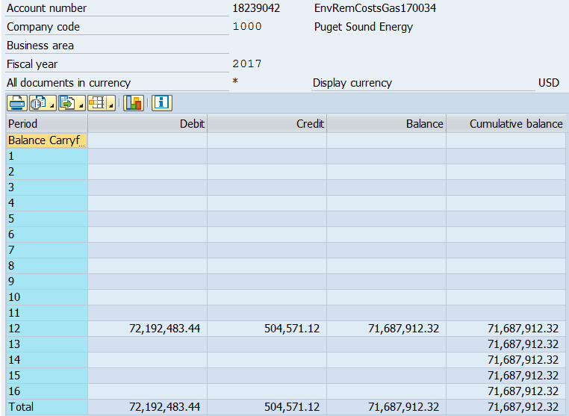
 |  | Ins. Proceeds |  |  | Ins. Proceeds | Accumulated | Balance Net | AMA
Month/Period | Deferred Costs | & 3rd Parties Pymt |  | Deferred Costs | & 3rd Parties Pymt | Amortization | of Accum Amort | Net Balance
 | Balance | Balance | Balance | Amort. beg Dec 19, 2017 | Amort. beg Dec 19, 2017 | prior mo - (d) | (b) + (e) = (f) | (c)
 | #18239042 | #18230312 |  | #18239042 (Order #40730302) | #18230312 (Order #40730303) | = (e)
Beg Bal Sept '16 | 72,192,483 | (29,176,116) | 43,016,368 |  |  |  | 43,016,368
Oct-16 | 72,192,483 | (29,176,116) | 43,016,368 |  |  | - | 43,016,368
Nov-16 | 72,192,483 | (29,176,116) | 43,016,368 |  |  | - | 43,016,368
Dec-16 | 72,192,483 | (29,176,116) | 43,016,368 |  |  | - | 43,016,368
Jan-17 | 72,192,483 | (29,176,116) | 43,016,368 |  |  | - | 43,016,368
Feb-17 | 72,192,483 | (29,176,116) | 43,016,368 |  |  | - | 43,016,368
Mar-17 | 72,192,483 | (29,176,116) | 43,016,368 |  |  | - | 43,016,368
Apr-17 | 72,192,483 | (29,176,116) | 43,016,368 |  |  | - | 43,016,368
May-17 | 72,192,483 | (29,176,116) | 43,016,368 |  |  | - | 43,016,368
Jun-17 | 72,192,483 | (29,176,116) | 43,016,368 |  |  | - | 43,016,368
Jul-17 | 72,192,483 | (29,176,116) | 43,016,368 |  |  | - | 43,016,368
Aug-17 | 72,192,483 | (29,176,116) | 43,016,368 |  |  | - | 43,016,368
Sep-17 | 72,192,483 | (29,176,116) | 43,016,368 |  |  | - | 43,016,368 | 43,016,368
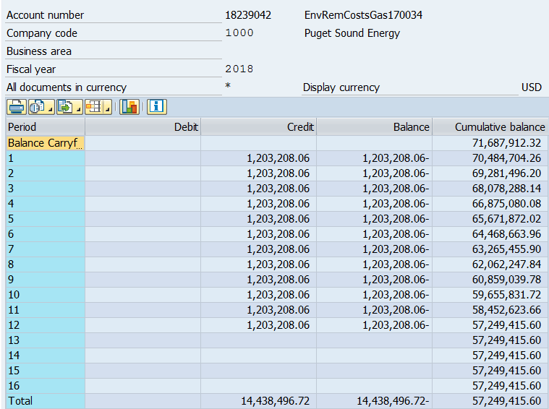
Oct-17 | 72,192,483 | (29,176,116) | 43,016,368 |  |  | - | 43,016,368 | 43,016,368
Nov-17 | 72,192,483 | (29,176,116) | 43,016,368 |  |  | - | 43,016,368 | 43,016,368
Dec-17 | 72,192,483 | (29,176,116) | 43,016,368 | (504,571) | 203,919 | 300,652 | 42,715,716 | 43,003,840
Jan-18 | 72,192,483 | (29,176,116) | 43,016,368 | (1,203,208) | 486,269 | 1,017,591 | 41,998,776 | 42,948,914
Feb-18 | 72,192,483 | (29,176,116) | 43,016,368 | (1,203,208) | 486,269 | 1,734,531 | 41,281,837 | 42,834,242
Mar-18 | 72,192,483 | (29,176,116) | 43,016,368 | (1,203,208) | 486,269 | 2,451,470 | 40,564,897 | 42,659,825
Apr-18 | 72,192,483 | (29,176,116) | 43,016,368 | (1,203,208) | 486,269 | 3,168,410 | 39,847,958 | 42,425,663
May-18 | 72,192,483 | (29,176,116) | 43,016,368 | (1,203,208) | 486,269 | 3,885,349 | 39,131,018 | 42,131,757
Jun-18 | 72,192,483 | (29,176,116) | 43,016,368 | (1,203,208) | 486,269 | 4,602,289 | 38,414,079 | 41,778,105
Jul-18 | 72,192,483 | (29,176,116) | 43,016,368 | (1,203,208) | 486,269 | 5,319,228 | 37,697,139 | 41,364,709
Aug-18 | 72,192,483 | (29,176,116) | 43,016,368 | (1,203,208) | 486,269 | 6,036,168 | 36,980,200 | 40,891,567
Sep-18 | 72,192,483 | (29,176,116) | 43,016,368 | (1,203,208) | 486,269 | 6,753,107 | 36,263,260 | 40,358,681
Oct-18 | 72,192,483 | (29,176,116) | 43,016,368 | (1,203,208) | 486,269 | 7,470,047 | 35,546,321 | 39,766,049
Nov-18 | 72,192,483 | (29,176,116) | 43,016,368 | (1,203,208) | 486,269 | 8,186,986 | 34,829,382 | 39,113,673
Dec-18 | 72,192,483 | (29,176,116) | 43,016,368 | (1,203,208) | 486,269 | 8,903,926 | 34,112,442 | 38,414,079
Jan-19 | 72,192,483 | (29,176,116) | 43,016,368 | (1,203,208) | 486,269 | 9,620,865 | 33,395,503 | 37,697,139
Feb-19 | 72,192,483 | (29,176,116) | 43,016,368 | (1,203,208) | 486,269 | 10,337,804 | 32,678,563 | 36,980,200
Mar-19 | 72,192,483 | (29,176,116) | 43,016,368 | (1,203,208) | 486,269 | 11,054,744 | 31,961,624 | 36,263,260
Apr-19 | 72,192,483 | (29,176,116) | 43,016,368 | (1,203,208) | 486,269 | 11,771,683 | 31,244,684 | 35,546,321
May-19 | 72,192,483 | (29,176,116) | 43,016,368 | (1,203,208) | 486,269 | 12,488,623 | 30,527,745 | 34,829,382
Jun-19 | 72,192,483 | (29,176,116) | 43,016,368 | (1,203,208) | 486,269 | 13,205,562 | 29,810,805 | 34,112,442
Jul-19 | 72,192,483 | (29,176,116) | 43,016,368 | (1,203,208) | 486,269 | 13,922,502 | 29,093,866 | 33,395,503
Aug-19 | 72,192,483 | (29,176,116) | 43,016,368 | (1,203,208) | 486,269 | 14,639,441 | 28,376,926 | 32,678,563
Sep-19 | 72,192,483 | (29,176,116) | 43,016,368 | (1,203,208) | 486,269 | 15,356,381 | 27,659,987 | 31,961,624
Oct-19 | 72,192,483 | (29,176,116) | 43,016,368 | (1,203,208) | 486,269 | 16,073,320 | 26,943,047 | 31,244,684
Nov-19 | 72,192,483 | (29,176,116) | 43,016,368 | (1,203,208) | 486,269 | 16,790,260 | 26,226,108 | 30,527,745
Dec-19 | 72,192,483 | (29,176,116) | 43,016,368 | (1,203,208) | 486,269 | 17,507,199 | 25,509,169 | 29,810,805
Jan-20 | 72,192,483 | (29,176,116) | 43,016,368 | (1,203,208) | 486,269 | 18,224,139 | 24,792,229 | 29,093,866
Feb-20 | 72,192,483 | (29,176,116) | 43,016,368 | (1,203,208) | 486,269 | 18,941,078 | 24,075,290 | 28,376,926
Mar-20 | 72,192,483 | (29,176,116) | 43,016,368 | (1,203,208) | 486,269 | 19,658,017 | 23,358,350 | 27,659,987
Apr-20 | 72,192,483 | (29,176,116) | 43,016,368 | (1,203,208) | 486,269 | 20,374,957 | 22,641,411 | 26,943,047
May-20 | 72,192,483 | (29,176,116) | 43,016,368 | (1,203,208) | 486,269 | 21,091,896 | 21,924,471 | 26,226,108
Jun-20 | 72,192,483 | (29,176,116) | 43,016,368 | (1,203,208) | 486,269 | 21,808,836 | 21,207,532 | 25,509,169
Jul-20 | 72,192,483 | (29,176,116) | 43,016,368 | (1,203,208) | 486,269 | 22,525,775 | 20,490,592 | 24,792,229
Aug-20 | 72,192,483 | (29,176,116) | 43,016,368 | (1,203,208) | 486,269 | 23,242,715 | 19,773,653 | 24,075,290
Sep-20 | 72,192,483 | (29,176,116) | 43,016,368 | (1,203,208) | 486,269 | 23,959,654 | 19,056,713 | 23,358,350
Oct-20 | 72,192,483 | (29,176,116) | 43,016,368 | (1,203,208) | 486,269 | 24,676,594 | 18,339,774 | 22,641,411
Nov-20 | 72,192,483 | (29,176,116) | 43,016,368 | (1,203,208) | 486,269 | 25,393,533 | 17,622,834 | 21,924,471
Dec-20 | 72,192,483 | (29,176,116) | 43,016,368 | (1,203,208) | 486,269 | 26,110,473 | 16,905,895 | 21,207,532
Jan-21 | 72,192,483 | (29,176,116) | 43,016,368 | (1,203,208) | 486,269 | 26,827,412 | 16,188,956 | 20,490,592
Feb-21 | 72,192,483 | (29,176,116) | 43,016,368 | (1,203,208) | 486,269 | 27,544,352 | 15,472,016 | 19,773,653
Mar-21 | 72,192,483 | (29,176,116) | 43,016,368 | (1,203,208) | 486,269 | 28,261,291 | 14,755,077 | 19,056,713
Apr-21 | 72,192,483 | (29,176,116) | 43,016,368 | (1,203,208) | 486,269 | 28,978,230 | 14,038,137 | 18,339,774
May-21 | 72,192,483 | (29,176,116) | 43,016,368 | (1,203,208) | 486,269 | 29,695,170 | 13,321,198 | 17,622,834
Jun-21 | 72,192,483 | (29,176,116) | 43,016,368 | (1,203,208) | 486,269 | 30,412,109 | 12,604,258 | 16,905,895
Jul-21 | 72,192,483 | (29,176,116) | 43,016,368 | (1,203,208) | 486,269 | 31,129,049 | 11,887,319 | 16,188,956
Aug-21 | 72,192,483 | (29,176,116) | 43,016,368 | (1,203,208) | 486,269 | 31,845,988 | 11,170,379 | 15,472,016
Sep-21 | 72,192,483 | (29,176,116) | 43,016,368 | (1,203,208) | 486,269 | 32,562,928 | 10,453,440 | 14,755,077
Oct-21 | 72,192,483 | (29,176,116) | 43,016,368 | (1,203,208) | 486,269 | 33,279,867 | 9,736,500 | 14,038,137
Nov-21 | 72,192,483 | (29,176,116) | 43,016,368 | (1,203,208) | 486,269 | 33,996,807 | 9,019,561 | 13,321,198
Dec-21 | 72,192,483 | (29,176,116) | 43,016,368 | (1,203,208) | 486,269 | 34,713,746 | 8,302,621 | 12,604,258
Jan-22 | 72,192,483 | (29,176,116) | 43,016,368 | (1,203,208) | 486,269 | 35,430,686 | 7,585,682 | 11,887,319
Feb-22 | 72,192,483 | (29,176,116) | 43,016,368 | (1,203,208) | 486,269 | 36,147,625 | 6,868,743 | 11,170,379
Mar-22 | 72,192,483 | (29,176,116) | 43,016,368 | (1,203,208) | 486,269 | 36,864,564 | 6,151,803 | 10,453,440
Apr-22 | 72,192,483 | (29,176,116) | 43,016,368 | (1,203,208) | 486,269 | 37,581,504 | 5,434,864 | 9,736,500
May-22 | 72,192,483 | (29,176,116) | 43,016,368 | (1,203,208) | 486,269 | 38,298,443 | 4,717,924 | 9,019,561
Jun-22 | 72,192,483 | (29,176,116) | 43,016,368 | (1,203,208) | 486,269 | 39,015,383 | 4,000,985 | 8,302,621
Jul-22 | 72,192,483 | (29,176,116) | 43,016,368 | (1,203,208) | 486,269 | 39,732,322 | 3,284,045 | 7,585,682
Aug-22 | 72,192,483 | (29,176,116) | 43,016,368 | (1,203,208) | 486,269 | 40,449,262 | 2,567,106 | 6,868,743
Sep-22 | 72,192,483 | (29,176,116) | 43,016,368 | (1,203,208) | 486,269 | 41,166,201 | 1,850,166 | 6,151,803
Oct-22 | 72,192,483 | (29,176,116) | 43,016,368 | (1,203,208) | 486,269 | 41,883,141 | 1,133,227 | 5,434,864
Nov-22 | 72,192,483 | (29,176,116) | 43,016,368 | (1,203,208) | 486,269 | 42,600,080 | 416,287 | 4,717,924
Dec-22 | 72,192,483 | (29,176,116) | 43,016,368 | (698,637) | 282,350 | 43,016,368 | 0 | 4,013,512

