EMS
Level 3 | Level 3 Description | Level 4 | Level 4 Description | Order | Order Description | Secondary Description | Treatment | Status | Rate | 2019-01-31 | 2019-02-28 | 2019-03-31 | 2019-04-30 | 2019-05-31 | 2019-06-30 | 2019-07-31 | 2019-08-31 | 2019-09-30 | 2019-10-31 | 2019-11-30 | 2019-12-31 | 2019-01-31 | 2019-02-28 | 2019-03-31 | 2019-04-30 | 2019-05-31 | 2019-06-30 | 2019-07-31 | 2019-08-31 | 2019-09-30 | 2019-10-31 | 2019-11-30 | 2019-12-31 | 2019-01-31 | 2019-02-28 | 2019-03-31 | 2019-04-30 | 2019-05-31 | 2019-06-30 | 2019-07-31 | 2019-08-31 | 2019-09-30 | 2019-10-31 | 2019-11-30 | 2019-12-31
F.10015.02.03 | EMS 3.X UPGRADE | F.10015.02.03.01 | EMS 3X Upgrade |  | EMS 3.X UPGRADE SW.CS.3YR-ENHANCEMent |  | Post TY Actual | In Service 2/26/2019 | 33% |  | 8,783,028.51 | 8,954,062.88 | 8,931,676.54 | 9,198,725.98 | 9,082,511.29 | 9,082,511.29 | 9,082,599.28 | 9,082,857.08 | 9,082,279.93 | 9,080,810.73 | 9,080,810.73 |  | 121,986.52 | 246,381.91 | 248,536.29 | 252,187.99 | 254,508.48 | 252,663.80 | 252,665.29 | 252,671.15 | 251,749.56 | 251,198.51 | 250,647.46 |  | (121,986.52) | (368,368.43) | (616,904.72) | (869,092.71) | (1,123,601.19) | (1,376,264.99) | (1,628,930.28) | (1,881,601.43) | (2,133,350.99) | (2,384,549.49) | (2,635,196.95)
F.10015.02.03 | EMS 3.X UPGRADE | F.10015.02.03.01 | EMS 3X Upgrade | 141004007 | EMS 3X Upgrade HW.CE |  | Post TY Actual | In Service 2/26/2019 | 20% |  | 659,229.38 | 675,504.97 | 680,585.32 | 686,429.64 | 686,429.64 | 686,429.64 | 686,429.64 | 686,430.64 | 686,431.64 | 686,431.64 | 686,431.64 |  | 5,493.58 | 11,122.79 | 11,300.75 | 11,391.79 | 11,440.49 | 11,440.49 | 11,440.49 | 11,440.50 | 11,440.49 | 11,440.49 | 11,440.49 |  | (5,493.58) | (16,616.36) | (27,917.12) | (39,308.91) | (50,749.40) | (62,189.90) | (73,630.39) | (85,070.89) | (96,511.39) | (107,951.88) | (119,392.37)
 |  |  |  |  |  |  |  |  |  |  | 9,442,257.89 | 9,629,567.85 | 9,612,261.86 | 9,885,155.62 | 9,768,940.93 | 9,768,940.93 | 9,769,028.92 | 9,769,287.72 | 9,768,711.57 | 9,767,242.37 | 9,767,242.37 |  | 127,480.10 | 257,504.70 | 259,837.04 | 263,579.78 | 265,948.97 | 264,104.29 | 264,105.78 | 264,111.65 | 263,190.05 | 262,639.00 | 262,087.95 |  | (127,480.10) | (384,984.79) | (644,821.84) | (908,401.62) | (1,174,350.59) | (1,438,454.89) | (1,702,560.67) | (1,966,672.32) | (2,229,862.37) | (2,492,501.37) | (2,754,589.32)
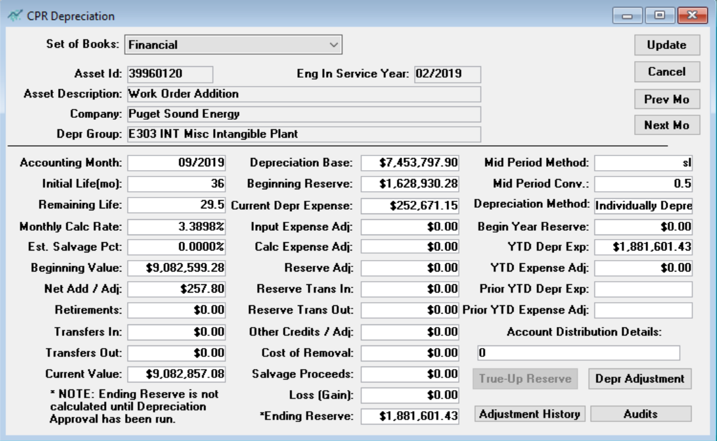

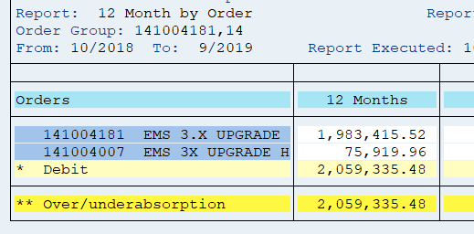
Blended Rate for the project |  |  |  |  |  |  |  |  |  | 141004181 | Provided by PA | Provided by PA | (22,386.34) | 267,049.44 | (116,214.69) | - | 87.99 | 257.80 | (577.15) | (1,469.20) | -
 | Total thru April | Depr.Rate | Annual | Blended Rate |  |  |  |  |  | 141004007 |  |  | 5,080.35 | 5,844.32 | - | - | - | 1.00 | 1.00 | - | -
141004181 | 8,931,676.54 | 33% | 2,977,226
141004007 | 680,585.32 | 20% | 136,117
 | 9,612,261.86 |  | 3,113,343 | 32.39%

 |  |  |  |  |  |  |  |  |  | 7/1/2018 -
 |  |  |  |  |  |  |  |  |  | 2019-06-30 | 2,059,335.48

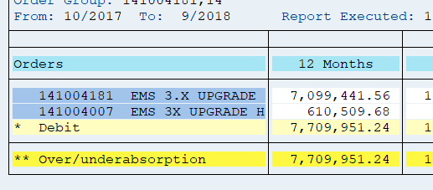

 |  |  |  |  |  |  |  |  |  | through
 |  |  |  |  |  |  |  |  |  | 2018-09-30 | 7,709,951.24

 |  |  |  |  |  |  |  |  |  | Total | 9,769,286.72 |  |  |  |  |  |  |  |  |  |  | 9,768,940.93

