PP Total
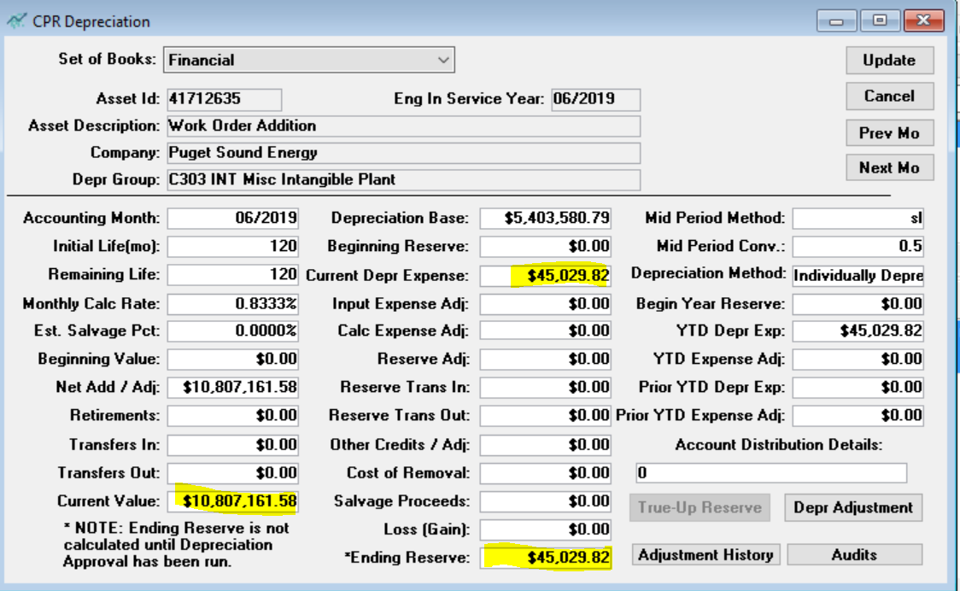
PA Email saved in the support folder | W/O 143003014
 |  | Jun-19 | Jul-19 | Aug-19 | Sep-19 | Oct-19 | Nov-19 | Dec-19
 | Beginning Balance |  | 10,807,161.58 | 10,748,860.96 | 10,876,250.11 | 10,879,238.85 | 10,879,877.89 | 10,850,705.71
 | Additions | 10,807,161.58 | (58,300.62) | 127,389.15 | 2,988.74 | 639.04 | (29,172.18) | 277.43
 | Total Balance | 10,807,161.58 | 10,748,860.96 | 10,876,250.11 | 10,879,238.85 | 10,879,877.89 | 10,850,705.71 | 10,850,983.14

 | Depreciation | 45,029.82 | 89,815.74 | 90,107.27 | 90,662.07 | 90,677.62 | 90,554.12 | 90,427.88
 | A/D | 45,029.82 | 134,845.56 | 224,952.83 | 315,614.90 | 406,292.52 | 496,846.64 | 587,274.52

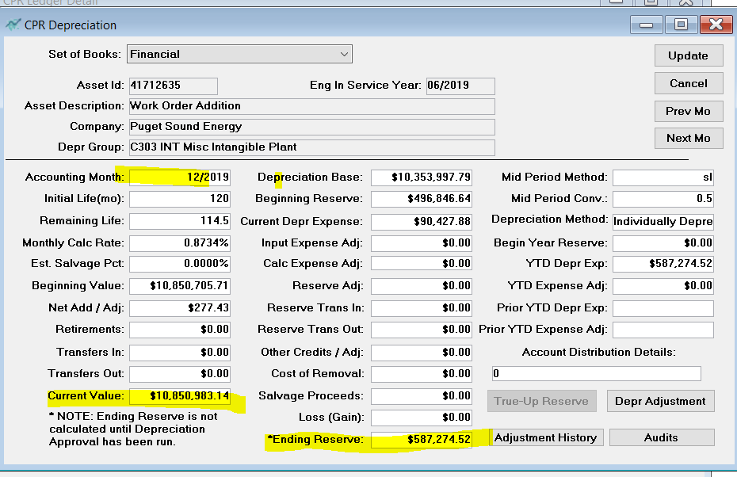
 | 45,029.82

 | 45,029.82
 | 90,059.64

PP Sept
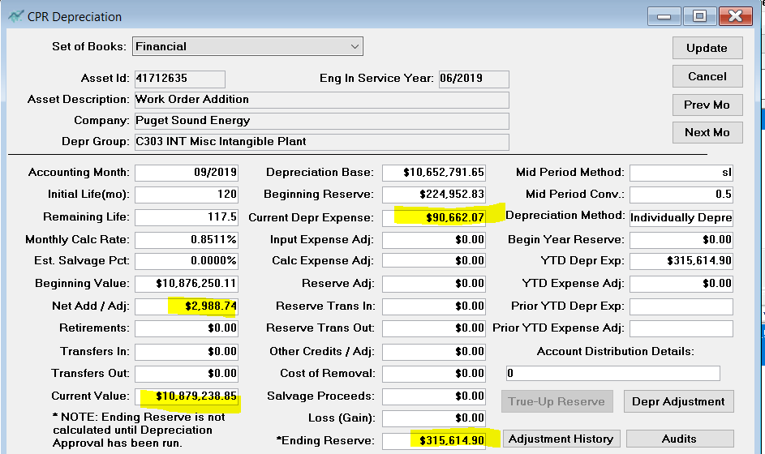

90,662.07

2,988.74

PP July
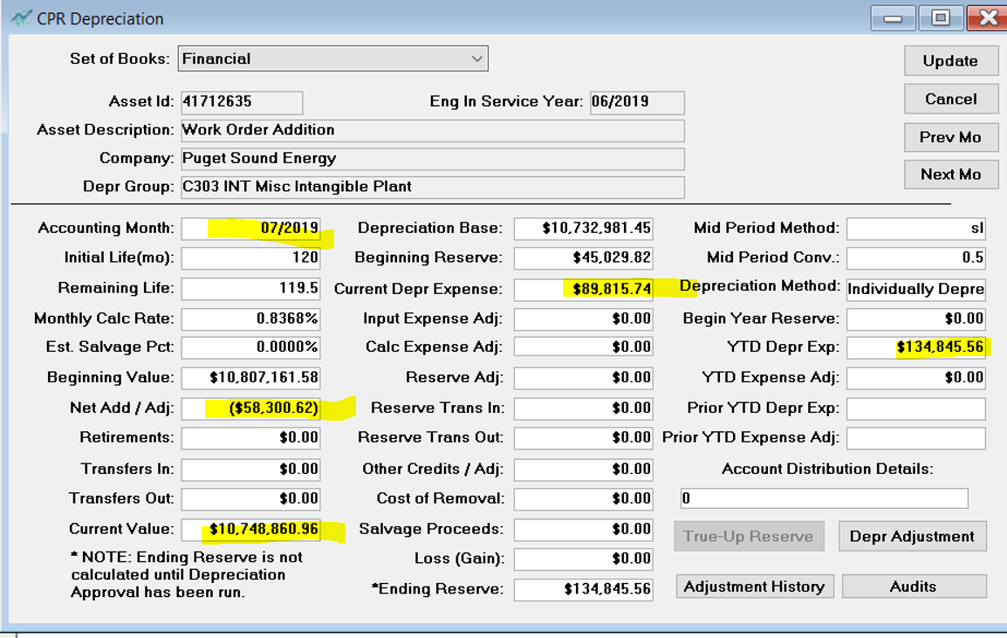

89,815.74

(58,300.62)

10,748,860.96

PP Aug
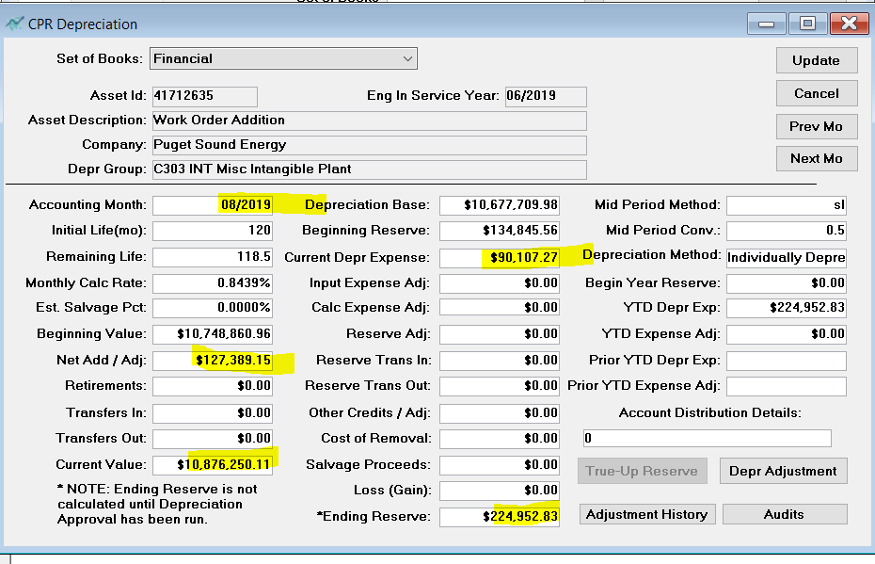

90,107.27

127,389.15

Add HR
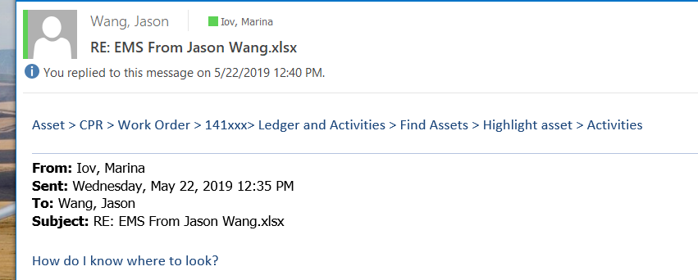
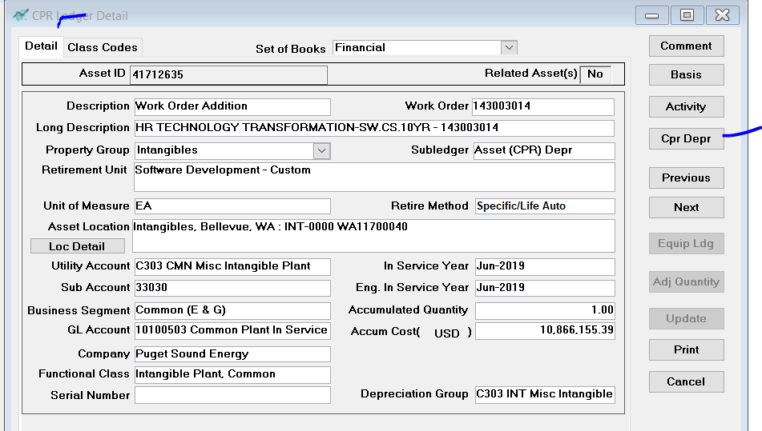
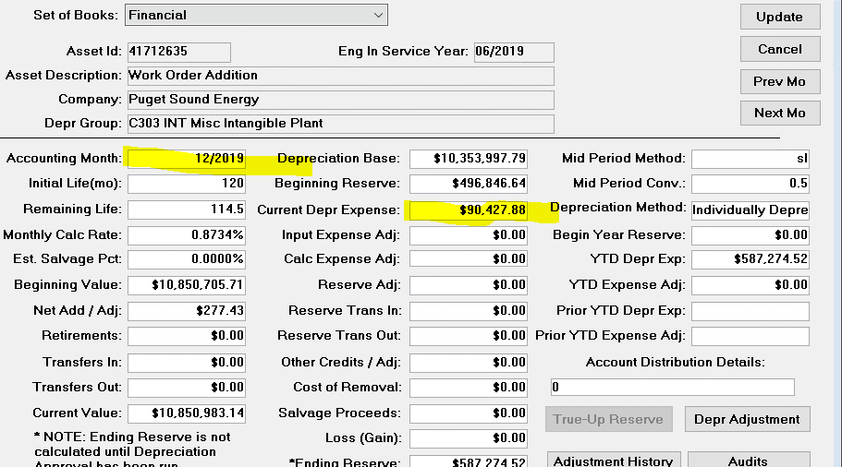
depr_group | month_number | act_work_order_number | funding_project | activity_cost | activity_quantity | Depr
C303 INT Misc Intangible Plant | 201910 | 143003014 | F.10002.01.06.01 | 639.04 | 0 | 90,677.62
C303 INT Misc Intangible Plant | 201911 | 143003014 | F.10002.01.06.01 | (29,172.18) | 0 | 90,554.12
C303 INT Misc Intangible Plant | 201912 | 143003014 | F.10002.01.06.01 | 277.43 | 0 | 90,427.88

 |  |  |  |  | Highlight Asset, Detail, Cpr Depr

