ELEC TY Amort
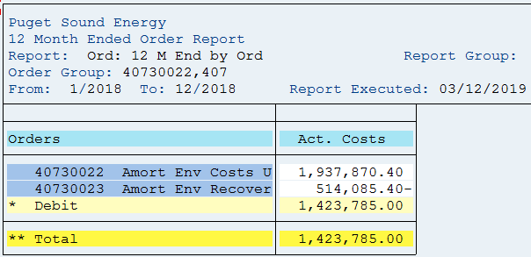
PUGET SOUND ENERGY
ENVIRONMENTAL REMEDIATION - ELECTRIC
Test Year Jan - Dec 2018

SAP Account | Site Description | Jan-18 | Feb-18 | Mar-18 | Apr-18 | May-18 | Jun-18 | Jul-18 | Aug-18 | Sep-18 | Oct-18 | Nov-18 | Dec-18 | Total

40730022 | Amort Env Costs - Elec UE - 170033 | 161,489 | 161,489 | 161,489 | 161,489 | 161,489 | 161,489 | 161,489 | 161,489 | 161,489 | 161,489 | 161,489 | 161,489 | 1,937,870
40730023 | Amort Env Costs Recovery- Elec UE - 170033 | (42,840) | (42,840) | (42,840) | (42,840) | (42,840) | (42,840) | (42,840) | (42,840) | (42,840) | (42,840) | (42,840) | (42,840) | (514,085)
 |  | 118,649 | 118,649 | 118,649 | 118,649 | 118,649 | 118,649 | 118,649 | 118,649 | 118,649 | 118,649 | 118,649 | 118,649 | 1,423,785
 |  |  |  |  |  |  |  |  |  |  |  |  | ck | 0

2017 GRC Gas Amort Sch
Puget Sound Energy
GAS ENVIRONMENTAL REMEDIATION
Amortization starts Dec 19, 2017 and ends Dec 2022 (60 months)
Per Approved in 2017GRC (Docket UE-170033 & UG-170034)
 |  |  |  | Per 2017 GRC | Per 2017 GRC
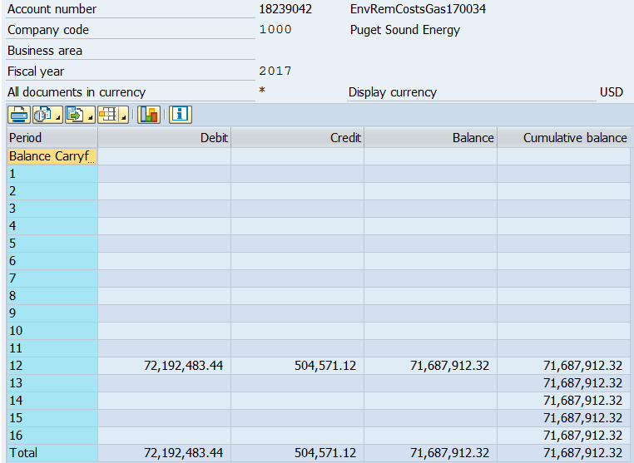
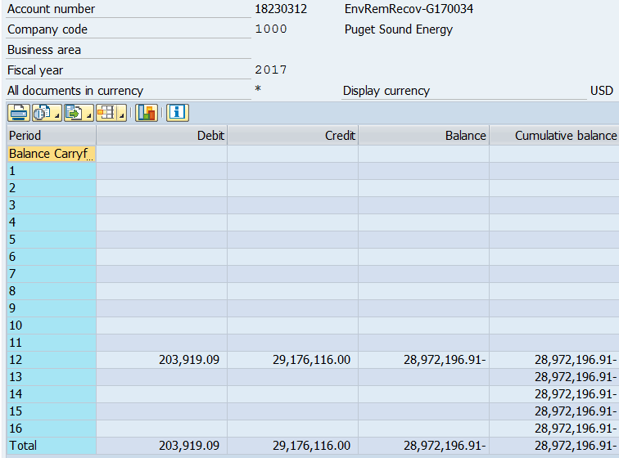
 |  | Ins. Proceeds |  |  | Ins. Proceeds | Accumulated | Balance Net | AMA
Month/Period | Deferred Costs | & 3rd Parties Pymt |  | Deferred Costs | & 3rd Parties Pymt | Amortization | of Accum Amort | Net Balance
 | Balance | Balance | Balance | Amort. beg Dec 19, 2017 | Amort. beg Dec 19, 2017 | prior mo - (d) | (b) + (e) = (f) | (c)
 | #18239042 | #18230312 |  | #18239042 (Order #40730302) | #18230312 (Order #40730303) | = (e)
Beg Bal Sept '16 | 72,192,483 | (29,176,116) | 43,016,368 |  |  |  | 43,016,368
Oct-16 | 72,192,483 | (29,176,116) | 43,016,368 |  |  | - | 43,016,368
Nov-16 | 72,192,483 | (29,176,116) | 43,016,368 |  |  | - | 43,016,368
Dec-16 | 72,192,483 | (29,176,116) | 43,016,368 |  |  | - | 43,016,368
Jan-17 | 72,192,483 | (29,176,116) | 43,016,368 |  |  | - | 43,016,368
Feb-17 | 72,192,483 | (29,176,116) | 43,016,368 |  |  | - | 43,016,368
Mar-17 | 72,192,483 | (29,176,116) | 43,016,368 |  |  | - | 43,016,368
Apr-17 | 72,192,483 | (29,176,116) | 43,016,368 |  |  | - | 43,016,368
May-17 | 72,192,483 | (29,176,116) | 43,016,368 |  |  | - | 43,016,368
Jun-17 | 72,192,483 | (29,176,116) | 43,016,368 |  |  | - | 43,016,368
Jul-17 | 72,192,483 | (29,176,116) | 43,016,368 |  |  | - | 43,016,368
Aug-17 | 72,192,483 | (29,176,116) | 43,016,368 |  |  | - | 43,016,368
Sep-17 | 72,192,483 | (29,176,116) | 43,016,368 |  |  | - | 43,016,368 | 43,016,368
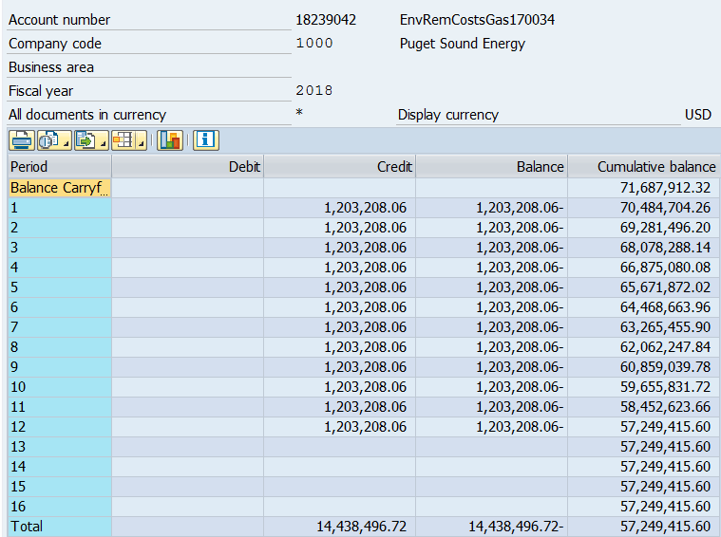
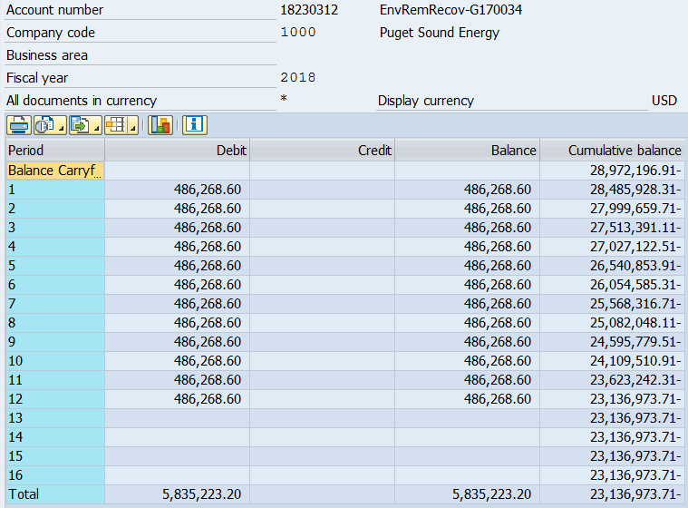
Oct-17 | 72,192,483 | (29,176,116) | 43,016,368 |  |  | - | 43,016,368 | 43,016,368
Nov-17 | 72,192,483 | (29,176,116) | 43,016,368 |  |  | - | 43,016,368 | 43,016,368
Dec-17 | 72,192,483 | (29,176,116) | 43,016,368 | (504,571) | 203,919 | 300,652 | 42,715,716 | 43,003,840
Jan-18 | 72,192,483 | (29,176,116) | 43,016,368 | (1,203,208) | 486,269 | 1,017,591 | 41,998,776 | 42,948,914
Feb-18 | 72,192,483 | (29,176,116) | 43,016,368 | (1,203,208) | 486,269 | 1,734,531 | 41,281,837 | 42,834,242
Mar-18 | 72,192,483 | (29,176,116) | 43,016,368 | (1,203,208) | 486,269 | 2,451,470 | 40,564,897 | 42,659,825
Apr-18 | 72,192,483 | (29,176,116) | 43,016,368 | (1,203,208) | 486,269 | 3,168,410 | 39,847,958 | 42,425,663
May-18 | 72,192,483 | (29,176,116) | 43,016,368 | (1,203,208) | 486,269 | 3,885,349 | 39,131,018 | 42,131,757
Jun-18 | 72,192,483 | (29,176,116) | 43,016,368 | (1,203,208) | 486,269 | 4,602,289 | 38,414,079 | 41,778,105
Jul-18 | 72,192,483 | (29,176,116) | 43,016,368 | (1,203,208) | 486,269 | 5,319,228 | 37,697,139 | 41,364,709
Aug-18 | 72,192,483 | (29,176,116) | 43,016,368 | (1,203,208) | 486,269 | 6,036,168 | 36,980,200 | 40,891,567
Sep-18 | 72,192,483 | (29,176,116) | 43,016,368 | (1,203,208) | 486,269 | 6,753,107 | 36,263,260 | 40,358,681
Oct-18 | 72,192,483 | (29,176,116) | 43,016,368 | (1,203,208) | 486,269 | 7,470,047 | 35,546,321 | 39,766,049
Nov-18 | 72,192,483 | (29,176,116) | 43,016,368 | (1,203,208) | 486,269 | 8,186,986 | 34,829,382 | 39,113,673
Dec-18 | 72,192,483 | (29,176,116) | 43,016,368 | (1,203,208) | 486,269 | 8,903,926 | 34,112,442 | 38,414,079
Jan-19 | 72,192,483 | (29,176,116) | 43,016,368 | (1,203,208) | 486,269 | 9,620,865 | 33,395,503 | 37,697,139
Feb-19 | 72,192,483 | (29,176,116) | 43,016,368 | (1,203,208) | 486,269 | 10,337,804 | 32,678,563 | 36,980,200
Mar-19 | 72,192,483 | (29,176,116) | 43,016,368 | (1,203,208) | 486,269 | 11,054,744 | 31,961,624 | 36,263,260
Apr-19 | 72,192,483 | (29,176,116) | 43,016,368 | (1,203,208) | 486,269 | 11,771,683 | 31,244,684 | 35,546,321
May-19 | 72,192,483 | (29,176,116) | 43,016,368 | (1,203,208) | 486,269 | 12,488,623 | 30,527,745 | 34,829,382
Jun-19 | 72,192,483 | (29,176,116) | 43,016,368 | (1,203,208) | 486,269 | 13,205,562 | 29,810,805 | 34,112,442
Jul-19 | 72,192,483 | (29,176,116) | 43,016,368 | (1,203,208) | 486,269 | 13,922,502 | 29,093,866 | 33,395,503
Aug-19 | 72,192,483 | (29,176,116) | 43,016,368 | (1,203,208) | 486,269 | 14,639,441 | 28,376,926 | 32,678,563
Sep-19 | 72,192,483 | (29,176,116) | 43,016,368 | (1,203,208) | 486,269 | 15,356,381 | 27,659,987 | 31,961,624
Oct-19 | 72,192,483 | (29,176,116) | 43,016,368 | (1,203,208) | 486,269 | 16,073,320 | 26,943,047 | 31,244,684
Nov-19 | 72,192,483 | (29,176,116) | 43,016,368 | (1,203,208) | 486,269 | 16,790,260 | 26,226,108 | 30,527,745
Dec-19 | 72,192,483 | (29,176,116) | 43,016,368 | (1,203,208) | 486,269 | 17,507,199 | 25,509,169 | 29,810,805
Jan-20 | 72,192,483 | (29,176,116) | 43,016,368 | (1,203,208) | 486,269 | 18,224,139 | 24,792,229 | 29,093,866
Feb-20 | 72,192,483 | (29,176,116) | 43,016,368 | (1,203,208) | 486,269 | 18,941,078 | 24,075,290 | 28,376,926
Mar-20 | 72,192,483 | (29,176,116) | 43,016,368 | (1,203,208) | 486,269 | 19,658,017 | 23,358,350 | 27,659,987
Apr-20 | 72,192,483 | (29,176,116) | 43,016,368 | (1,203,208) | 486,269 | 20,374,957 | 22,641,411 | 26,943,047
May-20 | 72,192,483 | (29,176,116) | 43,016,368 | (1,203,208) | 486,269 | 21,091,896 | 21,924,471 | 26,226,108
Jun-20 | 72,192,483 | (29,176,116) | 43,016,368 | (1,203,208) | 486,269 | 21,808,836 | 21,207,532 | 25,509,169
Jul-20 | 72,192,483 | (29,176,116) | 43,016,368 | (1,203,208) | 486,269 | 22,525,775 | 20,490,592 | 24,792,229
Aug-20 | 72,192,483 | (29,176,116) | 43,016,368 | (1,203,208) | 486,269 | 23,242,715 | 19,773,653 | 24,075,290
Sep-20 | 72,192,483 | (29,176,116) | 43,016,368 | (1,203,208) | 486,269 | 23,959,654 | 19,056,713 | 23,358,350
Oct-20 | 72,192,483 | (29,176,116) | 43,016,368 | (1,203,208) | 486,269 | 24,676,594 | 18,339,774 | 22,641,411
Nov-20 | 72,192,483 | (29,176,116) | 43,016,368 | (1,203,208) | 486,269 | 25,393,533 | 17,622,834 | 21,924,471
Dec-20 | 72,192,483 | (29,176,116) | 43,016,368 | (1,203,208) | 486,269 | 26,110,473 | 16,905,895 | 21,207,532
Jan-21 | 72,192,483 | (29,176,116) | 43,016,368 | (1,203,208) | 486,269 | 26,827,412 | 16,188,956 | 20,490,592
Feb-21 | 72,192,483 | (29,176,116) | 43,016,368 | (1,203,208) | 486,269 | 27,544,352 | 15,472,016 | 19,773,653
Mar-21 | 72,192,483 | (29,176,116) | 43,016,368 | (1,203,208) | 486,269 | 28,261,291 | 14,755,077 | 19,056,713
Apr-21 | 72,192,483 | (29,176,116) | 43,016,368 | (1,203,208) | 486,269 | 28,978,230 | 14,038,137 | 18,339,774
May-21 | 72,192,483 | (29,176,116) | 43,016,368 | (1,203,208) | 486,269 | 29,695,170 | 13,321,198 | 17,622,834
Jun-21 | 72,192,483 | (29,176,116) | 43,016,368 | (1,203,208) | 486,269 | 30,412,109 | 12,604,258 | 16,905,895
Jul-21 | 72,192,483 | (29,176,116) | 43,016,368 | (1,203,208) | 486,269 | 31,129,049 | 11,887,319 | 16,188,956
Aug-21 | 72,192,483 | (29,176,116) | 43,016,368 | (1,203,208) | 486,269 | 31,845,988 | 11,170,379 | 15,472,016
Sep-21 | 72,192,483 | (29,176,116) | 43,016,368 | (1,203,208) | 486,269 | 32,562,928 | 10,453,440 | 14,755,077
Oct-21 | 72,192,483 | (29,176,116) | 43,016,368 | (1,203,208) | 486,269 | 33,279,867 | 9,736,500 | 14,038,137
Nov-21 | 72,192,483 | (29,176,116) | 43,016,368 | (1,203,208) | 486,269 | 33,996,807 | 9,019,561 | 13,321,198
Dec-21 | 72,192,483 | (29,176,116) | 43,016,368 | (1,203,208) | 486,269 | 34,713,746 | 8,302,621 | 12,604,258
Jan-22 | 72,192,483 | (29,176,116) | 43,016,368 | (1,203,208) | 486,269 | 35,430,686 | 7,585,682 | 11,887,319
Feb-22 | 72,192,483 | (29,176,116) | 43,016,368 | (1,203,208) | 486,269 | 36,147,625 | 6,868,743 | 11,170,379
Mar-22 | 72,192,483 | (29,176,116) | 43,016,368 | (1,203,208) | 486,269 | 36,864,564 | 6,151,803 | 10,453,440
Apr-22 | 72,192,483 | (29,176,116) | 43,016,368 | (1,203,208) | 486,269 | 37,581,504 | 5,434,864 | 9,736,500
May-22 | 72,192,483 | (29,176,116) | 43,016,368 | (1,203,208) | 486,269 | 38,298,443 | 4,717,924 | 9,019,561
Jun-22 | 72,192,483 | (29,176,116) | 43,016,368 | (1,203,208) | 486,269 | 39,015,383 | 4,000,985 | 8,302,621
Jul-22 | 72,192,483 | (29,176,116) | 43,016,368 | (1,203,208) | 486,269 | 39,732,322 | 3,284,045 | 7,585,682
Aug-22 | 72,192,483 | (29,176,116) | 43,016,368 | (1,203,208) | 486,269 | 40,449,262 | 2,567,106 | 6,868,743
Sep-22 | 72,192,483 | (29,176,116) | 43,016,368 | (1,203,208) | 486,269 | 41,166,201 | 1,850,166 | 6,151,803
Oct-22 | 72,192,483 | (29,176,116) | 43,016,368 | (1,203,208) | 486,269 | 41,883,141 | 1,133,227 | 5,434,864
Nov-22 | 72,192,483 | (29,176,116) | 43,016,368 | (1,203,208) | 486,269 | 42,600,080 | 416,287 | 4,717,924
Dec-22 | 72,192,483 | (29,176,116) | 43,016,368 | (698,637) | 282,350 | 43,016,368 | 0 | 4,013,512

GAS TY Amort
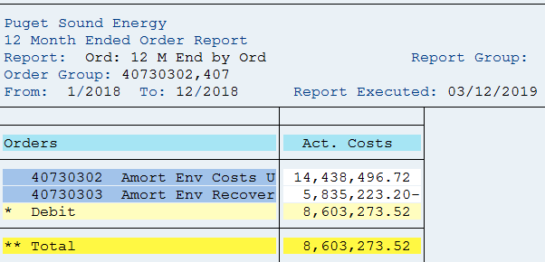
PUGET SOUND ENERGY
ENVIRONMENTAL REMEDIATION - GAS
Test Year Jan - Dec 2018

SAP Account | Site Description | Jan-18 | Feb-18 | Mar-18 | Apr-18 | May-18 | Jun-18 | Jul-18 | Aug-18 | Sep-18 | Oct-18 | Nov-18 | Dec-18 | Total

40730302 | Amort Env Costs - Gas UG - 170034 | 1,203,208 | 1,203,208 | 1,203,208 | 1,203,208 | 1,203,208 | 1,203,208 | 1,203,208 | 1,203,208 | 1,203,208 | 1,203,208 | 1,203,208 | 1,203,208 | 14,438,497
40730303 | Amort Env Costs Recovery- Gas UG - 170034 | (486,269) | (486,269) | (486,269) | (486,269) | (486,269) | (486,269) | (486,269) | (486,269) | (486,269) | (486,269) | (486,269) | (486,269) | (5,835,223)
 |  | 716,939 | 716,939 | 716,939 | 716,939 | 716,939 | 716,939 | 716,939 | 716,939 | 716,939 | 716,939 | 716,939 | 716,939 | 8,603,274
 |  |  |  |  |  |  |  |  |  |  |  |  | ck | (0)

