SAP Test Yr
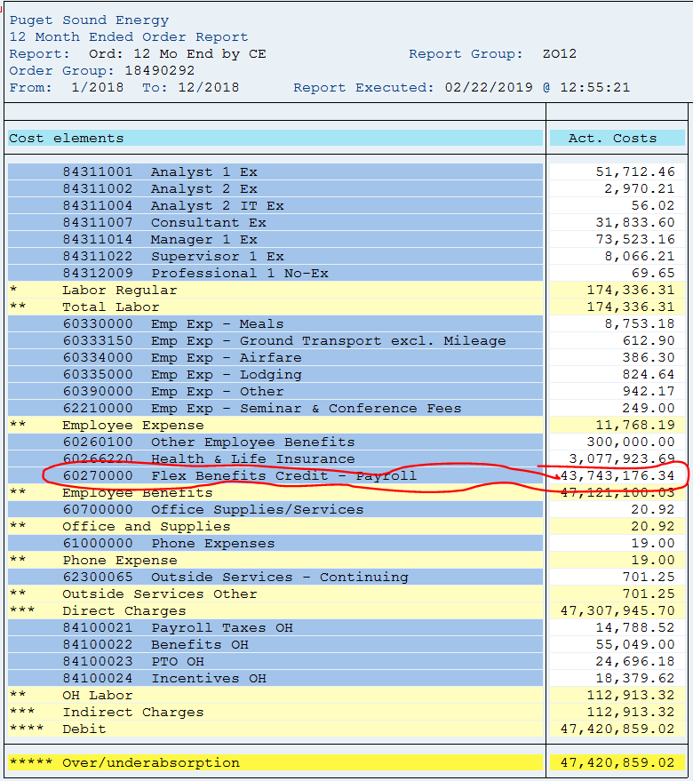
SAP Report ZRW_Zo12
Test Year 12 Months Ended December 2018
Order # 18490292

Cost Elem. | Cost element name | Val.in RC
60270000 | Flex Benefits Credit | 43,743,176

Total Flex Benefits Credit |  | 43,743,176

