NetWriteoffs-Gas
Puget Sound Energy / Net Write-Offs
Cost Element: rpt_pse: order group 904; transaction code: ZRW_ZO12
12ME June 2018
Cost elements | Act. Costs
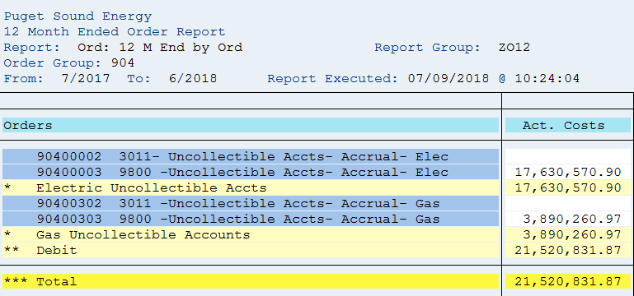
90400002 3011- Uncollectible Accts- Accrual- Elec
90400003 9800- Uncollectible Accts-Accrual- Elec | 17,630,571
* Electric Uncollectible Accounts | 17,630,571
90400302 3011 -Uncollectible Accts- Accrual- Gas
90400303 9800- Uncollectible Accts-Accrual-Gas | 3,890,261
* Gas Uncollectible Accounts | 3,890,261
** Debit | 21,520,832
*** Over/underabsorption | 21,520,832
Net write-off for 12ME June 2018
Gas Uncollectible Acc | 3,890,261
Plus change in 14400312 | 911,290
 | 4,801,551

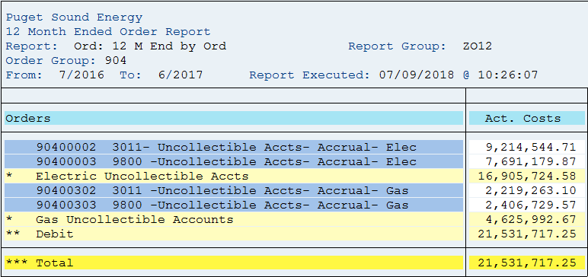
12ME June 2017
Cost elements | Act. Costs
90400002 3011- Uncollectible Accts- Accrual- Elec | 9,214,545
90400003 9800- Uncollectible Accts-Accrual- Elec | 7,691,180
* Electric Uncollectible Accounts | 16,905,725
90400302 3011 -Uncollectible Accts- Accrual- Gas | 2,219,263
90400303 9800- Uncollectible Accts-Accrual-Gas | 2,406,730
* Gas Uncollectible Accounts | 4,625,993
** Debit | 21,531,717
*** Over/underabsorption | 21,531,717
Net write-off for 12ME June 2017:
Gas Uncollectible Acc | 4,625,993
Plus change in 14400312 | (597,313)
 | 4,028,680

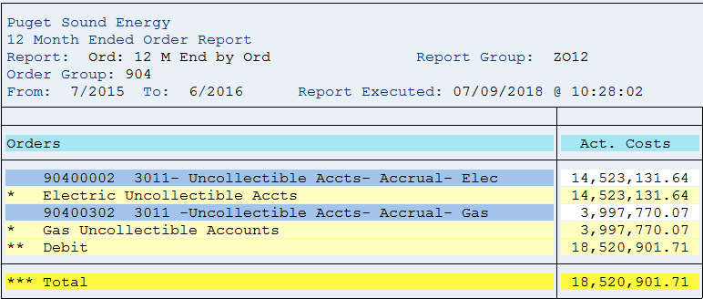
12ME June 2016
Cost elements | Act. Costs
90400001 3180- Uncollectible Accts- Dir WO Elec
90400002 3011- Uncollectible Accts- Accrual- Elec | 14,523,132
* Electric Uncollectible Accounts | 14,523,132
90400301 3180 -Uncollectible Accts- Dir WO- Gas | -
90400302 3011 -Uncollectible Accts- Accrual- Gas | 3,997,770
* Gas Uncollectible Accounts | 3,997,770
** Debit | 18,520,902
*** Over/underabsorption | 18,520,902
Net write-off for 12ME June 2016:
Gas Uncollectible Acc | 3,997,770
Plus change in 14400312 | 361,046
 | 4,358,816

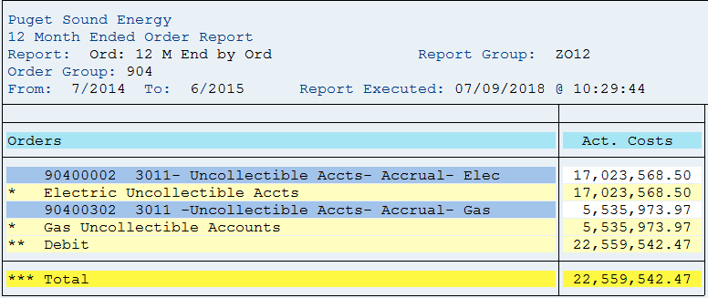
12ME June 2015
Cost elements | Act. Costs
90400001 3180- Uncollectible Accts- Dir WO Elec
90400002 3011- Uncollectible Accts- Accrual- Elec | 17,023,569
* Electric Uncollectible Accounts | 17,023,569
90400301 3180 -Uncollectible Accts- Dir WO- Gas | -
90400302 3011 -Uncollectible Accts- Accrual- Gas | 5,535,974
* Gas Uncollectible Accounts | 5,535,974
** Debit | 22,559,542
*** Over/underabsorption | 22,559,542
Net write-off for 12ME June 2015:
Gas Uncollectible Acc | 5,535,974
Plus change in 14400312 | 369,953
 | 5,905,927

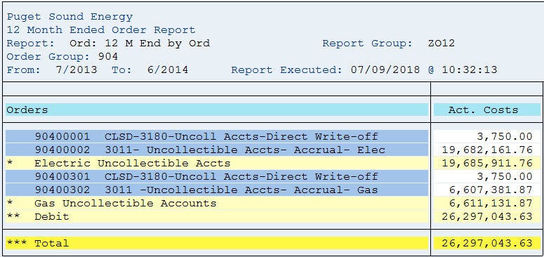
12ME June 2014
Cost elements | Act. Costs
90400001 3180- Uncollectible Accts- Dir WO Elec | 3,750
90400002 3011- Uncollectible Accts- Accrual- Elec | 19,682,162
* Electric Uncollectible Accounts | 19,685,912
90400301 3180 -Uncollectible Accts- Dir WO- Gas | 3,750
90400302 3011 -Uncollectible Accts- Accrual- Gas | 6,607,382
* Gas Uncollectible Accounts | 6,611,132
** Debit | 26,297,044
*** Over/underabsorption | 26,297,044
Net write-off for 12ME June 2014:
Gas Uncollectible Acc | 6,611,132
Plus change in 14400032/14400312 | (1,015,714)
 | 5,595,418

Download from SAP

(Note 1) Amounts are included to achieve a cash basis write-off for
rate-making purposes. The balance sheet accounts are credited when
the monthly estimated accrual is made (dr. I/S and cr. B/S), and the
accounts are debited when customer accounts are written off (dr. B/S
and cr. B/S). A negative means growth in the APUA which is a natural
credit balance account. When the balance grows, the estimated
accruals are in excess of the write-offs and the income statement
debits for the estimated accrual were too high for the period.
Therefore, the balance sheet growth is used to reduce the excess
accrual on the income statement. A positive means a reduction in the
APUA credit balance sheet account. Additionally, it means the
income statement debits for the estimated accrual were too low for
the period. Therefore, the balance sheet reduction is used to
increase the inadequate accrual on the income statement.

