Exhibit No.__(JAP-Rate Spread)
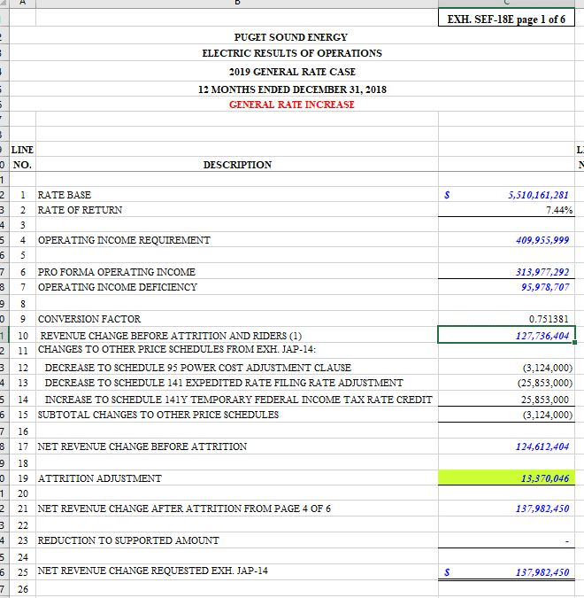
Puget Sound Energy
Twelve Months ended December 2018
Summary - Rate Spread

Line No. | Voltage Level | Schedule | MWh | Proforma Revenue ($000) | Proposed Increase ($) | Percent of Total w/o Schedule 449, MSSC & Firm Resale | Percent of Uniform Increase | Proposed Revenue Increase (%) | Proposed Revenue Increase ($000) | Proposed Revenue ($000) | Proposed Revenue Increase ($)
 |  |  | A | B | C | D | E | F | G = B * F | H = B + G

1 | Residential | 7 | 10,658,083 | $1,109,622 |  | 55.91% | 100% | 7.57% | $83,952 | $1,193,574 | $83,951,907
2 |  |  |  |  |  |  |  |  |  |  | $-
3 | Secondary Voltage |  |  |  |  |  |  |  |  |  | $-
4 | Demand <= 50 kW | 8 / 24 | 2,700,717 | $263,446 |  | 13.27% | 100% | 7.57% | $19,932 | $283,378 | $19,931,856
5 | Demand > 50 kW but <= 350 kW | 7A / 11/ 25 / 29 | 3,004,525 | $270,593 |  | 13.63% | 75% | 5.67% | $15,354 | $285,947 | $15,354,401
6 | Demand > 350 kW | 12 / 26 / 26P | 1,939,505 | $160,178 |  | 8.07% | 75% | 5.67% | $9,089 | $169,267 | $9,089,078
7 | Total Secondary Voltage |  | 7,644,747 | $694,217 |  |  |  |  | $44,375 | $738,593 | $44,375,335
8 |  |  |  |  |  |  |  |  |  |  | $-
9 | Primary Voltage |  |  |  |  |  |  |  |  |  | $-
10 | General Service | 10 / 31 | 1,407,595 | $113,234 |  | 5.71% | 100% | 7.57% | $8,567 | $121,801 | $8,567,078
11 | Irrigation | 35 | 4,444 | $268 |  | 0.01% | 150% | 11.35% | $30 | $298 | $30,416
12 | Interruptible Total Electric Schools | 43 | 123,102 | $10,722 |  | 0.54% | 125% | 9.46% | $1,014 | $11,735 | $1,013,961
13 | Total Primary Voltage |  | 1,535,141 | $124,224 |  |  |  |  | $9,611 | $133,835 | $9,611,455
14 |  |  |  |  |  |  |  |  |  |  | $-
15 | Total High Voltage | 46 / 49 | 620,611 | $40,128 |  | 2.02% | 75% | 5.67% | $2,277 | $42,405 | $2,277,020
16 |  |  |  |  |  |  |  |  |  |  | $-
17 | Choice / Retail Wheeling / Special Contract | 449 / 459 / SC | 2,364,715 | $15,608 |  |  |  | -6.59% | $(1,028) | $14,580 | $(1,027,913)
18 |  |  |  |  |  |  |  |  |  |  | $-
19 | Lighting | 50-59 | 69,969 | $16,458 |  | 0.83% | 125% | 9.46% | $1,556 | $18,014 | $1,556,429
20 |  |  |  |  |  |  |  |  |  |  | $-
21 | Total Jurisdictional Retail Sales |  | 22,893,266 | $2,000,258 |  |  |  | 7.04% | $140,744 | $2,141,002 | $140,744,233
22 |  |  |  |  |  |  |  |  |  |  | $-
23 | Firm Resale |  | 7,198 | $328 |  |  |  | 110.32% | $362 | $691 | $362,217
24 |  |  |  |  |  |  |  |  |  |  | $-
25 | Total Sales |  | 22,900,463 | $2,000,586 | $141,106,450 | 100.00% |  | 7.05% | $141,106 | $2,141,692 | $141,106,450
26
27
28 | Average Increase Before Transportation, Special Contract & Firm Resale |  |  |  |  |  |  | 7.05%
29 | Average Increase After Transportation, Special Contract, Firm Resale |  |  |  |  |  |  | 7.14%
30 | Adjustment to Average Increase for Unequal Allocation of Increase |  |  |  |  |  |  | 1.0591273843
31 | Average Increase After Firm Resale adjusted for Unequal Allocation of Increase |  |  |  |  |  |  | 7.57%
32
33
34
35
36 | Revenue Change Before Attrition and Riders | SEF-18E Page 1, Line 10 |  |  | $127,736,404
37 | Attrition Adjustment | SEF-18E Page 1, Line 19 |  |  | $13,370,046
38
39 | Revenue Requirement for Base Rates |  |  |  | $141,106,450

