AWEC 36 Mtzd PTCs
Response:

Refer to the below table detailing the balance of Puget Sound Energy’s (“PSE”) production tax credit (“PTC”) regulatory liability accounts as of September 30, 2019.

Actual amounts for the third quarter 2019 require confidential treatment until PSE’s financial results are published in its Form 10-Q which is expected to be on November 6, 2019, at which time the confidential designation for third quarter amounts is no longer necessary.

Account | Description | Amount
10800651 | 2017 Tax Return Monetized PTCs | $4,287,263
10800651 | 2018 Tax Return Monetized PTCs | 82,937,179

Note that the total monetized PTC balance offsets the following as stipulated in the Settlement Agreement for Dockets UE-170033 and UG-170034.

Description |  | Amount
Montana Community Transition Fund |  | $5,000,000
Colstrip 1 & 2 Unrecovered Plant |  | 82,224,442

Shaded information is designated as CONFIDENTIAL per Protective Order in Dockets UE-190529 and UG-190530 as marked in PSE’s Response to AWEC Data Request No. 036.
Shaded information Is Designated as Confidential per Protective Order in WUTC Dockets UE-190529 and UG-190530

PP
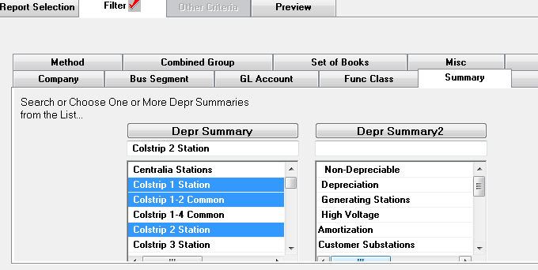
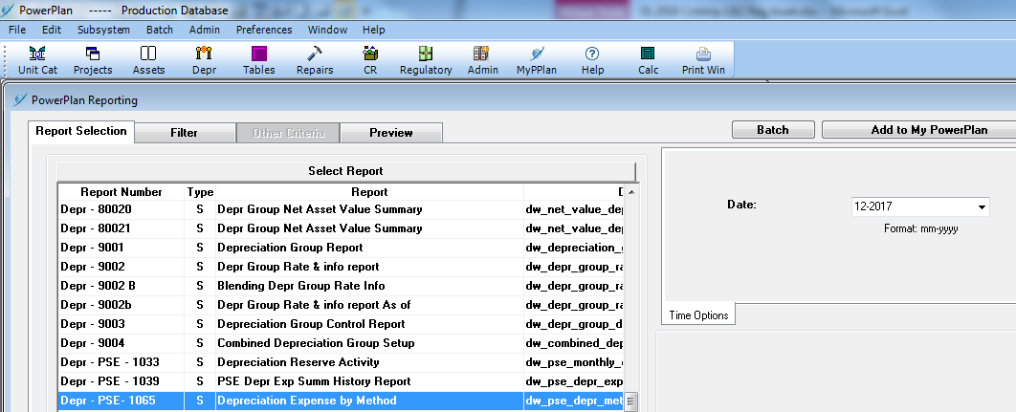

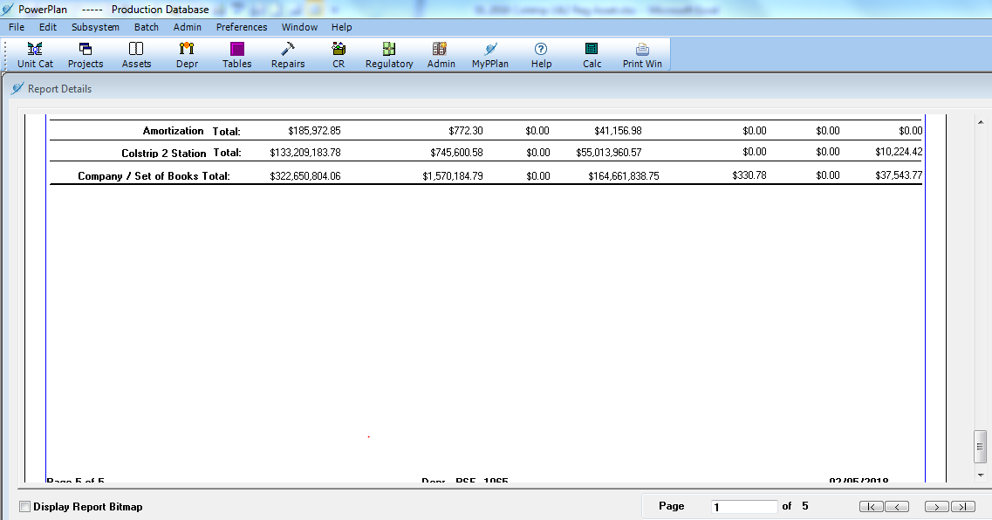

ARO 12-2017
