NCP Dist Plant (360-362)
Puget Sound Energy
12NCP Cost Assignment
FERC Accounts 360, 361 & 362
Distribution Substation Costs
Twelve Months ended December 2018

 | 2019 GRC
 | 360 | 361 | 362
7 | $13,365,460 | $7,045,092 | $446,989,450
24 | $4,308,704 | $1,939,403 | $108,070,405
25 | $5,604,472 | $2,405,118 | $118,572,036
26 | $3,294,555 | $1,400,862 | $63,184,099
29 | $1,294 | $3,580 | $174,605
31 | $2,713,615 | $919,666 | $56,251,894
35 | $594 | $2 | $206,838
Special Contract | $3,624,040 | $369,503 | $15,999,043
43 | $138,726 | $113,067 | $6,459,907
Lights | $18,970 | $10,705 | $646,004
5 | $1,803 | $1,575 | $220,205
 | $33,072,233 | $14,208,573 | $816,774,486

Exclude Special Contract (Directly Assigned) | $29,448,193 | $13,839,070 | $800,775,443

5 | $1,803 | $1,575 | $220,205
24 | $4,308,704 | $1,939,403 | $108,070,405
25 | $5,594,266 | $2,398,068 | $118,286,967
26 | $3,227,438 | $1,387,716 | $62,213,309
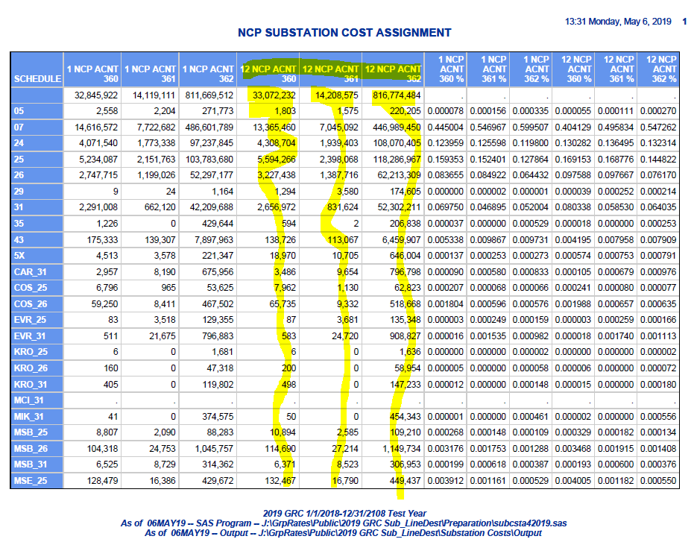
29 | $1,294 | $3,580 | $174,605
31 | $2,656,972 | $831,624 | $52,302,211
35 | $594 | $2 | $206,838
40 | $3,758,006 | $477,741 | $21,204,585
Cardinal 31 | $3,486 | $9,654 | $796,798
Costco 25 | $7,962 | $1,130 | $62,823
Costco 26 | $65,735 | $9,332 | $518,668
Evergreen 25 | $87 | $3,681 | $135,348
Evergreen 31 | $583 | $24,720 | $908,827
Kroger 25 | $6 | $- | $1,636
Kroger 26 | $200 | $- | $58,954
Kroger 31 | $498 | $- | $147,233
MCI 31 | $- | $- | $-
Mikron 31 | $50 | $- | $454,343
MS SC | $3,624,040 | $369,503 | $15,999,043
Muckleshoot 25 | $89 | $288 | $29,684
Muckleshoot 26 | $1,182 | $3,814 | $393,168
Overlake 25 | $449 | $600 | $21,613
Overlake 31 | $20,167 | $26,980 | $971,657
Terex | $- | $- | $-
Valley General 25 | $1,613 | $1,351 | $33,965
Valley General 31 | $31,859 | $26,688 | $670,825
43 | $138,726 | $113,067 | $6,459,907
5x | $18,970 | $10,705 | $646,004
7 | $13,365,460 | $7,045,092 | $446,989,450
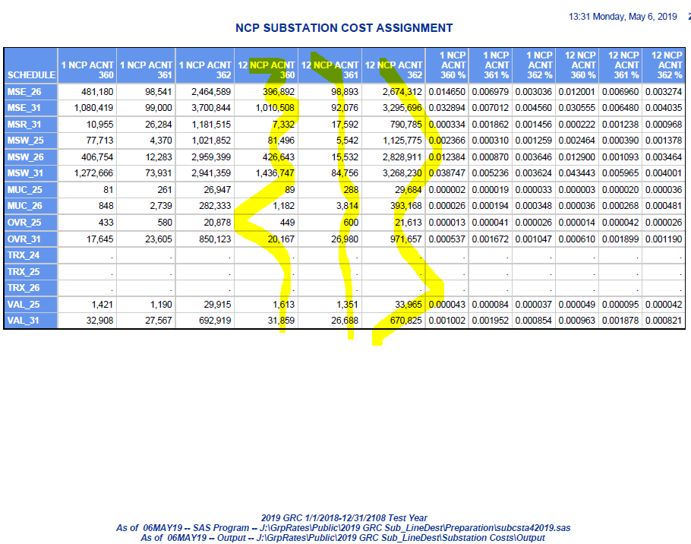
 | $33,072,233 | $14,208,573 | $816,774,486
 | $33,072,232 | $14,208,575 | $816,774,484
 | $1 | $(2) | $2

NCP Dist OH-UG Plant (364-367)
Puget Sound Energy
12NCP Cost Assignment
FERC Accounts 364, 365, 366, 367
OH & UG Line Miles
Twelve Months ended December 2018

 | 2019 GRC
 | OH | UG
7 | 6,861.75 | 6,786.10
24 | 1,253.76 | 1,209.20
25 | 966.15 | 1,125.37
26 | 385.58 | 489.92
29 | 8.56 | 3.03
31 | 360.92 | 349.45
35 | 9.04 | 4.15
43 | 97.26 | 108.81
Special Contract | 11.83 | 103.67
Lights | 6.03 | 4.65
5 | 6.87 | 2.76
 | 9,967.75 | 10,187.11

Exclude Special Contract (Directly Assigned) | 9,955.92 | 10,083.44
 | -

 | 2019 GRC
 | OH | UG
5 | 6.87 | 2.76
24 | 1,253.76 | 1,209.20
25 | 964.34 | 1,123.27
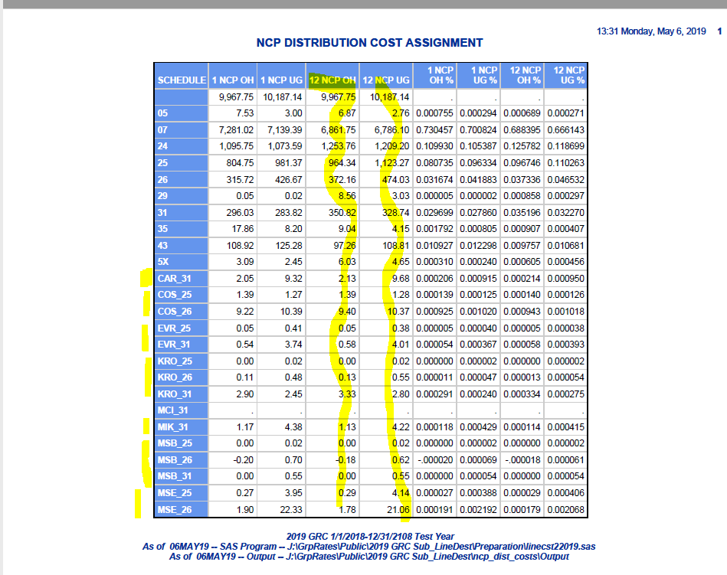
26 | 372.16 | 474.03
29 | 8.56 | 3.03
31 | 350.82 | 328.74
35 | 9.04 | 4.15
40 | 37.16 | 142.37
Cardinal 31 | 2.13 | 9.68
Costco 25 | 1.39 | 1.28
Costco 26 | 9.40 | 10.37
Evergreen 25 | 0.05 | 0.38
Evergreen 31 | 0.58 | 4.01
Kroger 25 | - | 0.02
Kroger 26 | 0.13 | 0.55
Kroger 31 | 3.33 | 2.80
MCI 31 | - | -
Mikron 31 | 1.13 | 4.22
Microsoft | 11.83 | 103.67
Muckleshoot 25 | 0.30 | 0.38
Muckleshoot 26 | 3.89 | 4.97
Overlake 25 | 0.07 | (0.01)
Overlake 31 | 2.93 | (0.58)
Terex | - | -
Valley General 25 | - | 0.05
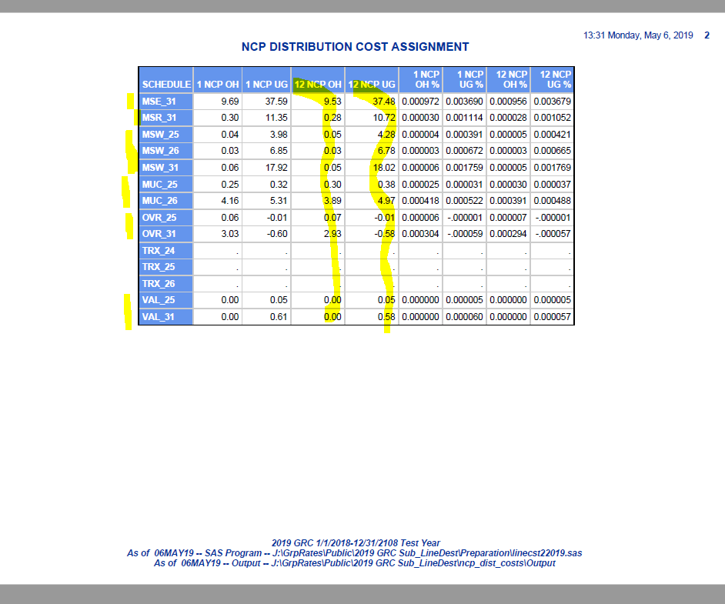
Valley General 31 | - | 0.58
43 | 97.26 | 108.81
5x | 6.03 | 4.65
7 | 6,861.75 | 6,786.10
 | 9,967.75 | 10,187.11
 | 9,967.75 | 10,187.14
 | - | (0.03)

 |  | -

