191
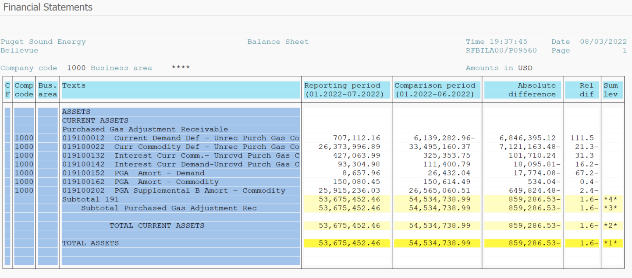
PUGET SOUND ENERGY
PGA 191 Account Balances
July
2022

 |  | Acct No. | Jul-22

Surcharge/Refund Amortization Accounts:
PGA Refund/Surcharge Amortization (Demand) |  | 19100152
 | Beginning |  | $26,432.04
 | Transfer Deferral Amounts to Surcharge/Refund Account
 | Surcharge/Refund Amortization |  | (13,116.00)
 | Migration Credit |  | (644.01)
 | Interest |  | (4,014.07)
 | Total Month |  | (17,774.08)
 | Ending |  | $8,657.96

PGA Refund/Surcharge Amortization (Commodity) - 106 |  | 19100162
 | Beginning |  | $150,614.49
 | Transfer Deferral Amounts to Surcharge/Refund Account
 | Surcharge/Refund Amortization |  | (20,319.00)
 | Migration Credit |  | 6,727.85
 | Interest |  | 13,057.11
 | Total Month |  | (534.04)
 | Ending |  | $150,080.45

PGA Supplemental Amortization (Commodity) - 106A |  | 19100192
 | Beginning |  | $-
 | Transfer Deferral Amounts to Surcharge/Refund Account |  | -
 | Surcharge/Refund Amortization |  | -
 | Migration Credit |  | -
 | Interest |  | -
 | Total Month |  | -
 | Ending |  | $-

PGA Supplemental Amortization (Commodity) - 106B |  | 19100202
 | Beginning |  | $26,565,060.51
 | Transfer Deferral Amounts to Surcharge/Refund Account
 | Surcharge/Refund Amortization |  | (711,805.00)
 | Migration Credit
 | Interest |  | 61,980.52
 | Total Month |  | (649,824.48)
 | Ending |  | $25,915,236.03

Current Demand Deferral |  | 19100012
 | Beginning |  | $(6,139,282.96)
 | Transfer Deferral Amounts to Surcharge/Refund Account
 | Deferral |  | 6,846,395.12
 | Total Month |  | 6,846,395.12
 | Ending |  | $707,112.16

Current Commodity Deferral |  | 19100022
 | Beginning |  | $33,495,160.37
 | Transfer Deferral Amounts to Surcharge/Refund Account
 | PGA Deferral Commd Vlntr RNG CR Tru-up 12/21-05/22
 | Deferral |  | (7,121,163.48)
 | Total Month |  | (7,121,163.48)
 | Ending |  | $26,373,996.89

Interest on Demand Deferral |  | 19100142
 | Beginning |  | $111,400.79
 | Transfer Interest Amounts to Surcharge/Refund Account
 | Interest |  | (18,095.81)
 | Total Month |  | (18,095.81)
 | Ending |  | $93,304.98

Interest on Commodity Deferral |  | 19100132
 | Beginning |  | $325,353.75
 | Transfer Interest Amounts to Surcharge/Refund Account
 | Interest |  | 101,710.24
 | Total Month |  | 101,710.24
 | Ending |  | $427,063.99

Total 191
 | Beginning |  | $54,534,738.99
 | Total Month |  | (859,286.53)
 | Ending |  | $53,675,452.46
Less: Acct. being Amortized |  |  | 26,073,974.44
Current Period Under/(Over) Recovered |  |  | $27,601,478.02

