Sheet1
 |  |  | 10 Year Hedge History

 |  |  | AVA* | PSE** | NWN*** | Cascade
 | 11/1/2002 - 10/31/2003
 | Percentage of Load Financially Hedged |  | 0% |  | 71% | 0%
 | Gain (Loss) on Financial Hedges |  | $0 | $7,568,322 | $36,600,000 | $0

 | 11/1/2003 - 10/31/2004
 | Percentage of Load Financially Hedged |  | 0% | 18.41% | 88% | 1%
 | Gain (Loss) on Financial Hedges |  | $0 | $4,131,299 | $25,100,000 | ($366,203)

 | 11/1/2004 - 10/31/2005
 | Percentage of Load Financially Hedged |  | 0% | 53.87% | 88% | 77%
 | Gain (Loss) on Financial Hedges |  | $0 | $7,012,609 | $62,900,000 | $14,906,106

 | 11/1/2005 - 10/31/2006
 | Percentage of Load Financially Hedged |  | 4% | 54.41% | 75% | 63%
 | Gain (Loss) on Financial Hedges |  | ($245,908) | ($12,204,785) | $23,600,000 | $17,596,975

 | 11/1/2006 - 10/31/2007
 | Percentage of Load Financially Hedged |  | 1% | 54.61% | 61% | 40%
 | Gain (Loss) on Financial Hedges |  | ($50,998) | ($81,607,244) | ($35,500,000) | ($26,756,599)

 | 11/1/2007 - 10/31/2008
 | Percentage of Load Financially Hedged |  | 4% | 50.87% | 62% | 21%
 | Gain (Loss) on Financial Hedges |  | ($435,608) | ($6,414,037) | $4,000,000 | $1,039,636

 | 11/1/2008 - 10/31/2009
 | Percentage of Load Financially Hedged |  | 4% | 60.51% | 58% | 68%
 | Gain (Loss) on Financial Hedges |  | ($4,263,731) | ($204,319,517) | ($219,200,000) | ($91,004,888)

 | 11/1/2009 - 10/31/2010
 | Percentage of Load Financially Hedged |  | 6% | 60.26% | 56% | 39%
 | Gain (Loss) on Financial Hedges |  | ($3,893,787) | ($119,221,178) | ($50,800,000) | ($41,624,466)

 | 11/1/2010 - 10/31/2011
 | Percentage of Load Financially Hedged |  | 1% | 58.47% | 59% | 10%
 | Gain (Loss) on Financial Hedges |  | ($90,964) | ($133,038,603) | ($61,400,000) | ($14,506,003)

 | 11/1/2011 - 10/31/2012
 | Percentage of Load Financially Hedged |  | 21% | 66% | 51% | 1%
 | Gain (Loss) on Financial Hedges |  | ($9,057,028) | ($156,834,589) | ($84,700,000) | ($679,980)

 | Total System gains (losses) financial hedges only |  | ($18,038,024) | ($694,927,723) | ($299,400,000) | ($141,395,422)

* | Avista did not start financial hedging until 2005 or had no records prior to 2005
** | PSE provided physical fixed price and financial hedges in their percentage of load financially hedged. However, the gain or loss are from financial hedges only
*** | From 1999-2001 NWN had cumulative net gains on financial hedges of $117.6 million

 |  |  | NATURAL GAS Monthly - 1//1/02 - 2/1/13
 |  |  |  | Monthly candlestick chart with 20 months between X axis date ticks
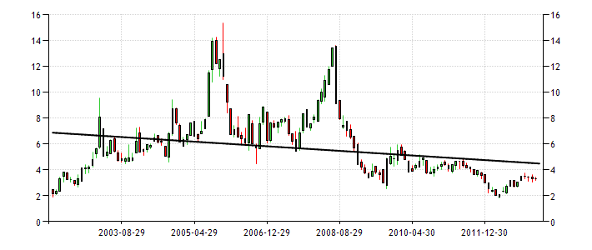

 |  | TREND MOV AVG MEAN MAX MIN | EMBED CHART

