Plant Additions
LNG plant, depreciation, taxes - AMA |  |  |  |  |  |  | 543,228
Attachment A to LNG Accounting Instructions
Used & Useful (Staff) | 1.0000 |  | Gas Quality | (543,228) | (543,228) | Gas Quality Monthly | (1,174) | (14,084.25) | 0.02592695619
 | From PowerPlant Subsidiary Ledger and Tax Calcs by Depr Group
Date | Depreciable Plant Balance |  | Depreciation Expense |  |  | Accumulated Depreciation |  | Net Book Value |  | NBV Diff | ADFIT | DFIT | EOP NBV
 |  |  |  |  |  |  |  |  |  |  |  | Expense (k) | Less ADIT
 | Tax | Book | Tax (c) = (a) | Book Depr | as filedBook Depr | Tax | Book | Tax | Book | Book > Tax |  | = - curr mos
 |  |  | x Tax Table | Expense | Expense | (e) = prior | (f) = prior |  |  | (Book < Tax) | 21% | (j) + prior
 | (a) | (b) |  | (d) | (d) | mos- (c) | mos - (d) | (g) = (a) + (e) | (h) = (b) + (f) | (i) = (h) - (g) | (j) | mos (j) | (l) = (h) + (j)
 |  |  |  | a
2022-01-31 | - | - | 770,282 | - | - | (770,282) | - | (770,282) | - | 770,282 | (161,759) | 161,759 | (161,759)
2022-02-28 | 242,210,482 | 241,667,254 | 771,841 | 270,346 | 270,933 | (1,542,123) | (270,346) | 240,668,359 | 241,396,909 | 728,549 | (152,995) | (8,764) | 241,243,913
2022-03-31 | 242,400,844 | 241,857,616 | 772,222 | 522,407 | 523,580 | (2,314,345) | (792,753) | 240,086,499 | 241,064,863 | 978,365 | (205,457) | 52,461 | 240,859,407
2022-04-30 | 242,473,353 | 241,930,125 | 772,347 | 522,679 | 523,853 | (3,086,692) | (1,315,432) | 239,386,661 | 240,614,693 | 1,228,032 | (257,887) | 52,430 | 240,356,806
2022-05-31 | 242,597,389 | 242,054,161 | 772,683 | 522,884 | 524,057 | (3,859,375) | (1,838,316) | 238,738,014 | 240,215,845 | 1,477,832 | (310,345) | 52,458 | 239,905,501
2022-06-30 | 242,654,035 | 242,110,807 | 772,812 | 523,073 | 524,247 | (4,632,187) | (2,361,389) | 238,021,848 | 239,749,419 | 1,727,570 | (362,790) | 52,445 | 239,386,629
2022-07-31 | 242,711,756 | 242,168,528 | 772,911 | 523,191 | 524,365 | (5,405,098) | (2,884,580) | 237,306,659 | 239,283,949 | 1,977,290 | (415,231) | 52,441 | 238,868,718
2022-08-31 | 242,786,181 | 242,242,953 | 773,023 | 523,328 | 524,502 | (6,178,121) | (3,407,908) | 236,608,060 | 238,835,045 | 2,226,985 | (467,667) | 52,436 | 238,367,378
2022-09-30 | 242,951,020 | 242,407,792 | 773,269 | 523,575 | 524,749 | (6,951,391) | (3,931,483) | 235,999,629 | 238,476,309 | 2,476,680 | (520,103) | 52,436 | 237,956,206
2022-10-31 | 243,004,226 | 242,460,998 | 773,394 | 523,801 | 524,974 | (7,724,785) | (4,455,284) | 235,279,441 | 238,005,715 | 2,726,273 | (572,517) | 52,415 | 237,433,197
2022-11-30 | 243,073,722 | 242,530,494 | 773,587 | 523,929 | 525,102 | (8,498,372) | (4,979,212) | 234,575,350 | 237,551,282 | 2,975,931 | (624,946) | 52,428 | 236,926,336
2022-12-31 | 243,176,936 | 242,633,708 | 773,813 | 524,108 | 525,282 | (9,272,185) | (5,503,320) | 233,904,751 | 237,130,388 | 3,225,637 | (677,384) | 52,438 | 236,453,004
2023-01-31 | 243,164,614 | 242,621,386 | 1,478,521 | 524,203 | 525,377 | (10,750,706) | (6,027,523) | 232,413,907 | 236,593,863 | 4,179,955 | (877,791) | 200,407 | 235,716,072
2023-02-28 | 243,189,559 | 242,646,331 | 1,478,558 | 524,216 | 525,390 | (12,229,265) | (6,551,739) | 230,960,295 | 236,094,592 | 5,134,298 | (1,078,202) | 200,412 | 235,016,390
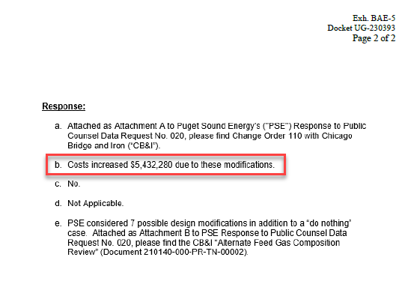
2023-03-31 | 243,198,714 | 242,655,486 | 1,478,572 | 524,251 | 525,425 | (13,707,836) | (7,075,990) | 229,490,877 | 235,579,495 | 6,088,618 | (1,278,610) | 200,407 | 234,300,886
2023-04-30 | 243,198,714 | 242,655,486 | 1,478,572 | 524,292 | 525,465 | (15,186,408) | (7,600,282) | 228,012,305 | 235,055,204 | 7,042,898 | (1,479,009) | 200,399 | 233,576,195
2023-05-31 | 243,198,714 | 242,655,486 | 1,478,572 | 524,292 | 525,465 | (16,664,980) | (8,124,573) | 226,533,734 | 234,530,912 | 7,997,179 | (1,679,408) | 200,399 | 232,851,505
2023-06-30 | 243,198,714 | 242,655,486 | 1,478,572 | 524,292 | 525,465 | (18,143,552) | (8,648,865) | 225,055,162 | 234,006,621 | 8,951,459 | (1,879,806) | 200,399 | 232,126,814
2023-07-31 | 243,198,714 | 242,655,486 | 1,478,572 | 524,292 | 525,465 | (19,622,123) | (9,173,156) | 223,576,590 | 233,482,329 | 9,905,739 | (2,080,205) | 200,399 | 231,402,124
2023-08-31 | 243,198,714 | 242,655,486 | 1,478,572 | 524,292 | 525,465 | (21,100,695) | (9,697,448) | 222,098,018 | 232,958,038 | 10,860,019 | (2,280,604) | 200,399 | 230,677,434
2023-09-30 | 243,198,714 | 242,655,486 | 1,478,572 | 524,292 | 525,465 | (22,579,267) | (10,221,739) | 220,619,447 | 232,433,746 | 11,814,300 | (2,481,003) | 200,399 | 229,952,743
2023-10-31 | 243,198,714 | 242,655,486 | 1,478,572 | 524,292 | 525,465 | (24,057,839) | (10,746,031) | 219,140,875 | 231,909,455 | 12,768,580 | (2,681,402) | 200,399 | 229,228,053
2023-11-30 | 243,198,714 | 242,655,486 | 1,478,572 | 524,292 | 525,465 | (25,536,410) | (11,270,322) | 217,662,303 | 231,385,163 | 13,722,860 | (2,881,801) | 200,399 | 228,503,363
2023-12-31 | 243,198,714 | 242,655,486 | 1,478,572 | 524,292 | 525,465 | (27,014,982) | (11,794,614) | 216,183,731 | 230,860,872 | 14,677,140 | (3,082,199) | 200,399 | 227,778,672
2024-01-31 | 243,198,714 | 242,655,486 | 1,348,165 | 524,292 | 525,465 | (28,363,147) | (12,318,905) | 214,835,566 | 230,336,580 | 15,501,014 | (3,255,213) | 173,013 | 227,081,367 | $5,432,280
2024-02-28 | 243,198,714 | 242,655,486 | 1,348,165 | 524,292 | 525,465 | (29,711,312) | (12,843,197) | 213,487,402 | 229,812,289 | 16,324,887 | (3,428,226) | 173,013 | 226,384,062 | 10% | Liquefaction Allocator
2024-03-31 | 243,198,714 | 242,655,486 | 1,348,165 | 524,292 | 525,465 | (31,059,477) | (13,367,488) | 212,139,237 | 229,287,997 | 17,148,761 | (3,601,240) | 173,013 | 225,686,758 | $543,228
2024-04-30 | 243,198,714 | 242,655,486 | 1,348,165 | 524,292 | 525,465 | (32,407,642) | (13,891,780) | 210,791,072 | 228,763,706 | 17,972,634 | (3,774,253) | 173,013 | 224,989,453
2024-05-31 | 243,198,714 | 242,655,486 | 1,348,165 | 524,292 | 525,465 | (33,755,807) | (14,416,071) | 209,442,907 | 228,239,414 | 18,796,507 | (3,947,267) | 173,013 | 224,292,148
2024-06-30 | 243,198,714 | 242,655,486 | 1,348,165 | 524,292 | 525,465 | (35,103,972) | (14,940,363) | 208,094,742 | 227,715,123 | 19,620,381 | (4,120,280) | 173,013 | 223,594,843
2024-07-31 | 243,198,714 | 242,655,486 | 1,348,165 | 524,292 | 525,465 | (36,452,137) | (15,464,654) | 206,746,577 | 227,190,831 | 20,444,254 | (4,293,293) | 173,013 | 222,897,538
2024-08-31 | 243,198,714 | 242,655,486 | 1,348,165 | 524,292 | 525,465 | (37,800,302) | (15,988,946) | 205,398,412 | 226,666,540 | 21,268,128 | (4,466,307) | 173,013 | 222,200,233
2024-09-30 | 243,198,714 | 242,655,486 | 1,348,165 | 524,292 | 525,465 | (39,148,466) | (16,513,237) | 204,050,247 | 226,142,248 | 22,092,001 | (4,639,320) | 173,013 | 221,502,928
2024-10-31 | 243,198,714 | 242,655,486 | 1,348,165 | 524,292 | 525,465 | (40,496,631) | (17,037,529) | 202,702,082 | 225,617,957 | 22,915,875 | (4,812,334) | 173,013 | 220,805,623
2024-11-30 | 243,198,714 | 242,655,486 | 1,348,165 | 524,292 | 525,465 | (41,844,796) | (17,561,820) | 201,353,917 | 225,093,665 | 23,739,748 | (4,985,347) | 173,013 | 220,108,318

Note: No significant plant additions for Tacoma LNG are forecasted through October 2024.

AMA Balances (Oct 2023-Oct 2024)
Plant | $242,655,486
Accum Dep | $(13,891,780)
ADFIT | $(3,769,689)

ROR
 | weight | cost | Total
debt | 51% | 5% | 2.55%
equity | 49% | 9.40% | 4.61%
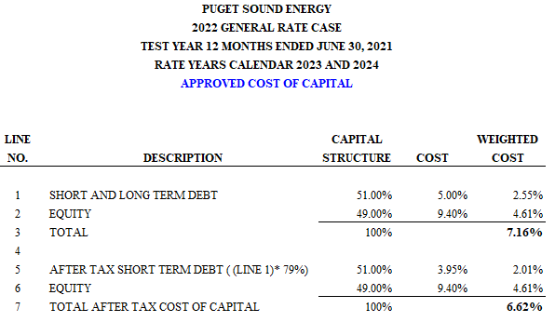
 | 100.00% |  | 7.16%

