191 Accounts
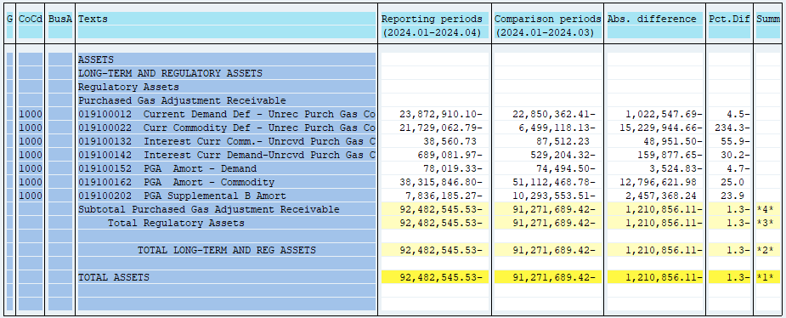
PUGET SOUND ENERGY
PGA 191 Account Balances
April
2024

 |  | Acct No. | Apr-24

Surcharge/Refund Amortization Accounts:
PGA Refund/Surcharge Amortization (Demand) |  | 19100152
 | Beginning |  | $(74,494.50)
 | Transfer Deferral Amounts to Surcharge/Refund Account
 | Surcharge/Refund Amortization |  | 5,245.00
 | Migration Credit
 | Interest |  | (8,769.83)
 | Total Month |  | (3,524.83)
 | Ending |  | $(78,019.33)

PGA Refund/Surcharge Amortization (Commodity) - 106 |  | 19100162
 | Beginning |  | $(51,112,468.78)
 | Transfer Deferral Amounts to Surcharge/Refund Account
 | Surcharge/Refund Amortization |  | 13,058,153.00
 | Migration Credit
 | Interest |  | (261,531.02)
 | Total Month |  | 12,796,621.98
 | Ending |  | $(38,315,846.80)

PGA Supplemental Amortization (Demand) - 106B |  | 19100202
 | Beginning |  | $(10,293,553.51)
 | Transfer Deferral Amounts to Surcharge/Refund Account
 | Surcharge/Refund Amortization |  | 2,557,195.00
 | Migration Credit
 | Interest |  | (99,826.76)
 | Total Month |  | 2,457,368.24
 | Ending |  | $(7,836,185.27)

NWP Refund for Gas (Demand) |  | 19100212
 | Beginning |  | $-
 | Rcrd Northwest Pipeline Refund Alloc to Gas Book
 | Reclass to PLNG
 | Transfer Deferral Amounts to Surcharge/Refund Account |  | $-
 | Surcharge/Refund Amortization
 | Interest
 | Total Month |  | -
 | Ending |  | $-

Current Demand Deferral |  | 19100012
 | Beginning |  | $(22,850,362.41)
 | Transfer Deferral Amounts to Surcharge/Refund Account
 | Deferral |  | (1,022,547.69)
 | Total Month |  | (1,022,547.69)
 | Ending |  | $(23,872,910.10)

Current Commodity Deferral |  | 19100022
 | Beginning |  | $(6,499,118.13)
 | Transfer Deferral Amounts to Surcharge/Refund Account
 | PGA Deferral Commd Vlntr RNG CR Tru-up 12/21-05/22
 | Deferral |  | (15,229,944.66)
 | Total Month |  | (15,229,944.66)
 | Ending |  | $(21,729,062.79)

Interest on Demand Deferral |  | 19100142
 | Beginning |  | $(529,204.32)
 | Transfer Interest Amounts to Surcharge/Refund Account
 | Interest |  | (159,877.65)
 | Total Month |  | (159,877.65)
 | Ending |  | $(689,081.97)

Interest on Commodity Deferral |  | 19100132
 | Beginning |  | $87,512.23
 | Transfer Interest Amounts to Surcharge/Refund Account
 | Interest |  | (48,951.50)
 | Total Month |  | (48,951.50)
 | Ending |  | $38,560.73

Total 191
 | Beginning |  | $(91,271,689.42)
 | Total Month |  | (1,210,856.11)
 | Ending |  | $(92,482,545.53)
Less: Acct. being Amortized |  |  | (46,230,051.40)
Current Period Under/(Over) Recovered |  |  | $(46,252,494.13)

