Qual TY SAP
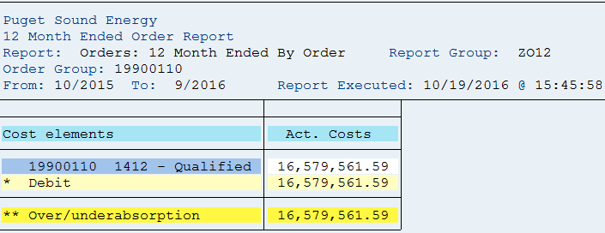
ZO12 Orders: Actual 12 Month Ended
Date: 10/19/2016
Pages: 3
Requested by: Akello

Orders | 12 Months | 9/2016 | 8/2016 | 7/2016 | 6/2016 | 5/2016 | 4/2016 | 3/2016 | 2/2016 | 1/2016 | 12/2015 | 11/2015 | 10/2015
19900110 1412 - Qualified Retirement Pl | 16,579,562 | 1,678,475 | 1,146,917 | 1,146,917 | 1,146,917 | 1,146,917 | 1,146,917 | 1,148,886 | 1,146,917 | 1,146,917 | 1,907,928 | 1,907,928 | 1,907,928
* Debit | 16,579,562 | 1,678,475 | 1,146,917 | 1,146,917 | 1,146,917 | 1,146,917 | 1,146,917 | 1,148,886 | 1,146,917 | 1,146,917 | 1,907,928 | 1,907,928 | 1,907,928
** Over/underabsorption | 16,579,562 | 1,678,475 | 1,146,917 | 1,146,917 | 1,146,917 | 1,146,917 | 1,146,917 | 1,148,886 | 1,146,917 | 1,146,917 | 1,907,928 | 1,907,928 | 1,907,928

