Proposal
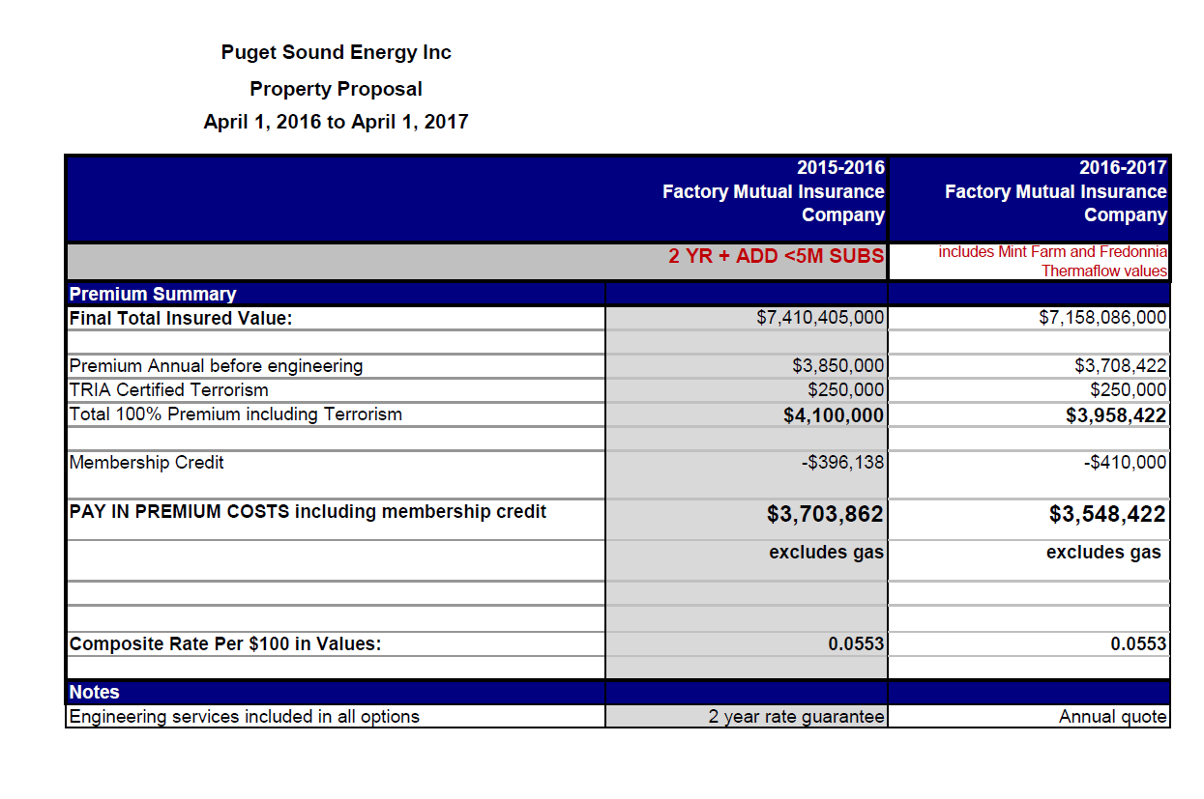

 |  |  |  |  | > | 3,958,422 | <=Total 100% Premium including Terrorism

 |  |  |  |  |  | (410,000) | <=Membership Credit

 |  |  |  |  |  | 3,548,422 | <= 2016-2017 invoice amount

 | Insurance Policy Apr 2016 - Apr 2017 | Direct Allocate | Remaining | Total
92400113 | 3,204,114 | 1,968,109 | 1,236,005 | 3,204,114
Colstrip1&2 | 266,565 | 266,565 | (0) | 266,565
Colstrip3&4 | 283,142 | 283,142 | - | 283,142
Freddy 1 | 245,507 | 245,507 | - | 245,507
Sumas pipeline | 758 | 454 | 304 | 758
Electric | 4,000,086 | 2,763,777 | 1,236,309 | 4,000,086

92400308 | 104,482 | 7,112 | 97,370 | 104,482
92400322 (Jackson Prairie) | 33,815 | 29,027 | 4,788 | 33,815
Gas | 138,297 | 36,138 | 102,159 | 138,297

92400634 | 174,137 | 205,253 | (31,116) | 174,137
92400635 | 31,116 | - | 31,116 | 31,116
Common | 205,253 | 205,253 | (0) | 205,253

Total | 4,343,636 | 3,005,168 | 1,338,467 | 4,343,636

Colstrip Ins
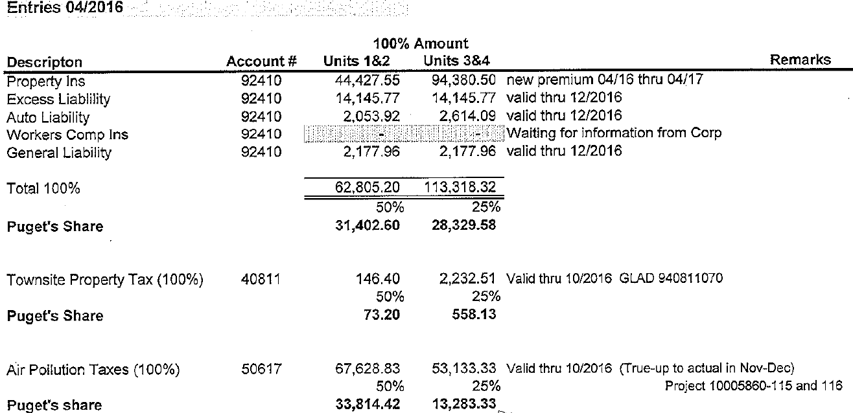
Colstrip 1&2 and 3&4 Property Insurance for 4/16 - 4/17
Order #92400005 |  |  |  |  | April 1, 2016 - April 1, 2017
 |  |  |  |  |  | Colstrip 1&2 | Colstrip 3&4
 |  |  |  |  | Ins Premium per Month | 44,428 | 94,381
 |  |  |  |  | Annual (12 mos) | 533,131 | 1,132,566
 |  |  |  |  | PSE's ownership | 50% | 25% |  | Ck
 |  |  |  |  | PSE's share (12 mos) | 266,565 | 283,142 | 549,707 | - | <=Annualized policy Apr 2016 - April 2017
 |  |  |  |  | PSE's Monthly | 22,214 | 23,595
 |  |  |  |  | Apr 16 - Mar 17 (6 mos.) | 133,283 | 141,571 | 274,853 | Total

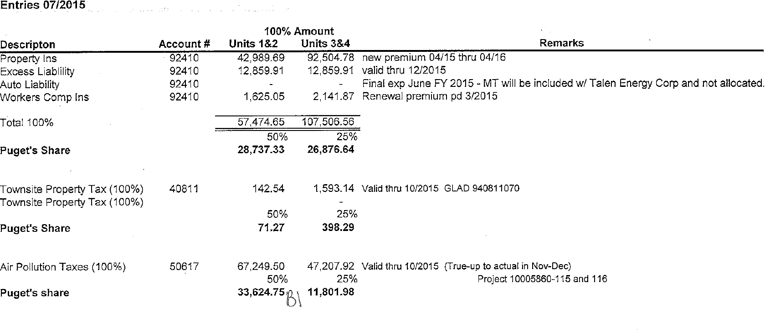
Colstrip 1&2 and 3&4 Property Insurance for 4/15 - 4/16
Order #92400005
 |  |  |  |  | April 1, 2015 - April 1, 2016
 |  |  |  |  |  | Colstrip 1&2 | Colstrip 3&4
 |  |  |  |  | Ins Premium per Month | 42,990 | 92,505
 |  |  |  |  | Annual (12 mos) | 515,876 | 1,110,057
 |  |  |  |  | PSE's ownership | 50% | 25%
 |  |  |  |  | PSE's share (12 mos) | 257,938 | 277,514
 |  |  |  |  | PSE's Monthly | 21,495 | 23,126
 |  |  |  |  | Oct 15 - Mar 16 (6 mos.) | 128,969 | 138,757 | 267,726 | Total

 |  | Liability Insurance
 | Order #92400005 | Colstrip 1&2 | Colstrip 3&4
 | Oct-15 | 14,485 | 15,002
 | Nov-15 | 14,485 | 15,002
 | Dec-15 | 14,485 | 15,002
 | Jan-16 | 18,378 | 18,938
 | Feb-16 | 18,378 | 18,938
 | Mar-16 | 18,378 | 18,938
 | Apr-16 | 18,378 | 18,938
 | May-16 | 18,378 | 18,938
 | Jun-16 | 28,653 | 33,238
 | Jul-16 | 21,606 | 23,431
 | Aug-16 | 20,307 | 21,623
 | Sep-16 | 20,307 | 21,623
 | Annual (12 mos) | 226,215 | 239,607
 | PSE's ownership | 50% | 25%
 | PSE's Test Year | 113,107 | 59,902 | 173,009

