Exhibit No.__(JAP-Rate Spread)
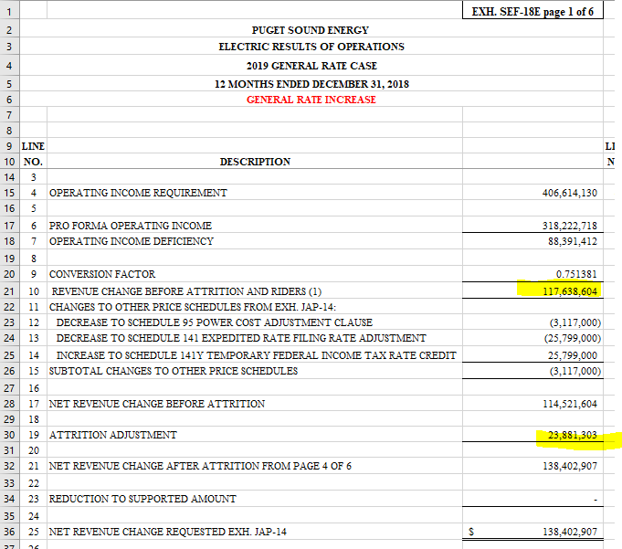
Puget Sound Energy
Twelve Months ended December 2018
Summary - Rate Spread

Line No. | Voltage Level | Schedule | MWh | Proforma Revenue ($000) | Proposed Increase ($) | Percent of Total w/o Schedule 449, MSSC & Firm Resale | Percent of Uniform Increase | Proposed Revenue Increase (%) | Proposed Revenue Increase ($000) | Proposed Revenue ($000) | Proposed Revenue Increase ($)
 |  |  | A | B | C | D | E | F | G = B * F | H = B + G

1 | Residential | 7 | 10,623,030 | $1,105,897 |  | 55.82% | 100% | 7.60% | $84,095 | $1,189,991 | $84,094,670
2 |  |  |  |  |  |  |  |  |  |  | $-
3 | Secondary Voltage |  |  |  |  |  |  |  |  |  | $-
4 | Demand <= 50 kW | 8 / 24 | 2,700,129 | $263,390 |  | 13.30% | 100% | 7.60% | $20,029 | $283,419 | $20,028,753
5 | Demand > 50 kW but <= 350 kW | 7A / 11/ 25 / 29 | 3,006,174 | $270,703 |  | 13.66% | 75% | 5.70% | $15,439 | $286,142 | $15,438,628
6 | Demand > 350 kW | 12 / 26 / 26P | 1,941,301 | $160,281 |  | 8.09% | 75% | 5.70% | $9,141 | $169,422 | $9,141,066
7 | Total Secondary Voltage |  | 7,647,604 | $694,374 |  |  |  |  | $44,608 | $738,983 | $44,608,448
8 |  |  |  |  |  |  |  |  |  |  | $-
9 | Primary Voltage |  |  |  |  |  |  |  |  |  | $-
10 | General Service | 10 / 31 | 1,407,978 | $113,255 |  | 5.72% | 100% | 7.60% | $8,612 | $121,867 | $8,612,162
11 | Irrigation | 35 | 4,444 | $268 |  | 0.01% | 150% | 11.41% | $31 | $299 | $30,571
12 | Interruptible Total Electric Schools | 43 | 122,501 | $10,687 |  | 0.54% | 125% | 9.51% | $1,016 | $11,703 | $1,015,841
13 | Total Primary Voltage |  | 1,534,923 | $124,210 |  |  |  |  | $9,659 | $133,869 | $9,658,574
14 |  |  |  |  |  |  |  |  |  |  | $-
15 | Total High Voltage | 46 / 49 | 620,611 | $40,128 |  | 2.03% | 75% | 5.70% | $2,289 | $42,417 | $2,288,577
16 |  |  |  |  |  |  |  |  |  |  | $-
17 | Choice / Retail Wheeling / Special Contract | 449 / 459 / SC | 2,364,948 | $15,608 |  |  |  | -6.76% | $(1,054) | $14,554 | $(1,054,359)
18 |  |  |  |  |  |  |  |  |  |  | $-
19 | Lighting | 50-59 | 69,969 | $16,458 |  | 0.83% | 125% | 9.51% | $1,564 | $18,022 | $1,564,329
20 |  |  |  |  |  |  |  |  |  |  | $-
21 | Total Jurisdictional Retail Sales |  | 22,861,085 | $1,996,675 |  |  |  | 7.07% | $141,160 | $2,137,836 | $141,160,237
22 |  |  |  |  |  |  |  |  |  |  | $-
23 | Firm Resale |  | 7,170 | $327 |  |  |  | 109.87% | $360 | $687 | $359,670
24 |  |  |  |  |  |  |  |  |  |  | $-
25 | Total Sales |  | 22,868,255 | $1,997,003 | $141,519,907 | 100.00% |  | 7.09% | $141,520 | $2,138,523 | $141,519,907
26
27
28 | Average Increase Before Transportation, Special Contract & Firm Resale |  |  |  |  |  |  | 7.09%
29 | Average Increase After Transportation, Special Contract, Firm Resale |  |  |  |  |  |  | 7.18%
30 | Adjustment to Average Increase for Unequal Allocation of Increase |  |  |  |  |  |  | 1.0592756741
31 | Average Increase After Firm Resale adjusted for Unequal Allocation of Increase |  |  |  |  |  |  | 7.60%

