191 Accounts
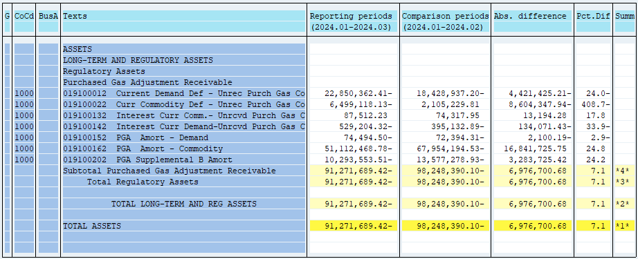
PUGET SOUND ENERGY
PGA 191 Account Balances
March
2024

 |  | Acct No. | Mar-24

Surcharge/Refund Amortization Accounts:
PGA Refund/Surcharge Amortization (Demand) |  | 19100152
 | Beginning |  | $(72,394.31)
 | Transfer Deferral Amounts to Surcharge/Refund Account
 | Surcharge/Refund Amortization |  | 7,005.00
 | Migration Credit
 | Interest |  | (9,105.19)
 | Total Month |  | (2,100.19)
 | Ending |  | $(74,494.50)

PGA Refund/Surcharge Amortization (Commodity) - 106 |  | 19100162
 | Beginning |  | $(67,954,194.53)
 | Transfer Deferral Amounts to Surcharge/Refund Account
 | Surcharge/Refund Amortization |  | 17,218,388.00
 | Migration Credit
 | Interest |  | (376,662.25)
 | Total Month |  | 16,841,725.75
 | Ending |  | $(51,112,468.78)

PGA Supplemental Amortization (Demand) - 106B |  | 19100202
 | Beginning |  | $(13,577,278.93)
 | Transfer Deferral Amounts to Surcharge/Refund Account
 | Surcharge/Refund Amortization |  | 3,407,836.00
 | Migration Credit
 | Interest |  | (124,110.58)
 | Total Month |  | 3,283,725.42
 | Ending |  | $(10,293,553.51)

NWP Refund for Gas (Demand) |  | 19100212
 | Beginning |  | $-
 | Rcrd Northwest Pipeline Refund Alloc to Gas Book
 | Reclass to PLNG
 | Transfer Deferral Amounts to Surcharge/Refund Account |  | $-
 | Surcharge/Refund Amortization
 | Interest
 | Total Month |  | -
 | Ending |  | $-

Current Demand Deferral |  | 19100012
 | Beginning |  | $(18,428,937.20)
 | Transfer Deferral Amounts to Surcharge/Refund Account
 | Deferral |  | (4,421,425.21)
 | Total Month |  | (4,421,425.21)
 | Ending |  | $(22,850,362.41)

Current Commodity Deferral |  | 19100022
 | Beginning |  | $2,105,229.81
 | Transfer Deferral Amounts to Surcharge/Refund Account
 | PGA Deferral Commd Vlntr RNG CR Tru-up 12/21-05/22
 | Deferral |  | (8,604,347.94)
 | Total Month |  | (8,604,347.94)
 | Ending |  | $(6,499,118.13)

Interest on Demand Deferral |  | 19100142
 | Beginning |  | $(395,132.89)
 | Transfer Interest Amounts to Surcharge/Refund Account
 | Interest |  | (134,071.43)
 | Total Month |  | (134,071.43)
 | Ending |  | $(529,204.32)

Interest on Commodity Deferral |  | 19100132
 | Beginning |  | $74,317.95
 | Transfer Interest Amounts to Surcharge/Refund Account
 | Interest |  | 13,194.28
 | Total Month |  | 13,194.28
 | Ending |  | $87,512.23

Total 191
 | Beginning |  | $(98,248,390.10)
 | Total Month |  | 6,976,700.68
 | Ending |  | $(91,271,689.42)
Less: Acct. being Amortized |  |  | (61,480,516.79)
Current Period Under/(Over) Recovered |  |  | $(29,791,172.63)

