191
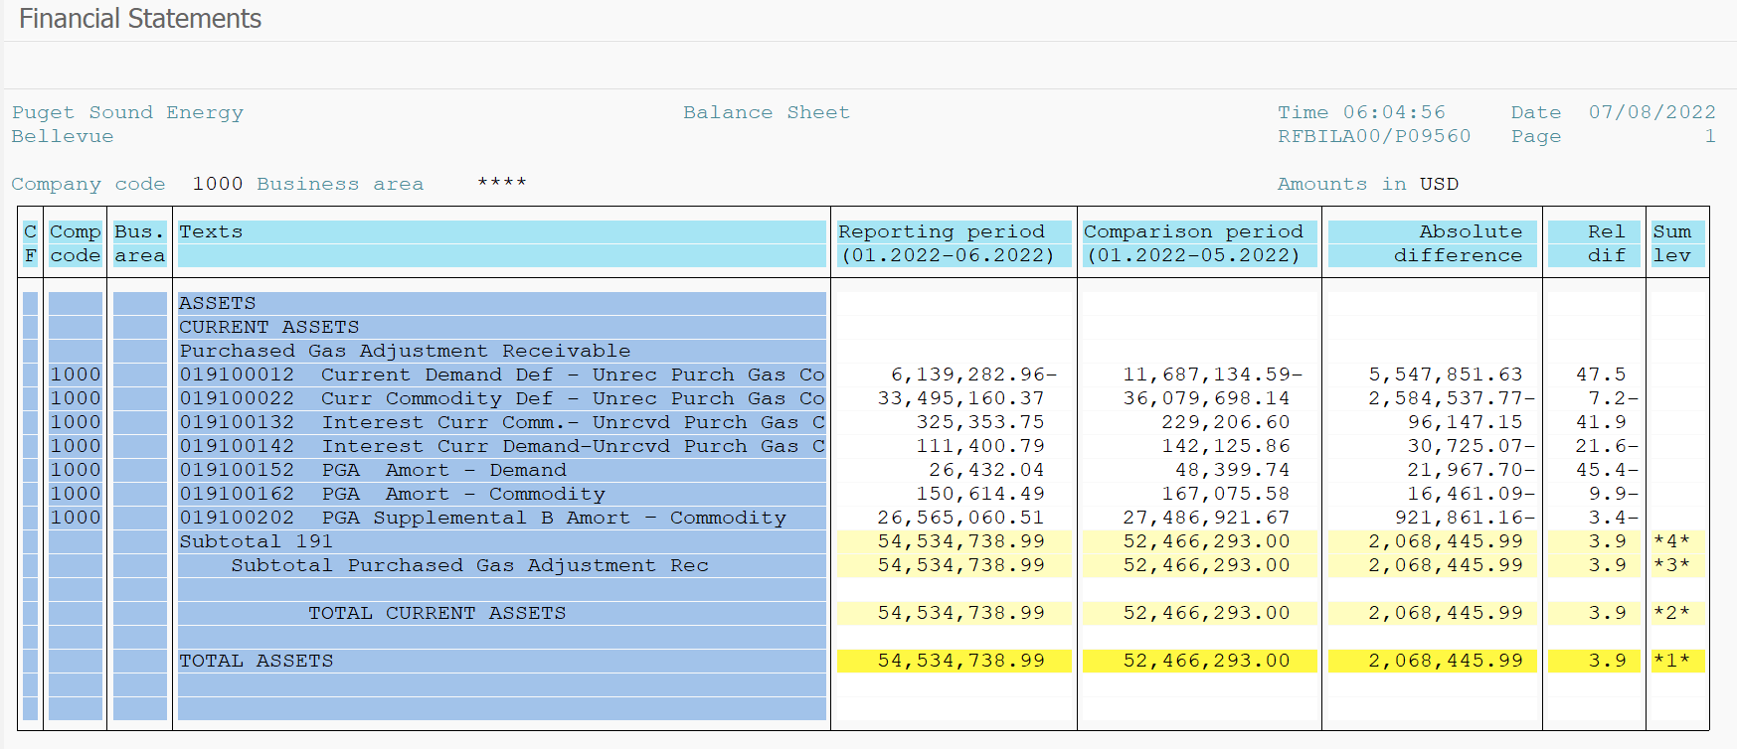
PUGET SOUND ENERGY
PGA 191 Account Balances
June
2022

 |  | Acct No. | Jun-22

Surcharge/Refund Amortization Accounts:
PGA Refund/Surcharge Amortization (Demand) |  | 19100152
 | Beginning |  | $48,399.74
 | Transfer Deferral Amounts to Surcharge/Refund Account
 | Surcharge/Refund Amortization |  | (18,504.00)
 | Migration Credit |  | (0.01)
 | Interest |  | (3,463.69)
 | Total Month |  | (21,967.70)
 | Ending |  | $26,432.04

PGA Refund/Surcharge Amortization (Commodity) - 106 |  | 19100162
 | Beginning |  | $167,075.58
 | Transfer Deferral Amounts to Surcharge/Refund Account
 | Surcharge/Refund Amortization |  | (27,924.00)
 | Migration Credit |  | 0.77
 | Interest |  | 11,462.14
 | Total Month |  | (16,461.09)
 | Ending |  | $150,614.49

PGA Supplemental Amortization (Commodity) - 106A |  | 19100192
 | Beginning |  | $-
 | Transfer Deferral Amounts to Surcharge/Refund Account |  | -
 | Surcharge/Refund Amortization |  | -
 | Migration Credit |  | -
 | Interest |  | -
 | Total Month |  | -
 | Ending |  | $-

PGA Supplemental Amortization (Commodity) - 106B |  | 19100202
 | Beginning |  | $27,486,921.67
 | Transfer Deferral Amounts to Surcharge/Refund Account
 | Surcharge/Refund Amortization |  | (978,273.00)
 | Migration Credit
 | Interest |  | 56,411.84
 | Total Month |  | (921,861.16)
 | Ending |  | $26,565,060.51

Current Demand Deferral |  | 19100012
 | Beginning |  | $(11,687,134.59)
 | Transfer Deferral Amounts to Surcharge/Refund Account
 | Deferral |  | 5,547,851.63
 | Total Month |  | 5,547,851.63
 | Ending |  | $(6,139,282.96)

Current Commodity Deferral |  | 19100022
 | Beginning |  | $36,079,698.14
 | Transfer Deferral Amounts to Surcharge/Refund Account
 | PGA Deferral Commd Vlntr RNG CR Tru-up 12/21-05/22 |  | 5,260.00
 | Deferral |  | (2,589,797.77)
 | Total Month |  | (2,584,537.77)
 | Ending |  | $33,495,160.37

Interest on Demand Deferral |  | 19100142
 | Beginning |  | $142,125.86
 | Transfer Interest Amounts to Surcharge/Refund Account
 | Interest |  | (30,725.07)
 | Total Month |  | (30,725.07)
 | Ending |  | $111,400.79

Interest on Commodity Deferral |  | 19100132
 | Beginning |  | $229,206.60
 | Transfer Interest Amounts to Surcharge/Refund Account
 | Interest |  | 96,147.15
 | Total Month |  | 96,147.15
 | Ending |  | $325,353.75

Total 191
 | Beginning |  | $52,466,293.00
 | Total Month |  | 2,068,445.99
 | Ending |  | $54,534,738.99
Less: Acct. being Amortized |  |  | 26,742,107.04
Current Period Under/(Over) Recovered |  |  | $27,792,631.95

