LNG O&M
 |  |  |  | Amount
 |  |  | Fiscal year | 2020
Order type | CO Order |  | Partner object | $ | PSE | PLNG | Total
LGE1 | 170500000 | PLNG General - 43/57 O&M External | 000092306185 | -18,505 | 18,505 |  | 18,505
 |  |  | 000149050001 | -24,529 |  | 24,529 | 24,529
 |  |  | # | 43,034
 |  |  | Result | 0 |  |  | 43,034
 | 170500001 | PLNG General S&E - 43/57 O&M Internal | 000018490080 | 40
 |  |  | 000018490300 | 169
 |  |  | 000023290020 | 85
 |  |  | 000023290040 | 28
 |  |  | 000084410101 | -546 | 546 |  | 546
 |  |  | 000149050002 | -724 |  | 724 | 724
 |  |  | 1000000000111011001 | 70
 |  |  | 1000000000111011002 | 489
 |  |  | # | 388
 |  |  | Result | 0 |  |  | 1,270
 | 170500003 | PLNG Fuel Marketing - 0/100 O&M External | 000149050004 | -161,798 |  | 161,798 | 161,798
 |  |  | # | 161,798
 |  |  | Result | 0 |  |  | 161,798
 | 170500004 | PLNG Fuel Marketing - 0/100 O&M Internal | 000018490080 | 13,869
 |  |  | 000018490300 | 51,445
 |  |  | 000023290020 | 25,808
 |  |  | 000023290040 | 13,668
 |  |  | 000149050005 | -309,491 |  | 309,491 | 309,491
 |  |  | 1000000000104011026 | 537
 |  |  | 1000000000143611015 | 61,266
 |  |  | 1000000000144611007 | 2,110
 |  |  | 1000000000144611014 | 2,022
 |  |  | 1000000000190011008 | 9,014
 |  |  | 1000000000442611014 | 1,700
 |  |  | 1000000000536111008 | 45,123
 |  |  | 1000000000536311015 | 42,956
 |  |  | 1000000000536311020 | 5,060
 |  |  | # | 34,915
 |  |  | Result | 0 |  |  | 309,491
 | 170500040 | 5023 - PLNG A&G Sup - 43/57 O&M Internal | 000018490080 | -78
 |  |  | 000018490300 | -255
 |  |  | 000023290020 | -128
 |  |  | 000023290040 | -95
 |  |  | 000092004050 | -40 | 40 |  | 40
 |  |  | 000149050014 | -53 |  | 53 | 53
 |  |  | 1000000000502311015 | -843
 |  |  | # | 1,491
 |  |  | Result | 0 |  |  | 93
 | 170500060 | LNG Outreach Campaign - Common | 000018490080 | 210
 |  |  | 000018490300 | 761
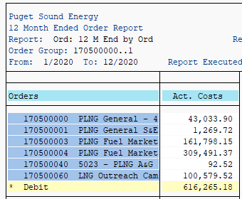
 |  |  | 000023290020 | 382
 |  |  | 000023290040 | 217
 |  |  | 000042640017 | -39,479 | 39,479 |  | 39,479 | 426.4 is below the line
 |  |  | 000042640619 | -3,770 | 3,770 |  | 3,770 | 426.4 is below the line
 |  |  | 000149050100 | -57,330 |  | 57,330 | 57,330
 |  |  | 1000000000143211015 | 539
 |  |  | 1000000000144611007 | 1,028
 |  |  | 1000000000144611014 | 916
 |  |  | 1000000000144611022 | 27
 |  |  | # | 96,500
 |  |  | Result | 0 |  |  | 100,580

 |  | Total By FERC Account: | 426.4 (Below the Line) | (Exclude) | 43,249
 |  |  | 920/923 A&G |  | 18,544
 |  |  | 844 Gas O&M |  | 546
 |  |  | Total |  | 62,340 | 553,926 | 616,265
 |  |  | Expense to Remove |  | 19,090 |  | 0 | <==Check

ADIT
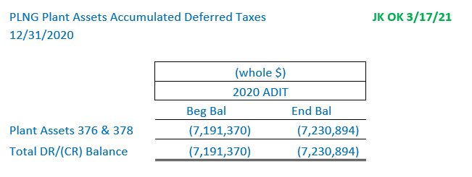
per Tax Department:

Tacoma LNG Plant Assets Accumulated Deferred Taxes
2020-12-31

 | 2020 ADIT
 | Beg Bal | End Bal
Plant Assets G376 & G378 | (7,191,370) | (7,230,894)

Total DR/(CR) Balance | (7,191,370) | (7,230,894)

 |  |  |  |  |  |  |  |  |  |  |  |  |  | Dec-20
 | Dec-19 | Jan-20 | Feb-20 | Mar-20 | Apr-20 | May-20 | Jun-20 | Jul-20 | Aug-20 | Sep-20 | Oct-20 | Nov-20 | Dec-20 | AMA
Plant Assets G376 & G378 | (7,191,370) | (7,194,664) | (7,197,957) | (7,201,251) | (7,204,545) | (7,207,838) | (7,211,132) | (7,214,426) | (7,217,719) | (7,221,013) | (7,224,307) | (7,227,600) | (7,230,894) | (7,211,132)

Total DR/(CR) Balance | (7,191,370) | (7,194,664) | (7,197,957) | (7,201,251) | (7,204,545) | (7,207,838) | (7,211,132) | (7,214,426) | (7,217,719) | (7,221,013) | (7,224,307) | (7,227,600) | (7,230,894) | (7,211,132)
 |  |  |  |  |  |  |  |  |  |  |  | check | -

