TY
Puget Sound Energy
12ME Sept 30, 2016
Rate Case Costs

Orders | Act. Costs | Elec | Gas
 |  | 67.18% | 32.82% | <== Current Allocation Method #4: 4-Factor Allocator
92800107 1310 - Regulatory Exp State - 2013 PCORC | 0 | 0 | 0
92800108 1310 - Regulatory Exp State - 2014 PCORC | 0 | 0 | 0 |  | SAP 928 orders GRC Expenses
Total PCORC for Test Year | 0 | 0 |  |  | 92800016 | CLSD 1320 -2007 General Rate Case - E
 |  |  |  |  | 92800017 | CLSD 1320 -2009 General Rate Case - E
 |  |  |  |  | 92800018 | CLSD 1320 -2011 General Rate Case - E
 |  |  |  |  | 92800019 | CLSD 1320 - 2012 General Rate Case - E
 |  |  |  |  | 92800109 | 1900 - Regulatory Exp State - 2014 GRC
92800115 1900 - 2016 General Rate Case - Elec | 0 | 0 | -- |  | 92800115 | 1900 - 2016 General Rate Case - Elec
92800308 1900 - 2016 General Rate Case - Gas | 0 | -- | 0 |  | 92800308 | 1900 -2016 General Rate Case - Gas
92800610 1900 - 2016 General Rate Case - Cmn | 268,986 | 180,705 | 88,281 |  | 92800312 | CLSD 1320 -2004 GRC, Rate Case Costs-G
GRC Costs | 268,986 | 180,705 | 88,281 |  | 92800313 | CLSD 1320 -2001 Gen Rate Case Costs-G
 |  |  |  |  | 92800314 | CLSD 1320 -2006 GRC, Rate Case Costs-G
 |  |  |  |  | 92800317 | CLSD 1320 -2007 General Rate Case - G
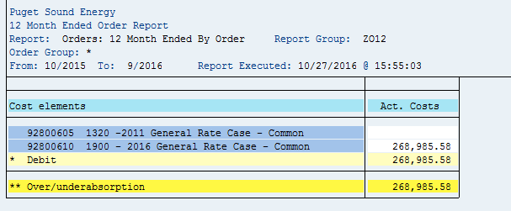
 |  |  |  |  | 92800318 | CLSD 1320 -2009 General Rate Case - G
 |  |  |  |  | 92800319 | CLSD 1320 -2011 General Rate Case - G
 |  |  |  |  | 92800322 | CLSD 1320 - 2012 General Rate Case - G
 |  |  |  |  | 92800601 | CLSD 1320 -2006 GRC, Rate Case Costs-C
 |  |  |  |  | 92800602 | CLSD 1320 - 2007 PCORC Costs-Common
 |  |  |  |  | 92800603 | CLSD 1320 -2007 General Rate Case - C
 |  |  |  |  | 92800604 | CLSD 1320 -2009 General Rate Case - C
 |  |  |  |  | 92800605 | 1320 -2011 General Rate Case - Common
 |  |  |  |  | 92800606 | CLSD 1320 - 2012 General Rate Case - C
 |  |  |  |  | 92800610 | 1900 - 2016 General Rate Case - Common
 |  |  |  |  | 92803001 | Clsd-1320 -2006 GRC, Rate Case Costs-Com
 |  |  |  |  | Total Expenses in TY |  | 268,985.58

