JNS-3 DEI
Puget Sound Pilots |  |  |  | Exh. JNS-4
Account 50880-009 DEI Donations |  |  |  | Docket TP-220513
 |  |  |  | Page 1 of 1

Line No.

1 | Table 1
2 | DEI Donations
3 | Income Statement |  |  |  | $-
4 | PSP Proforma |  |  |  | $20,000
5 | Total Income Statement |  |  |  | $20,000
6
7
8
9 | Total Staff Adjustment |  |  |  | $(20,000.00)
10
11
12
13 | Table 2
14 | DEI Donations
15
16
17 | Date of Payment | Source | Description |  | Amount
18
19 |  | General Ledger | PSP response DR6c |  | $-
20
20
21
22
23 | General ledger shows no activity in this account
24
25 | Support |  |  |  |  | Support
26

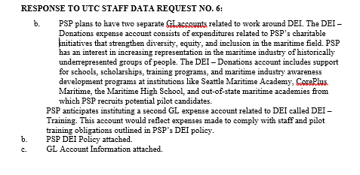
27 | PSP Response to DR 6b Policy
28
29
30
31
32
33
34
35
36
37
38
39
40
41
42
43
44
45
46
47
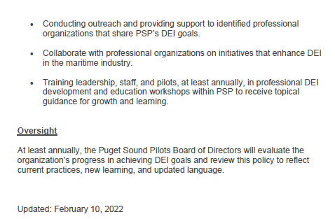
48
49
50
51
52
53
54
55
56
57
58
59
60
61
62
63
64
65
66
67

JNS-4 Misc
Puget Sound Pilots |  |  | Exh. JNS-5
Account 52050-009 Miscellaneous-other (PPP Loan) |  |  | Docket TP-220513
 |  |  | Page 1 of 1

Line No.

1 | Table 1
2 | Misc.-other (PPP Loan)
3 | Income Statement |  |  | $(362,979)
4 | PSP Restating R-12 |  |  | $362,979
5 | Total Income Statement |  |  | $-
6
7
8
9 | Total Staff Restating Adjustment R-12 |  |  | $362,979.06
10
11
12 | Support |  |  |  | Support
13 |  | PPP Application in 2020 and funding |  |  | PSP PPP Loan forgivness 2021
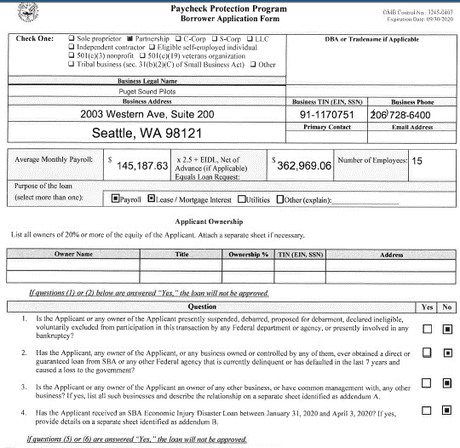
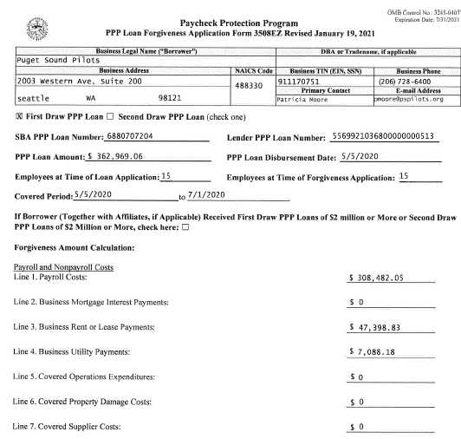
14
15
16
17
18
19
20
21
22
23
24
25
26
27
28
29
30
31
32
33
34
35
36
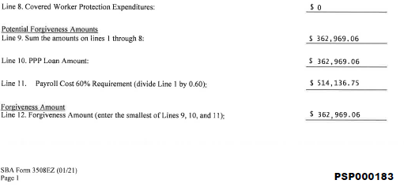
37
38
39
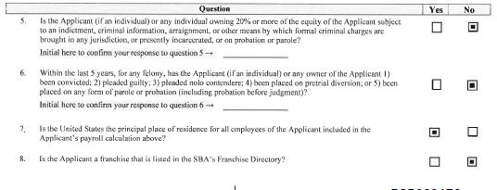
40
41
42
43
44
45
46
47
48
49
50
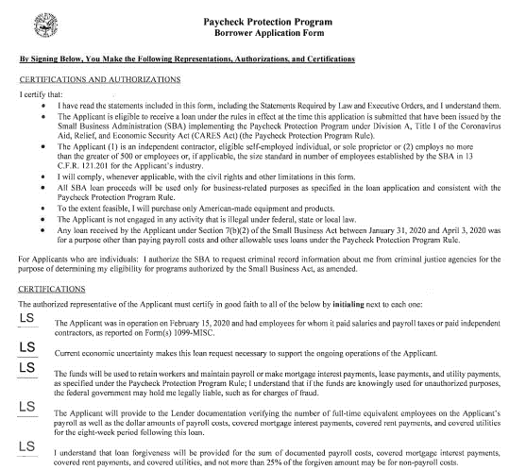
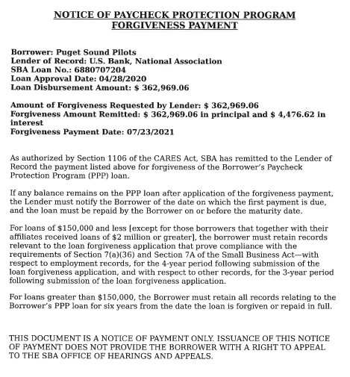
51
52
53
54
55
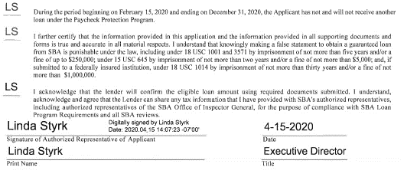
56

