191 Accounts
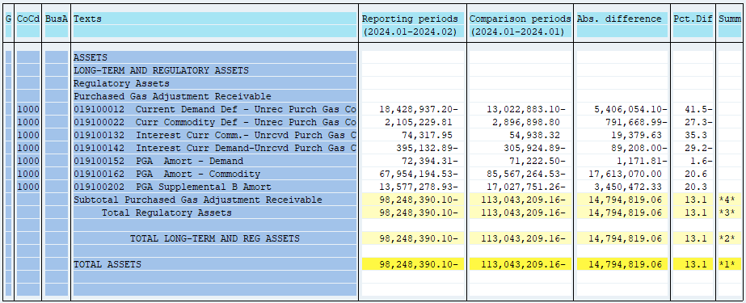
PUGET SOUND ENERGY
PGA 191 Account Balances
February
2024

 |  | Acct No. | Feb-24

Surcharge/Refund Amortization Accounts:
PGA Refund/Surcharge Amortization (Demand) |  | 19100152
 | Beginning |  | $(71,222.50)
 | Transfer Deferral Amounts to Surcharge/Refund Account
 | Surcharge/Refund Amortization |  | 7,396.00
 | Migration Credit
 | Interest |  | (8,567.81)
 | Total Month |  | (1,171.81)
 | Ending |  | $(72,394.31)

PGA Refund/Surcharge Amortization (Commodity) - 106 |  | 19100162
 | Beginning |  | $(85,567,264.53)
 | Transfer Deferral Amounts to Surcharge/Refund Account
 | Surcharge/Refund Amortization |  | 18,088,172.00
 | Migration Credit
 | Interest |  | (475,102.00)
 | Total Month |  | 17,613,070.00
 | Ending |  | $(67,954,194.53)

PGA Supplemental Amortization (Demand) - 106B |  | 19100202
 | Beginning |  | $(17,027,751.26)
 | Transfer Deferral Amounts to Surcharge/Refund Account
 | Surcharge/Refund Amortization |  | 3,590,904.00
 | Migration Credit
 | Interest |  | (140,431.67)
 | Total Month |  | 3,450,472.33
 | Ending |  | $(13,577,278.93)

NWP Refund for Gas (Demand) |  | 19100212
 | Beginning |  | $-
 | Rcrd Northwest Pipeline Refund Alloc to Gas Book
 | Reclass to PLNG
 | Transfer Deferral Amounts to Surcharge/Refund Account |  | $-
 | Surcharge/Refund Amortization
 | Interest
 | Total Month |  | -
 | Ending |  | $-

Current Demand Deferral |  | 19100012
 | Beginning |  | $(13,022,883.10)
 | Transfer Deferral Amounts to Surcharge/Refund Account
 | Deferral |  | (5,406,054.10)
 | Total Month |  | (5,406,054.10)
 | Ending |  | $(18,428,937.20)

Current Commodity Deferral |  | 19100022
 | Beginning |  | $2,896,898.80
 | Transfer Deferral Amounts to Surcharge/Refund Account
 | PGA Deferral Commd Vlntr RNG CR Tru-up 12/21-05/22
 | Deferral |  | (791,668.99)
 | Total Month |  | (791,668.99)
 | Ending |  | $2,105,229.81

Interest on Demand Deferral |  | 19100142
 | Beginning |  | $(305,924.89)
 | Transfer Interest Amounts to Surcharge/Refund Account
 | Interest |  | (89,208.00)
 | Total Month |  | (89,208.00)
 | Ending |  | $(395,132.89)

Interest on Commodity Deferral |  | 19100132
 | Beginning |  | $54,938.32
 | Transfer Interest Amounts to Surcharge/Refund Account
 | Interest |  | 19,379.63
 | Total Month |  | 19,379.63
 | Ending |  | $74,317.95

Total 191
 | Beginning |  | $(113,043,209.16)
 | Total Month |  | 14,794,819.06
 | Ending |  | $(98,248,390.10)
Less: Acct. being Amortized |  |  | (81,603,867.77)
Current Period Under/(Over) Recovered |  |  | $(16,644,522.33)

