191
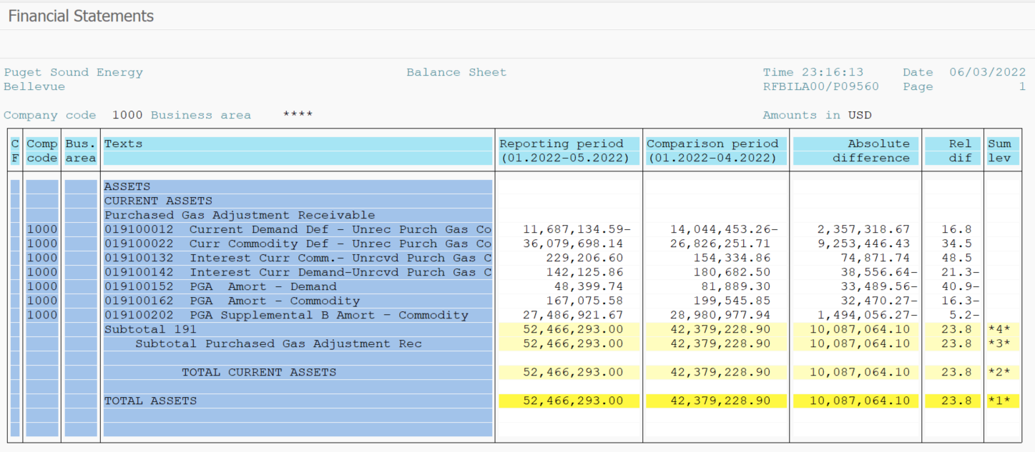
PUGET SOUND ENERGY
PGA 191 Account Balances
May
2022

 |  | Acct No. | May-22

Surcharge/Refund Amortization Accounts:
PGA Refund/Surcharge Amortization (Demand) |  | 19100152
 | Beginning |  | $81,889.30
 | Transfer Deferral Amounts to Surcharge/Refund Account
 | Surcharge/Refund Amortization |  | (29,975.00)
 | Migration Credit |  | (0.02)
 | Interest |  | (3,514.54)
 | Total Month |  | (33,489.56)
 | Ending |  | $48,399.74

PGA Refund/Surcharge Amortization (Commodity) - 106 |  | 19100162
 | Beginning |  | $199,545.85
 | Transfer Deferral Amounts to Surcharge/Refund Account
 | Surcharge/Refund Amortization |  | (44,412.00)
 | Migration Credit |  | 1.05
 | Interest |  | 11,940.68
 | Total Month |  | (32,470.27)
 | Ending |  | $167,075.58

PGA Supplemental Amortization (Commodity) - 106A |  | 19100192
 | Beginning |  | $-
 | Transfer Deferral Amounts to Surcharge/Refund Account |  | -
 | Surcharge/Refund Amortization |  | -
 | Migration Credit |  | -
 | Interest |  | -
 | Total Month |  | -
 | Ending |  | $-

PGA Supplemental Amortization (Commodity) - 106B |  | 19100202
 | Beginning |  | $28,980,977.94
 | Transfer Deferral Amounts to Surcharge/Refund Account
 | Surcharge/Refund Amortization |  | (1,555,728.00)
 | Migration Credit
 | Interest |  | 61,671.73
 | Total Month |  | (1,494,056.27)
 | Ending |  | $27,486,921.67

Current Demand Deferral |  | 19100012
 | Beginning |  | $(14,044,453.26)
 | Transfer Deferral Amounts to Surcharge/Refund Account
 | Deferral |  | 2,357,318.67
 | Total Month |  | 2,357,318.67
 | Ending |  | $(11,687,134.59)

Current Commodity Deferral |  | 19100022
 | Beginning |  | $26,826,251.71
 | Transfer Deferral Amounts to Surcharge/Refund Account
 | Deferral |  | 9,253,446.43
 | Total Month |  | 9,253,446.43
 | Ending |  | $36,079,698.14

Interest on Demand Deferral |  | 19100142
 | Beginning |  | $180,682.50
 | Transfer Interest Amounts to Surcharge/Refund Account
 | Interest |  | (38,556.64)
 | Total Month |  | (38,556.64)
 | Ending |  | $142,125.86

Interest on Commodity Deferral |  | 19100132
 | Beginning |  | $154,334.86
 | Transfer Interest Amounts to Surcharge/Refund Account
 | Interest |  | 74,871.74
 | Total Month |  | 74,871.74
 | Ending |  | $229,206.60

Total 191
 | Beginning |  | $42,379,228.90
 | Total Month |  | 10,087,064.10
 | Ending |  | $52,466,293.00
Less: Acct. being Amortized |  |  | 27,702,396.99
Current Period Under/(Over) Recovered |  |  | $24,763,896.01

