WBS & WO
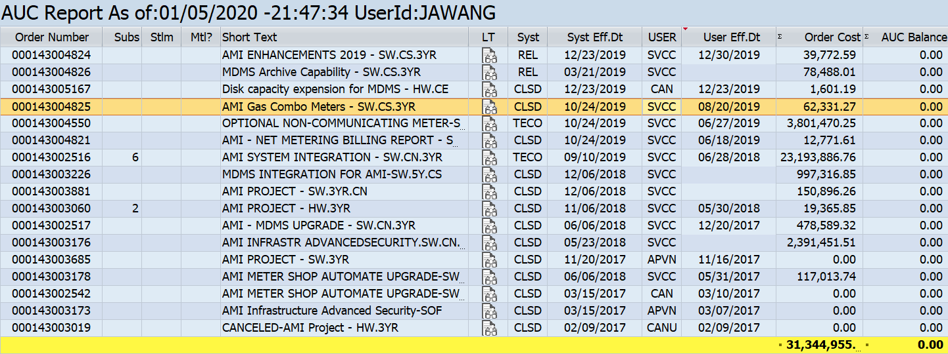
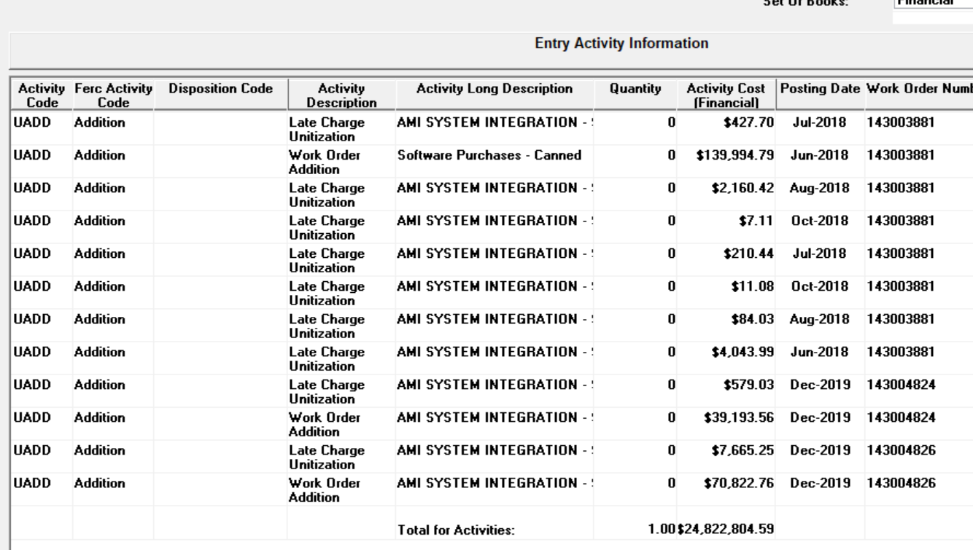
CN45N | R.10009.12.01.06 | R.10009.12.01.02 |  | 143002516
 |  |  |  | 143002517
 |  |  |  | 143002542 | Can
 |  |  |  | 143003019 | Can
 |  |  |  | 143003060 | HW
 |  |  |  | 143003173 | APVN
 |  |  |  | 143003176
 |  |  |  | 143003178
 |  |  |  | 143003226
 |  |  |  | 143003685 | APVN
 |  |  |  | 143003881 | Minor Add
 |  |  |  | 143004550
 |  |  |  | 143004821
 |  |  |  | 143004824 | Minor Add
 |  |  |  | 143004825
 |  |  |  | 143004826 | Minor Add
 |  |  |  | 143005167 | Can
 |  |  |  | 143005361

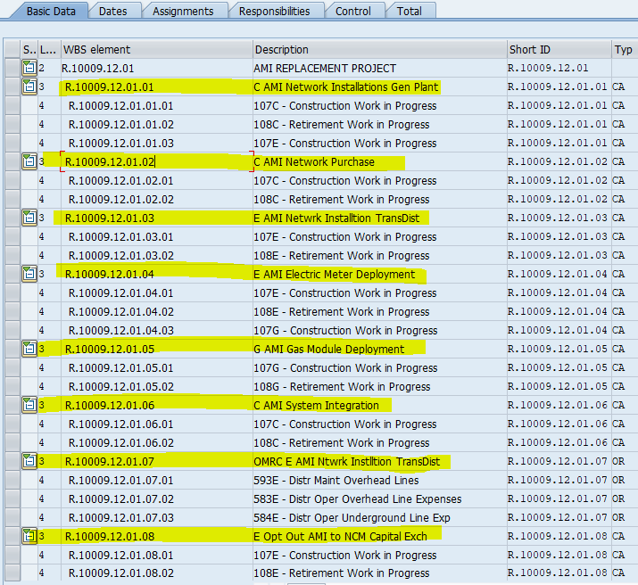

SW
143002516 | AMI SYSTEM INTEGRATION - SW.CN.3YR |  | 143002516
143002517 | AMI - MDMS UPGRADE - SW.CN.3YR |  | 143002517;143002516
143002542 | AMI METER SHOP AUTOMATE UPGRADE-SW.CN.3Y |  | 143002542;143002517;143002516
143003173 | AMI Infrastructure Advanced Security-SOF |  | 143003173;143002542;143002517;143002516
143003176 | AMI INFRASTR ADVANCEDSECURITY.SW.CN.5Y |  | 143003176;143003173;143002542;143002517;143002516
143003178 | AMI METER SHOP AUTOMATE UPGRADE-SW.CN.3Y |  | 143003178;143003176;143003173;143002542;143002517;143002516
143003226 | MDMS INTEGRATION FOR AMI-SW.5Y.CS |  | 143003226;143003178;143003176;143003173;143002542;143002517;143002516
143003685 | AMI PROJECT - SW.3YR |  | 143003685;143003226;143003178;143003176;143003173;143002542;143002517;143002516
143003881 | AMI PROJECT - SW.3YR.CN |  | 143003881;143003685;143003226;143003178;143003176;143003173;143002542;143002517;143002516
143004550 | OPTIONAL NON-COMMUNICATING METER-SW.CS.5 |  | 143004550;143003881;143003685;143003226;143003178;143003176;143003173;143002542;143002517;143002516
143004821 | AMI - NET METERING BILLING REPORT - SW.C |  | 143004821;143004550;143003881;143003685;143003226;143003178;143003176;143003173;143002542;143002517;143002516
143004824 | AMI ENHANCEMENTS 2019 - SW.CS.3YR |  | 143004824;143004821;143004550;143003881;143003685;143003226;143003178;143003176;143003173;143002542;143002517;143002516
143004825 | AMI Gas Combo Meters - SW.CS.3YR |  | 143004825;143004824;143004821;143004550;143003881;143003685;143003226;143003178;143003176;143003173;143002542;143002517;143002516
143004826 | MDMS Archive Capability - SW.CS.3YR |  | 143004826;143004825;143004824;143004821;143004550;143003881;143003685;143003226;143003178;143003176;143003173;143002542;143002517;143002516
143002450 |  |  | 143002450;143004826;143004825;143004824;143004821;143004550;143003881;143003685;143003226;143003178;143003176;143003173;143002542;143002517;143002516
HW |  |  | 143002450;143004826;143004825;143004824;143004821;143004550;143003881;143003685;143003226;143003178;143003176;143003173;143002542;143002517;143002516
143003019 | CANCELED-AMI Project - HW.3YR |  | 143003019
143003060 | AMI PROJECT - HW.3YR |  | 143003060;143003019
143005167 | Disk capacity expension for MDMS - HW.CE |  | 143005167;143003060;143003019

143002450;143002516;143002517;143003176;143003178;143003226;143004821;143004825

