Typical Residential Notice
Puget Sound Energy
Residential Customer Impacts
Test Year Ended December 31, 2023

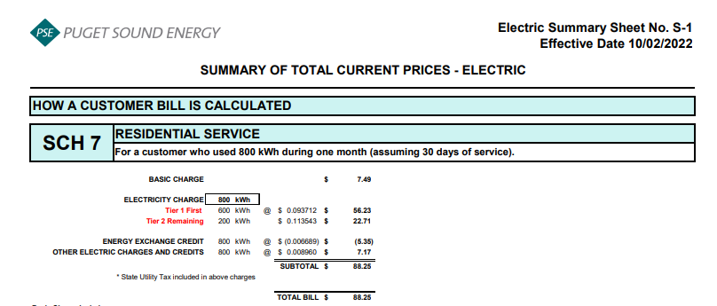
 |  | Current Customer Bill in Notice |  |  |  |  | Proposed Customer Bill in Notice
Month | kWh | Basic Charge | First 600 kWh | Over 600 kWh | Bill |  | Basic Charge | First 600 kWh | Over 600 kWh | Bill | $ Difference | % Difference
January | 1,106 | $7.49 | $57.59 | $58.60 | $123.68 |  | $7.49 | $57.60 | $58.61 | $123.70 | $0.02 | 0.016%
February | 958 | $7.49 | $57.59 | $41.46 | $106.54 |  | $7.49 | $57.60 | $41.47 | $106.56 | $0.02 | 0.019%
March | 949 | $7.49 | $57.59 | $40.42 | $105.50 |  | $7.49 | $57.60 | $40.43 | $105.52 | $0.02 | 0.019%
April | 853 | $7.49 | $57.59 | $29.30 | $94.38 |  | $7.49 | $57.60 | $29.31 | $94.40 | $0.02 | 0.021%
May | 707 | $7.49 | $57.59 | $12.39 | $77.47 |  | $7.49 | $57.60 | $12.39 | $77.48 | $0.01 | 0.013%
June | 641 | $7.49 | $57.59 | $4.75 | $69.83 |  | $7.49 | $57.60 | $4.75 | $69.84 | $0.01 | 0.014%
July | 660 | $7.49 | $57.59 | $6.95 | $72.03 |  | $7.49 | $57.60 | $6.95 | $72.04 | $0.01 | 0.014%
August | 673 | $7.49 | $57.59 | $8.45 | $73.53 |  | $7.49 | $57.60 | $8.46 | $73.55 | $0.02 | 0.027%
September | 640 | $7.49 | $57.59 | $4.63 | $69.71 |  | $7.49 | $57.60 | $4.63 | $69.72 | $0.01 | 0.014%
October | 759 | $7.49 | $57.59 | $18.41 | $83.49 |  | $7.49 | $57.60 | $18.42 | $83.51 | $0.02 | 0.024%
November | 971 | $7.49 | $57.59 | $42.97 | $108.05 |  | $7.49 | $57.60 | $42.97 | $108.06 | $0.01 | 0.009%
December | 1,079 | $7.49 | $57.59 | $55.47 | $120.55 |  | $7.49 | $57.60 | $55.48 | $120.57 | $0.02 | 0.017%

Annual Total | 9,996 | $89.88 | $691.08 | $323.80 | $1,104.76 |  | $89.88 | $691.20 | $323.87 | $1,104.95 | $0.19 | 0.017%

Typical Residential | 800 | $7.49 | $57.59 | $23.16 | $88.24 |  | $7.49 | $57.60 | $23.17 | $88.26 | $0.02 | 0.023%
Typical Residential | 1,000 | $7.49 | $57.59 | $46.33 | $111.41 |  | $7.49 | $57.60 | $46.33 | $111.42 | $0.01 | 0.009%

Residential Schedule 7 Rates |  |  |  | Present Rates Effective 10/01/2022 | Proposed Rates Effective 01/01/2023
Customer Monthly Charge:
One Phase Basic Charge |  |  |  | $7.490000 | $7.490000 | per Month
Subtotal Base Monthly Charge |  |  |  | $7.490000 | $7.490000
Energy Charge:
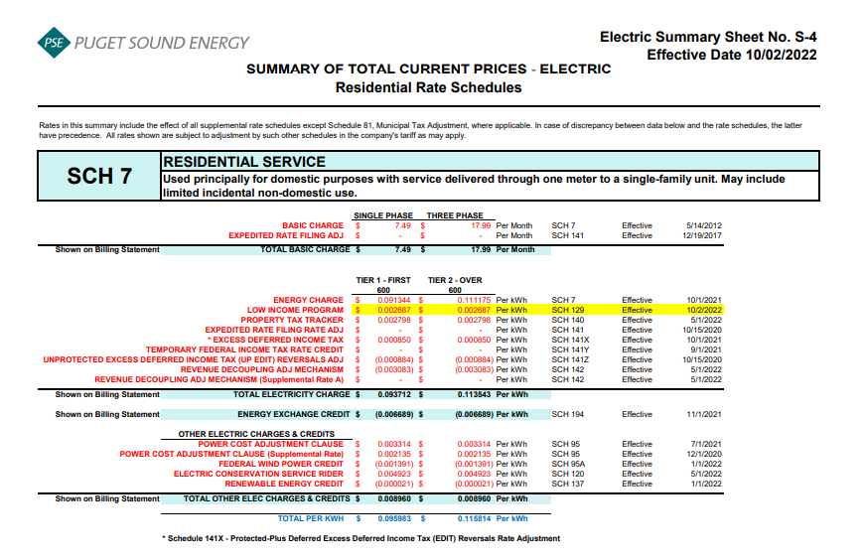
Schedule 7 first 600 kWh |  |  |  | $0.091344 | $0.091344 | $ / kWh
Schedule 129 - Low Income |  |  |  | $0.002687 | $0.002687 | $ / kWh
Schedule 140 - Property Tax Rider |  |  |  | $0.002798 | $0.002798 | $ / kWh
Schedule 141X EDIT Rider - First 600 kWh |  |  |  | $0.000850 | $0.000850 | $ / kWh
Schedule 141Y - Tax Over Collection Rider |  |  |  | $- | $- | $ / kWh
Schedule 141Z - EDIT Rider |  |  |  | $(0.000884) | $(0.000884) | $ / kWh
Schedule 142 - Decoupling Rider |  |  |  | $(0.003083) | $(0.003083) | $ / kWh
Schedule 142 - Decoupling Rider - Supplemental |  |  |  | $- | $- | $ / kWh
Subtotal Base First 600 kWh Charge |  |  |  | $0.093712 | $0.093712 | $ / kWh

Schedule 7 over 600 kWh |  |  |  | $0.111175 | $0.111175 | $ / kWh
Schedule 129 - Low Income |  |  |  | $0.002687 | $0.002687 | $ / kWh
Schedule 140 - Property Tax Rider |  |  |  | $0.002798 | $0.002798 | $ / kWh
Schedule 141X EDIT Rider - Over 600 kWh |  |  |  | $0.000850 | $0.000850 | $ / kWh
Schedule 141Y - Tax Over Collection Rider |  |  |  | $- | $- | $ / kWh
Schedule 141Z - EDIT Rider |  |  |  | $(0.000884) | $(0.000884) | $ / kWh
Schedule 142 - Decoupling Rider |  |  |  | $(0.003083) | $(0.003083) | $ / kWh
Schedule 142 - Decoupling Rider - Supplemental |  |  |  | $- | $- | $ / kWh
Subtotal Base Over 600 kWh Charge |  |  |  | $0.113543 | $0.113543 | $ / kWh

Schedule 194 - BPA Exchange Credit |  |  |  | $(0.006689) | $(0.006689) | $ / kWh

Other Electric Charges and Credits |  |  |  |  |  | $ / kWh
Schedule 95 - Power Cost Adjustment Clause |  |  |  | $0.003314 | $0.003314 | $ / kWh
Schedule 95 - Power Cost Adjustment Clause-Supplemental |  |  |  | $0.002135 | $0.002135 | $ / kWh
Schedule 95A - Wind Power Production Credit |  |  |  | $(0.001391) | $(0.001391) | $ / kWh
Schedule 120 - Conservation Rider |  |  |  | $0.004923 | $0.004923 | $ / kWh
Schedule 137 - Renewable Energy Credit |  |  |  | $(0.000021) | $- | $ / kWh
Subtotal Other Charges |  |  |  | $0.008960 | $0.008981 | $ / kWh

Total Block 1 Energy Charge |  |  |  | $0.095983 | $0.096004 | $ / kWh
Total Block 2 Energy Charge |  |  |  | $0.115814 | $0.115835 | $ / kWh

