WH Dec 20 PP Report
 |  | AMA December 2020
Power Plant Report Depr - 1301-FC | Plant | Reserve | Expense
E344 | $3,130,666 | 1,690,091 | 151,524
E345 | $1,081,259 | 653,998 | 51,792
E362 | $180,679 | 47,410 | 3,684
E364 | $71,312 | 24,661 | 2,244
E365 | $75,387 | 22,166 | 2,820
Total | $4,539,303 | 2,438,326 | 212,064

Wild Horse Solar Plant In Service | PP Rpt Depr - 1301FC |  |  |  |  |  | Amount In Thousands (000)
depr_group |  | Dec-19 | Jan-20 | Feb-20 | Mar-20 | Apr-20 | May-20 | Jun-20 | Jul-20 | Aug-20 | Sep-20 | Oct-20 | Nov-20 | Dec-20 | avg_of_avgs
E34401 PRD Gen, Wild Horse Solar | Other Production Plant | 3,131 | 3,131 | 3,131 | 3,131 | 3,131 | 3,131 | 3,131 | 3,131 | 3,131 | 3,131 | 3,131 | 3,131 | 3,131 | 3,130,666
E34501 PRD Accessory,WildHorseSolar | Other Production Plant | 1,081 | 1,081 | 1,081 | 1,081 | 1,081 | 1,081 | 1,081 | 1,081 | 1,081 | 1,081 | 1,081 | 1,081 | 1,081 | 1,081,259
E3620 DST Sub Eq Wild Horse Solar | Distribution Plant - Electric | 181 | 181 | 181 | 181 | 181 | 181 | 181 | 181 | 181 | 181 | 181 | 181 | 181 | 180,679
E3640 DST Poles, Wild Horse Solar | Distribution Plant - Electric | 71 | 71 | 71 | 71 | 71 | 71 | 71 | 71 | 71 | 71 | 71 | 71 | 71 | 71,312
E3650 DST O/H Cond, WildHorse Solar | Distribution Plant - Electric | 75 | 75 | 75 | 75 | 75 | 75 | 75 | 75 | 75 | 75 | 75 | 75 | 75 | 75,387
Total |  | 4,539 | 4,539 | 4,539 | 4,539 | 4,539 | 4,539 | 4,539 | 4,539 | 4,539 | 4,539 | 4,539 | 4,539 | 4,539 | 4,539,303

Wild Horse Solar Depreciation Reserve | PP Rpt Depr - 1302 |  |  |  |  |  | Amount In Thousands (000)
depr_group |  | Dec-19 | Jan-20 | Feb-20 | Mar-20 | Apr-20 | May-20 | Jun-20 | Jul-20 | Aug-20 | Sep-20 | Oct-20 | Nov-20 | Dec-20 | avg_of_avgs
E34401 PRD Gen, Wild Horse Solar | Other Production Plant | 1,614 | 1,627 | 1,640 | 1,652 | 1,665 | 1,677 | 1,690 | 1,703 | 1,715 | 1,728 | 1,741 | 1,753 | 1,766 | 1,690,091
E34501 PRD Accessory,WildHorseSolar | Other Production Plant | 628 | 632 | 637 | 641 | 645 | 650 | 654 | 658 | 663 | 667 | 671 | 676 | 680 | 653,998
E3620 DST Sub Eq Wild Horse Solar | Distribution Plant - Electric | 46 | 46 | 46 | 46 | 47 | 47 | 47 | 48 | 48 | 48 | 49 | 49 | 49 | 47,410
E3640 DST Poles, Wild Horse Solar | Distribution Plant - Electric | 24 | 24 | 24 | 24 | 24 | 24 | 25 | 25 | 25 | 25 | 25 | 26 | 26 | 24,661
E3650 DST O/H Cond, WildHorse Solar | Distribution Plant - Electric | 21 | 21 | 21 | 21 | 22 | 22 | 22 | 22 | 23 | 23 | 23 | 23 | 24 | 22,166
Total |  | 2,333 | 2,350 | 2,368 | 2,384 | 2,403 | 2,420 | 2,438 | 2,456 | 2,474 | 2,491 | 2,509 | 2,527 | 2,545 | 2,438,326

12 Month Depreciation Expense Wild Horse Solar Jan 20120 to Dec 2020 |  |  |  |  |  |  | Amount In Thousands (000)
PP Rpt Depr - PSE - 1039
depr_group | description | Jan-20 | Feb-20 | Mar-20 | Apr-20 | May-20 | Jun-20 | Jul-20 | Aug-20 | Sep-20 | Oct-20 | Nov-20 | Dec-20 | 12ME December 2020
E34401 PRD Gen, Wild Horse Solar | Other Production Plant | 12,627 | 12,627 | 12,627 | 12,627 | 12,627 | 12,627 | 12,627 | 12,627 | 12,627 | 12,627 | 12,627 | 12,627 | 151,524
E34501 PRD Accessory,WildHorseSolar | Other Production Plant | 4,316 | 4,316 | 4,316 | 4,316 | 4,316 | 4,316 | 4,316 | 4,316 | 4,316 | 4,316 | 4,316 | 4,316 | 51,792
E3620 DST Sub Eq Wild Horse Solar | Distribution Plant - Electric | 307 | 307 | 307 | 307 | 307 | 307 | 307 | 307 | 307 | 307 | 307 | 307 | 3,684
E3640 DST Poles, Wild Horse Solar | Distribution Plant - Electric | 187 | 187 | 187 | 187 | 187 | 187 | 187 | 187 | 187 | 187 | 187 | 187 | 2,244
E3650 DST O/H Cond, WildHorse Solar | Distribution Plant - Electric | 235 | 235 | 235 | 235 | 235 | 235 | 235 | 235 | 235 | 235 | 235 | 235 | 2,820
Total Depr Expense |  | 17,672 | 17,672 | 17,672 | 17,672 | 17,672 | 17,672 | 17,672 | 17,672 | 17,672 | 17,672 | 17,672 | 17,672 | 212,064
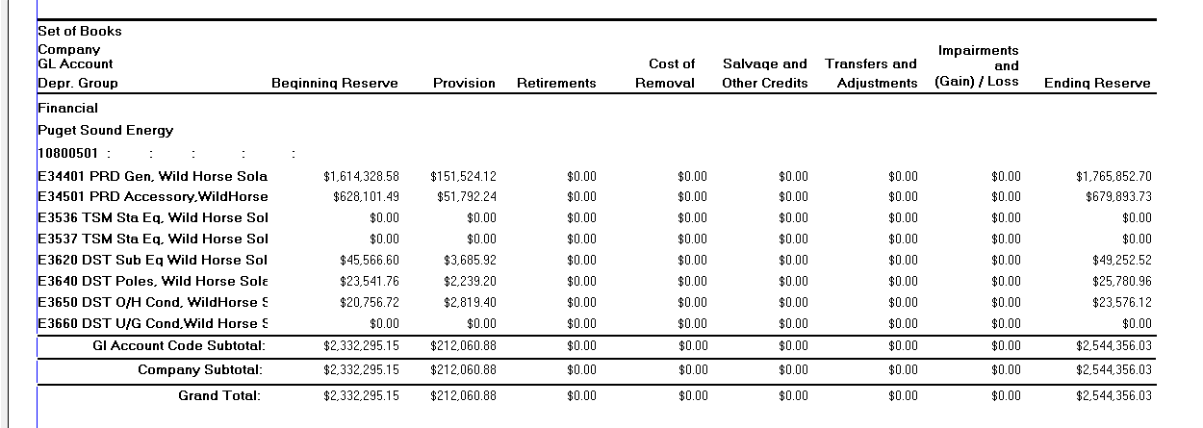
Depreciation Expense Wild Horse Solar Jan 2020 to Dec 2020
PP Report Depr 1085-Combined
depr_group | depr_summary2 | begin_bal | Depreciation Expense | retirements | cost_of_removal | salv_credits | transfers | gain_loss | end_bal
E34401 PRD Gen, Wild Horse Solar | PRD | 1,614,328.58 | 151,524.12 | - | - | - | - | - | 1,765,852.70
E34501 PRD Accessory,WildHorseSolar | PRD | 628,101.49 | 51,792.24 | - | - | - | - | - | 679,893.73
E3620 DST Sub Eq Wild Horse Solar | DST Sub | 45,566.60 | 3,685.92 | - | - | - | - | - | 49,252.52
E3640 DST Poles, Wild Horse Solar | DST Poles | 23,541.76 | 2,239.20 | - | - | - | - | - | 25,780.96
E3650 DST O/H Cond, WildHorse Solar | DST OH Cond | 20,756.72 | 2,819.40 | - | - | - | - | - | 23,576.12
Total Depr Expense |  | 2,332,295 | 212,061 | - | - | - | - | - | 2,544,356

