ELEC Actual 2021
PUGET SOUND ENERGY
DEFERRED ENVIRONMENTAL REMEDIATION COST DETAIL FOR ELECTRIC
January 2021 - December 2021

 |  |  |  |  |  |  | Q1 2021 |  |  | Q2 2021 |  |  | Q3 2021 |  |  | Q4 2021
SAP Order | SAP Account | Site Description | Order in Docket # | Year Established | Amotization Period | Ending Bal Dec-20 | Jan-21 | Feb-21 | Mar-21 | Apr-21 | May-21 | Jun-21 | Jul-21 | Aug-21 | Sep-21 | Oct-21 | Nov-21 | Dec-21
18230010 | 18231251 | White River/Buckley Phase I Headworks (Remediation Cost) | UE-991796 |  |  | 67,166.16 | 67,166.16 | 67,166.16 | 67,166.16 | 67,166.16 | 67,166.16 | 67,166.16 | 67,166.16 | 67,166.16 | 67,166.16 | 67,166.16 | 67,166.16 | 67,166.16
 | 18231251 | 2019 GRC transfer to amortization account | UE-170033 | Dec-17 | 5 years | (67,166.16) | (67,166.16) | (67,166.16) | (67,166.16) | (67,166.16) | (67,166.16) | (67,166.16) | (67,166.16) | (67,166.16) | (67,166.16) | (67,166.16) | (67,166.16) | (67,166.16)
 |  | Subtotal White River/Buckley Phase I Headworks Site |  |  |  | - | - | - | - | - | - | - | - | - | - | - | - | -

18230009 | 18232251 | White River/Buckley Phase II Burn Pile and Wood Debris (Remediation Cost) | UE-991796 |  |  | 2,176,580.65 | 2,177,986.80 | 2,180,142.80 | 2,180,142.80 | 2,180,142.80 | 2,180,142.80 | 2,180,142.80 | 2,180,142.80 | 2,180,142.80 | 2,180,142.80 | 2,185,532.55 | 2,185,532.55 | 2,185,532.55
 | 18232251 | 2019 GRC transfer to amortization account | UE-170033 | Dec-17 | 5 years | (2,173,054.20) | (2,173,054.20) | (2,173,054.20) | (2,173,054.20) | (2,173,054.20) | (2,173,054.20) | (2,173,054.20) | (2,173,054.20) | (2,173,054.20) | (2,173,054.20) | (2,173,054.20) | (2,173,054.20) | (2,173,054.20)
 |  | Subtotal White River/Buckley Phase II Burn Pile and Wood Debris Site |  |  |  | 3,526.45 | 4,932.60 | 7,088.60 | 7,088.60 | 7,088.60 | 7,088.60 | 7,088.60 | 7,088.60 | 7,088.60 | 7,088.60 | 12,478.35 | 12,478.35 | 12,478.35

18230021 | 18232271 | Lower Duwamish Waterway (Remediation Cost) | UE-021537 |  |  | 1,028,790.66 | 1,029,300.62 | 1,030,495.19 | 1,031,733.35 | 1,041,942.20 | 1,043,184.50 | 1,044,441.58 | 1,045,725.21 | 1,056,293.65 | 1,057,486.42 | 1,058,763.67 | 1,059,525.39 | 1,066,508.91
 | 18232271 | Lower Duwamish Waterway (Insurance Recoveries / 3rd parties) |  |  |  | (759,343.04) | (759,343.04) | (766,677.24) | (773,737.69) | (773,737.69) | (774,329.38) | (774,329.38) | (776,835.36) | (776,835.36) | (776,835.36) | (776,835.36) | (776,835.36) | (790,250.38)
 | 18232271 | One time correcting Env Entry in March 2018 ordered by WUTC |  |  |  | (37,720.86) | (37,720.86) | (37,720.86) | (37,720.86) | (37,720.86) | (37,720.86) | (37,720.86) | (37,720.86) | (37,720.86) | (37,720.86) | (37,720.86) | (37,720.86) | (37,720.86)
 | 18232271 | 2019 GRC transfer to amortization account | UE-170033 | Dec-17 | 5 years | (306,582.55) | (306,582.55) | (306,582.55) | (306,582.55) | (306,582.55) | (306,582.55) | (306,582.55) | (306,582.55) | (306,582.55) | (306,582.55) | (306,582.55) | (306,582.55) | (306,582.55)
 |  | Subtotal Lower Duwamish Waterway Site |  |  |  | (74,855.79) | (74,345.83) | (80,485.46) | (86,307.75) | (76,098.90) | (75,448.29) | (74,191.21) | (75,413.56) | (64,845.12) | (63,652.35) | (62,375.10) | (61,613.38) | (68,044.88)

18230131 | 18239201 | Poulsbo Service Center UST (Remediation Cost) cost transferred to Acct 18610081 |  | Mar-19 |  | - | - | - | - | - | - | - | - | - | - | - | - | -
18614414 | 18610081 | Poulsbo Service Center UST (Remediation Cost) cost transferred fr Acct 18239201 |  | Dec-20 |  | 99,931.95 | 99,931.95 | 99,931.95 | 99,931.95 | 99,931.95 | 99,931.95 | 99,931.95 | 99,931.95 | 99,931.95 | 99,931.95 | 99,931.95 | 99,931.95 | 99,931.95
 |  | Subtotal Poulsbo Service Center UST |  |  |  | 99,931.95 | 99,931.95 | 99,931.95 | 99,931.95 | 99,931.95 | 99,931.95 | 99,931.95 | 99,931.95 | 99,931.95 | 99,931.95 | 99,931.95 | 99,931.95 | 99,931.95

18601120 | 18608001 | Lower Baker Power Plant (Remediation Cost) | UE-070724 |  |  | 547,331.67 | 547,331.67 | 547,331.67 | 550,875.72 | 550,875.72 | 552,165.22 | 552,165.22 | 552,445.22 | 560,249.69 | 561,844.19 | 561,844.19 | 562,420.19 | 566,372.94
 | 18608001 | 2019 GRC transfer to amortization account | UE-170033 | Dec-17 | 5 years | (481,196.65) | (481,196.65) | (481,196.65) | (481,196.65) | (481,196.65) | (481,196.65) | (481,196.65) | (481,196.65) | (481,196.65) | (481,196.65) | (481,196.65) | (481,196.65) | (481,196.65)
 |  | Subtotal Lower Baker Power Plant Site |  |  |  | 66,135.02 | 66,135.02 | 66,135.02 | 69,679.07 | 69,679.07 | 70,968.57 | 70,968.57 | 71,248.57 | 79,053.04 | 80,647.54 | 80,647.54 | 81,223.54 | 85,176.29

18601122 | 18608041 | Bellingham South State Street MGP (former Blvd Park) (Remediation Cost) | UE-081016 |  |  | 3,657,387.28 | 3,658,154.53 | 3,658,154.53 | 3,659,230.78 | 3,659,230.78 | 3,662,456.03 | 3,662,626.53 | 3,662,626.53 | 3,877,016.98 | 3,884,922.98 | 3,984,748.49 | 4,040,335.26 | 4,093,794.24
 | 18608041 | Bellingham South State Street MGP (former Blvd Park) (Insurance Recoveries / 3rd parties) |  |  |  | - | - | - | (119.33) | (119.33) | (119.33) | (119.33) | (119.33) | (119.33) | (119.33) | (119.33) | (119.33) | (119.33)
18601119 | 18608041 | Bellingham South State Street MGP (Remediation Cost) |  |  |  | - | - | - | - | (127.67) | (127.67) | (127.67) | (127.67) | (127.67) | (127.67) | (127.67) | (127.67) | (127.67)
 | 18608041 | Bellingham South State Street MGP (Insurance Recoveries / 3rd parties) |  |  |  | (765,120.08) | (765,120.08) | (765,120.08) | (765,120.08) | (765,120.08) | (781,336.70) | (781,336.70) | (781,336.70) | (781,336.70) | (777,109.35) | (777,109.35) | (777,109.35) | (777,109.35)
 | 18608041 | One time correcting Env Entry in March 2018 ordered by WUTC |  |  |  | (351,153.55) | (351,153.55) | (351,153.55) | (351,153.55) | (351,153.55) | (351,153.55) | (351,153.55) | (351,153.55) | (351,153.55) | (351,153.55) | (351,153.55) | (351,153.55) | (351,153.55)
 | 18608041 | 2019 GRC transfer to amortization account | UE-170033 | Dec-17 | 5 years | (2,266,333.15) | (2,266,333.15) | (2,266,333.15) | (2,266,333.15) | (2,266,333.15) | (2,266,333.15) | (2,266,333.15) | (2,266,333.15) | (2,266,333.15) | (2,266,333.15) | (2,266,333.15) | (2,266,333.15) | (2,266,333.15)
 |  | Subtotal Bellingham South State Street MGP (former Blvd Park) Site |  |  |  | 274,780.50 | 275,547.75 | 275,547.75 | 276,504.67 | 276,377.00 | 263,385.63 | 263,556.13 | 263,556.13 | 477,946.58 | 490,079.93 | 589,905.44 | 645,492.21 | 698,951.19

18601125 | 18608081 | Electron Flume (Remediation Cost) | UE-070724 |  |  | 670,747.71 | 670,747.71 | 670,747.71 | 670,747.71 | 670,747.71 | 670,747.71 | 670,747.71 | 670,747.71 | 670,747.71 | 670,747.71 | 670,747.71 | 670,747.71 | 670,747.71
 | 18608081 | 2019 GRC transfer to amortization account | UE-170033 | Dec-17 | 5 years | (669,654.71) | (669,654.71) | (669,654.71) | (669,654.71) | (669,654.71) | (669,654.71) | (669,654.71) | (669,654.71) | (669,654.71) | (669,654.71) | (669,654.71) | (669,654.71) | (669,654.71)
 |  | Subtotal Electron Flume Site |  |  |  | 1,093.00 | 1,093.00 | 1,093.00 | 1,093.00 | 1,093.00 | 1,093.00 | 1,093.00 | 1,093.00 | 1,093.00 | 1,093.00 | 1,093.00 | 1,093.00 | 1,093.00

18601128 | 18608141 | Talbot Hill Substation and Switchyard (Remediation Cost) | Blanket orders: UE-070724, UE-072060, UE-081016 |  |  | 226,423.26 | 226,423.26 | 226,423.26 | 226,423.26 | 226,423.26 | 226,423.26 | 226,423.26 | 226,423.26 | 226,423.26 | 228,269.16 | 228,269.17 | 228,269.17 | 228,269.17
 | 18608141 | 2019 GRC transfer to amortization account | UE-170033 | Dec-17 | 5 years | (226,423.26) | (226,423.26) | (226,423.26) | (226,423.26) | (226,423.26) | (226,423.26) | (226,423.26) | (226,423.26) | (226,423.26) | (226,423.26) | (226,423.26) | (226,423.26) | (226,423.26)
 |  | Subtotal Talbot Hill Substation & Switchyard Site |  |  |  | - | - | - | - | - | - | - | - | - | 1,845.90 | 1,845.91 | 1,845.91 | 1,845.91

18601163 | 18608281 | Shuffleton (Remediation Cost) | Blanket orders : UE-070724, UE-072060, UE-081016 |  |  | 284,991.33 | 284,991.33 | 284,991.33 | 284,991.33 | 284,991.33 | 284,991.33 | 284,991.33 | 284,991.33 | 284,991.33 | 284,991.33 | 284,991.33 | 284,991.33 | 284,991.33
 | 18608281 | 2019 GRC transfer to amortization account |  |  |  | (212,724.66) | (212,724.66) | (212,724.66) | (212,724.66) | (212,724.66) | (212,724.66) | (212,724.66) | (212,724.66) | (212,724.66) | (212,724.66) | (212,724.66) | (212,724.66) | (212,724.66)
 |  | Subtotal Shuffleton Site |  |  |  | 72,266.67 | 72,266.67 | 72,266.67 | 72,266.67 | 72,266.67 | 72,266.67 | 72,266.67 | 72,266.67 | 72,266.67 | 72,266.67 | 72,266.67 | 72,266.67 | 72,266.67

18614405 | 18610031 | W. Olympia Substation Breakin (Remediation Cost) |  | Nov-19 |  | 131,269.22 | 131,269.22 | 131,269.22 | 131,269.22 | 131,269.22 | 131,269.22 | 131,269.22 | 131,269.22 | 131,269.22 | 131,269.22 | 131,269.22 | 131,269.22 | 131,269.22
 |  | Subtotal W. Olympia Substation Breakin |  |  |  | 131,269.22 | 131,269.22 | 131,269.22 | 131,269.22 | 131,269.22 | 131,269.22 | 131,269.22 | 131,269.22 | 131,269.22 | 131,269.22 | 131,269.22 | 131,269.22 | 131,269.22

18614404 | 18610001 | Wenatchee (Remediation Cost) |  | Jun-19 |  | 57,293.96 | 57,293.96 | 57,293.96 | 57,293.96 | 57,293.96 | 57,293.96 | 57,293.96 | 57,293.96 | 58,452.96 | 71,819.46 | 71,819.46 | 91,655.90 | 137,683.89
 |  | Wenatchee (Insurance Recoveries / 3rd parties) |  |  |  | (39,389.26) | (39,389.26) | (39,389.26) | (39,389.26) | (39,389.26) | (39,389.26) | (39,389.26) | (39,389.26) | (39,389.26) | (39,389.26) | (39,389.26) | (39,389.26) | (39,389.26)
 |  | Subtotal Wenatchee Site |  |  |  | 17,904.70 | 17,904.70 | 17,904.70 | 17,904.70 | 17,904.70 | 17,904.70 | 17,904.70 | 17,904.70 | 19,063.70 | 32,430.20 | 32,430.20 | 52,266.64 | 98,294.63

18601171 | 18608251 | Whitehorn UST (Remediation Cost) | UE-911476 |  |  | 99,334.66 | 99,334.66 | 99,334.66 | 99,907.16 | 99,907.16 | 99,907.16 | 99,907.16 | 99,907.16 | 99,907.16 | 99,907.16 | 101,691.99 | 101,691.99 | 101,691.99
 | 18608251 | 2019 GRC transfer to amortization account | UE-170033 | Dec-17 | 5 years | (99,334.66) | (99,334.66) | (99,334.66) | (99,334.66) | (99,334.66) | (99,334.66) | (99,334.66) | (99,334.66) | (99,334.66) | (99,334.66) | (99,334.66) | (99,334.66) | (99,334.66)
 |  | Subtotal Whitehorn UST |  |  |  | - | - | - | 572.50 | 572.50 | 572.50 | 572.50 | 572.50 | 572.50 | 572.50 | 2,357.33 | 2,357.33 | 2,357.33

 | 22841001 | Accum Misc Oper Provi – Unallocated Def Elec Env Rem Recoveries | Multiple Dockets | --- |  | (4,658,834.16) | (4,658,834.16) | (4,658,834.16) | (4,658,834.16) | (4,658,834.16) | (4,658,834.16) | (4,658,834.16) | (4,658,834.16) | (4,658,834.16) | (4,658,834.16) | (4,658,834.16) | (4,658,834.16) | (4,658,834.16)
 | 22841001 | One time correcting Env Entry in March 2018 ordered by WUTC |  |  |  | 438,132.55 | 438,132.55 | 438,132.55 | 438,132.55 | 438,132.55 | 438,132.55 | 438,132.55 | 438,132.55 | 438,132.55 | 438,132.55 | 438,132.55 | 438,132.55 | 438,132.55
 | 22841001 | 2019 GRC transfer to amortization account | UE-170033 | Dec-17 | 5 years | 1,894,212.41 | 1,894,212.41 | 1,894,212.41 | 1,894,212.41 | 1,894,212.41 | 1,894,212.41 | 1,894,212.41 | 1,894,212.41 | 1,894,212.41 | 1,894,212.41 | 1,894,212.41 | 1,894,212.41 | 1,894,212.41
 |  | Subtotal Unallocated Def Elec Env Rem Recoveries |  |  |  | (2,326,489.20) | (2,326,489.20) | (2,326,489.20) | (2,326,489.20) | (2,326,489.20) | (2,326,489.20) | (2,326,489.20) | (2,326,489.20) | (2,326,489.20) | (2,326,489.20) | (2,326,489.20) | (2,326,489.20) | (2,326,489.20)

 |  |  |  |  | Grand Total | (1,734,437.48) | (1,731,754.12) | (1,735,737.75) | (1,736,486.57) | (1,726,405.39) | (1,737,456.65) | (1,736,029.07) | (1,736,971.42) | (1,503,049.06) | (1,472,916.04) | (1,364,638.69) | (1,287,877.76) | (1,190,869.54)
 |  |  |  |  |  |  |  |  | Q1 2021 |  |  | Q2 2021 |  |  | Q3 2021 |  |  | Q4 2021

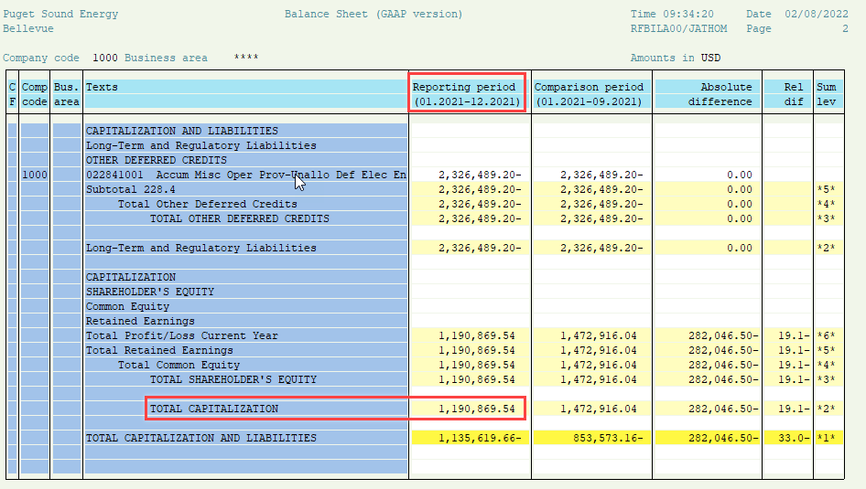

 |  |  |  |  |  |  |  |  |  |  |  | -

GAS Actual 2021
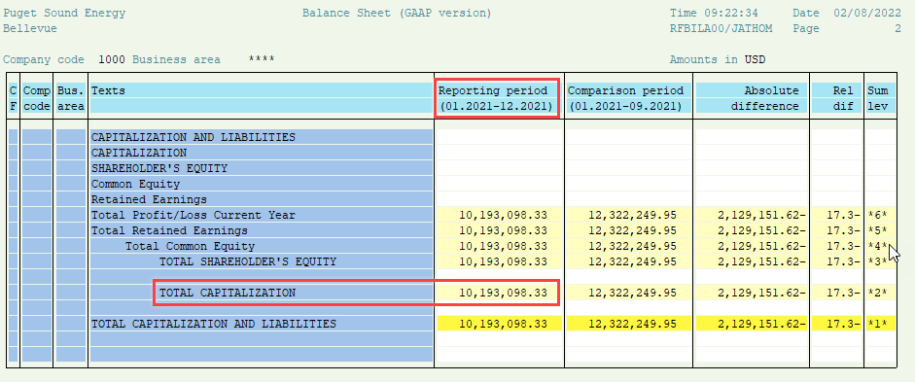
PUGET SOUND ENERGY
DEFERRED ENVIRONMENTAL REMEDIATION COST DETAIL FOR GAS
January 2021 - December 2021

 |  |  |  |  |  |  | Q1 2021 |  |  | Q2 2021 |  |  | Q3 2021 |  |  | Q4 2021
SAP Order | SAP Account | Site Description | Order in Docket # | Year Established | Amortization Period | Ending Bal Dec-20 | Jan-21 | Feb-21 | Mar-21 | Apr-21 | May-21 | Jun-21 | Jul-21 | Aug-21 | Sep-21 | Oct-21 | Nov-21 | Dec-21
18606102 | 18608612 | Tacoma Gas Company (Upload Source Control) (Remediation Cost) | UG-920840 |  |  | 920,565.56 | 920,565.56 | 916,635.61 | 918,971.24 | 918,971.24 | 918,971.24 | 918,971.24 | 918,971.24 | 918,971.24 | 918,971.24 | 918,971.24 | 918,971.24 | 918,971.24
 | 18608612 | 2019 GRC transfer to amortization account | UG-170034 | Dec-17 | 5 years | (862,215.01) | (862,215.01) | (862,215.01) | (862,215.01) | (862,215.01) | (862,215.01) | (862,215.01) | (862,215.01) | (862,215.01) | (862,215.01) | (862,215.01) | (862,215.01) | (862,215.01)
 |  | Subtotal Tacoma Gas Company |  |  |  | 58,350.55 | 58,350.55 | 54,420.60 | 56,756.23 | 56,756.23 | 56,756.23 | 56,756.23 | 56,756.23 | 56,756.23 | 56,756.23 | 56,756.23 | 56,756.23 | 56,756.23

18607102 | 18608712 | Thea Foss Waterway (Remediation Cost) | UG-920840 |  |  | 5,378,305.88 | 5,378,305.88 | 5,380,291.29 | 5,380,291.29 | 5,380,291.29 | 5,380,291.29 | 5,380,291.29 | 5,380,291.29 | 5,380,291.29 | 5,380,291.29 | 5,380,291.29 | 5,380,291.29 | 5,380,291.29
 | 18608772 | Thea Foss Waterway (WADOT Settlement) |  |  |  | - | - | - | - | - | - | - | - | - | - | - | - | -
 | 18608722 | Thea Foss Recovery |  |  |  | - | - | - | - | - | - | - | - | - | - | - | - | -
 | 18608712 | 2019 GRC transfer to amortization account | UG-170034 | Dec-17 | 5 years | (5,369,617.52) | (5,369,617.52) | (5,369,617.52) | (5,369,617.52) | (5,369,617.52) | (5,369,617.52) | (5,369,617.52) | (5,369,617.52) | (5,369,617.52) | (5,369,617.52) | (5,369,617.52) | (5,369,617.52) | (5,369,617.52)
 | 18608722 | 2019 GRC transfer to amortization account |  |  |  | - | - | - | - | - | - | - | - | - | - | - | - | -
 | 18608772 | 2019 GRC transfer to amortization account |  |  |  | - | - | - | - | - | - | - | - | - | - | - | - | -
 |  | Subtotal Thea Foss Waterway |  |  |  | 8,688.36 | 8,688.36 | 10,673.77 | 10,673.77 | 10,673.77 | 10,673.77 | 10,673.77 | 10,673.77 | 10,673.77 | 10,673.77 | 10,673.77 | 10,673.77 | 10,673.77

18602102 | 18608212 | Everett MGP (Remediation Cost) | UG-920781 |  |  | 1,518,048.46 | 1,518,048.46 | 1,515,814.18 | 1,516,744.68 | 1,516,744.68 | 1,516,744.68 | 1,516,744.68 | 1,517,183.43 | 1,517,183.43 | 1,517,183.43 | 1,517,183.43 | 1,518,171.03 | 1,524,613.25
 | 18608782 | Everett MGP (WADOT Settlement) |  |  |  | (2,566.70) | (2,566.70) | (2,566.70) | (2,566.70) | (2,566.70) | (2,566.70) | (2,566.70) | (2,566.70) | (2,566.70) | (2,566.70) | (2,566.70) | (2,566.70) | (2,566.70)
 | 18608212 | 2019 GRC transfer to amortization account |  |  |  | (1,496,343.93) | (1,496,343.93) | (1,496,343.93) | (1,496,343.93) | (1,496,343.93) | (1,496,343.93) | (1,496,343.93) | (1,496,343.93) | (1,496,343.93) | (1,496,343.93) | (1,496,343.93) | (1,496,343.93) | (1,496,343.93)
 | 18608782 | 2019 GRC transfer to amortization account | UG-170034 | Dec-17 | 5 years | - | - | - | - | - | - | - | - | - | - | - | - | -
 |  | Subtotal Everett MGP |  |  |  | 19,137.83 | 19,137.83 | 16,903.55 | 17,834.05 | 17,834.05 | 17,834.05 | 17,834.05 | 18,272.80 | 18,272.80 | 18,272.80 | 18,272.80 | 19,260.40 | 25,702.62

18603102 | 18608312 | Chehalis MGP (Remediation Cost) | UG-920840 |  |  | 3,987,181.11 | 3,987,181.11 | 3,987,181.11 | 3,987,181.11 | 3,987,181.11 | 3,987,181.11 | 3,987,181.11 | 3,987,181.11 | 3,987,181.11 | 3,987,181.11 | 3,987,181.11 | 3,987,181.11 | 3,987,181.11
 | 18608312 | 2019 GRC transfer to amortization account | UG-170034 | Dec-17 | 5 years | (3,977,595.92) | (3,977,595.92) | (3,977,595.92) | (3,977,595.92) | (3,977,595.92) | (3,977,595.92) | (3,977,595.92) | (3,977,595.92) | (3,977,595.92) | (3,977,595.92) | (3,977,595.92) | (3,977,595.92) | (3,977,595.92)
 |  | Subtotal Chehalis MGP |  |  |  | 9,585.19 | 9,585.19 | 9,585.19 | 9,585.19 | 9,585.19 | 9,585.19 | 9,585.19 | 9,585.19 | 9,585.19 | 9,585.19 | 9,585.19 | 9,585.19 | 9,585.19

18606302 | 18609432 | Post - Nov 2012 Gas Works Park (Remediation Cost) | UG-920840 |  |  | 14,994,090.87 | 15,106,165.67 | 15,106,165.67 | 15,350,146.52 | 15,424,062.27 | 15,436,587.02 | 15,486,240.27 | 15,544,894.77 | 15,700,443.37 | 15,768,576.94 | 15,726,345.61 | 15,762,775.99 | 15,834,008.40
18604102 | 18608412 | Pre-Nov 2012 Gas Works Park (Remediation Cost) | UG-920840 |  |  | - | - | - | - | - | - | - | - | - | - | - | - | -
18614102 | 18609312 | Pre-Nov 2012 Lake Union Sediments (Remediation Cost) | UG-920840 |  |  | - | - | - | - | - | - | - | - | - | - | - | - | -
 | 18609432 | 2019 GRC transfer to amortization account | UG-170034 | Dec-17 | 5 years | (10,805,162.49) | (10,805,162.49) | (10,805,162.49) | (10,805,162.49) | (10,805,162.49) | (10,805,162.49) | (10,805,162.49) | (10,805,162.49) | (10,805,162.49) | (10,805,162.49) | (10,805,162.49) | (10,805,162.49) | (10,805,162.49)
 | 18608412 | 2019 GRC transfer to amortization account |  |  |  | - | - | - | - | - | - | - | - | - | - | - | - | -
 | 18609312 | 2019 GRC transfer to amortization account |  |  |  | - | - | - | - | - | - | - | - | - | - | - | - | -
 |  | Subtotal Gas Works Park & Lake Union (Remediation Cost) |  |  |  | - | 4,301,003.18 | 4,301,003.18 | 4,544,984.03 | 4,618,899.78 | 4,631,424.53 | 4,681,077.78 | 4,739,732.28 | 4,895,280.88 | 4,963,414.45 | 4,921,183.12 | 4,957,613.50 | 5,028,845.91
18606303 | 18609402 | Gas Works Park (Insurance Recovery / 3rd parties) | UG-920840 |  |  | (1,638,470.82) | (1,638,470.82) | (1,638,470.82) | (1,694,569.08) | (1,694,569.08) | (1,694,569.08) | (1,694,569.08) | (1,694,569.08) | (1,694,569.08) | (1,694,569.08) | (1,681,970.08) | (1,681,970.08) | (1,681,970.08)
 |  | Subtotal Gas Works Park & Lake Union (Insurance Recovery) |  |  |  | 2,550,457.56 | 2,662,532.36 | 2,662,532.36 | 2,850,414.95 | 2,924,330.70 | 2,936,855.45 | 2,986,508.70 | 3,045,163.20 | 3,200,711.80 | 3,268,845.37 | 3,239,213.04 | 3,275,643.42 | 3,346,875.83

18612102 | 18609512 | Quendall Terminal (Remediation Cost) | UG-920840 |  |  | 586,605.38 | 605,983.32 | 621,251.24 | 623,815.23 | 686,718.00 | 705,959.24 | 736,491.53 | 773,769.16 | 968,304.66 | 973,403.66 | 1,341,143.09 | 1,343,009.09 | 1,359,348.71
 | 18609512 | Quendall Terminal (Insurance Recovery) |  |  |  |  |  |  |  |  |  |  |  |  |  |  |  | (108,641.70)
 | 18609512 | 2019 GRC transfer to amortization account | UG-170034 | Dec-17 | 5 years | (294,248.00) | (294,248.00) | (294,248.00) | (294,248.00) | (294,248.00) | (294,248.00) | (294,248.00) | (294,248.00) | (294,248.00) | (294,248.00) | (294,248.00) | (294,248.00) | (294,248.00)
 |  | Subtotal Quendall Terminal |  |  |  | 292,357.38 | 311,735.32 | 327,003.24 | 329,567.23 | 392,470.00 | 411,711.24 | 442,243.53 | 479,521.16 | 674,056.66 | 679,155.66 | 1,046,895.09 | 1,048,761.09 | 956,459.01

18601102 | 18608112 | Post-June 1999 Tacoma Tar Pits (Remediation Cost) | UG-920781 |  |  | 5,443,205.83 | 5,443,205.83 | 5,447,285.83 | 5,481,676.99 | 5,502,033.90 | 5,517,443.45 | 5,530,353.97 | 5,532,939.97 | 5,532,939.97 | 5,544,608.63 | 5,545,729.63 | 5,545,729.63 | 5,575,161.17
 | 18608112 | Pre-June 1999 Tacoma Tar Pits (Remediation Cost) | UG-920781 |  |  | 34,881,722.38 | 34,881,722.38 | 34,881,722.38 | 34,881,722.38 | 34,881,722.38 | 34,881,722.38 | 34,881,722.38 | 34,881,722.38 | 34,881,722.38 | 34,881,722.38 | 34,881,722.38 | 34,881,722.38 | 34,881,722.38
 | 18608112 | 2019 GRC transfer to amortization account | UG-170034 | Dec-17 | 5 years | (39,833,189.82) | (39,833,189.82) | (39,833,189.82) | (39,833,189.82) | (39,833,189.82) | (39,833,189.82) | (39,833,189.82) | (39,833,189.82) | (39,833,189.82) | (39,833,189.82) | (39,833,189.82) | (39,833,189.82) | (39,833,189.82)
 |  | Subtotal Tacoma Tar Pits |  |  |  | 491,738.39 | 491,738.39 | 495,818.39 | 530,209.55 | 550,566.46 | 565,976.01 | 578,886.53 | 581,472.53 | 581,472.53 | 593,141.19 | 594,262.19 | 594,262.19 | 623,693.73

18603202 | 18609532 | Bay Station (Remediation Cost) | UG-920840 |  |  | 2,222,495.15 | 2,222,495.15 | 2,247,332.15 | 2,262,612.15 | 2,271,557.15 | 2,272,525.40 | 2,337,916.72 | 2,808,665.12 | 3,187,324.61 | 3,579,438.10 | 3,661,900.70 | 4,836,556.17 | 5,305,236.97
 | 18609532 | 2019 GRC transfer to amortization account | UG-170034 | Dec-17 | 5 years | (1,801,113.40) | (1,801,113.40) | (1,801,113.40) | (1,801,113.40) | (1,801,113.40) | (1,801,113.40) | (1,801,113.40) | (1,801,113.40) | (1,801,113.40) | (1,801,113.40) | (1,801,113.40) | (1,801,113.40) | (1,801,113.40)
 |  | Subtotal Bay Station |  |  |  | 421,381.75 | 421,381.75 | 446,218.75 | 461,498.75 | 470,443.75 | 471,412.00 | 536,803.32 | 1,007,551.72 | 1,386,211.21 | 1,778,324.70 | 1,860,787.30 | 3,035,442.77 | 3,504,123.57

18614402 | 18609542 | Olympia Columbia Street MGP (Remediation Cost) | UG-920840 |  |  | 1,376,409.38 | 1,376,409.38 | 1,376,360.84 | 1,376,360.84 | 1,376,360.84 | 1,376,360.84 | 1,376,360.84 | 1,376,360.84 | 1,376,360.84 | 1,379,486.66 | 1,382,694.74 | 1,382,694.74 | 1,382,694.74
 | 18608792 | Olympia Columbia Street MGP (WADOT Settlement) |  |  |  | - | - | - | - | - | - | - | - | - | - | - | - | -
 | 18609542 | 2019 GRC transfer to amortization account | UG-170034 | Dec-17 | 5 years | (1,362,366.75) | (1,362,366.75) | (1,362,366.75) | (1,362,366.75) | (1,362,366.75) | (1,362,366.75) | (1,362,366.75) | (1,362,366.75) | (1,362,366.75) | (1,362,366.75) | (1,362,366.75) | (1,362,366.75) | (1,362,366.75)
 | 18608792 | 2019 GRC transfer to amortization account |  |  |  | - | - | - | - | - | - | - | - | - | - | - | - | -
 |  | Subtotal Olympia Columbia Street MGP |  |  |  | 14,042.63 | 14,042.63 | 13,994.09 | 13,994.09 | 13,994.09 | 13,994.09 | 13,994.09 | 13,994.09 | 13,994.09 | 17,119.91 | 20,327.99 | 20,327.99 | 20,327.99

18607104 | 18608002 | Downtowner Property (Remediation Cost) | UG-920840 |  |  | 922,605.81 | 922,605.81 | 923,861.16 | 945,029.01 | 945,029.01 | 951,957.29 | 970,131.01 | 981,856.01 | 985,589.53 | 990,821.53 | 991,224.03 | 997,650.03 | 997,650.03
 | 18608002 | 2019 GRC transfer to amortization account | UG-170034 | Dec-17 | 5 years | (814,699.93) | (814,699.93) | (814,699.93) | (814,699.93) | (814,699.93) | (814,699.93) | (814,699.93) | (814,699.93) | (814,699.93) | (814,699.93) | (814,699.93) | (814,699.93) | (814,699.93)
 |  | Subtotal Downtowner Property |  |  |  | 107,905.88 | 107,905.88 | 109,161.23 | 130,329.08 | 130,329.08 | 137,257.36 | 155,431.08 | 167,156.08 | 170,889.60 | 176,121.60 | 176,524.10 | 182,950.10 | 182,950.10

18230212 | 18237112 | Swarr Station (Remediation Cost) | UG-920840 |  |  | 294,228.84 | 294,228.84 | 294,228.84 | 294,228.84 | 294,228.84 | 294,228.84 | 294,228.84 | 294,228.84 | 294,228.84 | 294,228.84 | 294,228.84 | 294,228.84 | 294,228.84
 | 18237112 | 2019 GRC transfer to amortization account | UG-170034 | Dec-17 | 5 years | (294,228.84) | (294,228.84) | (294,228.84) | (294,228.84) | (294,228.84) | (294,228.84) | (294,228.84) | (294,228.84) | (294,228.84) | (294,228.84) | (294,228.84) | (294,228.84) | (294,228.84)
 |  | Subtotal Swarr Station |  |  |  | - | - | - | - | - | - | - | - | - | - | - | - | -

 | 18608062 | Unallocated Insurance and Third Parties Recoveries | Multiple Dockets | --- |  | (50,506,942.07) | (50,515,530.53) | (50,515,530.53) | (50,515,530.53) | (50,515,530.53) | (50,515,530.53) | (50,515,530.53) | (50,515,530.53) | (50,515,530.53) | (50,515,530.53) | (50,515,530.53) | (50,515,530.53) | (50,515,530.53)
 | 18608062 | Write-off internal costs per 2017 GRC settlement | UG-170034 | Dec-17 |  | - | - | - | - | - | - | - | - | - | - | - | - | -
 | 18608062 | 2019 GRC transfer to amortization account | UG-170034 | Dec-17 | 5 years | 31,585,284.16 | 31,585,284.16 | 31,585,284.16 | 31,585,284.16 | 31,585,284.16 | 31,585,284.16 | 31,585,284.16 | 31,585,284.16 | 31,585,284.16 | 31,585,284.16 | 31,585,284.16 | 31,585,284.16 | 31,585,284.16
 |  | Subtotal Unallocated Gas Recoveries |  |  |  | (18,921,657.91) | (18,930,246.37) | (18,930,246.37) | (18,930,246.37) | (18,930,246.37) | (18,930,246.37) | (18,930,246.37) | (18,930,246.37) | (18,930,246.37) | (18,930,246.37) | (18,930,246.37) | (18,930,246.37) | (18,930,246.37)

 |  |  |  |  | Grand Total | (14,948,012.39) | (14,825,148.11) | (14,783,935.20) | (14,519,383.48) | (14,353,263.05) | (14,298,190.98) | (14,121,529.88) | (13,540,099.60) | (12,807,622.49) | (12,322,249.95) | (11,896,948.67) | (10,676,583.22) | (10,193,098.33)
 |  |  |  |  |  |  |  |  | Q1 2021 |  |  | Q2 2021 |  |  | Q3 2021 |  |  | Q4 2021

ELEC Amort
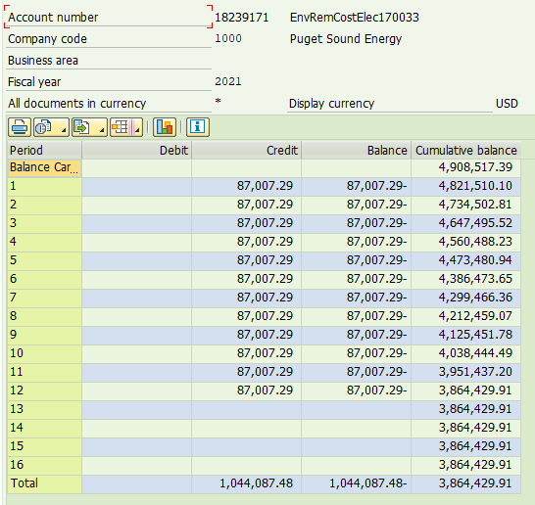
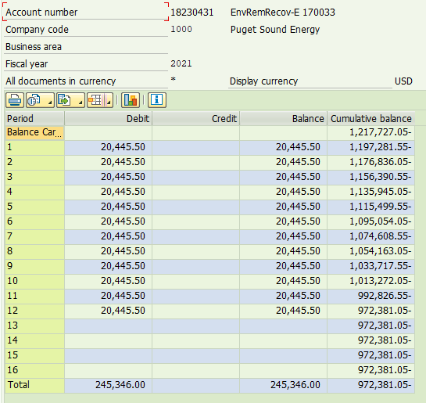
PUGET SOUND ENERGY
TRANSFERS AND AMORTIZATION FOR ELECTRIC
January 2021 - December 2021

SAP Account | Site Description | Amortization Period | Cumulative Bal. Dec-20 | Jan-21 | Feb-21 | Mar-21 | Apr-21 | May-21 | Jun-21 | Jul-21 | Aug-21 | Sep-21 | Oct-21 | Nov-21 | Dec-21 | Cummulative Bal. Dec-21
18239171 | Env Rem Costs - Elec UE - 170033 and UE-190529 (Transfer) | 2017-12-19 | 10,600,040.96 | - | - | - | - | - | - | - | - | - | - | - | - | 10,600,040.96
18239171 | Env Rem Costs - Elec UE - 170033 and UE-190529 (Amortization) | 2022-12-18 | (5,691,522.67) | (87,007.29) | (87,007.29) | (87,007.29) | (87,007.29) | (87,007.29) | (87,007.29) | (87,007.29) | (87,007.29) | (87,007.29) | (87,007.29) | (87,007.29) | (87,007.29) | (6,735,610.15)
 | Subtotal Env Rem Costs - Elec |  | 4,908,518.29 | (87,007.29) | (87,007.29) | (87,007.29) | (87,007.29) | (87,007.29) | (87,007.29) | (87,007.29) | (87,007.29) | (87,007.29) | (87,007.29) | (87,007.29) | (87,007.29) | 3,864,430.81

18230431 | Env Rem Recovery - Elec UE 170033 and UE-190529 (Transfer) | 2017-12-19 | (2,720,877.60) | - | - | - | - | - | - | - | - | - | - | - | - | (2,720,877.60)
18230431 | Env Rem Recovery - Elec UE 170033 and UE-190529 (Amortization) | 2022-12-18 | 1,503,150.40 | 20,445.50 | 20,445.50 | 20,445.50 | 20,445.50 | 20,445.50 | 20,445.50 | 20,445.50 | 20,445.50 | 20,445.50 | 20,445.50 | 20,445.50 | 20,445.50 | 1,748,496.40
 | Subtotal Amortization Accounts |  | (1,217,727.20) | 20,445.50 | 20,445.50 | 20,445.50 | 20,445.50 | 20,445.50 | 20,445.50 | 20,445.50 | 20,445.50 | 20,445.50 | 20,445.50 | 20,445.50 | 20,445.50 | (972,381.20)

 |  | Grand Total | 3,690,791.09 | (66,561.79) | (66,561.79) | (66,561.79) | (66,561.79) | (66,561.79) | (66,561.79) | (66,561.79) | (66,561.79) | (66,561.79) | (66,561.79) | (66,561.79) | (66,561.79) | 2,892,049.61

GAS Amort
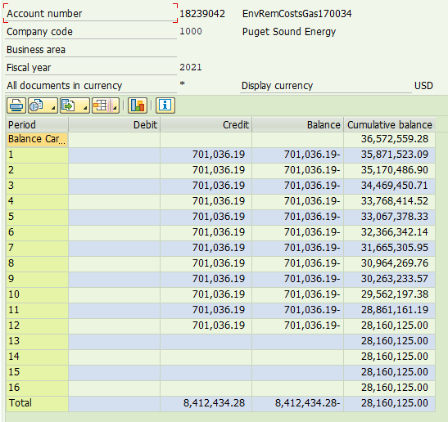
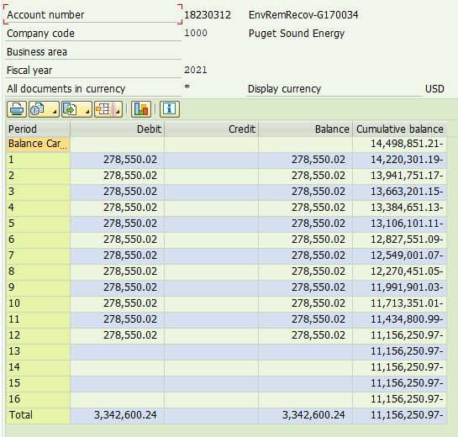
PUGET SOUND ENERGY
TRANSFERS AND AMORTIZATION FOR GAS
January 2021 - December 2021

SAP Account | Site Description | Cummulative Bal. Dec-20 | Jan-21 | Feb-21 | Mar-21 | Apr-21 | May-21 | Jun-21 | Jul-21 | Aug-21 | Sep-21 | Oct-21 | Nov-21 | Dec-21 | Cummulative Bal. Dec-21
18239042 | Env Rem Costs - Gas UG - 170034 and UG-190530 (Transfer) | 78,886,104.51 | - | - | - | - | - | - | - | - | - | - | - | - | 78,886,104.51
18239042 | Env Rem Costs - Gas UG - 170034 and UG-190530 (Amortization) | (42,313,545.55) | (701,036.19) | (701,036.19) | (701,036.19) | (701,036.19) | (701,036.19) | (701,036.19) | (701,036.19) | (701,036.19) | (701,036.19) | (701,036.19) | (701,036.19) | (701,036.19) | (50,725,979.83)
 | Subtotal Env Rem Costs - Gas | 36,572,558.96 | (701,036.19) | (701,036.19) | (701,036.19) | (701,036.19) | (701,036.19) | (701,036.19) | (701,036.19) | (701,036.19) | (701,036.19) | (701,036.19) | (701,036.19) | (701,036.19) | 28,160,124.68

 | Env Rem Recovery - Gas UE 170034 and UG-190530 (Transfer) | (31,585,284.16) | - | - | - | - | - | - | - | - | - | - | - | - | (31,585,284.16)
18230312 | Env Rem Recovery - Gas UG - 170034 and UG-190530 (Amortization) | 17,086,432.95 | 278,550.02 | 278,550.02 | 278,550.02 | 278,550.02 | 278,550.02 | 278,550.02 | 278,550.02 | 278,550.02 | 278,550.02 | 278,550.02 | 278,550.02 | 278,550.02 | 20,429,033.19
 | Subtotal Env Rem Recovery - Gas | (14,498,851.21) | 278,550.02 | 278,550.02 | 278,550.02 | 278,550.02 | 278,550.02 | 278,550.02 | 278,550.02 | 278,550.02 | 278,550.02 | 278,550.02 | 278,550.02 | 278,550.02 | (11,156,250.97)

 | Grand Total | 22,073,707.75 | (422,486.17) | (422,486.17) | (422,486.17) | (422,486.17) | (422,486.17) | (422,486.17) | (422,486.17) | (422,486.17) | (422,486.17) | (422,486.17) | (422,486.17) | (422,486.17) | 17,003,873.71

