Exh. SEF-4C p 2 Fixed Costs
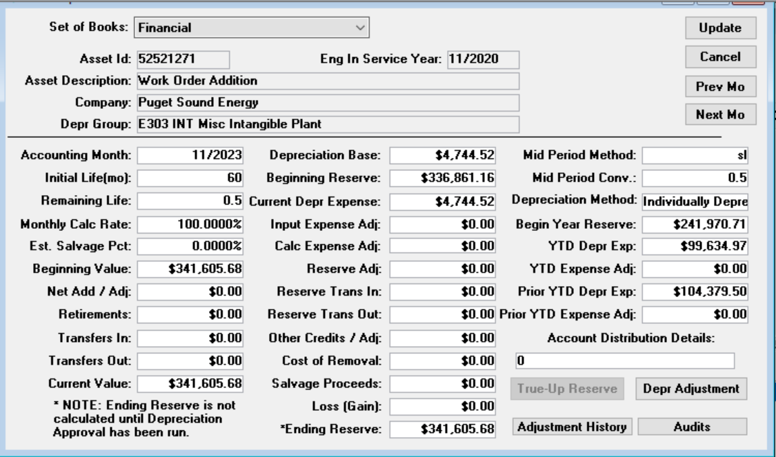
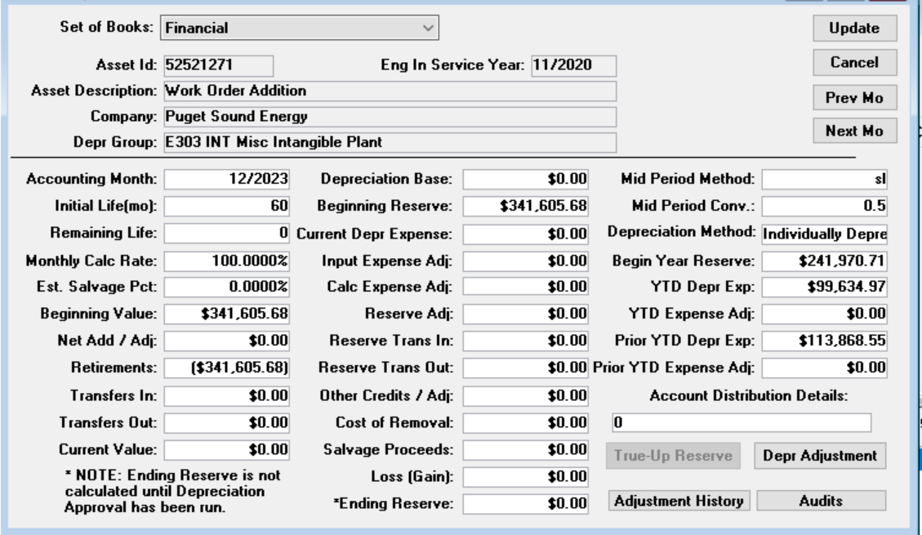
Reporting for the Treatment of the Schedule 139, Voluntary Long Term Renewable
Energy Purchase Rider (“Green Direct Program”)
2023 Fixed Costs

 | Employee Labor | $9,610.00
 | Depreciation | $99,635

 | Labor
 | Work Order | WBS | Description | Jan-21 | Feb-21 | Mar-21 | Apr-21 | May-21 | Jun-21 | Jul-21 | Aug-21 | Sep-21 | Oct-21 | Nov-21 | Dec-21 | Totals
 | 92001233 | C.99999.03.37.01 | Admin | $0.00 | $0.00 | $0.00 | $0.00 | $0.00 | $0.00 | $0.00 | $0.00 | $0.00 | $0.00 | $0.00 | $0.00 | $0.00
 | 92301153 | C.99999.03.37.01 | Outside Services | $9,610.00 | $0.00 | $0.00 | $0.00 | $0.00 | $0.00 | $0.00 | $0.00 | $0.00 | $0.00 | $0.00 | $0.00 | $9,610.00
 |  |  |  |  |  |  |  |  |  |  |  |  |  |  |  | $9,610.00

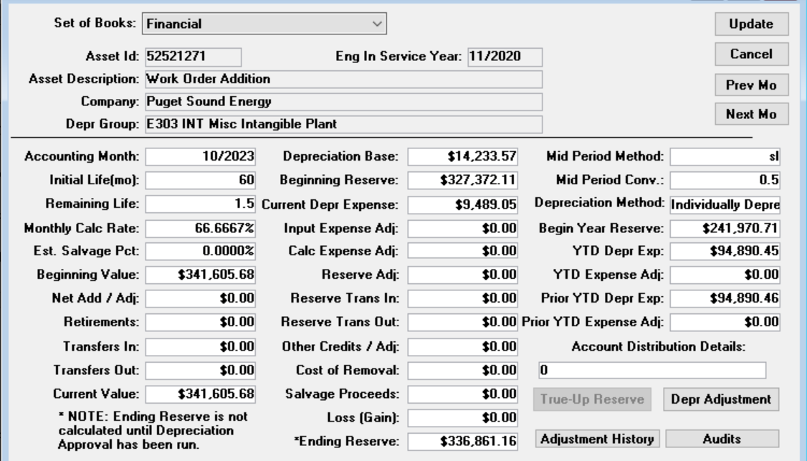
 | Depreciation
 | Jan-23 | $9,489
 | Feb-23 | $9,489
 | Mar-23 | $9,489
 | Apr-23 | $9,489
 | May-23 | $9,489
 | Jun-23 | $9,489
 | Jul-23 | $9,489
 | Aug-23 | $9,489
 | Sep-23 | $9,489
 | Oct-23 | $9,489
 | Nov-23 | $4,745
 | Dec-23 | –
 |  | $99,635

Exh. SEF-4C p 3 Liq Damages
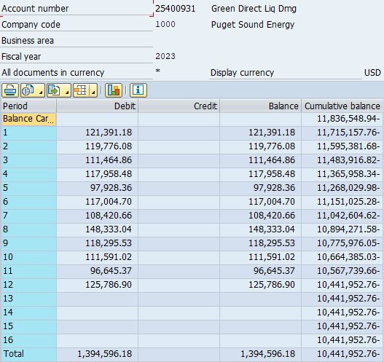
Reporting for the Treatment of the Schedule 139, Voluntary Long Term Renewable Energy Purchase Rider (“Green Direct Program”)
2023 Liquidated Damages Activity

 | Period | Beginning Balance | Liquidated Damages Additons | Liquidated Damages Usage | Ending Balance
 | Balance |  |  |  | (11,836,548.94)
 | January | 121,391 |  | 121,391 | (11,715,157.76)
 | February | 119,776 |  | 119,776 | (11,595,381.68)
 | March | 111,465 |  | 111,465 | (11,483,916.82)
 | April | 117,958 |  | 117,958 | (11,365,958.34)
 | May | 97,928 |  | 97,928 | (11,268,029.98)
 | June | 117,005 |  | 117,005 | (11,151,025.28)
 | July | 108,421 |  | 108,421 | (11,042,604.62)
 | August | 148,333 |  | 148,333 | (10,894,271.58)
 | September | 118,296 |  | 118,296 | (10,775,976.05)
 | October | 111,591 |  | 111,591 | (10,664,385.03)
 | November | 96,645 |  | 96,645 | (10,567,739.66)
 | December | 125,787 |  | 125,787 | (10,441,952.76)

