191
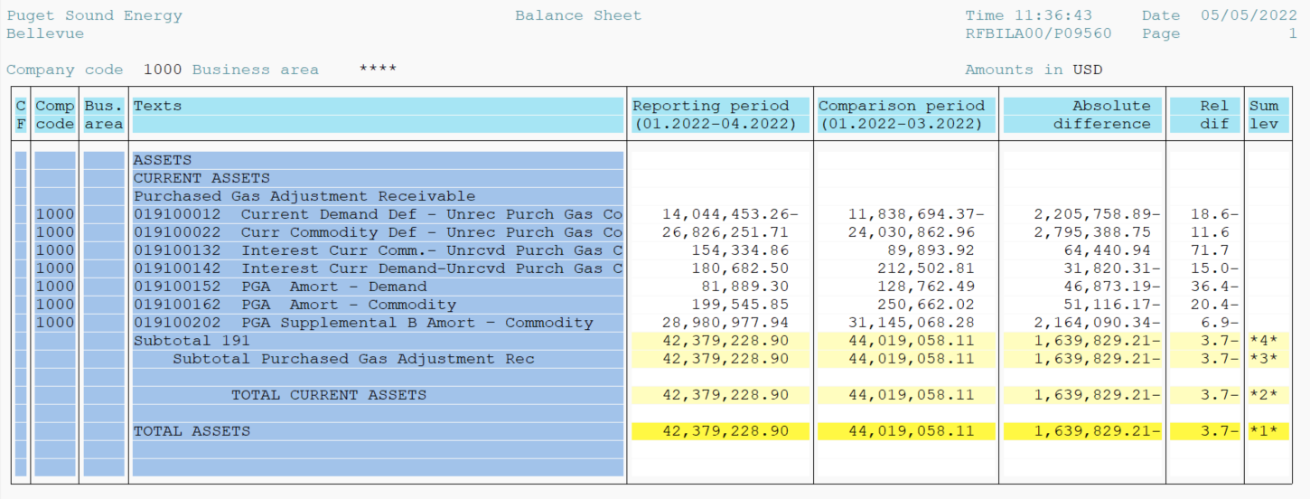
PUGET SOUND ENERGY
PGA 191 Account Balances
April
2022

 |  | Acct No. | Apr-22

Surcharge/Refund Amortization Accounts:
PGA Refund/Surcharge Amortization (Demand) |  | 19100152
 | Beginning |  | $128,762.49
 | Transfer Deferral Amounts to Surcharge/Refund Account
 | Surcharge/Refund Amortization |  | (43,650.00)
 | Migration Credit |  | 79.76
 | Interest |  | (3,302.95)
 | Total Month |  | (46,873.19)
 | Ending |  | $81,889.30

PGA Refund/Surcharge Amortization (Commodity) - 106 |  | 19100162
 | Beginning |  | $250,662.02
 | Transfer Deferral Amounts to Surcharge/Refund Account
 | Surcharge/Refund Amortization |  | (63,629.00)
 | Migration Credit |  | 813.97
 | Interest |  | 11,698.86
 | Total Month |  | (51,116.17)
 | Ending |  | $199,545.85

PGA Supplemental Amortization (Commodity) - 106A |  | 19100192
 | Beginning |  | $-
 | Transfer Deferral Amounts to Surcharge/Refund Account |  | -
 | Surcharge/Refund Amortization |  | -
 | Migration Credit |  | -
 | Interest |  | -
 | Total Month |  | -
 | Ending |  | $-

PGA Supplemental Amortization (Commodity) - 106B |  | 19100202
 | Beginning |  | $31,145,068.28
 | Transfer Deferral Amounts to Surcharge/Refund Account
 | Surcharge/Refund Amortization |  | (2,228,830.00)
 | Migration Credit
 | Interest |  | 64,739.66
 | Total Month |  | (2,164,090.34)
 | Ending |  | $28,980,977.94

Current Demand Deferral |  | 19100012
 | Beginning |  | $(11,838,694.37)
 | Transfer Deferral Amounts to Surcharge/Refund Account
 | Deferral |  | (2,205,758.89)
 | Total Month |  | (2,205,758.89)
 | Ending |  | $(14,044,453.26)

Current Commodity Deferral |  | 19100022
 | Beginning |  | $24,030,862.96
 | Transfer Deferral Amounts to Surcharge/Refund Account
 | Deferral |  | 2,795,388.75
 | Total Month |  | 2,795,388.75
 | Ending |  | $26,826,251.71

Interest on Demand Deferral |  | 19100142
 | Beginning |  | $212,502.81
 | Transfer Interest Amounts to Surcharge/Refund Account
 | Interest |  | (31,820.31)
 | Total Month |  | (31,820.31)
 | Ending |  | $180,682.50

Interest on Commodity Deferral |  | 19100132
 | Beginning |  | $89,893.92
 | Transfer Interest Amounts to Surcharge/Refund Account
 | Interest |  | 64,440.94
 | Total Month |  | 64,440.94
 | Ending |  | $154,334.86

Total 191
 | Beginning |  | $44,019,058.11
 | Total Month |  | (1,639,829.21)
 | Ending |  | $42,379,228.90
Less: Acct. being Amortized |  |  | 29,262,413.09
Current Period Under/(Over) Recovered |  |  | $13,116,815.81

