191 Accounts
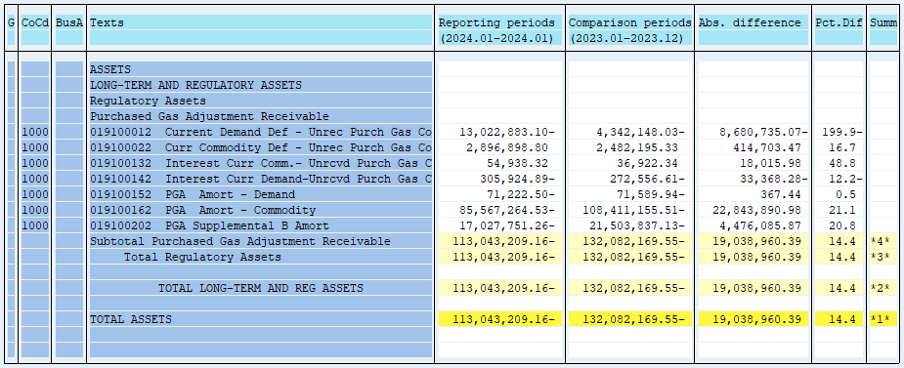
PUGET SOUND ENERGY
PGA 191 Account Balances
January
2024

 |  | Acct No. | Jan-24

Surcharge/Refund Amortization Accounts:
PGA Refund/Surcharge Amortization (Demand) |  | 19100152
 | Beginning |  | $(71,589.94)
 | Transfer Deferral Amounts to Surcharge/Refund Account
 | Surcharge/Refund Amortization |  | 9,585.00
 | Migration Credit
 | Interest |  | (9,217.56)
 | Total Month |  | 367.44
 | Ending |  | $(71,222.50)

PGA Refund/Surcharge Amortization (Commodity) - 106 |  | 19100162
 | Beginning |  | $(108,411,155.51)
 | Transfer Deferral Amounts to Surcharge/Refund Account
 | Surcharge/Refund Amortization |  | 23,495,904.00
 | Migration Credit
 | Interest |  | (652,013.02)
 | Total Month |  | 22,843,890.98
 | Ending |  | $(85,567,264.53)

PGA Supplemental Amortization (Demand) - 106B |  | 19100202
 | Beginning |  | $(21,503,837.13)
 | Transfer Deferral Amounts to Surcharge/Refund Account
 | Surcharge/Refund Amortization |  | 4,654,787.00
 | Migration Credit
 | Interest |  | (178,701.13)
 | Total Month |  | 4,476,085.87
 | Ending |  | $(17,027,751.26)

NWP Refund for Gas (Demand) |  | 19100212
 | Beginning |  | $-
 | Rcrd Northwest Pipeline Refund Alloc to Gas Book
 | Reclass to PLNG
 | Transfer Deferral Amounts to Surcharge/Refund Account |  | $-
 | Surcharge/Refund Amortization
 | Interest
 | Total Month |  | -
 | Ending |  | $-

Current Demand Deferral |  | 19100012
 | Beginning |  | $(4,342,148.03)
 | Transfer Deferral Amounts to Surcharge/Refund Account
 | Deferral |  | (8,680,735.07)
 | Total Month |  | (8,680,735.07)
 | Ending |  | $(13,022,883.10)

Current Commodity Deferral |  | 19100022
 | Beginning |  | $2,482,195.33
 | Transfer Deferral Amounts to Surcharge/Refund Account
 | PGA Deferral Commd Vlntr RNG CR Tru-up 12/21-05/22
 | Deferral |  | 414,703.47
 | Total Month |  | 414,703.47
 | Ending |  | $2,896,898.80

Interest on Demand Deferral |  | 19100142
 | Beginning |  | $(272,556.61)
 | Transfer Interest Amounts to Surcharge/Refund Account
 | Interest |  | (33,368.28)
 | Total Month |  | (33,368.28)
 | Ending |  | $(305,924.89)

Interest on Commodity Deferral |  | 19100132
 | Beginning |  | $36,922.34
 | Transfer Interest Amounts to Surcharge/Refund Account
 | Interest |  | 18,015.98
 | Total Month |  | 18,015.98
 | Ending |  | $54,938.32

Total 191
 | Beginning |  | $(132,082,169.55)
 | Total Month |  | 19,038,960.39
 | Ending |  | $(113,043,209.16)
Less: Acct. being Amortized |  |  | (102,666,238.29)
Current Period Under/(Over) Recovered |  |  | $(10,376,970.87)

