Pension-Calc & hist
 |  |  | Trailing Twelve Month Ended September 30 2017 and Earlier |  |  |  |  |  |  | Trailing Twelve Month Ended September 30 Jan - Sept 2018 Only
 |  |  | 2013 | 2014 | 2015 | 2016 | 2017 | 2018 (Oct - Dec 2017 Only) |  | 2018
 | SAP | System-Wide FAS 87 | 20,481,500.72 | 15,674,275.96 | 19,882,103.24 | 17,780,717.47 | 17,014,300.52 | 5,307,567.01 | System-Wide FAS 87 | 15,591,573.44
 | Payroll Analysis Report | O&M Percentage | 66.47% | 65.94% | 64.43% | 64.13% | 63.81% | 63.19% | System-Wide Service Cost | 5,111,035.97
 | Rx | O&M $ (Regulatory Basis) | 13,613,965.59 | 10,336,390.95 | 12,810,861.16 | 11,401,995.48 | 10,856,513.19 | 3,354,047.13 | O&M % | 63.19%
 | Pension Balancing File for Period End | WA Allocation % | 9.76% | 9.80% | 10.02% | 9.76% | 10.21% | 10.81% | Service Cost O&M | 3,229,851.92
 | Rx | WA Allocated O&M | 1,328,723.04 | 1,012,966.31 | 1,283,648.29 | 1,112,834.76 | 1,108,450.00 | 362,572.49 | Non-Service Cost | 10,480,537.47
 |  |  |  |  |  |  |  |  | Total O&M | 13,710,389.39
 |  |  |  |  |  |  |  |  | WA Allocation % | 10.81%
 |  |  |  |  |  |  |  |  | WA Allocated O&M | 1,482,093.09

 |  |  | Calendar Year 2017 and Earlier |  |  |  |  |  |  | Calendar Year 2018
 |  |  | 2013 | 2014 | 2015 | 2016 | 2017 |  |  | 2018
 | SAP | System-Wide FAS 87 | 21,514,240.96 | 14,187,011.96 | 20,772,490.00 | 17,271,566.96 | 18,126,300.04 |  | System-Wide FAS 87 | 20,778,764.00
 | Payroll Analysis Report | O&M Percentage | 66.39% | 64.83% | 64.49% | 64.35% | 63.27% |  | System-Wide Service Cost | 6,814,715.00
 | Rx | O&M $ (Regulatory Basis) | 14,283,398.56 | 9,197,262.60 | 13,395,339.87 | 11,113,796.91 | 11,468,497.66 | - | O&M % | 63.19%
 | Pension Balancing File for Period End | WA Allocation % | 9.76% | 9.80% | 10.02% | 9.76% | 10.21% |  | Service Cost O&M | 4,306,469.47
 | Rx | WA Allocated O&M | 1,394,059.70 | 901,331.73 | 1,342,213.06 | 1,084,706.58 | 1,170,933.61 | - | Non-Service Cost | 13,964,049.00
 |  |  |  |  |  |  |  |  | Total O&M | 18,270,518.47
 |  |  |  |  |  |  |  |  | WA Allocation % | 10.81%
506000 | PENSION CONTRIBUTION | 1,652,742.00 | DBP PENSION LIABILIT | Pension | FAS 87 Exp - DBP | 2012 | 10 |  | WA Allocated O&M | 1,975,043.05
506000 | PENSION CONTRIBUTION | 1,652,742.00 | DBP PENSION LIABILIT | Pension | FAS 87 Exp - DBP | 2012 | 11
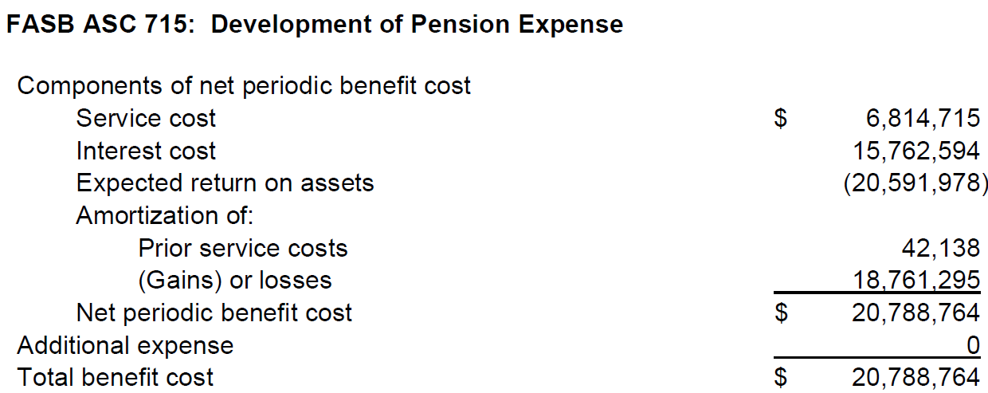
506000 | PENSION CONTRIBUTION | 1,652,742.00 | DBP PENSION LIABILIT | Pension | FAS 87 Exp - DBP | 2012 | 12
506000 | PENSION CONTRIBUTION | (689,371.00) | DBP PENSION LIABILIT | To adjust DBP per actuari | To adjust DBP per actuarial update | 2012 | 12
506000 | PENSION CONTRIBUTION | 1,801,405.08 | DBP PENSION LIABILIT | Pension | FAS 87 Exp - DBP | 2013 | 1
506000 | PENSION CONTRIBUTION | 1,801,405.08 | DBP PENSION LIABILIT | Pension | FAS 87 Exp - DBP | 2013 | 2
506000 | PENSION CONTRIBUTION | 1,801,405.08 | DBP PENSION LIABILIT | Pension | FAS 87 Exp - DBP | 2013 | 3
506000 | PENSION CONTRIBUTION | 1,801,405.08 | DBP PENSION LIABILIT | Pension | FAS 87 Exp - DBP | 2013 | 4
506000 | PENSION CONTRIBUTION | 1,801,405.08 | DBP PENSION LIABILIT | Pension | FAS 87 Exp - DBP | 2013 | 5
506000 | PENSION CONTRIBUTION | 1,801,405.08 | DBP PENSION LIABILIT | Pension | FAS 87 Exp - DBP | 2013 | 6
506000 | PENSION CONTRIBUTION | 1,801,405.08 | DBP PENSION LIABILIT | Pension | FAS 87 Exp - DBP | 2013 | 7
506000 | PENSION CONTRIBUTION | 1,801,405.08 | DBP PENSION LIABILIT | Pension | FAS 87 Exp - DBP | 2013 | 8
506000 | PENSION CONTRIBUTION | 1,801,405.08 | DBP PENSION LIABILIT | Pension | FAS 87 Exp - DBP | 2013 | 9
506000 | PENSION CONTRIBUTION | 1,801,405.08 | DBP PENSION LIABILIT | Pension | FAS 87 Exp - DBP | 2013 | 10
506000 | PENSION CONTRIBUTION | 1,801,405.08 | DBP PENSION LIABILIT | Pension | FAS 87 Exp - DBP | 2013 | 11
506000 | PENSION CONTRIBUTION | (102,620.00) | DBP PENSION LIABILIT | Pension True-Up | True-Up FAS 87 Exp - DBP | 2013 | 11
506000 | PENSION CONTRIBUTION | 1,801,405.08 | DBP PENSION LIABILIT | Pension | FAS 87 Exp - DBP | 2013 | 12
506000 | PENSION CONTRIBUTION | 1,152,520.08 | DBP PENSION LIABILIT | Pension | FAS 87 Exp - DBP | 2014 | 1
506000 | PENSION CONTRIBUTION | 1,152,520.08 | DBP PENSION LIABILIT | Pension | FAS 87 Exp - DBP | 2014 | 2
506000 | PENSION CONTRIBUTION | 1,152,520.08 | DBP PENSION LIABILIT | Pension | FAS 87 Exp - DBP | 2014 | 3
506000 | PENSION CONTRIBUTION | 1,152,520.08 | DBP PENSION LIABILIT | Pension | FAS 87 Exp - DBP | 2014 | 4
506000 | PENSION CONTRIBUTION | 1,152,520.08 | DBP PENSION LIABILIT | Pension | FAS 87 Exp - DBP | 2014 | 5
506000 | PENSION CONTRIBUTION | 1,152,520.08 | DBP PENSION LIABILIT | Pension | FAS 87 Exp - DBP | 2014 | 6
506000 | PENSION CONTRIBUTION | 1,152,520.08 | DBP PENSION LIABILIT | Pension | FAS 87 Exp - DBP | 2014 | 7
506000 | PENSION CONTRIBUTION | 1,152,520.08 | DBP PENSION LIABILIT | Pension | FAS 87 Exp - DBP | 2014 | 8
506000 | PENSION CONTRIBUTION | 1,152,520.08 | DBP PENSION LIABILIT | Pension | FAS 87 Exp - DBP | 2014 | 9
506000 | PENSION CONTRIBUTION | 1,152,520.08 | DBP PENSION LIABILIT | Pension | FAS 87 Exp - DBP | 2014 | 10
506000 | PENSION CONTRIBUTION | 1,152,520.08 | DBP PENSION LIABILIT | Pension | FAS 87 Exp - DBP | 2014 | 11
506000 | PENSION CONTRIBUTION | 356,771.00 | DBP PENSION COSTS | Pension True-up | True-up FAS 87 Exp - DBP | 2014 | 11
506000 | PENSION CONTRIBUTION | 1,152,520.08 | DBP PENSION LIABILIT | Pension | FAS 87 Exp - DBP | 2014 | 12
506000 | PENSION CONTRIBUTION | 1,785,308.00 | DBP PENSION LIABILIT | Pension | FAS 87 Exp - DBP | 2015 | 1
506000 | PENSION CONTRIBUTION | 1,785,308.00 | DBP PENSION LIABILIT | Pension | FAS 87 Exp - DBP | 2015 | 2
506000 | PENSION CONTRIBUTION | 1,785,308.00 | DBP PENSION LIABILIT | Pension | FAS 87 Exp - DBP | 2015 | 3
506000 | PENSION CONTRIBUTION | 1,785,308.00 | DBP PENSION LIABILIT | Pension | FAS 87 Exp - DBP | 2015 | 4
506000 | PENSION CONTRIBUTION | 1,785,308.00 | DBP PENSION LIABILIT | Pension | FAS 87 Exp - DBP | 2015 | 5
506000 | PENSION CONTRIBUTION | 1,785,308.00 | DBP PENSION LIABILIT | Pension | FAS 87 Exp - DBP | 2015 | 6
506000 | PENSION CONTRIBUTION | 1,785,308.00 | DBP PENSION LIABILIT | Pension | FAS 87 Exp - DBP | 2015 | 7
506000 | PENSION CONTRIBUTION | 1,785,308.00 | DBP PENSION LIABILIT | Pension | FAS 87 Exp - DBP | 2015 | 8
506000 | PENSION CONTRIBUTION | 1,785,308.00 | DBP PENSION LIABILIT | Pension | FAS 87 Exp - DBP | 2015 | 9
506000 | PENSION CONTRIBUTION | 1,785,308.00 | DBP PENSION LIABILIT | Pension | FAS 87 Exp - DBP | 2015 | 10
506000 | PENSION CONTRIBUTION | (651,206.00) | DBP PENSION LIABILIT | Pension Nov True-up | True-up FAS 87 Exp - DBP | 2015 | 11
506000 | PENSION CONTRIBUTION | 1,785,308.00 | DBP PENSION LIABILIT | Pension | FAS 87 Exp - DBP | 2015 | 11
506000 | PENSION CONTRIBUTION | 1,785,308.00 | DBP PENSION LIABILIT | Pension | FAS 87 Exp - DBP | 2015 | 12
506000 | PENSION CONTRIBUTION | 1,452,888.83 | DBP PENSION LIABILIT | Pension | FAS 87 Exp - DBP | 2016 | 1
506000 | PENSION CONTRIBUTION | 1,452,888.83 | DBP PENSION LIABILIT | Pension | FAS 87 Exp - DBP | 2016 | 2
506000 | PENSION CONTRIBUTION | 1,452,888.83 | DBP PENSION LIABILIT | Pension | FAS 87 Exp - DBP | 2016 | 3
506000 | PENSION CONTRIBUTION | 1,452,888.83 | DBP PENSION LIABILIT | Pension | FAS 87 Exp - DBP | 2016 | 4
506000 | PENSION CONTRIBUTION | 1,452,888.83 | DBP PENSION LIABILIT | Pension | FAS 87 Exp - DBP | 2016 | 5
506000 | PENSION CONTRIBUTION | 1,452,888.83 | DBP PENSION LIABILIT | Pension | FAS 87 Exp - DBP | 2016 | 6
506000 | PENSION CONTRIBUTION | 1,452,888.83 | DBP PENSION LIABILIT | Pension | FAS 87 Exp - DBP | 2016 | 7
506000 | PENSION CONTRIBUTION | 1,452,888.83 | DBP PENSION LIABILIT | Pension | FAS 87 Exp - DBP | 2016 | 8
506000 | PENSION CONTRIBUTION | 1,452,888.83 | DBP PENSION LIABILIT | Pension | FAS 87 Exp - DBP | 2016 | 9
506000 | PENSION CONTRIBUTION | 1,452,888.83 | DBP PENSION LIABILIT | Pension | FAS 87 Exp - DBP | 2016 | 10
506000 | PENSION CONTRIBUTION | (163,099.00) | DBP PENSION LIABILIT | Pension Nov True-up | True-up FAS 87 Exp - DBP | 2016 | 11
506000 | PENSION CONTRIBUTION | 1,452,888.83 | DBP PENSION LIABILIT | Pension | FAS 87 Exp - DBP | 2016 | 11
506000 | PENSION CONTRIBUTION | 1,452,888.83 | DBP PENSION LIABILIT | Pension | FAS 87 Exp - DBP | 2016 | 12
506000 | PENSION CONTRIBUTION | 1,424,303.67 | DBP PENSION LIABILIT | Pension | FAS 87 Exp - DBP | 2017 | 1
506000 | PENSION CONTRIBUTION | 1,424,303.67 | DBP PENSION LIABILIT | Pension | FAS 87 Exp - DBP | 2017 | 2
506000 | PENSION CONTRIBUTION | 1,424,303.67 | DBP PENSION LIABILIT | Pension | FAS 87 Exp - DBP | 2017 | 3
506000 | PENSION CONTRIBUTION | 1,424,303.67 | DBP PENSION LIABILIT | Pension | FAS 87 Exp - DBP | 2017 | 4
506000 | PENSION CONTRIBUTION | 1,424,303.67 | DBP PENSION LIABILIT | Pension | FAS 87 Exp - DBP | 2017 | 5
506000 | PENSION CONTRIBUTION | 1,424,303.67 | DBP PENSION LIABILIT | Pension | FAS 87 Exp - DBP | 2017 | 6
506000 | PENSION CONTRIBUTION | 1,424,303.67 | DBP PENSION LIABILIT | Pension | FAS 87 Exp - DBP | 2017 | 7
506000 | PENSION CONTRIBUTION | 1,424,303.67 | DBP PENSION LIABILIT | Pension | FAS 87 Exp - DBP | 2017 | 8
506000 | PENSION CONTRIBUTION | 1,424,303.67 | DBP PENSION LIABILIT | Pension | FAS 87 Exp - DBP | 2017 | 9
506000 | PENSION CONTRIBUTION | 1,424,303.67 | DBP PENSION LIABILIT | Pension | FAS 87 Exp - DBP | 2017 | 10
506000 | PENSION CONTRIBUTION | 1,034,656.00 | DBP PENSION COSTS | Pension Nov Update | Nov Update - FAS 87 exp - DBP | 2017 | 11
506000 | PENSION CONTRIBUTION | 1,424,303.67 | DBP PENSION LIABILIT | Pension | FAS 87 Exp - DBP | 2017 | 11
506000 | PENSION CONTRIBUTION | 1,424,303.67 | DBP PENSION LIABILIT | Pension | FAS 87 Exp - DBP | 2017 | 12

Pension-2018 YTD
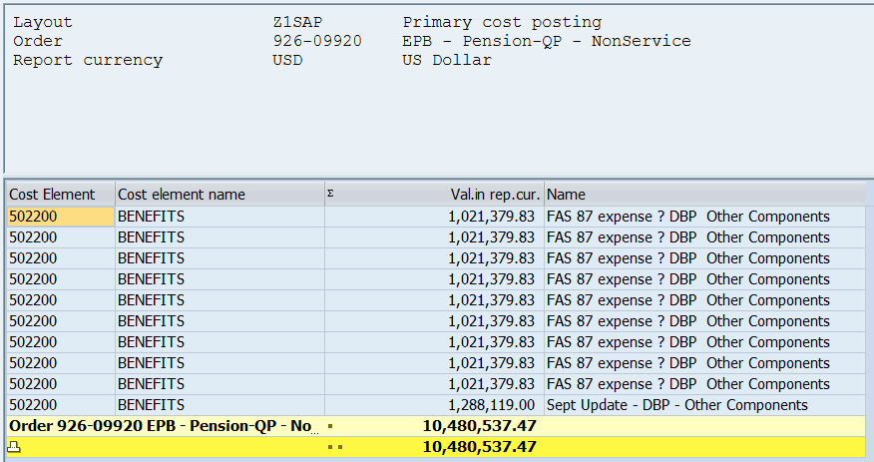
 |  |  | D-1 | DB Expense per SAP
602-02485 (Service Cost), Cost Element 506000
926-09920 (Non-Service Cost), Cost Element 502200

Run YTD. Only grab FAS 87 Expense. Remainder of expenses are professional fees and administrative costs, which are not components of FAS 87.

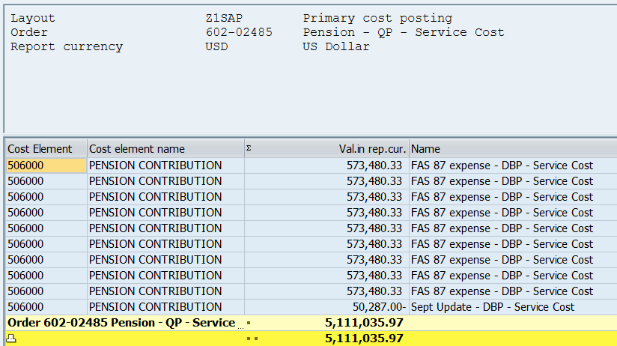
 | Service Cost | 5,111,035.97
 | Non-Service Cost | 10,480,537.47
 |  | 15,591,573.44

OPEB-Calc & hist
 |  |  | Trailing Twelve Month Ended September 30 2017 and Earlier |  |  |  |  |  |  | Trailing Twelve Month Ended September 30 Jan - Sept 2018 Only
 |  |  | 2013 | 2014 | 2015 | 2016 | 2017 | 2018 (Oct - Dec 2017 Only) |  | 2018
 | SAP | System-Wide FAS 106 | 2,698,936.80 | 2,315,646.48 | 2,365,593.74 | 2,110,538.72 | 1,496,964.24 | 529,302.25 | System-Wide FAS 106 | 939,460.32
 | Payroll Analysis Report | O&M Percentage | 66.47% | 65.94% | 64.43% | 64.13% | 63.81% | 63.19% | System-Wide Service Cost | 235,554.57
 | Rx | O&M $ (Regulatory Basis) | 1,793,971.70 | 1,527,051.55 | 1,524,249.85 | 1,353,396.06 | 955,185.43 | 334,485.59 | O&M % | 63.19%
 | Pension Balancing File for Period End | WA Allocation % | 9.76% | 9.80% | 10.02% | 9.76% | 10.21% | 10.81% | Service Cost O&M | 148,855.61
 | Rx | WA Allocated O&M | 175,091.64 | 149,651.05 | 152,729.84 | 132,091.46 | 97,524.43 | 36,157.89 | Non-Service Cost | 703,905.75
 |  |  |  |  |  |  |  |  | Total O&M | 852,761.36
 |  |  |  |  |  |  |  |  | WA Allocation % | 10.81%
 |  |  |  |  |  |  |  |  | WA Allocated O&M | 92,183.50

 |  |  | Calendar Year 2017 and Earlier |  |  |  |  |  |  | Calendar Year 2018
 |  |  | 2013 | 2014 | 2015 | 2016 | 2017 |  |  | 2018
 | SAP | System-Wide FAS 106 | 2,744,405.04 | 2,153,054.96 | 2,456,723.00 | 1,802,802.96 | 1,710,037.00 |  | System-Wide FAS 106 | 1,257,518.00
 | Payroll Analysis Report | O&M Percentage | 66.39% | 64.83% | 64.49% | 64.35% | 63.27% |  | System-Wide Service Cost | 318,977.00
 | Rx | O&M $ (Regulatory Basis) | 1,822,022.50 | 1,395,798.63 | 1,584,241.44 | 1,160,056.06 | 1,081,939.24 | - | O&M % | 63.19%
 | Pension Balancing File for Period End | WA Allocation % | 9.76% | 9.80% | 10.02% | 9.76% | 10.21% |  | Service Cost O&M | 201,573.32
 | Rx | WA Allocated O&M | 177,829.40 | 136,788.27 | 158,740.99 | 113,221.47 | 110,466.00 | - | Non-Service Cost | 938,541.00
 |  |  |  |  |  |  |  |  | Total O&M | 1,140,114.32
 |  |  |  |  |  |  |  |  | WA Allocation % | 10.81%
Cost Element | Cost element name | Val.in rep.cur. | Name of offsetting account | Document Header Text | Name | Fiscal Year | Period |  | WA Allocated O&M | 123,246.36
502200 | BENEFITS | 248,864.25 | DBP PENSION LIABILIT | Pension | Post Retire Ben FAS 106 Exp | 2012 | 10
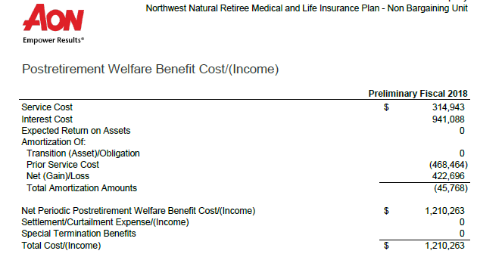
502200 | BENEFITS | -10,750.93 | BENEFITS | Pension | FAS 106 Jan to Sept 2012 | 2012 | 10
502200 | BENEFITS | -1,194.55 | BENEFITS | Pension | FAS 106 October 2012 | 2012 | 10
502200 | BENEFITS | 248,864.25 | DBP PENSION LIABILIT | Pension | Post Retire Ben FAS 106 Exp | 2012 | 11
502200 | BENEFITS | 248,864.25 | DBP PENSION LIABILIT | Pension | Post Retire Ben FAS 106 Exp | 2012 | 12
502200 | BENEFITS | 84,688.00 | FAS 106 LIABILITY LO | To adjust FAS 106 expense | To adjust FAS 106 expense per actuarial update | 2012 | 12
502200 | BENEFITS | -84,688.00 | FAS 106 LIABILITY LO | Correct FAS 106 expense | Correct FAS 106 expense posted backward | 2012 | 12
502200 | BENEFITS | -84,688.00 | FAS 106 LIABILITY LO | Correct FAS 106 expense | To adjust FAS 106 expense per actuarial update | 2012 | 12
502200 | BENEFITS | 227,664.17 | DBP PENSION LIABILIT | Pension | Post Retire Ben FAS 106 Exp | 2013 | 1
502200 | BENEFITS | 227,664.17 | DBP PENSION LIABILIT | Pension | Post Retire Ben FAS 106 Exp | 2013 | 2
502200 | BENEFITS | 227,664.17 | DBP PENSION LIABILIT | Pension | Post Retire Ben FAS 106 Exp | 2013 | 3
502200 | BENEFITS | 227,664.17 | DBP PENSION LIABILIT | Pension | Post Retire Ben FAS 106 Exp | 2013 | 4
502200 | BENEFITS | 227,664.17 | DBP PENSION LIABILIT | Pension | Post Retire Ben FAS 106 Exp | 2013 | 5
502200 | BENEFITS | 227,664.17 | DBP PENSION LIABILIT | Pension | Post Retire Ben FAS 106 Exp | 2013 | 6
502200 | BENEFITS | 227,664.17 | DBP PENSION LIABILIT | Pension | Post Retire Ben FAS 106 Exp | 2013 | 7
502200 | BENEFITS | 227,664.17 | DBP PENSION LIABILIT | Pension | Post Retire Ben FAS 106 Exp | 2013 | 8
502200 | BENEFITS | 227,664.17 | DBP PENSION LIABILIT | Pension | Post Retire Ben FAS 106 Exp | 2013 | 9
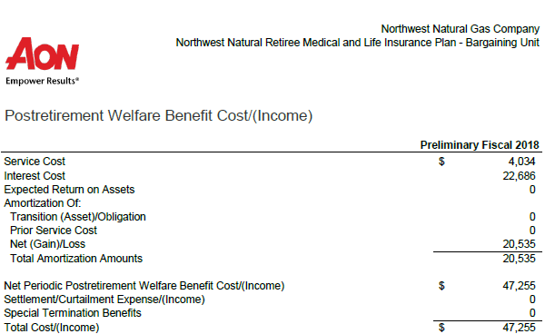
502200 | BENEFITS | 227,664.17 | DBP PENSION LIABILIT | Pension | Post Retire Ben FAS 106 Exp | 2013 | 10
502200 | BENEFITS | 227,664.17 | DBP PENSION LIABILIT | Pension | Post Retire Ben FAS 106 Exp | 2013 | 11
502200 | BENEFITS | 12,435.00 | DBP PENSION COSTS | Pension True-Up | True-Up Post Retire Ben FAS 106 Exp | 2013 | 11
502200 | BENEFITS | 227,664.17 | DBP PENSION LIABILIT | Pension | Post Retire Ben FAS 106 Exp | 2013 | 12
502200 | BENEFITS | 180,024.33 | DBP PENSION LIABILIT | Pension | Post Retire Ben FAS 106 Exp | 2014 | 1
502200 | BENEFITS | 180,024.33 | DBP PENSION LIABILIT | Pension | Post Retire Ben FAS 106 Exp | 2014 | 2
502200 | BENEFITS | 180,024.33 | DBP PENSION LIABILIT | Pension | Post Retire Ben FAS 106 Exp | 2014 | 3
502200 | BENEFITS | 180,024.33 | DBP PENSION LIABILIT | Pension | Post Retire Ben FAS 106 Exp | 2014 | 4
502200 | BENEFITS | 180,024.33 | DBP PENSION LIABILIT | Pension | Post Retire Ben FAS 106 Exp | 2014 | 5
502200 | BENEFITS | 180,024.33 | DBP PENSION LIABILIT | Pension | Post Retire Ben FAS 106 Exp | 2014 | 6
502200 | BENEFITS | 180,024.33 | DBP PENSION LIABILIT | Pension | Post Retire Ben FAS 106 Exp | 2014 | 7
502200 | BENEFITS | 180,024.33 | DBP PENSION LIABILIT | Pension | Post Retire Ben FAS 106 Exp | 2014 | 8
502200 | BENEFITS | 180,024.33 | DBP PENSION LIABILIT | Pension | Post Retire Ben FAS 106 Exp | 2014 | 9
502200 | BENEFITS | 180,024.33 | DBP PENSION LIABILIT | Pension | Post Retire Ben FAS 106 Exp | 2014 | 10
502200 | BENEFITS | 180,024.33 | DBP PENSION LIABILIT | Pension | Post Retire Ben FAS 106 Exp | 2014 | 11
502200 | BENEFITS | -7,237.00 | DBP PENSION LIABILIT | Pension True-up | True-up Post Retire Ben FAS 106 Exp | 2014 | 11
502200 | BENEFITS | 180,024.33 | DBP PENSION LIABILIT | Pension | Post Retire Ben FAS 106 Exp | 2014 | 12
502200 | BENEFITS | 203,639.75 | DBP PENSION LIABILIT | Pension | Post Retire Ben FAS 106 Exp | 2015 | 1
502200 | BENEFITS | 203,639.75 | DBP PENSION LIABILIT | Pension | Post Retire Ben FAS 106 Exp | 2015 | 2
502200 | BENEFITS | 203,639.75 | DBP PENSION LIABILIT | Pension | Post Retire Ben FAS 106 Exp | 2015 | 3
502200 | BENEFITS | 203,639.75 | DBP PENSION LIABILIT | Pension | Post Retire Ben FAS 106 Exp | 2015 | 4
502200 | BENEFITS | 203,639.75 | DBP PENSION LIABILIT | Pension | Post Retire Ben FAS 106 Exp | 2015 | 5
502200 | BENEFITS | 203,639.75 | DBP PENSION LIABILIT | Pension | Post Retire Ben FAS 106 Exp | 2015 | 6
502200 | BENEFITS | 203,639.75 | DBP PENSION LIABILIT | Pension | Post Retire Ben FAS 106 Exp | 2015 | 7
502200 | BENEFITS | 203,639.75 | DBP PENSION LIABILIT | Pension | Post Retire Ben FAS 106 Exp | 2015 | 8
502200 | BENEFITS | 203,639.75 | DBP PENSION LIABILIT | Pension | Post Retire Ben FAS 106 Exp | 2015 | 9
502200 | BENEFITS | 203,639.75 | DBP PENSION LIABILIT | Pension | Post Retire Ben FAS 106 Exp | 2015 | 10
502200 | BENEFITS | 13,046.00 | PENSION CONTRIBUTION | Pension Nov True-up | True-up Post Retire Ben FAS 106 Exp | 2015 | 11
502200 | BENEFITS | 203,639.75 | DBP PENSION LIABILIT | Pension | Post Retire Ben FAS 106 Exp | 2015 | 11
502200 | BENEFITS | 203,639.75 | DBP PENSION LIABILIT | Pension | Post Retire Ben FAS 106 Exp | 2015 | 12
502200 | BENEFITS | 165,174.83 | DBP PENSION LIABILIT | Pension | Post Retire Ben FAS 106 Exp | 2016 | 1
502200 | BENEFITS | 165,174.83 | DBP PENSION LIABILIT | Pension | Post Retire Ben FAS 106 Exp | 2016 | 2
502200 | BENEFITS | 165,174.83 | DBP PENSION LIABILIT | Pension | Post Retire Ben FAS 106 Exp | 2016 | 3
502200 | BENEFITS | 165,174.83 | DBP PENSION LIABILIT | Pension | Post Retire Ben FAS 106 Exp | 2016 | 4
502200 | BENEFITS | 165,174.83 | DBP PENSION LIABILIT | Pension | Post Retire Ben FAS 106 Exp | 2016 | 5
502200 | BENEFITS | 165,174.83 | DBP PENSION LIABILIT | Pension | Post Retire Ben FAS 106 Exp | 2016 | 6
502200 | BENEFITS | 165,174.83 | DBP PENSION LIABILIT | Pension | Post Retire Ben FAS 106 Exp | 2016 | 7
502200 | BENEFITS | 165,174.83 | DBP PENSION LIABILIT | Pension | Post Retire Ben FAS 106 Exp | 2016 | 8
502200 | BENEFITS | 165,174.83 | DBP PENSION LIABILIT | Pension | Post Retire Ben FAS 106 Exp | 2016 | 9
502200 | BENEFITS | 165,174.83 | DBP PENSION LIABILIT | Pension | Post Retire Ben FAS 106 Exp | 2016 | 10
502200 | BENEFITS | -179,295.00 | DBP PENSION LIABILIT | Pension Nov True-up | True-up Post Retire Ben FAS 106 Exp | 2016 | 11
502200 | BENEFITS | 165,174.83 | DBP PENSION LIABILIT | Pension | Post Retire Ben FAS 106 Exp | 2016 | 11
502200 | BENEFITS | 165,174.83 | DBP PENSION LIABILIT | Pension | Post Retire Ben FAS 106 Exp | 2016 | 12
502200 | BENEFITS | 131,192.75 | DBP PENSION LIABILIT | Pension | Post Retire Ben FAS 106 Exp | 2017 | 1
502200 | BENEFITS | 131,192.75 | DBP PENSION LIABILIT | Pension | Post Retire Ben FAS 106 Exp | 2017 | 2
502200 | BENEFITS | 131,192.75 | DBP PENSION LIABILIT | Pension | Post Retire Ben FAS 106 Exp | 2017 | 3
502200 | BENEFITS | 131,192.75 | DBP PENSION LIABILIT | Pension | Post Retire Ben FAS 106 Exp | 2017 | 4
502200 | BENEFITS | 131,192.75 | DBP PENSION LIABILIT | Pension | Post Retire Ben FAS 106 Exp | 2017 | 5
502200 | BENEFITS | 131,192.75 | DBP PENSION LIABILIT | Pension | Post Retire Ben FAS 106 Exp | 2017 | 6
502200 | BENEFITS | 131,192.75 | DBP PENSION LIABILIT | Pension | Post Retire Ben FAS 106 Exp | 2017 | 7
502200 | BENEFITS | 131,192.75 | DBP PENSION LIABILIT | Pension | Post Retire Ben FAS 106 Exp | 2017 | 8
502200 | BENEFITS | 131,192.75 | DBP PENSION LIABILIT | Pension | Post Retire Ben FAS 106 Exp | 2017 | 9
502200 | BENEFITS | 131,192.75 | DBP PENSION LIABILIT | Pension | Post Retire Ben FAS 106 Exp | 2017 | 10
502200 | BENEFITS | 135,724.00 | DBP PENSION COSTS | Pension Nov Update | Nov Update - FAS 106 Exp - OPEB | 2017 | 11
502200 | BENEFITS | 131,192.75 | DBP PENSION LIABILIT | Pension | Post Retire Ben FAS 106 Exp | 2017 | 11
502200 | BENEFITS | 131,192.75 | DBP PENSION LIABILIT | Pension | Post Retire Ben FAS 106 Exp | 2017 | 12

OPEB-2018YTD
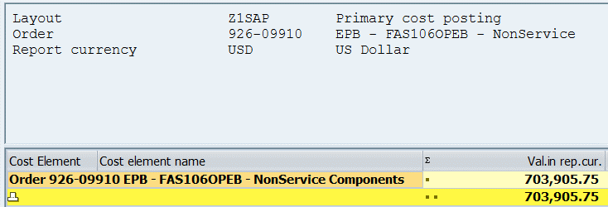
 |  |  | D-3 | OPEB Expense per SAP

602-02585 (Service Cost)
926-09910 (Non-Service Cost)

Run YTD. Only grab FAS 106 Expense. Do not include transfers to gas storage. Remainder of expenses are professional fees and administrative costs, which are not components of FAS 87.

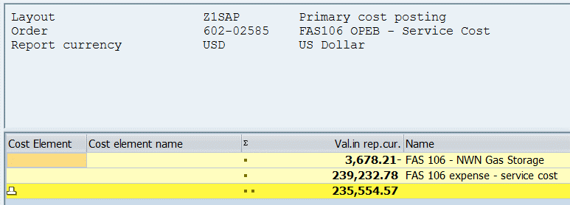
 | Service Cost | 235,554.57
 | Non-Service Cost | 703,905.75
 |  | 939,460.32

