191 Accounts
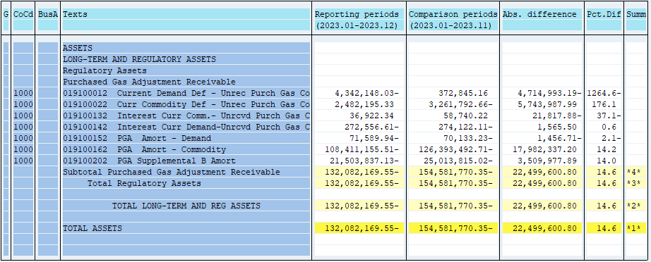
PUGET SOUND ENERGY
PGA 191 Account Balances
December
2023

 |  | Acct No. | Dec-23

Surcharge/Refund Amortization Accounts:
PGA Refund/Surcharge Amortization (Demand) |  | 19100152
 | Beginning |  | $(70,133.23)
 | Transfer Deferral Amounts to Surcharge/Refund Account
 | Surcharge/Refund Amortization |  | 7,660.00
 | Migration Credit
 | Interest |  | (9,116.71)
 | Total Month |  | (1,456.71)
 | Ending |  | $(71,589.94)

PGA Refund/Surcharge Amortization (Commodity) - 106 |  | 19100162
 | Beginning |  | $(126,393,492.71)
 | Transfer Deferral Amounts to Surcharge/Refund Account
 | Surcharge/Refund Amortization |  | 18,774,350.00
 | Migration Credit
 | Interest |  | (792,012.80)
 | Total Month |  | 17,982,337.20
 | Ending |  | $(108,411,155.51)

PGA Supplemental Amortization (Demand) - 106B |  | 19100202
 | Beginning |  | $(25,013,815.02)
 | Transfer Deferral Amounts to Surcharge/Refund Account
 | Surcharge/Refund Amortization |  | 3,715,528.00
 | Migration Credit
 | Interest |  | (205,550.11)
 | Total Month |  | 3,509,977.89
 | Ending |  | $(21,503,837.13)

NWP Refund for Gas (Demand) |  | 19100212
 | Beginning |  | $-
 | Rcrd Northwest Pipeline Refund Alloc to Gas Book
 | Reclass to PLNG
 | Transfer Deferral Amounts to Surcharge/Refund Account |  | $-
 | Surcharge/Refund Amortization
 | Interest
 | Total Month |  | -
 | Ending |  | $-

Current Demand Deferral |  | 19100012
 | Beginning |  | $372,845.16
 | Transfer Deferral Amounts to Surcharge/Refund Account
 | Deferral |  | (4,714,993.19)
 | Total Month |  | (4,714,993.19)
 | Ending |  | $(4,342,148.03)

Current Commodity Deferral |  | 19100022
 | Beginning |  | $(3,261,792.66)
 | Transfer Deferral Amounts to Surcharge/Refund Account
 | PGA Deferral Commd Vlntr RNG CR Tru-up 12/21-05/22
 | Deferral |  | 5,743,987.99
 | Total Month |  | 5,743,987.99
 | Ending |  | $2,482,195.33

Interest on Demand Deferral |  | 19100142
 | Beginning |  | $(274,122.11)
 | Transfer Interest Amounts to Surcharge/Refund Account
 | Interest |  | 1,565.50
 | Total Month |  | 1,565.50
 | Ending |  | $(272,556.61)

Interest on Commodity Deferral |  | 19100132
 | Beginning |  | $58,740.22
 | Transfer Interest Amounts to Surcharge/Refund Account
 | Interest |  | (21,817.88)
 | Total Month |  | (21,817.88)
 | Ending |  | $36,922.34

Total 191
 | Beginning |  | $(154,581,770.35)
 | Total Month |  | 22,499,600.80
 | Ending |  | $(132,082,169.55)
Less: Acct. being Amortized |  |  | (129,986,582.58)
Current Period Under/(Over) Recovered |  |  | $(2,095,586.97)

