191
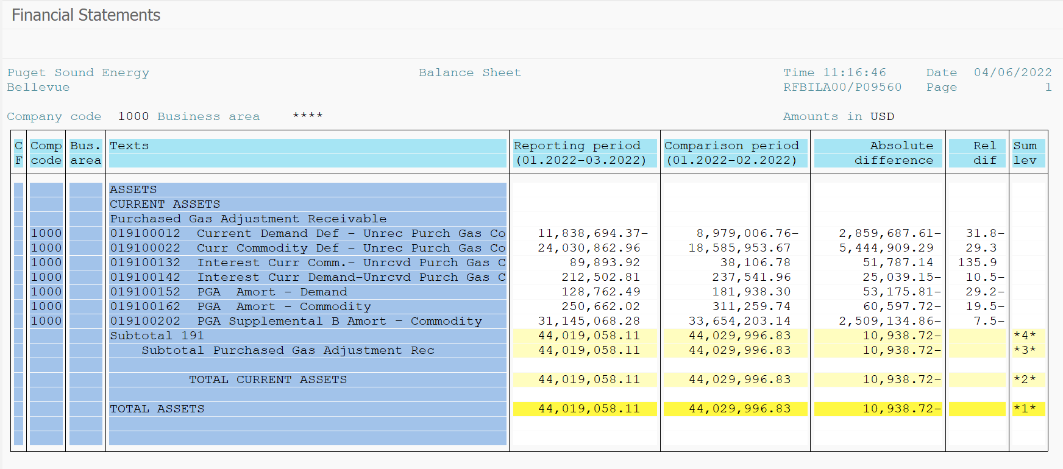
PUGET SOUND ENERGY
PGA 191 Account Balances
March
2022

 |  | Acct No. | Mar-22

Surcharge/Refund Amortization Accounts:
PGA Refund/Surcharge Amortization (Demand) |  | 19100152
 | Beginning |  | $181,938.30
 | Transfer Deferral Amounts to Surcharge/Refund Account
 | Surcharge/Refund Amortization |  | (49,973.00)
 | Migration Credit |  | 83.90
 | Interest |  | (3,286.71)
 | Total Month |  | (53,175.81)
 | Ending |  | $128,762.49

PGA Refund/Surcharge Amortization (Commodity) - 106 |  | 19100162
 | Beginning |  | $311,259.74
 | Transfer Deferral Amounts to Surcharge/Refund Account
 | Surcharge/Refund Amortization |  | (73,726.00)
 | Migration Credit |  | 856.15
 | Interest |  | 12,272.13
 | Total Month |  | (60,597.72)
 | Ending |  | $250,662.02

PGA Supplemental Amortization (Commodity) - 106A |  | 19100192
 | Beginning |  | $-
 | Transfer Deferral Amounts to Surcharge/Refund Account |  | -
 | Surcharge/Refund Amortization |  | -
 | Migration Credit |  | -
 | Interest |  | -
 | Total Month |  | -
 | Ending |  | $-

PGA Supplemental Amortization (Commodity) - 106B |  | 19100202
 | Beginning |  | $33,654,203.14
 | Transfer Deferral Amounts to Surcharge/Refund Account
 | Surcharge/Refund Amortization |  | (2,582,533.00)
 | Migration Credit
 | Interest |  | 73,398.14
 | Total Month |  | (2,509,134.86)
 | Ending |  | $31,145,068.28

Current Demand Deferral |  | 19100012
 | Beginning |  | $(8,979,006.76)
 | Transfer Deferral Amounts to Surcharge/Refund Account
 | Deferral |  | (2,859,687.61)
 | Total Month |  | (2,859,687.61)
 | Ending |  | $(11,838,694.37)

Current Commodity Deferral |  | 19100022
 | Beginning |  | $18,585,953.67
 | Transfer Deferral Amounts to Surcharge/Refund Account
 | Deferral |  | 5,444,909.29
 | Total Month |  | 5,444,909.29
 | Ending |  | $24,030,862.96

Interest on Demand Deferral |  | 19100142
 | Beginning |  | $237,541.96
 | Transfer Interest Amounts to Surcharge/Refund Account
 | Interest |  | (25,039.15)
 | Total Month |  | (25,039.15)
 | Ending |  | $212,502.81

Interest on Commodity Deferral |  | 19100132
 | Beginning |  | $38,106.78
 | Transfer Interest Amounts to Surcharge/Refund Account
 | Interest |  | 51,787.14
 | Total Month |  | 51,787.14
 | Ending |  | $89,893.92

Total 191
 | Beginning |  | $44,029,996.83
 | Total Month |  | (10,938.72)
 | Ending |  | $44,019,058.11
Less: Acct. being Amortized |  |  | 31,524,492.79
Current Period Under/(Over) Recovered |  |  | $12,494,565.32

