191
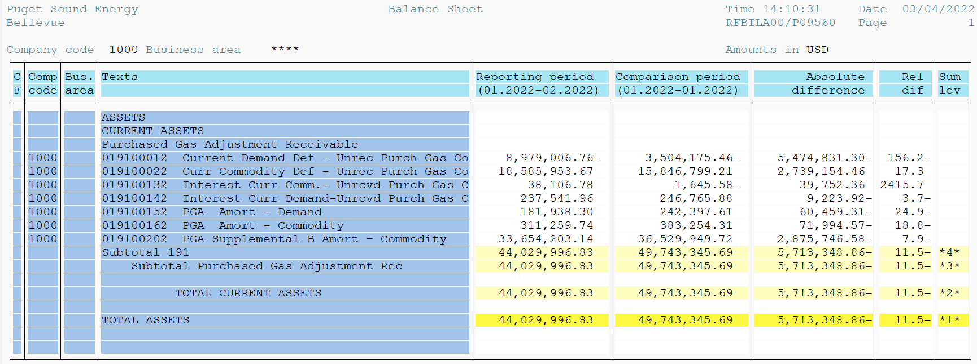
PUGET SOUND ENERGY
PGA 191 Account Balances
February
2022

 |  | Acct No. | Feb-22

Surcharge/Refund Amortization Accounts:
PGA Refund/Surcharge Amortization (Demand) |  | 19100152
 | Beginning |  | $242,397.61
 | Transfer Deferral Amounts to Surcharge/Refund Account
 | Surcharge/Refund Amortization |  | (57,720.00)
 | Migration Credit |  | 89.28
 | Interest |  | (2,828.59)
 | Total Month |  | (60,459.31)
 | Ending |  | $181,938.30

PGA Refund/Surcharge Amortization (Commodity) - 106 |  | 19100162
 | Beginning |  | $383,254.31
 | Transfer Deferral Amounts to Surcharge/Refund Account
 | Surcharge/Refund Amortization |  | (84,193.00)
 | Migration Credit |  | 910.48
 | Interest |  | 11,287.95
 | Total Month |  | (71,994.57)
 | Ending |  | $311,259.74

PGA Supplemental Amortization (Commodity) - 106A |  | 19100192
 | Beginning |  | $-
 | Transfer Deferral Amounts to Surcharge/Refund Account |  | -
 | Surcharge/Refund Amortization |  | -
 | Migration Credit |  | -
 | Interest |  | -
 | Total Month |  | -
 | Ending |  | $-

PGA Supplemental Amortization (Commodity) - 106B |  | 19100202
 | Beginning |  | $36,529,949.72
 | Transfer Deferral Amounts to Surcharge/Refund Account
 | Surcharge/Refund Amortization |  | (2,949,249.00)
 | Migration Credit
 | Interest |  | 73,502.42
 | Total Month |  | (2,875,746.58)
 | Ending |  | $33,654,203.14

Current Demand Deferral |  | 19100012
 | Beginning |  | $(3,504,175.46)
 | Transfer Deferral Amounts to Surcharge/Refund Account
 | Deferral |  | (5,474,831.30)
 | Total Month |  | (5,474,831.30)
 | Ending |  | $(8,979,006.76)

Current Commodity Deferral |  | 19100022
 | Beginning |  | $15,846,799.21
 | Transfer Deferral Amounts to Surcharge/Refund Account
 | Deferral |  | 2,739,154.46
 | Total Month |  | 2,739,154.46
 | Ending |  | $18,585,953.67

Interest on Demand Deferral |  | 19100142
 | Beginning |  | $246,765.88
 | Transfer Interest Amounts to Surcharge/Refund Account
 | Interest |  | (9,223.92)
 | Total Month |  | (9,223.92)
 | Ending |  | $237,541.96

Interest on Commodity Deferral |  | 19100132
 | Beginning |  | $(1,645.58)
 | Transfer Interest Amounts to Surcharge/Refund Account
 | Interest |  | 39,752.36
 | Total Month |  | 39,752.36
 | Ending |  | $38,106.78

Total 191
 | Beginning |  | $49,743,345.69
 | Total Month |  | (5,713,348.86)
 | Ending |  | $44,029,996.83
Less: Acct. being Amortized |  |  | 34,147,401.18
Current Period Under/(Over) Recovered |  |  | $9,882,595.65

