191
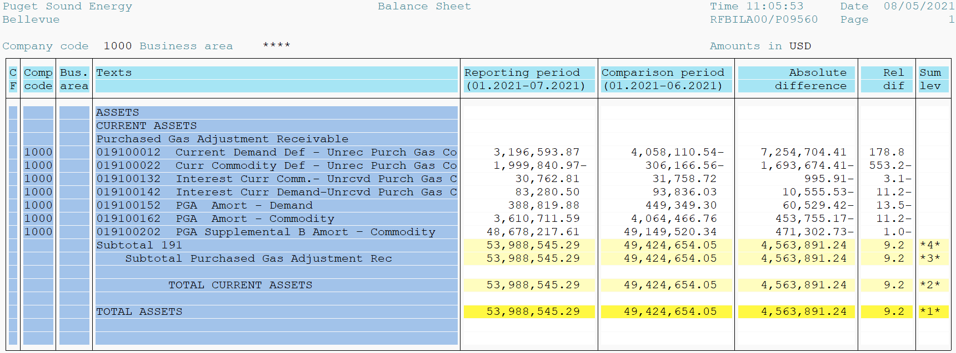
PUGET SOUND ENERGY
PGA 191 Account Balances
2021-07-31
2021

 |  | Acct No. | Jul-21

Surcharge/Refund Amortization Accounts:
PGA Refund/Surcharge Amortization (Demand) |  | 19100152
 | Beginning |  | $449,349.30
 | Transfer Deferral Amounts to Surcharge/Refund Account |  | -
 | Transfer to Commodity Amort Account |  | -
 | Surcharge/Refund Amortization |  | (58,769.00)
 | Migration Credit |  | 863.05
 | Interest |  | (2,623.47)
 | Total Month |  | (60,529.42)
 | Ending |  | $388,819.88

PGA Refund/Surcharge Amortization (Commodity) - 106 |  | 19100162
 | Beginning |  | $4,064,466.76
 | Transfer Deferral Amounts to Surcharge/Refund Account |  | -
 | Transfer to Commodity Amort Account |  | -
 | Surcharge/Refund Amortization |  | (489,769.00)
 | Migration Credit |  | 13,637.52
 | Interest |  | 22,376.31
 | Total Month |  | (453,755.17)
 | Ending |  | $3,610,711.59

PGA Supplemental Amortization (Commodity) - 106A |  | 19100192
 | Beginning |  | $-
 | Transfer to Commodity Amort Account |  | -
 | Surcharge/Refund Amortization |  | -
 | Migration Credit |  | -
 | Interest |  | -
 | Total Month |  | -
 | Ending |  | $-

PGA Supplemental Amortization (Commodity) - 106B |  | 19100202
 | Beginning |  | $49,149,520.34
 | Transfer to Commodity Amort Account |  | -
 | Surcharge/Refund Amortization |  | (592,796.00)
 | Migration Credit |  | -
 | Interest |  | 121,493.27
 | Total Month |  | (471,302.73)
 | Ending |  | $48,678,217.61

Current Demand Deferral |  | 19100012
 | Beginning |  | $(4,058,110.54)
 | Transfer to Commodity Amort Account |  | -
 | Refund of B&O Taxes on Off System Sales |  | -
 | PSE Deferral |  | 7,254,704.41
 | WNG-CAP Deferral |  | -
 | Total Month |  | 7,254,704.41
 | Ending |  | $3,196,593.87

Current Commodity Deferral |  | 19100022
 | Beginning |  | $(306,166.56)
 | Transfer Deferral Amounts to Surcharge/Refund Account |  | -
 | Refund of B&O Taxes on Off System Sales |  | -
 | Transfer to Commodity Amort Account |  | -
 | Transfer Deferral Amounts to PGA Tracking Account |  | -
 | PSE Deferral |  | (1,693,674.41)
 | PGA Incentive |  | -
 | Total Month |  | (1,693,674.41)
 | Ending |  | $(1,999,840.97)

Interest on Demand Deferral |  | 19100142
 | Beginning |  | $93,836.03
 | Transfer to Commodity Amort Account |  | -
 | Activity |  | (10,555.53)
 | Total Month |  | (10,555.53)
 | Ending |  | $83,280.50

Interest on Commodity Deferral |  | 19100132
 | Beginning |  | $31,758.72
 | Transfer to Commodity Amort Account |  | -
 | Activity |  | (995.91)
 | Total Month |  | (995.91)
 | Ending |  | $30,762.81

Total 191
 | Beginning |  | $49,424,654.05
 | Total Month |  | 4,563,891.24
 | Ending |  | $53,988,545.29
Less: Acct. being Amortized |  |  | 52,677,749.08
Current Period Under/(Over) Recovered |  |  | $1,310,796.21

