Heating
 | Nautral Gas to Electric Savings Estimate |  |  |  |  |  |  | Sources:
 |  |  |  |  | $ Per
 | Appliance | Efficiency |  | Price | kWh | Therm1 | Savings

 | Gas Furnace | 96% | AFUE | Present |  | 1.35 |  |  | See: | https://www.metric-conversions.org/energy-and-power/kilowatt-hours-to-therms-us.htm

 | Electric Heat Pump | 300% | COP | 2nd Tier Non-Seasonal | 0.1296 | 1.27 | 7%
 | Electric Heat Pump | 300% | COP | Winter Season Flat | 0.1096 | 1.07 | 21%
 | Electric Baseboard | 100% |  | Winter Season Flat | 0.1096 | 3.21 | -137%
1Assumptions:
Cascade Natural Gas Prices effective March 1, 2023
1 therm = 29.3 kWh |  |  |  |  |  |  |  |  | See: | https://tristate.coop/advantages-heat-pumps-energy-efficiency#:~:text=What's%20the%20efficiency%20performance%20of,coefficient%20of%20performance%2C%20or%20COP.
Adjustment to $ Per Therm for Appliance Efficiency
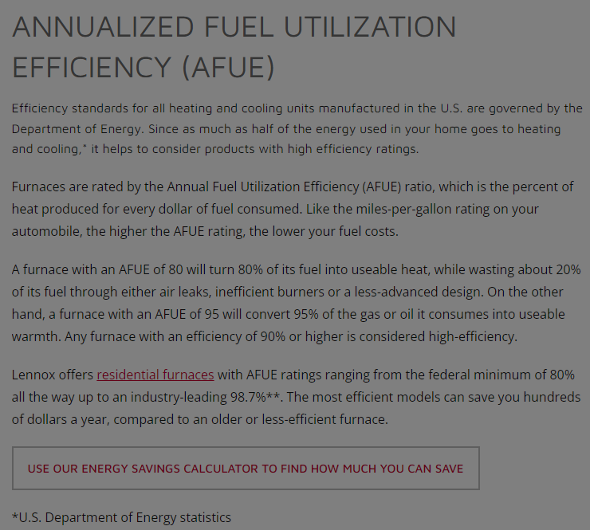
(COP = Coefficient of Performance; AFUE = Annualized Fuel Utilization Efficiency)

 |  |  |  |  |  |  |  |  | See: | https://www.lennox.com/buyers-guide/guide-to-hvac/glossary/annualized-fuel-utilization-efficiency-afue
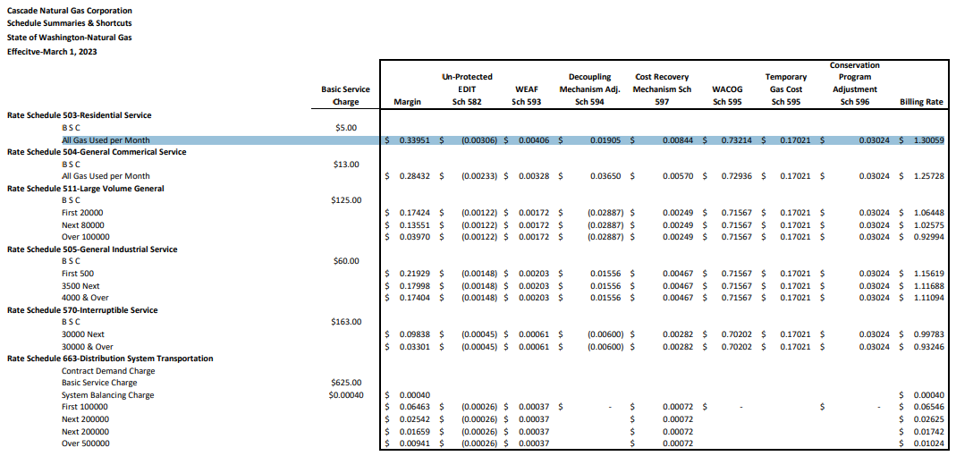

 |  |  |  |  |  |  |  |  | See: | Summary-of-Rate-Schedules-CNGC-Website.pdf

