SP 500 Profit 2018a
Company Name | Net Income Trail 12 Mo
3M Company | 5984 |  | $ Billion
Abbott Labs. | 5131 | Aggregate Net Income for S&P 500 Companies | 1,406,400.00
AbbVie Inc. | 12065 | 2018 Nominal U.S. GDP | 20,891,000.00 |  |  | 91.91% |  |  | https://www.economy.com/united-states/nominal-gross-domestic-product
ABIOMED Inc. | 221.9 | Net Income/GDP (%) | 6.73%
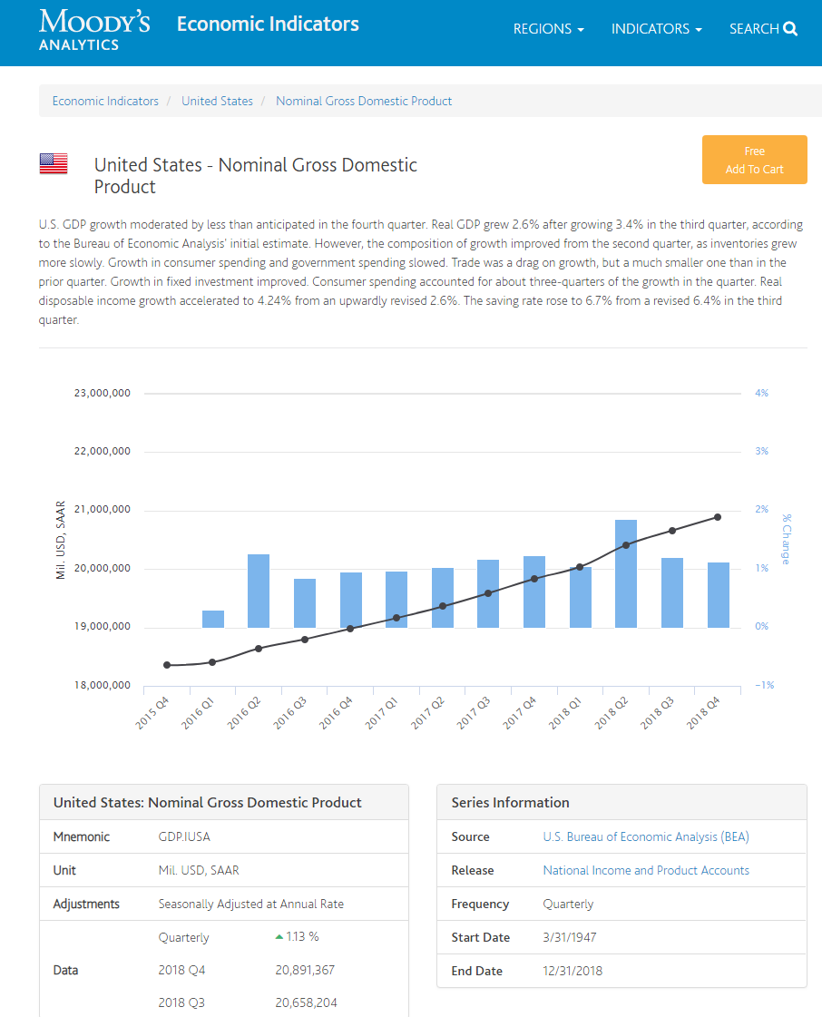
Accenture Plc | 4471.3 |  |  |  |  |  | No. | 2090
Activision Blizzard | 1812 | SP Profit |  |  |  |  | Periods | Value
Adobe Systems | 2590.8 |  |  |  |  |  | 82 | 34,167,782,378.12
Advance Auto Parts | 654.9 |  | 2018 | Growth | No. of | 2050
Advanced Micro Dev. | 514 |  | Value | Rate | Years | Value | No. | 2090
AES Corp. | 1203 | Aggregate Net Income for S&P 500 Companies | 1,406,400.0 | 13.11% | 32 | 72,364,670.4 | Periods | Value
Affiliated Managers | 240 | 2018 Nominal U.S. GDP | 20,891,000.0 | 4.23% | 32 | 78,735,624.7 | 82 | 625,896,616.71
Aflac Inc. | 3226 | Net Income/GDP (%) | 6.73% |  |  | 91.91%
Agilent Technologies | 935
Air Products & Chem. | 1660.3
Akamai Technologies | 298.4
Alaska Air Group | 554.1 |  | S&P 500 Growth Rate
Albemarle Corp. | 693.6 |  | Value Line | 14.73%
Alexandria Real Estate | 362.9 |  | Bloomberg | 11.48%
Alexion Pharmac. | 77.6 |  | Average | 13.11%
Align Techn. | 400.3
Allegion plc | 430.3
Allergan plc | 5645.6
Alliance Data Sys. | 1251.2
Alliant Energy | 512.1
Allstate Corp. | 2849.7 |  |  | Panel B
Alphabet Inc. | 29554 |  |  | Projected GDP Growth Rates
Alphabet Inc. 'A' | 30736
Altria Group | 7539 |  |  |  |  | Projected
Amazon.com | 10073 |  |  |  |  | Nominal GDP
Amer. Airlines | 2117 |  |  |  | Time Frame | Growth Rate
Amer. Elec. Power | 1923.8 |  | Congressional Budget Office |  | 2018-2048 | 4.0%
Amer. Express | 6425 |  | Social Security Administration |  | 2018-2095 | 4.4%
Amer. Int'l Group | 15.8 |  | Energy Information Administration |  | 2017-2050 | 4.3%
Amer. Tower 'A' | 1227 |  | Sources: |  | AVG | 4.2%
Amer. Water Works | 567 |  | Congressional Budget Office,The 2018 Long-Term Budget Outlook, June 1, 2018.
Ameren Corp. | 821 |  | https://www.cbo.gov/system/files?file=2018-06/53919-2018ltbo.pdf
Ameriprise Fin'l | 2098 |  | U.S. Energy Information Administration, Annual Energy Outlook 2018, Table: Macroeconomic Indicators,
AmerisourceBergen | 1430.9 |  | https://www.eia.gov/outlooks/aeo/data/browser/#/?id=18-AEO2018&sourcekey=0.
AMETEK Inc. | 777.9 |  | Social Security Administration, 2018 Annual Report of the Board of Trustees of the Old-Age,
Amgen | 9577.7 |  | Survivors, and Disability Insurance (OASDI) Program, Table VI.G4, p. 211(June 15, 2018),
Amphenol Corp. | 1205.1 |  | https://www.ssa.gov/oact/tr/2018/lr6g4.html. The 4.4% represents the compounded growth rate
Anadarko Petroleum | 615 |  | in projected GDP from $20,307 trillion in 2018 to $548,108 trillion in 2095.
Analog Devices | 2200.1
ANSYS Inc. | 514.2
Anthem Inc. | 4199
Aon plc | 2037.9
Apache Corp. | 654
Apartment Investment | 656.5
Apple Inc. | 59431
Applied Materials | 4205
Aptiv PLC | 1067
Archer Daniels Midl'd | 1810
Arconic Inc. | 677
Arista Networks | 633.8
Assurant Inc. | 236.8
AT&T Inc. | 23957
Atmos Energy | 449.7
Autodesk Inc. | 218.9
Automatic Data Proc. | 1815.4
AutoZone Inc. | 1506.7
AvalonBay Communities | 974.5
Avery Dennison | 536.7
Baker Hughes a GE co. | 195
Ball Corp. | 454
Bank of America | 26696
Bank of New York Mellon | 4090
Baxter Int'l Inc. | 1667
BB&T Corp. | 3257
Becton Dickinson | 3032.8
Berkshire Hathaway 'B' | 24783
Best Buy Co. | 1498
Biogen | 4430.1
BlackRock Inc. | 4361
Block (H&R) | 700.6
Boeing | 10460
Booking Holdings | 4446
BorgWarner | 938.9
Boston Properties | 572.3
Boston Scientific | 1541.4
Brighthouse Financial Inc | -241
Bristol-Myers Squibb | 4952
Broadcom Inc. | 3836
Broadridge Fin'l | 448.8
Brown-Forman 'B' | 787
C.H. Robinson | 664.6
Cabot Oil & Gas 'A' | 556.9
Cadence Design Sys. | 525.5
Campbell Soup | 758.6
Capital One Fin'l | 5715
Capri Holdings Ltd. | 576.5
Cardinal Health | 1454.1
CarMax Inc. | 792
Carnival Corp. | 3153
Caterpillar Inc. | 6721.8
Cboe Global Markets | 422
CBRE Group | 1123.8
CBS Corp. 'B' | 1960
Celanese Corp. | 1491
Celgene Corp. | 4046
Centene Corp. | 1411
CenterPoint Energy | 368
CenturyLink Inc. | 1275
Cerner Corp. | 819.7
CF Industries | 290
Charter Communic. | 1230
Chevron Corp. | 14824
Chipotle Mex. Grill | 248.4
Chubb Ltd. | 4407
Church & Dwight | 568.6
Cigna Corp. | 3557
Cimarex Energy | 699
Cincinnati Financial | 547.3
Cintas Corp. | 758.4
Cisco Systems | 13268
Citigroup Inc. | 17049
Citizens Fin'l Group | 1692
Citrix Sys. | 796.6
Clorox Co. | 790
CME Group | 1962.2
CMS Energy Corp. | 659
Coca-Cola | 8973
Cognizant Technology | 2666.1
Colgate-Palmolive | 2400
Comcast Corp. | 11844
Comerica Inc. | 1234
Conagra Brands | 911.7
Concho Resources | 791.8
ConocoPhillips | 5601.7
Consol. Edison | 1424
Constellation Brands | 1836.9
Cooper Cos. | 365.5
Copart Inc. | 466.6
Corning Inc. | 1066
Costco Wholesale | 3394.8
Coty Inc. | 463.6
Crown Castle Int'l | 559
CSX Corp. | 3309
Cummins Inc. | 2219
CVS Health | 8345
Danaher Corp. | 2650.9
Darden Restaurants | 671.1
DaVita Inc. | 615.9
Deere & Co. | 3129.5
Delta Air Lines | 3885.8
Dentsply Sirona | 454.5
Devon Energy | 646.9
Diamondback Energy | 845.6
Digital Realty Trust | 249.9
Discover Fin'l Svcs. | 2750
Discovery Communic. 'C' | 594
Discovery Inc. | 1692.6
Dish Network 'A' | 1575.1
Disney (Walt) | 10963
Dollar General | 1500.9
Dollar Tree Inc. | 1177.3
Dominion Energy | 2170.1
Dover Corp. | 796.6
DowDuPont Inc. | 8513.8
DTE Energy | 1120
Duke Energy | 2935.1
Duke Realty Corp. | 383.7
DXC Technology | 2429
E*Trade Fin'l | 1016
Eastman Chemical | 1080
Eaton Corp. plc | 2352.9
eBay Inc. | 2530
Ecolab Inc. | 1537.7
Edison Int'l | -271.3
Edwards Lifesciences | 1004.5
Electronic Arts | 1417
Emerson Electric | 2074
Entergy Corp. | 1092.1
EOG Resources | 3221
Equifax Inc. | 702
Equinix Inc. | 365.3
Equity Residential | 670.8
Essex Property Trust | 390.1
Everest Re Group Ltd. | 6.4
Evergy Inc. | 535.8
Eversource Energy | 1033
Exelon Corp. | 2419
Expedia Group | 467
Expeditors Int'l | 618.2
Extra Space Storage | 444.9
Exxon Mobil Corp. | 20840
F5 Networks | 496.2
Facebook Inc. | 22111
Fastenal Co. | 751.9
Federal Rlty. Inv. Trust | 233.8
FedEx Corp. | 4628
Fidelity Nat'l Info. | 847
Fifth Third Bancorp | 2099
First Republic Bank | 796.1
FirstEnergy Corp. | 480.1
Fiserv Inc. | 1281
FleetCor Technologies | 969.9
FLIR Systems | 311.9
Flowserve Corp. | 230.3
Fluor Corp. | 282.5
FMC Corp. | 855.1
Foot Locker | 547
Ford Motor | 3656.6
Fortinet Inc. | 208.7
Fortive Corp. | 1006.7
Fortune Brands Home | 551.4
Franklin Resources | 1624.1
Freep't-McMoRan Inc. | 2199.6
Gallagher (Arthur J.) | 641.7
Gap (The) Inc. | 1003
Garmin Ltd. | 694.1
Gartner Inc. | 449.9
Gen'l Dynamics | 3358
Gen'l Electric | 5701.5
Gen'l Mills | 1870.7
Gen'l Motors | 9630.2
Genuine Parts | 836.6
Gilead Sciences | 5455
Global Payments | 452.1
Goldman Sachs | 9860
Grainger (W.W.) | 950.1
Halliburton Co. | 1681.2
Hanesbrands Inc. | 636.1
Harley-Davidson | 622
Harris Corp. | 856
Hartford Fin'l Svcs. | 1575.7
Hasbro Inc. | 488.4
HCA Healthcare | 3470
HCP Inc. | 1057.5
Helmerich & Payne | 60.2
Henry (Jack) & Assoc. | 309.4
Hershey Co. | 1130.8
Hess Corp. | -116
Hewlett Packard Ent. | 2461
Hilton Worldwide Hldgs. | 766
HollyFrontier Corp. | 1448.9
Hologic Inc. | 408.9
Home Depot | 11299.3
Honeywell Int'l | 5986
Hormel Foods | 950.4
Horton D.R. | 1560.6
Host Hotels & Resorts | 1087
HP Inc. | 3312
Humana Inc. | 2014.9
Hunt (J.B.) | 626.3
Huntington Bancshs. | 1356
Huntington Ingalls | 836
IDEXX Labs. | 377.1
IHS Markit | 933.1
Illinois Tool Works | 2563
Illumina Inc. | 826
Incyte Corp. | 109.5
Ingersoll-Rand | 1546.1
Int'l Business Mach. | 10760
Int'l Flavors & Frag. | 528.4
Int'l Paper | 1644
Intel Corp. | 21517.3
Intercontinental Exch. | 2080.6
Interpublic Group | 712.8
Intuit Inc. | 1685.6
Intuitive Surgical | 1127.9
Invesco Ltd. | 882.8
IPG Photonics | 404
IQVIA Holdings | 1156
Iron Mountain | 315.4
Jacobs Engineering | 687.1
Jefferies Fin'l Group | 324.6
Johnson & Johnson | 15297
Johnson Ctrls. Int'l plc | 2172.6
JPMorgan Chase | 31139
Juniper Networks | 480.8
Kansas City South'n | 617.4
Kellogg | 1563.1
KeyCorp | 1800
Keysight Technologies | 692.6
Kimberly-Clark | 2310
Kimco Realty | 439.6
Kinder Morgan Inc. | 1609
KLA-Tencor | 1431.2
Kohl's Corp. | 925.1
Kraft Heinz Co. | 4300.1
Kroger Co. | 1725.1
L Brands | 641.6
L3 Technologies | 800
Laboratory Corp. | 1287.4
Lam Research | 2966.9
Lamb Weston Holdings | 482.7
Lauder (Estee) | 1741
Leggett & Platt | 336.4
Lennar Corp. | 1621
Lilly (Eli) | 5731.3
Lincoln Nat'l Corp. | 1880
Linde plc
LKQ Corp. | 690.3
Lockheed Martin | 5046
Loews Corp. | 679
Lowe's Cos. | 4153.1
LyondellBasell Inds. | 4690
M&T Bank Corp. | 1857
Macerich Comp. (The) | 59.9
Macy's Inc. | 1301.4
Marathon Oil Corp. | 642.3
Marathon Petroleum | 3521.1
Marriott Int'l | 2200.8
Marsh & McLennan | 1650
Martin Marietta | 511
Masco Corp. | 774
MasterCard Inc. | 6034
Mattel Inc. | -322.5
Maxim Integrated | 792.4
McCormick & Co. | 662.5
McDonald's Corp. | 6110.2
McKesson Corp. | 2679.4
Medtronic plc | 6950.8
Merck & Co. | 11626
MetLife Inc. | 5461
Mettler-Toledo Int'l | 493.4
MGM Resorts Int'l | 467.9
Microchip Technology | 1618.5
Micron Technology | 14999
Microsoft Corp. | 33594
Mid-America Apartment | 219.3
Mohawk Inds. | 921.7
Molson Coors Brewing | 1116.5
Mondelez Int'l | 3623.3
Monster Beverage | 993
Moody's Corp. | 1436.2
Morgan Stanley | 8111
Mosaic Company | 471.8
Motorola Solutions | 1229.3
MSCI Inc. | 481.2
Mylan N.V. | 352.5
Nasdaq Inc. | 811
National Oilwell Varco | -31
Nektar Therapeutics | 681.4
NetApp Inc. | 1044
Netflix Inc. | 1210.8
Newell Brands | 607.5
Newmont Mining | 718
News Corp. 'A' | -1303
News Corp. 'B' | -1303
NextEra Energy | 3201.1
Nielsen Hldgs. plc | 421.2
NIKE Inc. 'B' | 4196
NiSource Inc. | 479.7
Noble Energy | -474.2
Nordstrom Inc. | 564
Norfolk Southern | 2666
Northern Trust Corp. | 1533.9
Northrop Grumman | 3229
Norwegian Cruise Line | 954.9
NRG Energy | 173.7
Nucor Corp. | 2360.9
NVIDIA Corp. | 4142
O'Reilly Automotive | 1324.5
Occidental Petroleum | 3829
Omnicom Group | 1307.5
ONEOK Inc. | 1150.9
Oracle Corp. | 13503
PACCAR Inc. | 2195.1
Packaging Corp. | 738
Parker-Hannifin | 1522.6
Paychex Inc. | 935.4
PayPal Holdings | 2057
Pentair plc | 487.4
People's United Fin'l | 468.1
PepsiCo Inc. | 8276.5
PerkinElmer Inc. | 403.6
Perrigo Co. plc | 629
Pfizer Inc. | 11153
Philip Morris Int'l | 7942
Phillips 66 | 5595
Pinnacle West Capital | 511
Pioneer Natural Res. | 1081.1
PNC Financial Serv. | 5039
PPG Inds. | 1339.4
PPL Corp. | 1827
Price (T. Rowe) Group | 1765.7
Principal Fin'l Group | 1597.5
Procter & Gamble | 11221.6
Progressive Corp. | 2945
Prologis | 1643.9
Prudential Fin'l | 4982
Public Serv. Enterprise | 1438
Public Storage | 1488.9
PulteGroup Inc. | 982.1
PVH Corp. | 726.1
Qorvo Inc. | 59.1
Qualcomm Inc. | 5442.6
Quanta Services | 433.7
Quest Diagnostics | 878
Ralph Lauren | 577.3
Raymond James Fin'l | 990
Raytheon Co. | 2910
Realty Income Corp. | 363.7
Red Hat Inc. | 405
Regency Centers Corp. | 249.9
Regeneron Pharmac. | 2444.4
Regions Financial | 1504
Republic Services | 1009.3
ResMed Inc. | 482.2
Robert Half Int'l | 434.3
Rockwell Automation | 855.4
Rollins Inc. | 172.9
Roper Tech. | 1233.4
Ross Stores | 1587.5
Royal Caribbean | 1811.1
S&P Global | 2153
salesforce.com | 1110
SBA Communications | 122.7
Schein (Henry) | 535.6
Schlumberger Ltd. | 2138.5
Schwab (Charles) | 3507
Seagate Technology | 1799.7
Sealed Air | 152.5
Sempra Energy | 1483.8
Sherwin-Williams | 1759.4
Simon Property Group | 2522.7
Skyworks Solutions | 1277.1
SL Green Realty | 243.5
Smith (A.O.) | 449.2
Smucker (J.M.) | 672.6
Snap-on Inc. | 675
Southern Co. | 3011
Southwest Airlines | 2465
Stanley Black & Decker | 1230.9
Starbucks Corp. | 3374.1
State Street Corp. | 2410
Stryker Corp. | 2782.2
SunTrust Banks | 2599
SVB Fin'l Group | 973.9
Symantec Corp. | 1094.2
Synchrony Financial | 2790
Synopsys Inc. | 595.3
Sysco Corp. | 1726.2
Take-Two Interactive | 259
Tapestry Inc. | 784.5
Target Corp. | 2887.6
TE Connectivity | 1923.5
TechnipFMC | -1907.1
Teleflex Inc. | 199.5
Texas Instruments | 5580
Textron Inc. | 779.4
Thermo Fisher Sci. | 2938
Tiffany & Co. | 590
TJX Companies | 3059.8
Torchmark Corp. | 702
Total System Svcs. | 576.6
Tractor Supply | 532.4
TransDigm Group | 818.4
Travelers Cos. | 2472.5
TripAdvisor Inc. | 113
Twenty-First Century Fox | 3775.7
Twenty-First Century Fox 'B' | 3162.9
Twitter Inc. | 525.4
Tyson Foods 'A' | 2183.4
U.S. Bancorp | 7096
UDR Inc. | 199.2
Ulta Beauty | 613.8
Under Armour 'A' | 119.5
Under Armour 'C' | -46.2
Union Pacific | 5966
United Cont'l Hldgs. | 2525
United Parcel Serv. | 6301
United Rentals | 1358
United Technologies | 6159.5
UnitedHealth Group | 12654
Universal Health `B' | 779.4
Unum Group | 1146
V.F. Corp. | 1612
Valero Energy | 3122
Varian Medical Sys. | 366.1
Ventas Inc. | 377.8
VeriSign Inc. | 582.5
Verisk Analytics | 598.7
Verizon Communic. | 19456.2
Vertex Pharmac. | 598.3
Viacom Inc. 'B' | 1698.8
Visa Inc. | 10753.7
Vornado R'lty Trust | 384.8
Vulcan Materials | 517.8
Wabtec Corp. | 366.6
Walgreens Boots | 6076.8
Walmart Inc. | 14485.8
Waste Management | 1813
Waters Corp. | 643.5
WEC Energy Group | 1060.5
WellCare Health Plans | 439.8
Wells Fargo | 20102.3
Welltower Inc. | 758.3
Western Digital | 3553.5
Western Union | 851.9
WestRock Co. | 1051.1
Weyerhaeuser Co. | 748
Whirlpool Corp. | 1028.1
Williams Cos. | 768
Willis Towers Wat. plc | 983.4
Wynn Resorts | 661.7
Xcel Energy Inc. | 1262
Xerox Corp. | 361
Xilinx Inc. | 811.5
Xylem Inc. | 522.6
Yum! Brands | 1091.9
Zimmer Biomet Hldgs. | 1562.1
Zions Bancorp. | 850
Zoetis Inc. | 1610.9
 | 1406400

